Plot
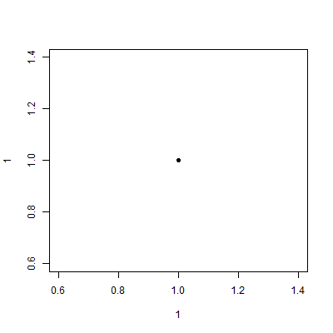
This is just a dot in a plot

