LogitMainEffects
Logit Main Effects Only

Inputs: |  |  | Output: |  |  |  | Sensitivity Analysis: |  |  |  |  |  | Sensitivity Analysis: |  |  |  | Sensitivity Analysis:

Variable | Value |  | Variable | Coefficient | Value | Coeff*Value |  |  |  |  |  |  |  |  | CDAccount |  |  |  | Education
 |  |  | intercept | -13.67520237 | 1 | -13.67520237 |  |  | Family |  |  |  |  |  | No | Yes |  |  | Undergraduate | Graduate | Adv/Pro
Income | 100 | Annual Income | Income | 0.057186734 | 100 | 5.7186734 |  | 32% | 1 | 2 | 3 | 4 |  | 32% | 0 | 1 |  | 32% | 1 | 2 | 3
Family | 2 | Family Size | Family | 0.689372198 | 2 | 1.378744396 | Income | 10 | 0% | 0% | 1% | 1% | Income | 10 | 0% | 0% | Income | 10 | 0% | 0% | 1%
CDAccount | 1 | 1=Yes, 0=No | CDAccount | 2.511337387 | 1 | 2.511337387 |  | 20 | 0% | 0% | 1% | 2% |  | 20 | 0% | 0% |  | 20 | 0% | 0% | 2%
Education | 2 | Education Level | Education | 1.651081718 | 2 | 3.302163436 |  | 30 | 0% | 1% | 2% | 3% |  | 30 | 0% | 1% |  | 30 | 0% | 1% | 4%
 |  |  |  |  | sum | -0.764283751 |  | 40 | 1% | 1% | 3% | 6% |  | 40 | 0% | 1% |  | 40 | 0% | 1% | 7%
 |  |  |  |  | Exp(sum) | 0.46566734533 |  | 50 | 1% | 3% | 5% | 10% |  | 50 | 0% | 3% |  | 50 | 1% | 3% | 12%
 |  |  |  |  | Probability | 32% |  | 60 | 2% | 5% | 9% | 16% |  | 60 | 0% | 5% |  | 60 | 1% | 5% | 20%
 |  |  |  |  |  |  |  | 70 | 4% | 8% | 14% | 25% |  | 70 | 1% | 8% |  | 70 | 2% | 8% | 30%
 |  |  |  |  |  |  |  | 80 | 7% | 13% | 23% | 37% |  | 80 | 1% | 13% |  | 80 | 3% | 13% | 44%
 |  |  |  |  |  |  |  | 90 | 12% | 21% | 34% | 51% |  | 90 | 2% | 21% |  | 90 | 5% | 21% | 58%
 |  |  |  |  |  |  |  | 100 | 19% | 32% | 48% | 65% |  | 100 | 4% | 32% |  | 100 | 8% | 32% | 71%
 |  |  |  |  |  |  |  | 110 | 29% | 45% | 62% | 77% |  | 110 | 6% | 45% |  | 110 | 14% | 45% | 81%
 |  |  |  |  |  |  |  | 120 | 42% | 59% | 74% | 85% |  | 120 | 11% | 59% |  | 120 | 22% | 59% | 88%
 |  |  |  |  |  |  |  | 130 | 57% | 72% | 84% | 91% |  | 130 | 17% | 72% |  | 130 | 33% | 72% | 93%
 |  |  |  |  |  |  |  | 140 | 70% | 82% | 90% | 95% |  | 140 | 27% | 82% |  | 140 | 47% | 82% | 96%
 |  |  |  |  |  |  |  | 150 | 80% | 89% | 94% | 97% |  | 150 | 40% | 89% |  | 150 | 61% | 89% | 98%
 |  |  |  |  |  |  |  | 160 | 88% | 94% | 97% | 98% |  | 160 | 54% | 94% |  | 160 | 73% | 94% | 99%
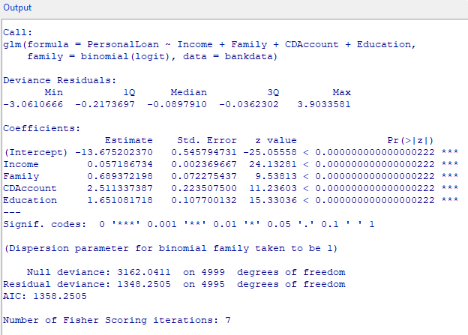
 |  |  |  |  |  |  |  | 170 | 93% | 96% | 98% | 99% |  | 170 | 67% | 96% |  | 170 | 83% | 96% | 99%
 |  |  |  |  |  |  |  | 180 | 96% | 98% | 99% | 99% |  | 180 | 79% | 98% |  | 180 | 90% | 98% | 100%
 |  |  |  |  |  |  |  | 190 | 98% | 99% | 99% | 100% |  | 190 | 87% | 99% |  | 190 | 94% | 99% | 100%
 |  |  |  |  |  |  |  | 200 | 99% | 99% | 100% | 100% |  | 200 | 92% | 99% |  | 200 | 96% | 99% | 100%

 |  |  |  |  |  |  | Sensitivity Analysis: |  |  |  |  |  | Sensitivity Analysis: |  |  |  | Sensitivity Analysis:

 |  |  |  |  |  |  |  |  | Education |  |  |  |  |  | CDAccount |  |  |  | Education
 |  |  |  |  |  |  |  |  | Undergraduate | Graduate | Adv/Pro |  |  |  | No | Yes |  |  | Undergraduate | Graduate | Adv/Pro
 |  |  |  |  |  |  |  | 32% | 1 | 2 | 3 |  |  | 32% | 0 | 1 | CDAccount | 32% | 100% | 200% | 300%
 |  |  |  |  |  |  | Family | 1 | 4% | 19% | 55% |  | Family | 1 | 2% | 19% | No | 0% | 1% | 4% | 16%
 |  |  |  |  |  |  |  | 2 | 8% | 32% | 71% |  |  | 2 | 4% | 32% | Yes | 100% | 8% | 32% | 71%
 |  |  |  |  |  |  |  | 3 | 15% | 48% | 83% |  |  | 3 | 7% | 48%
 |  |  |  |  |  |  |  | 4 | 26% | 65% | 91% |  |  | 4 | 13% | 65%

ProbitMainEffects
Probit Main Effects Only

Inputs: |  |  | Output: |  |  |  | Sensitivity Analysis: |  |  |  |  |  | Sensitivity Analysis: |  |  |  | Sensitivity Analysis:

Variable | Value |  | Variable | Coefficient | Value | Coeff*Value |  |  |  |  |  |  |  |  | CDAccount |  |  |  | Education
 |  |  | intercept | -6.955475691 | 1 | -6.955475691 |  |  | Family |  |  |  |  |  | No | Yes |  |  | Undergraduate | Graduate | Adv/Pro
Income | 100 | Annual Income | Income | 0.029439709 | 100 | 2.9439709 |  | 35% | 1 | 2 | 3 | 4 |  | 35% | 0 | 1 |  | 35% | 1 | 2 | 3
Family | 2 | Family Size | Family | 0.338474505 | 2 | 0.67694901 | Income | 10 | 0% | 0% | 0% | 1% | Income | 10 | 0% | 0% | Income | 10 | 0% | 0% | 1%
CDAccount | 1 | 1=Yes, 0=No | CDAccount | 1.338690615 | 1 | 1.338690615 |  | 20 | 0% | 0% | 1% | 2% |  | 20 | 0% | 0% |  | 20 | 0% | 0% | 3%
Education | 2 | Education Level | Education | 0.80702796 | 2 | 1.61405592 |  | 30 | 0% | 1% | 2% | 4% |  | 30 | 0% | 1% |  | 30 | 0% | 1% | 5%
 |  |  |  |  | sum | -0.381809246 |  | 40 | 1% | 2% | 4% | 7% |  | 40 | 0% | 2% |  | 40 | 0% | 2% | 9%
 |  |  |  |  | Probability | 35% |  | 50 | 1% | 3% | 6% | 12% |  | 50 | 0% | 3% |  | 50 | 0% | 3% | 15%
 |  |  |  |  |  |  |  | 60 | 3% | 6% | 11% | 19% |  | 60 | 0% | 6% |  | 60 | 1% | 6% | 23%
 |  |  |  |  |  |  |  | 70 | 5% | 10% | 18% | 28% |  | 70 | 0% | 10% |  | 70 | 2% | 10% | 32%
 |  |  |  |  |  |  |  | 80 | 10% | 17% | 26% | 38% |  | 80 | 1% | 17% |  | 80 | 4% | 17% | 44%
 |  |  |  |  |  |  |  | 90 | 16% | 25% | 37% | 50% |  | 90 | 2% | 25% |  | 90 | 7% | 25% | 55%
 |  |  |  |  |  |  |  | 100 | 24% | 35% | 48% | 62% |  | 100 | 4% | 35% |  | 100 | 12% | 35% | 66%
 |  |  |  |  |  |  |  | 110 | 34% | 47% | 60% | 72% |  | 110 | 8% | 47% |  | 110 | 19% | 47% | 76%
 |  |  |  |  |  |  |  | 120 | 45% | 58% | 71% | 81% |  | 120 | 13% | 58% |  | 120 | 27% | 58% | 84%
 |  |  |  |  |  |  |  | 130 | 56% | 69% | 80% | 88% |  | 130 | 20% | 69% |  | 130 | 38% | 69% | 90%
 |  |  |  |  |  |  |  | 140 | 68% | 79% | 87% | 93% |  | 140 | 29% | 79% |  | 140 | 50% | 79% | 95%
 |  |  |  |  |  |  |  | 150 | 77% | 86% | 92% | 96% |  | 150 | 40% | 86% |  | 150 | 61% | 86% | 97%
 |  |  |  |  |  |  |  | 160 | 85% | 92% | 96% | 98% |  | 160 | 52% | 92% |  | 160 | 72% | 92% | 99%
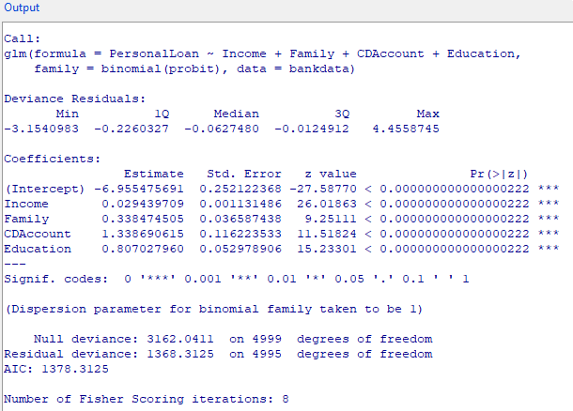
 |  |  |  |  |  |  |  | 170 | 91% | 95% | 98% | 99% |  | 170 | 63% | 95% |  | 170 | 81% | 95% | 99%
 |  |  |  |  |  |  |  | 180 | 95% | 98% | 99% | 100% |  | 180 | 74% | 98% |  | 180 | 88% | 98% | 100%
 |  |  |  |  |  |  |  | 190 | 97% | 99% | 100% | 100% |  | 190 | 82% | 99% |  | 190 | 93% | 99% | 100%
 |  |  |  |  |  |  |  | 200 | 99% | 99% | 100% | 100% |  | 200 | 89% | 99% |  | 200 | 96% | 99% | 100%

 |  |  |  |  |  |  | Sensitivity Analysis: |  |  |  |  |  | Sensitivity Analysis: |  |  |  | Sensitivity Analysis:

 |  |  |  |  |  |  |  |  | Education |  |  |  |  |  | CDAccount |  |  |  | Education
 |  |  |  |  |  |  |  |  | Undergraduate | Graduate | Adv/Pro |  |  |  | No | Yes |  |  | Undergraduate | Graduate | Adv/Pro
 |  |  |  |  |  |  | CDAccount | 35% | 1 | 2 | 3 |  |  | 35% | 0 | 1 |  | 35% | 1 | 2 | 3
 |  |  |  |  |  |  | No | 0 | 1% | 4% | 18% |  | Family | 1 | 2% | 24% | Family | 1 | 6% | 24% | 53%
 |  |  |  |  |  |  | Yes | 1 | 12% | 35% | 66% |  |  | 2 | 4% | 35% |  | 2 | 12% | 35% | 66%
 |  |  |  |  |  |  |  |  |  |  |  |  |  | 3 | 8% | 48% |  | 3 | 20% | 48% | 78%
 |  |  |  |  |  |  |  |  |  |  |  |  |  | 4 | 15% | 62% |  | 4 | 30% | 62% | 86%

LogitModerating
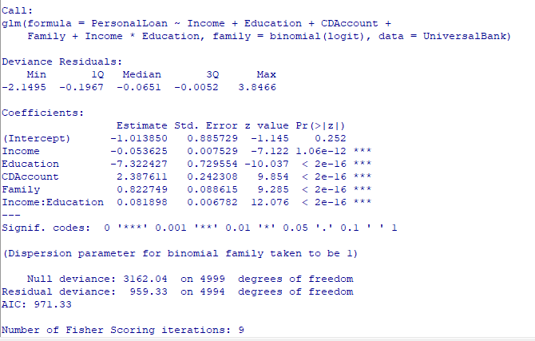
LogitModerating

Inputs: |  |  | Output:

Variable | Value |  | Variable | Coefficient | Value | Coeff*Value
Income | 100 | Annual Income in thousands | intercept | -1.01385 | 1 | -1.01385
Education | 2 | education level (1) undergraduate, (2) graduate, (3) advanced/professional | Income | -0.053625 | 100 | -5.3625
CDAccount | 1 | 1=Yes, 0=No | Education | -7.322427 | 2 | -14.644854
Family | 2 | Family Size | CDAccount | 2.387611 | 1 | 2.387611
IncomeEducation | 200 | Interaction | Family | 0.822749 | 2 | 1.645498
 |  |  | IncomeEducation | 0.081898 | 200 | 16.3796

 |  |  |  |  | sum | -0.608495
 |  |  |  |  | Exp(sum) | 0.54416922779
 |  |  |  |  | Probability | 35%

ProbitModerating
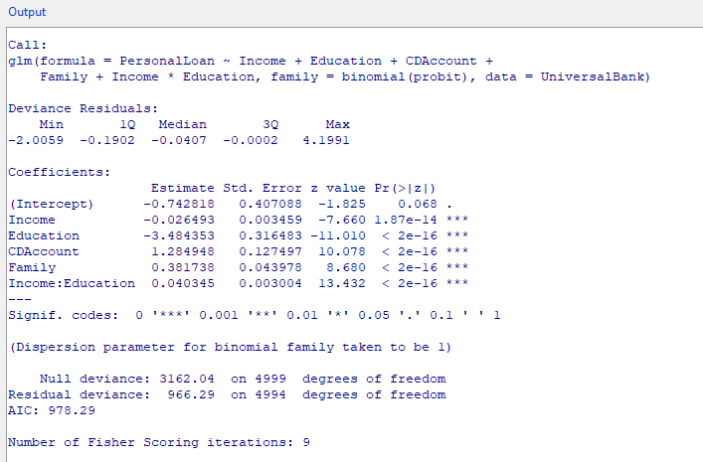
ProbitModerating

Inputs: |  |  | Output:

Variable | Value |  | Variable | Coefficient | Value | Coeff*Value
Income | 100 | Annual Income in thousands | intercept | -0.742818 | 1 | -0.742818
Education | 2 | education level (1) undergraduate, (2) graduate, (3) advanced/professional | Income | -0.026493 | 100 | -2.6493
CDAccount | 1 | 1=Yes, 0=No | Education | -3.484353 | 2 | -6.968706
Family | 2 | Family Size | CDAccount | 1.284948 | 1 | 1.284948
IncomeEducation | 200 | Interaction | Family | 0.381738 | 2 | 0.763476
 |  |  | IncomeEducation | 0.40345 | 200 | 80.69

 |  |  |  |  | sum | 72.3776
 |  |  |  |  | Probability | 100%

LogitCombinedEffects
Logit Main Effects Only

Inputs: |  |  | Output: |  |  |  | Sensitivity Analysis: |  |  |  |  |  | Sensitivity Analysis:

Variable | Value |  | Variable | Coefficient | Value | Coeff*Value |  |  |  |  |  |  |  |  | CDAccount
 |  |  | intercept | -1.01385 | 1 | -1.01385 |  |  | Family |  |  |  |  |  | No | Yes
Income | 100 | Annual Income | Income | -0.053625 | 100 | -5.3625 |  | 35% | 1 | 2 | 3 | 4 |  | 35% | 0 | 1
Family | 2 | Family Size | Family | 0.822749 | 2 | 1.645498 | Income | 10 | 0% | 0% | 0% | 0% | Income | 10 | 0% | 0%
CDAccount | 1 | 1=Yes, 0=No | CDAccount | 2.387611 | 1 | 2.387611 |  | 20 | 0% | 0% | 0% | 0% |  | 20 | 0% | 0%
Education | 2 | Education Level (1- Undergraduate, 2 - Graduate, 3 - Advanced/Professional | Education | -7.322427 | 2 | -14.644854 |  | 30 | 0% | 0% | 0% | 0% |  | 30 | 0% | 0%
Income:Education | 200 |  | Income:Education | 0.081898 | 200 | 16.3796 |  | 40 | 0% | 0% | 0% | 0% |  | 40 | 0% | 0%
 |  |  |  |  | sum | -0.608495 |  | 50 | 0% | 0% | 0% | 1% |  | 50 | 0% | 0%
 |  |  |  |  | Exp(sum) | 0.54416922779 |  | 60 | 0% | 1% | 1% | 3% |  | 60 | 0% | 1%
 |  |  |  |  | Probability | 35% |  | 70 | 1% | 2% | 4% | 9% |  | 70 | 0% | 2%
 |  |  |  |  |  |  |  | 80 | 3% | 6% | 12% | 24% |  | 80 | 1% | 6%
 |  |  |  |  |  |  |  | 90 | 7% | 15% | 29% | 48% |  | 90 | 2% | 15%
 |  |  |  |  |  |  |  | 100 | 19% | 35% | 55% | 74% |  | 100 | 5% | 35%
 |  |  |  |  |  |  |  | 110 | 42% | 62% | 79% | 89% |  | 110 | 13% | 62%
 |  |  |  |  |  |  |  | 120 | 68% | 83% | 92% | 96% |  | 120 | 31% | 83%
 |  |  |  |  |  |  |  | 130 | 87% | 94% | 97% | 99% |  | 130 | 58% | 94%
 |  |  |  |  |  |  |  | 140 | 95% | 98% | 99% | 100% |  | 140 | 80% | 98%
 |  |  |  |  |  |  |  | 150 | 98% | 99% | 100% | 100% |  | 150 | 93% | 99%
 |  |  |  |  |  |  |  | 160 | 99% | 100% | 100% | 100% |  | 160 | 97% | 100%
 |  |  |  |  |  |  |  | 170 | 100% | 100% | 100% | 100% |  | 170 | 99% | 100%
 |  |  |  |  |  |  |  | 180 | 100% | 100% | 100% | 100% |  | 180 | 100% | 100%
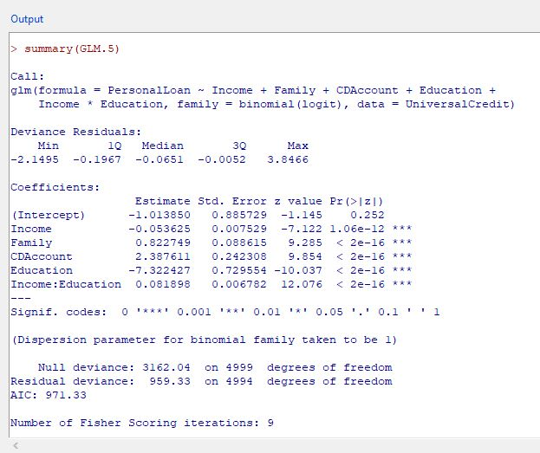
 |  |  |  |  |  |  |  | 190 | 100% | 100% | 100% | 100% |  | 190 | 100% | 100%
 |  |  |  |  |  |  |  | 200 | 100% | 100% | 100% | 100% |  | 200 | 100% | 100%

 |  |  |  |  |  |  | Sensitivity Analysis:

 |  |  |  |  |  |  |  |  | Education
 |  |  |  |  |  |  |  | 35% | 1 | 2 | 3
 |  |  |  |  |  |  | Income | 10 | 2% | 0% | 0%
 |  |  |  |  |  |  |  | 20 | 2% | 0% | 0%
 |  |  |  |  |  |  |  | 30 | 3% | 0% | 0%
 |  |  |  |  |  |  |  | 40 | 4% | 0% | 0%
 |  |  |  |  |  |  |  | 50 | 5% | 0% | 0%
 |  |  |  |  |  |  |  | 60 | 7% | 1% | 0%
 |  |  |  |  |  |  |  | 70 | 9% | 2% | 0%
 |  |  |  |  |  |  |  | 80 | 11% | 6% | 3%
 |  |  |  |  |  |  |  | 90 | 15% | 15% | 16%
 |  |  |  |  |  |  |  | 100 | 19% | 35% | 56%
 |  |  |  |  |  |  |  | 110 | 23% | 62% | 90%
 |  |  |  |  |  |  |  | 120 | 29% | 83% | 98%
 |  |  |  |  |  |  |  | 130 | 35% | 94% | 100%
 |  |  |  |  |  |  |  | 140 | 41% | 98% | 100%
 |  |  |  |  |  |  |  | 150 | 48% | 99% | 100%
 |  |  |  |  |  |  |  | 160 | 55% | 100% | 100%
 |  |  |  |  |  |  |  | 170 | 62% | 100% | 100%
 |  |  |  |  |  |  |  | 180 | 69% | 100% | 100%
 |  |  |  |  |  |  |  | 190 | 74% | 100% | 100%
 |  |  |  |  |  |  |  | 200 | 79% | 100% | 100%

