README
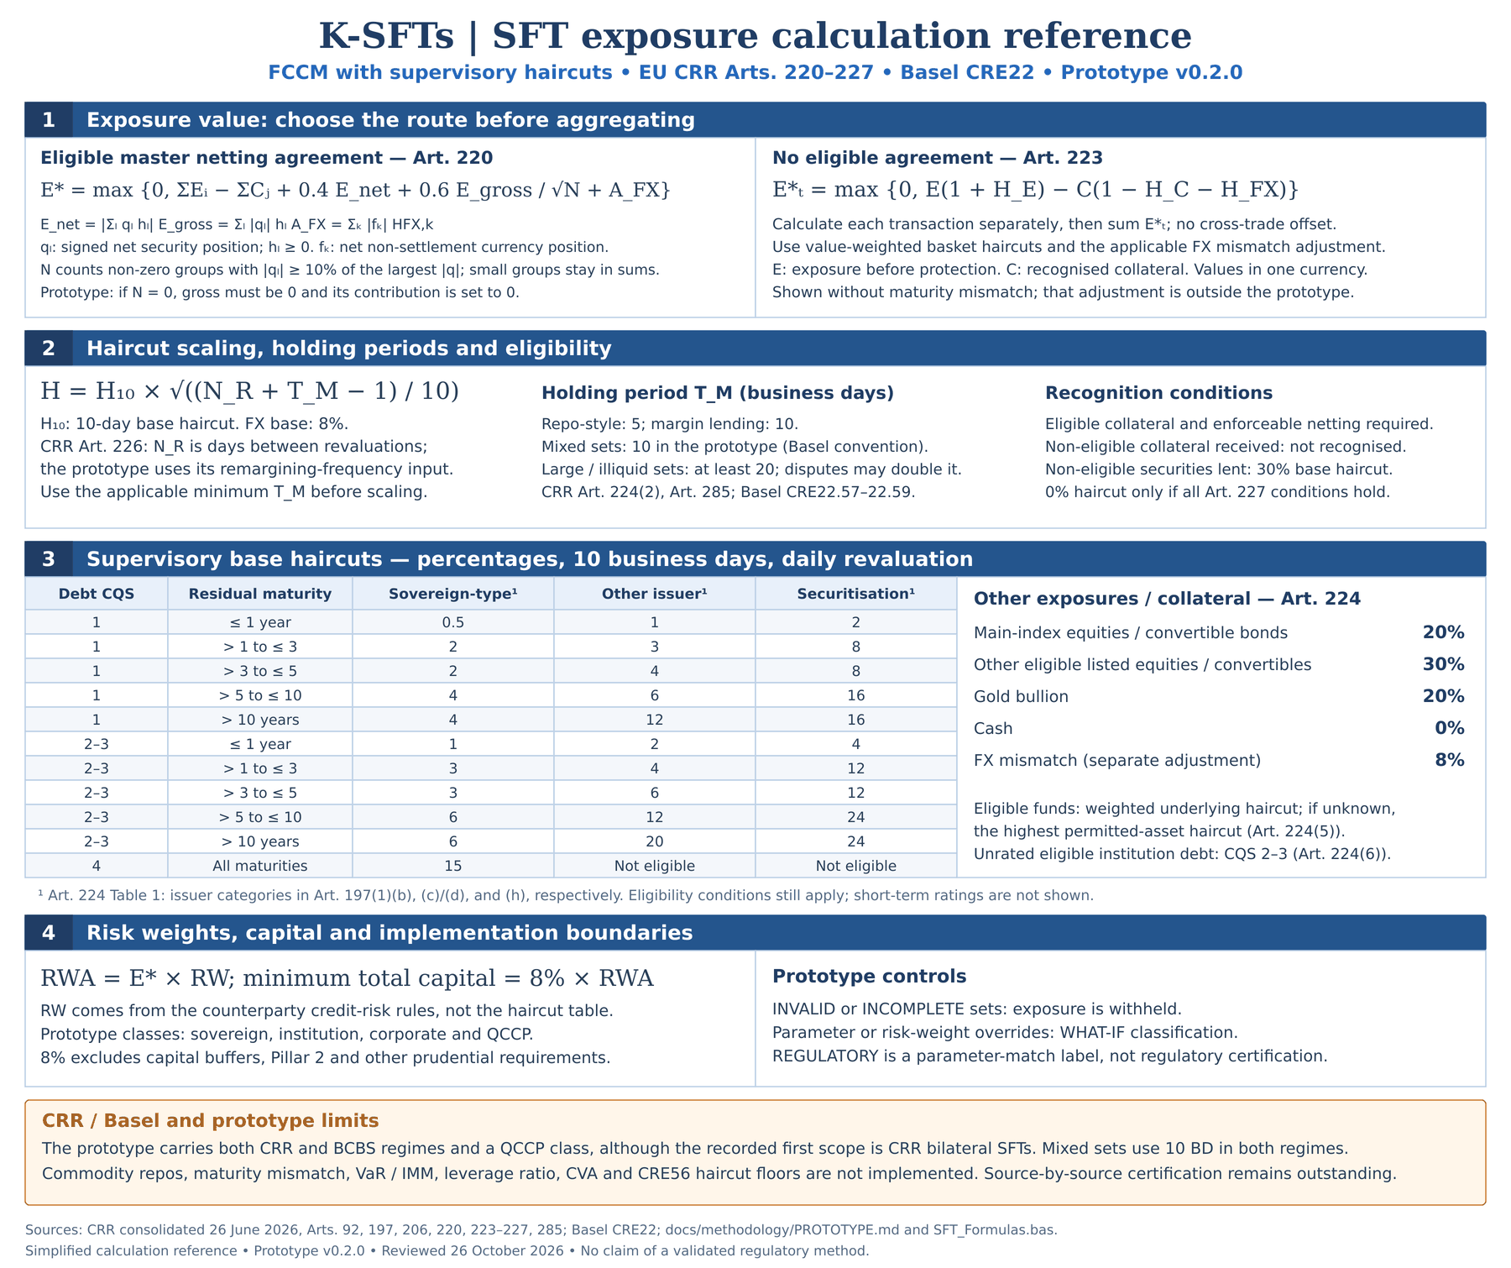
K-SFTs
ReadMe
 | Exposure value E*, risk-weighted exposure amount and own funds requirement of securities financing transactions under the financial collateral comprehensive method with supervisory haircuts: EU CRR (Art. 220-227), the default, and Basel CRE22, chosen per netting set.

 | How to use
 | 1. Enable macros | This file is the macro-free template. Save it as an Excel Macro-Enabled Workbook (.xlsm), import the modules of src/core, src/modules and src/workbook (INSTALLATION.md), then open it and click "Enable Content". The SFT_* cells on FormulaTest show #NAME? until the modules are imported; press Ctrl+Alt+F9 afterwards.
 | 2. Parameters | Params: reporting date, reporting currency, default Regime (CRR or BCBS), days per year, holding periods, the FX and non-eligible haircuts, the netting weights and N threshold, the capital ratio, the supervisory haircut table (H10, 10 business days, daily remargining), the risk-weight table and FX rates (units of reporting currency per 1 unit). Yellow cells are inputs.
 | 3. Netting sets | NettingSets: one row per netting set - its counterparty, whether an eligible master netting agreement covers it, its settlement currency, the counterparty's exposure class, CQS or SCRA grade, the remargining frequency, the 20-day and dispute drivers of the holding period, an optional holding-period override, the 0% haircut declaration and optional risk-weight and regime overrides.
 | 4. Transactions | Transactions: one row per leg. A leg is cash or one security issue the bank lent, sold or posted (LENT, E) or borrowed, bought or received (RECEIVED, C). Legs sharing a TransactionID form one transaction and repeat its netting set, type, start and maturity dates. Amounts can be in any currency of the FX table.
 | 5. Run | Click "Run SFT" (macro RunSFT). Results, Positions, LegCalc and Checks are rebuilt. "Validate inputs" runs the checks only and clears the other output sheets; "Clear outputs" empties the output sheets.
 | 6. Review | Checks lists every error (transaction rejected, netting set withheld, run stopped), warning and information message, including each difference from the regulatory parameter set (WHAT-IF). TestCatalogue compares Results with independently derived values; FormulaTest unit-tests the SFT_* functions.
 | 7. Regime | Basel_vs_CRR lists the differences between CRE22 / CRE20 and the CRR and how the workbook treats them. Each netting set uses the Params table rows marked BOTH or its regime (every shipped row is BOTH); Results totals each regime apart.

 | Sign and input conventions
 | Side | LENT: cash or securities lent, sold under repo or posted as collateral (E). RECEIVED: cash or securities borrowed, bought under reverse repo or received as collateral (C). A reverse repo is cash LENT and securities RECEIVED; a repo is securities LENT and cash RECEIVED.
 | Transaction type | REPO, REVREPO, SECLEND, SECBORROW: repo-style transactions, minimum holding period 5 business days. MARGINLEND: other capital-market-driven transaction, 10 business days. A netting set holding both uses 10, in both regimes [CRE22.56-22.58]; CRR Art. 224(2) sets the periods by type only.
 | Asset type | CASH; DEBT with issuer SOV / INST / CORP / SEC, issue CQS (blank = unrated) and security maturity date; EQUITY with listing MAIN (main index), LISTED (recognised exchange) or OTHER; GOLD; FUND with its look-through haircut H10 (or the highest haircut of any asset the fund may invest in); OTHER. Every non-cash leg names its Issue ID: legs of one issue are netted under a master netting agreement.
 | Dates | Date cells take Excel dates: typing 2026-09-30 enters one. The engine also reads text in the form yyyy-mm-dd, for example pasted or imported. Cell rules check typed entries only; the engine checks every value on Run.
 | Eligibility | A leg other than a fund whose haircut key is not in the haircut table for its regime is not eligible: lent, it takes NonEligibleHaircut (30%) [CRE22.54; CRR Art. 224(4)]; received, it is not recognised as collateral. A fund takes the H10 entered on its leg. Unrated debt of an institution is treated as CQS 2-3 [CRE22.34(3)(b), 22.49; Art. 197(4), 224(6)].

 | Methodology (per netting set) | One-page calculation reference: formulas, haircuts and capital (below, on this sheet)
 | Netting (eligible MNA) | E* = max(0, sum E - sum C + 0.4 x net + 0.6 x gross / sqrt(N) + sum |E_fx| x Hfx); net = |sum E_s H_s|, gross = sum |E_s| H_s over security issues s, N = issues with |E_s| at least one tenth of the largest, E_fx = net position in each currency other than the settlement currency [CRE22.64-22.65; CRR Art. 220(3)].
 | Single transaction (no MNA) | E* = max(0, E x (1 + He) - C x (1 - Hc - Hfx)) per transaction, summed over the netting set; baskets use value-weighted haircuts [CRE22.46, 22.55; CRR Art. 223].
 | Haircuts | H = H10 x sqrt((N_R + T_M - 1) / 10); T_M = holding period, N_R = business days between remargining [CRE22.59; CRR Art. 226]. Currency mismatch Hfx = 8% scaled the same way [CRE22.52; Art. 224 Table 4].
 | Holding period | 5 BD repo-style, 10 BD margin lending; 20 BD for a netting set with more than 5,000 transactions in the previous quarter or illiquid collateral; doubled after more than two margin-call disputes; an override can only lengthen it [CRE22.57-22.58; CRR Art. 224(2), 285(3)-(4)].
 | 0% haircut | Declared per netting set; the engine checks the conditions it can see (repo-style only, cash and eligible central government or central bank debt, one currency, daily remargining) and takes the rest, including the 0% risk weight of the securities, as declared [CRE22.60, 22.36-22.37; CRR Art. 227].
 | Capital | RWA = E* x RW of the counterparty; own funds requirement = 8% x RWA [CRE22.48, RBC20.1; CRR Art. 92(1)(c)]. Institutions: ECRA by CQS, SCRA grade A / A_ENH / B / C when unrated, short-term weights when every transaction has an original maturity of 3 months or less [CRE20.18-20.21; Art. 120-121]. QCCP trade exposures 2% [CRE54.7; Art. 306(1)(a)].

 | Sheets
 | Params | Inputs - parameters, haircut table, risk-weight table, FX rates
 | NettingSets | Inputs - netting sets, counterparties and holding-period drivers
 | Transactions | Inputs - transaction legs
 | Results | Output - E*, RWA and own funds per netting set, and TOTAL CRR / TOTAL BCBS over the VALID netting sets of each regime
 | Positions | Output - per netting set with netting: each security issue (E_s, H_s, counted in N) and each currency (FX term); without netting: each transaction
 | LegCalc | Output - every leg: haircut key, eligibility, residual maturity, H10, holding period, scale, H, Hfx, adjusted value
 | Checks | Output - errors (transaction rejected, netting set withheld, run stopped), warnings and information
 | TestCatalogue | Regression - expected values from tests/derivations/sft_reference.py against Results
 | FormulaTest | Unit tests of the SFT_* worksheet functions
 | Basel_vs_CRR | Documentation - Basel CRE22 / CRE20 vs EU CRR and workbook treatment

 | Worksheet functions (usable in any cell)
 | SFT_HoldingPeriod(MinimumBD, [LargeOrIlliquid], [Disputes], [OverrideBD], [LargeBD]) | Holding period T_M
 | SFT_ScaledHaircut(H10, HoldingBD, [RemarginBD], [BaseBD]) | Haircut for T_M and N_R
 | SFT_ExposureSingle(E, He, C, Hc, [Hfx]) | E* of one transaction
 | SFT_NetExposure(Es, Hs) | Net exposure |sum E_s H_s|
 | SFT_GrossExposure(Es, Hs) | Gross exposure sum |E_s| H_s
 | SFT_IssueCount(Es, [Threshold]) | N: issues of at least one tenth of the largest
 | SFT_ExposureNetted(SumE, SumC, NetExposure, GrossExposure, N, [FXTerm], [NetWeight], [GrossWeight]) | E* of a netting set
 | SFT_CapitalRequirement(EAD, RiskWeight, [CapitalRatio]) | Own funds requirement; RWA with ratio 1

 | Scope and limitations
 | Not covered | SA-CCR and derivatives; internal models (IMM, VaR, own-estimate haircuts); the simple approach; secured lending and commodity repos; haircut floors for non-centrally cleared SFTs (CRE56, not in the CRR); maturity mismatch; short-term issue ratings; unfunded credit protection (guarantees, credit derivatives); cross-product netting with derivatives; CVA; the SCRA sovereign floor; capital buffers and Pillar 2.
 | Status | Prototype. Implements the parameter set CRE22-CRR-2026-10-24, transcribed from CRE22 (effective 1 January 2023), CRE20, CRE54 and the consolidated CRR of 26.06.2026; its formulas and tables are not yet checked against the registered copies (docs/methodology/PROTOTYPE.md). Expected values are reproduced by an independent Python derivation, not by published worked examples.
 | Sample data | Illustrative counterparties, securities and FX rates. BCBS-MNA repeats CRR-MNA under Basel; DEMO-REJECTED shows how a rejected transaction withholds a netting set's E*.

 | Code
 | Modules | M_Main (macros), CORE_Engine (calculation), SFT_Formulas (public SFT_* functions), CORE_Config (layout constants and the regulatory parameter set), CORE_Util (helpers). No external references: no Scripting.Dictionary, no WorksheetFunction.

 | Calculation reference

