README
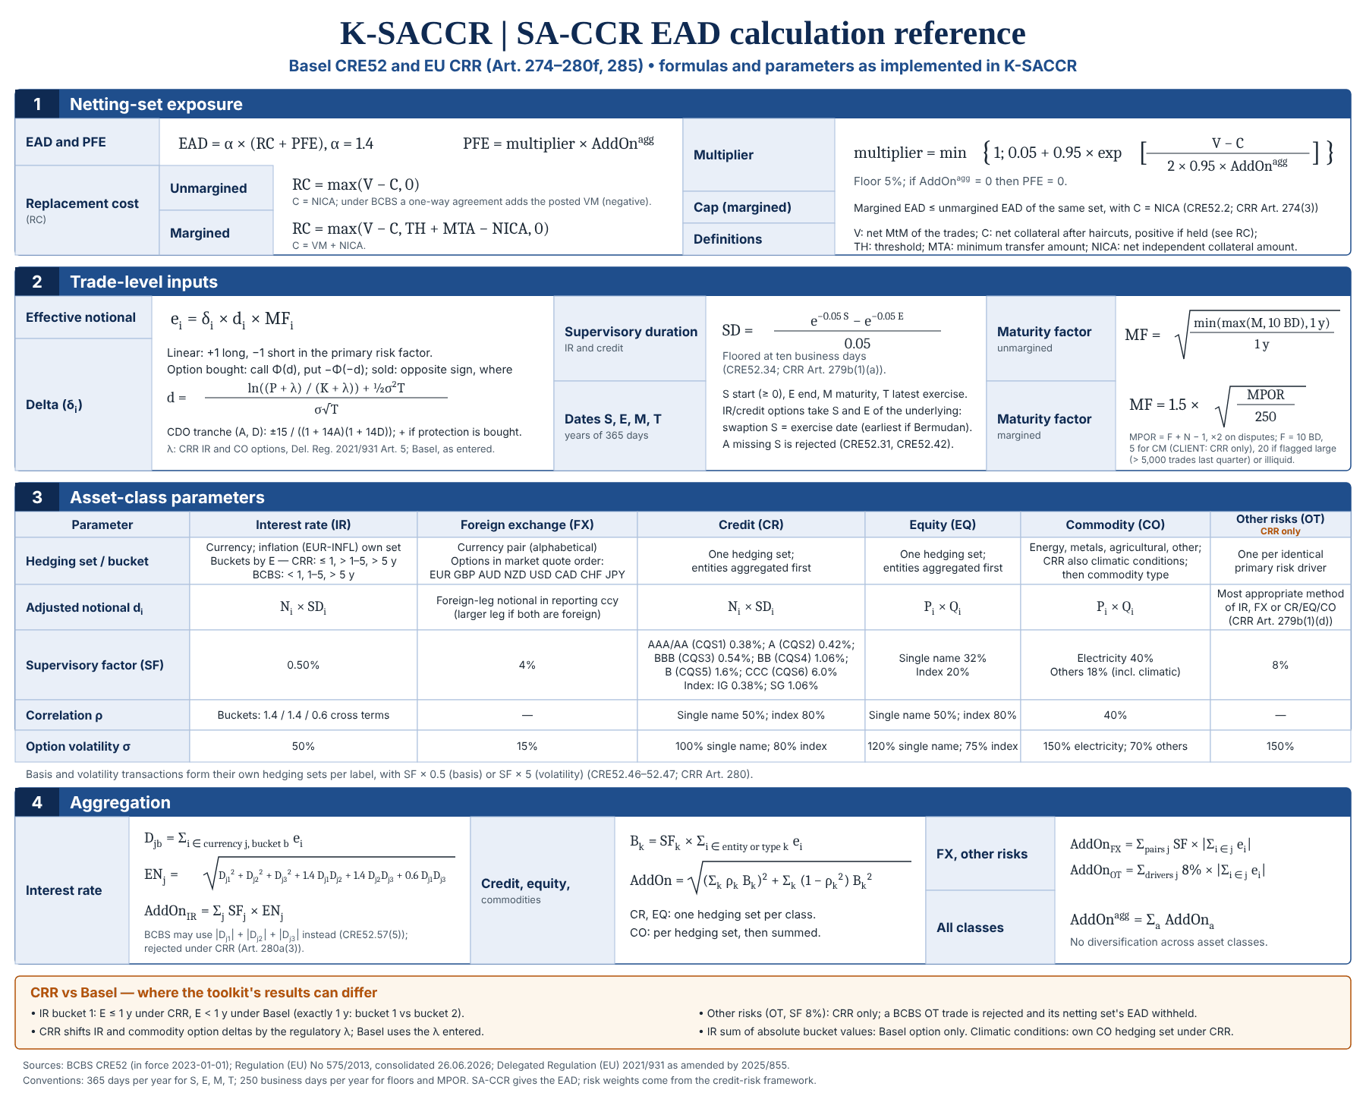
K-SACCR
ReadMe
 | Standardised approach for counterparty credit risk under EU CRR (Art. 274-280f), the default, and Basel CRE52, chosen per netting set.

 | How to use
 | 1. Enable macros | Open the .xlsm, click "Enable Content". If Excel shows "Microsoft has blocked macros", close the file, right-click it > Properties > tick "Unblock", reopen.
 | 2. Parameters | Params: reporting date, reporting currency, default Regime (CRR or BCBS), regulatory constants, supervisory table and FX rates (units of reporting currency per 1 unit). Yellow cells are inputs.
 | 3. Netting sets | NettingSets: one row per netting set - margin flag, client-clearing role, MPOR drivers, collateral (net VM held (+) / posted (-), NICA), threshold, MTA, optional Alpha and Regime overrides, and the margin-agreement structure. Collateral is entered after haircuts, in reporting currency.
 | 4. Trades | Trades: one row per derivative leg. Dropdowns guide the classification. Amounts can be in any currency of the FX table. Legs of one economic trade share an Economic trade ID; exactly one of them (MtM leg = Y) carries the MtM.
 | 5. Run | Click "Run SA-CCR" (macro RunSACCR). Results, HedgingSets, Buckets, TradeCalc and Checks are rebuilt; Reconciliation and TradeReconciliation compare the figures entered on BankNettingSets and BankTrades with Results and TradeCalc; "Export evidence" on Reconciliation writes the evidence report of the run as a CSV file. "Validate inputs" runs the checks only: it rewrites Checks and clears the other output sheets and both reconciliations; "Clear outputs" empties the output sheets.
 | 6. Review | Checks lists every error (trade excluded, netting set withheld, run stopped), warning and information message. Reconciliation and TradeReconciliation show MATCH or DIFFERENCE for each bank figure and every netting set or trade leg that could not be compared. TestCatalogue compares the engine with published / hand-calculated reference values per regime; FormulaTest unit-tests the formula functions.
 | 7. Regime | Basel_vs_CRR lists every difference between CRE52 and the CRR, the source check status and how the workbook treats it. Regime-dependent rules are switched per netting set.

 | Sign and input conventions
 | Direction | Long / Short in the primary risk factor. IR: Long = pay fixed (gains when rates rise). FX: Long = long the first currency of the pair. CR: Long = protection bought (as in the BCBS examples). EQ / CO: Long = long the underlying. Options: Long = bought.
 | Sub-class | IR, FX, OT: leave blank. CR: AAA ... CCC or CQS1 ... CQS6, IG_INDEX, SG_INDEX. EQ: SINGLE, INDEX. CO: ELECTRICITY, OIL_GAS, METALS, AGRICULTURAL, OTHER, CLIMATIC (CRR only). Asset class + "_" + sub-class must exist in the supervisory table; column "Regimes" restricts a row.
 | Risk factor | IR: currency (hedging set); inflation as the currency followed by -INFL, e.g. EUR-INFL, in its own hedging set [Art. 277(4)(a), 277a(1)]. FX: currency pair, e.g. EUR/USD (order is normalised and the sign adjusted); an FX option must be entered in market quote order, base first in EUR, GBP, AUD, NZD, USD, CAD, CHF, JPY (e.g. USD/JPY), with price and strike in that quote (CRE52.59 FAQ1). CR / EQ: reference entity or index name. CO: commodity type (trades with the same text are netted as one type). OT (CRR other risks): primary risk driver.
 | Notional | Positive amount; the sign comes from Direction. IR / CR: trade notional. FX: the notional of one leg, in that leg's currency (one of the pair): the foreign-currency leg or, when both legs are foreign, the larger one in reporting currency. EQ / CO: market price x units.
 | Dates | Start (S, IR/CR only; blank = already started, except for IR/CR options, which need the start of the underlying: a swaption's exercise date, the earliest one if Bermudan, or a cap's or floor's first period; CRE52.31, CRE52.42), End (E, IR/CR, also defines the IR maturity bucket), Maturity (M, maturity factor; defaults to End, then Expiry), Option expiry (T, options). Year fractions = days / DaysPerYear. Settlement type STM (settled-to-market: the contract settles its exposure and resets its value to zero on set dates; daily variation margin alone is not STM) takes a Next reset date, after the reporting date and not after M: the maturity factor then uses the time to that date, floored at 10 BD [CRE52.37(5); Art. 279c(2)]. Blank or N: no reset date. STM in a margined netting set makes it INVALID.
 | Nature | Standard, Basis (own hedging set per label, SF x 0.5, CRE52.46) or Volatility (own hedging set per label, SF x 5, CRE52.47).
 | Options | Underlying price P, strike K, supervisory vol from the table. Lambda: under CRR computed for IR and commodity options (Del. Reg. 2021/931 Art. 5); under BCBS taken from the trade (CRE52.40 FAQ). CDO: attachment A and detachment D as decimals.

 | Methodology (per netting set) | One-page reference card: all formulas and parameters (below, on this sheet)
 | EAD | EAD = alpha x (RC + PFE) [CRE52.1 / Art. 274(2)]; margined EAD capped at the unmargined EAD, with C = NICA only in both regimes [CRE52.2, CRE52.10; Art. 274(3), EBA Q&A 2023_6962]
 | RC | Unmargined: max(V - C, 0), C = NICA, plus the posted VM under a BCBS one-way agreement [CRE52.10] Margined: max(V - C, TH + MTA - NICA, 0), C = VM + NICA [CRE52.18]
 | PFE | PFE = multiplier x AddOn; multiplier = min(1, 5% + 95% x exp((V - C) / (2 x 95% x AddOn))) [CRE52.23]
 | Trade level | Effective notional = delta x d x MF. d = notional x SD for IR/CR, SD = (e^-0.05S - e^-0.05E)/0.05, floored at 10 BD [CRE52.34]
 | Maturity factor | Unmargined: sqrt(min(max(M, 10 BD), 1y)) [CRE52.48]; margined: 1.5 x sqrt(MPOR/250) [CRE52.52]
 | MPOR | Floor 10 BD bilateral; 5 BD (configurable) for client clearing: the clearing member in both regimes, the client under CRR only [CRE54.12; Art. 279c(1)]; 20 BD when the netting set is flagged large or illiquid (more than 5,000 trades in the previous quarter, illiquid collateral or a hard-to-replace derivative; a current count above 5,000 with the flag N only gives a warning) [CRE52.51; Art. 285(3)]; + (N - 1) for remargining every N days; the result doubled for disputes [CRE52.50-52.52; Art. 285]
 | IR | Hedging set per currency (inflation in its own set per currency); buckets on E: CRR E <= 1y, 1y < E <= 5y, E > 5y [Art. 280a]; BCBS E < 1y, 1-5y, > 5y [CRE52.57]; EN = sqrt(D1^2+D2^2+D3^2+1.4D1D2+1.4D2D3+0.6D1D3); AddOn = 0.5% x EN. BCBS only: IRBucketOffset = FALSE uses the sum of absolute bucket values [CRE52.57(5)]; a CRR netting set with IR trades is then INVALID.
 | FX | Hedging set per currency pair; AddOn = 4% x |sum effective notional| [CRE52.59]
 | CR / EQ | Entity add-on = SF x EN; AddOn = sqrt((sum rho x A)^2 + sum (1-rho^2) x A^2) [CRE52.61, 52.66]
 | CO | Hedging sets Energy (oil/gas + electricity), Metals, Agricultural, Other (+ Climatic under CRR); single-factor formula, rho = 40% [CRE52.70, Art. 277a]
 | OT (CRR) | Other risks: per hedging set AddOn = 8% x |sum effective notional| [Art. 280f]. Under BCBS an OT trade is rejected and its netting set's EAD withheld.

 | Sheets
 | Params | Inputs - parameters, supervisory factors, FX rates
 | NettingSets | Inputs - netting sets and margin terms
 | Trades | Inputs - trade population
 | Import_NettingSets | Staging - netting sets read from a CSV file, as text, to check and correct before they replace NettingSets
 | Import_Trades | Staging - trade legs read from a CSV file, as text, to check and correct before they replace Trades
 | Results | Output - EAD per netting set, and TOTAL CRR / TOTAL BCBS rows over the VALID netting sets of each regime
 | HedgingSets | Output - hedging-set effective notionals and add-ons
 | Buckets | Output - IR maturity buckets, FX pairs, credit/equity entities, commodity types
 | TradeCalc | Output - every trade-level intermediate (S, E, M, T, SD, d, delta, MF, effective notional)
 | Checks | Output - errors (trade excluded, netting set withheld, run stopped), warnings and information
 | BankNettingSets | Inputs - the bank's own figures per netting set, to reconcile with Results; amount scale and tolerances at the top
 | Reconciliation | Output - each bank figure against Results: MATCH, DIFFERENCE, and every netting set not compared, with the reason
 | BankTrades | Inputs - the bank's own figures per trade leg, to reconcile with TradeCalc; amount scale and tolerances at the top
 | TradeReconciliation | Output - each bank trade-leg figure against TradeCalc: MATCH, DIFFERENCE, and every leg not compared, with the reason
 | TestCatalogue | Regression - reference tests with source, regime, expected value and tolerance
 | FormulaTest | Unit tests of the SACCR_* worksheet functions
 | Basel_vs_CRR | Documentation - Basel CRE52 vs EU CRR differences and workbook treatment

 | Worksheet functions (usable in any cell)
 | SACCR_SupervisoryDuration(S, E, [FloorYears]) | Supervisory duration
 | SACCR_MaturityFactor(M, [Margined], [MPOR_BD], [MinBD], [BDPerYear]) | Maturity factor
 | SACCR_OptionDelta(P, K, T, Vol, IsCall, IsBought, [Lambda]) | Supervisory option delta
 | SACCR_LambdaCRR(P, K, IsInterestRate, [Threshold]) | EU RTS lambda shift for IR / commodity options
 | SACCR_CDODelta(A, D, IsLong) | CDO tranche delta
 | SACCR_IREffectiveNotional(D1, D2, D3, [Rho12], [Rho23], [Rho13]) | IR hedging-set effective notional
 | SACCR_FactorAggregation(AddOns, Rhos) | Credit / equity / commodity aggregation
 | SACCR_Multiplier(VminusC, AddOn, [FloorPct]) | PFE multiplier
 | SACCR_ReplacementCost(V, C, [Margined], [TH], [MTA], [NICA]) | Replacement cost
 | SACCR_NormCDF(x) | Standard normal CDF (no WorksheetFunction dependency)

 | Scope and limitations
 | Not covered | Simplified SA-CCR and OEM (CRR Art. 281-282), CCP default-fund contributions, multi-level client structures (role MULTI is rejected), SFTs, CVA and RWA (a trade exposure to a CCP, role CCP, is calculated; its risk weight is stated on Checks, not applied); collateral haircuts (enter C after haircuts); several margin agreements in one netting set, or one agreement over several netting sets; automatic risk-driver mapping (RTS 2021/931); digital options (option legs are calculated as an ordinary option combination, without the CRR collar or the BCBS cap). The optional reductions for sold options and sold credit protection (Art. 274(5), (7)) are not applied, which gives an EAD not lower than with them.
 | Notes | CRR climatic conditions: 18%, the factor of every commodity type other than electricity [Art. 277a(1)(e)(v), 280e(5)]. Unrated single names: enter CQS3 (0.54%), CQS5 (1.6%) where Art. 128 applies, or the step mapped from an internal rating [Art. 280c(5)(a)].
 | Collateral | VM and NICA are netting-set totals in reporting currency; positive = held, negative = posted. VM held on an unmargined netting set is rejected; VM posted on one is a one-way agreement, included in C under BCBS; rejected under CRR, where such a netting set must be entered as margined (Margined = Y) [Art. 272(7a)].
 | Unmargined cap | The cap recalculates a margined netting set as unmargined: unmargined maturity factors and C = NICA in both regimes (Results columns Z-AC).
 | Calendar | Business-day amounts (MPOR, floors) use BusinessDaysPerYear (250); dates use DaysPerYear.
 | Sample data | Illustrative counterparties (NS-ALPHA, NS-GAMMA) and FX rates. BCBS-EX1..5 reproduce CRE99 / BCBS 279 Annex 4 (amounts in thousands); the other CRR-* and BCBS-* netting sets feed the TestCatalogue; DEMO-REJECTED shows how rejected trades withhold a netting set's EAD.

 | Code
 | Modules | M_Main (macros), CORE_Engine (calculation), CORE_Reconcile (comparison with bank figures), CORE_Export (evidence report), SACCR_Formulas (public SACCR_* functions), CORE_Config (layout constants), CORE_Util (helpers). No external references: no Scripting.Dictionary, no WorksheetFunction. Supported on Microsoft 365 or Excel 2016 and later, Windows 64-bit; 32-bit is kept compiling but not certified; Mac, Excel for the web and Excel 2013 or earlier are not supported.

 | Reference card

