mse_comparison
Model | MSE
full model | 1.87E-03
significance reduced model | 1.83E-03
lagged value model | 2.31E-05
AIC forward model | 1.83E-03
AIC backward model | 1.83E-03
Lasso model | 1.83E-03
Ridge model | 1.10E-03

lag_effect_betas
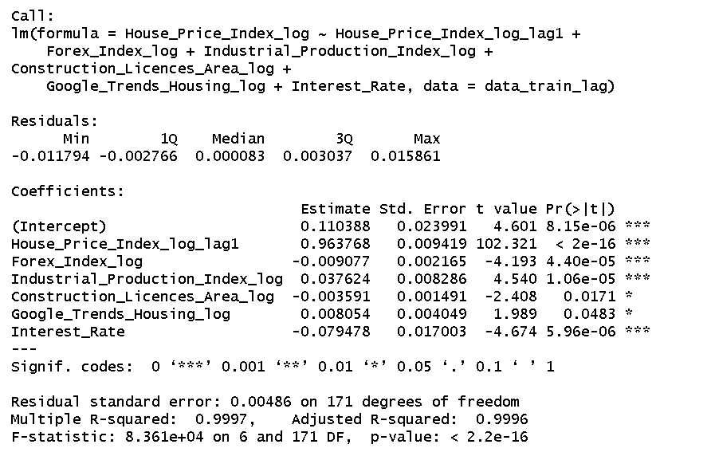
Coefficient Effect

Variable | Coefficient | Coefficient
Intercept*** | 11.0% | 0.11%
House_price_Index_lag*** | 96.4% | 0.96%
Forex*** | -0.9% | -0.01%
Industrial_Production_Index*** | 3.8% | 0.04%
Construction_Licences_Area* | -0.4% | 0.00%
Google_Trends_Housing* | 0.8% | 0.01%
Interest_Rate*** | -7.9% | -0.08%

ols_betas
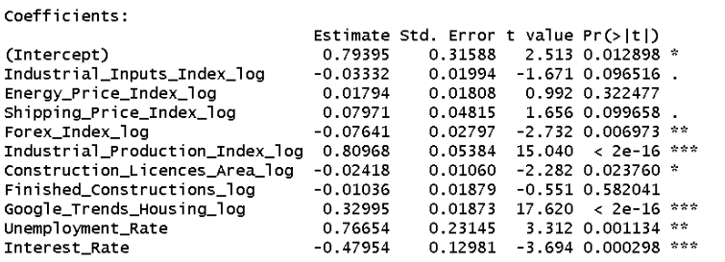
Coefficient Effect

Variable | Coefficient | Coefficient
Intercept* | 0.79 | 0.79%
Industrial_Inputs_Index (.) | -0.03 | -0.03%
Energy_price_Index | 0.02 | 0.02%
Shipping_price_Index (.) | 0.08 | 0.08%
Forex** | -0.08 | -0.08%
Industrial_Production_Index*** | 0.81 | 0.81%
Construction_Licences_Area* | -0.02 | -0.02%
Finished_Constructions | -0.01 | -0.01%
Google_Trends_Housing* | 0.33 | 0.33%
Unemplyment_Rate** | 0.77 | 0.77%
Interest_Rate*** | -0.48 | -0.48%

red_ols_betas
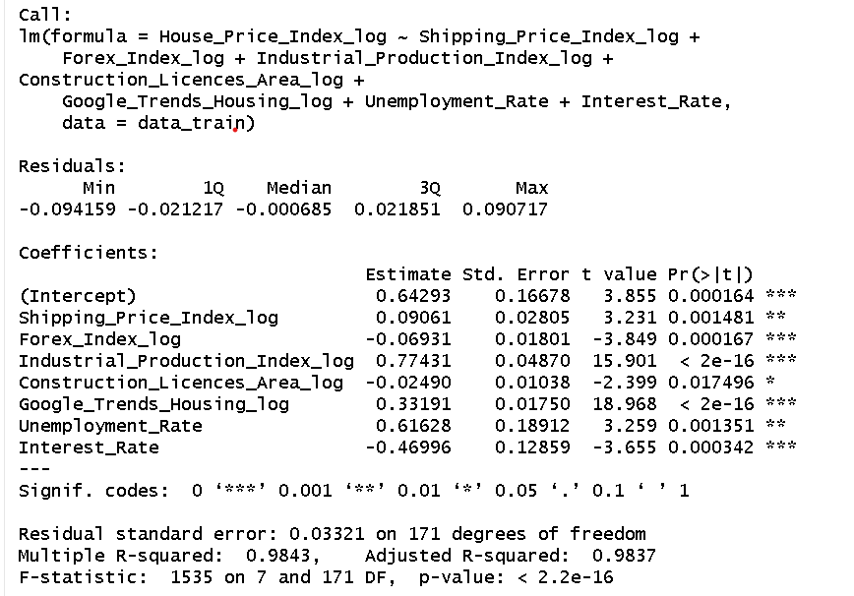
Coefficient Effect

Variable | Coefficient | Coefficient
Intercept*** | 0.64 | 0.64%
Shipping_price_Index** | 0.09 | 0.09%
Forex*** | -0.07 | -0.07%
Industrial_Production_Index*** | 0.77 | 0.77%
Construction_Licences_Area* | -0.02 | -0.02%
Google_Trends_Housing*** | 0.33 | 0.33%
Unemplyment_Rate** | 0.62 | 0.62%
Interest_Rate*** | -0.47 | -0.47%

aic_betas
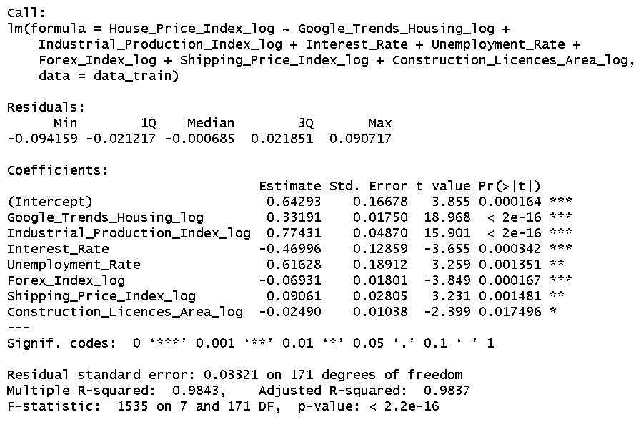
Coefficient Effect

Variable | Coefficient | Coefficient
Intercept*** | 0.64 | 0.64%
Google_Trends_Housing*** | 0.09 | 0.09%
Industrial_Production*** | -0.07 | -0.07%
Interest_Rate*** | 0.77 | 0.77%
Unemplyment_Rate** | -0.02 | -0.02%
Forex*** | 0.33 | 0.33%
Shipping_Price** | 0.62 | 0.62%
Construction_Licences* | -0.47 | -0.47%

lasso_betas
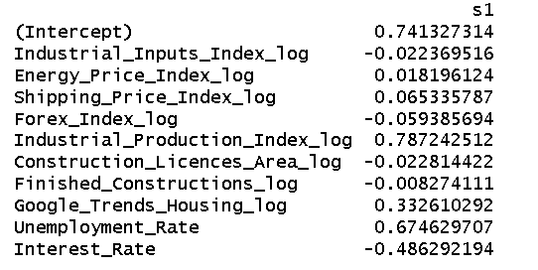
Coefficient Effect

Variable | Coefficient | Coefficient
Intercept | 0.74 | 0.74%
Industrial_Inputs_Index | -0.02 | -0.02%
Energy_price_Index | 0.02 | 0.02%
Shipping_price_Index | 0.07 | 0.07%
Forex | -0.06 | -0.06%
Industrial_Production_Index | 0.79 | 0.79%
Construction_Licences_Area | -0.02 | -0.02%
Finished_Constructions | -0.01 | -0.01%
Google_Trends_Housing | 0.332 | 0.33%
Unemplyment_Rate | 0.6746 | 0.67%
Interest_Rate | -0.4862 | -0.49%

ridge_betas
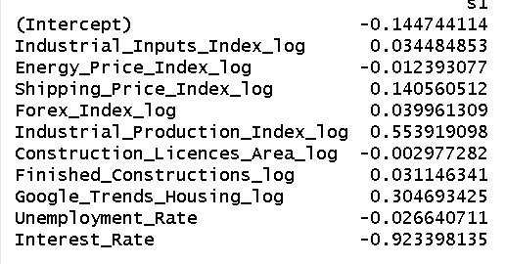
Coefficient Effect

Variable | Coefficient | Coefficient
Intercept | -0.14 | -0.14%
Industrial_Inputs_Index | 0.03 | 0.03%
Energy_price_Index | -0.01 | -0.01%
Shipping_price_Index | 0.14 | 0.14%
Forex | 0.04 | 0.04%
Industrial_Production_Index | 0.55 | 0.55%
Construction_Licences_Area | 0.00 | 0.00%
Finished_Constructions | 0.03 | 0.03%
Google_Trends_Housing | 0.3046 | 0.30%
Unemplyment_Rate | -0.0266 | -0.03%
Interest_Rate | -0.9233 | -0.92%

