QPCR Raw
Sample ID | Date Collected | Station | Gene | Ct-1 | Ct-2 | Average Ct | Ct SD | Ct copies 1 | Ct copies 2 | Vol. filtered (mL) | Sample Dil. | 2.5 uL/75 ul EB | Ct1 (copies/mL) | Ct2 (copies/mL) | Mean (copies/mL) | SD | 95% CI
SB506 | 2020-07-13 | 36 | Alex_5.8S | ND | ND | #DIV/0! | #DIV/0! | #VALUE! | #VALUE! | 249.55 | 1 | 30 | #VALUE! | #VALUE! | #VALUE! | #VALUE! | #VALUE!
SB507 | 2020-07-13 | 32 | Alex_5.8S | ND | ND | #DIV/0! | #DIV/0! | #VALUE! | #VALUE! | 249.55 | 1 | 30 | #VALUE! | #VALUE! | #VALUE! | #VALUE! | #VALUE!
SB508 | 2020-07-13 | 27 | Alex_5.8S | ND | ND | #DIV/0! | #DIV/0! | #VALUE! | #VALUE! | 249.55 | 1 | 30 | #VALUE! | #VALUE! | #VALUE! | #VALUE! | #VALUE!
SB509 | 2020-07-13 | 22 | Alex_5.8S | ND | ND | #DIV/0! | #DIV/0! | #VALUE! | #VALUE! | 249.55 | 1 | 30 | #VALUE! | #VALUE! | #VALUE! | #VALUE! | #VALUE!
SB510 | 2020-07-13 | 18 | Alex_5.8S | ND | ND | #DIV/0! | #DIV/0! | #VALUE! | #VALUE! | 249.55 | 1 | 30 | #VALUE! | #VALUE! | #VALUE! | #VALUE! | #VALUE!
SB511 | 2020-08-11 | 36 | Alex_5.8S | ND | ND | #DIV/0! | #DIV/0! | #VALUE! | #VALUE! | 249.55 | 1 | 30 | #VALUE! | #VALUE! | #VALUE! | #VALUE! | #VALUE!
SB512 | 2020-08-11 | 32 | Alex_5.8S | ND | ND | #DIV/0! | #DIV/0! | #VALUE! | #VALUE! | 249.55 | 1 | 30 | #VALUE! | #VALUE! | #VALUE! | #VALUE! | #VALUE!
SB513 | 2020-08-11 | 27 | Alex_5.8S | ND | ND | #DIV/0! | #DIV/0! | #VALUE! | #VALUE! | 249.55 | 1 | 30 | #VALUE! | #VALUE! | #VALUE! | #VALUE! | #VALUE!
SB514 | 2020-08-11 | 22 | Alex_5.8S | ND | ND | #DIV/0! | #DIV/0! | #VALUE! | #VALUE! | 249.55 | 1 | 30 | #VALUE! | #VALUE! | #VALUE! | #VALUE! | #VALUE!
SB515 | 2020-08-11 | 18 | Alex_5.8S | 26.79 | 25.68 | 26.235 | 0.78488852712 | 1765 | 3615 | 249.55 | 1 | 30 | 212 | 435 | 323 | 157 | 218
SB516 | 2020-08-11 | 13 | Alex_5.8S | ND | ND | #DIV/0! | #DIV/0! | #VALUE! | #VALUE! | 249.55 | 1 | 30 | #VALUE! | #VALUE! | #VALUE! | #VALUE! | #VALUE!
SB517 | 2020-09-10 | 36 | Alex_5.8S | ND | ND | #DIV/0! | #DIV/0! | #VALUE! | #VALUE! | 249.55 | 1 | 30 | #VALUE! | #VALUE! | #VALUE! | #VALUE! | #VALUE!
SB518 | 2020-09-10 | 32 | Alex_5.8S | ND | ND | #DIV/0! | #DIV/0! | #VALUE! | #VALUE! | 249.55 | 1 | 30 | #VALUE! | #VALUE! | #VALUE! | #VALUE! | #VALUE!
SB519 | 2020-09-10 | 27 | Alex_5.8S | ND | ND | #DIV/0! | #DIV/0! | #VALUE! | #VALUE! | 249.55 | 1 | 30 | #VALUE! | #VALUE! | #VALUE! | #VALUE! | #VALUE!
SB520 | 2020-09-10 | 22 | Alex_5.8S | ND | ND | #DIV/0! | #DIV/0! | #VALUE! | #VALUE! | 249.55 | 1 | 30 | #VALUE! | #VALUE! | #VALUE! | #VALUE! | #VALUE!
SB521 | 2020-09-10 | 18 | Alex_5.8S | 27.71 | 27.77 | 27.74 | 0.042426406871 | 974 | 937 | 249.55 | 1 | 30 | 117 | 113 | 115 | 3 | 4
SB522 | 2020-09-10 | 13 | Alex_5.8S | ND | ND | #DIV/0! | #DIV/0! | #VALUE! | #VALUE! | 249.55 | 1 | 30 | #VALUE! | #VALUE! | #VALUE! | #VALUE! | #VALUE!
SB523 | 2020-10-09 | 36 | Alex_5.8S | ND | ND | #DIV/0! | #DIV/0! | #VALUE! | #VALUE! | 249.55 | 1 | 30 | #VALUE! | #VALUE! | #VALUE! | #VALUE! | #VALUE!
SB524 | 2020-10-09 | 32 | Alex_5.8S | ND | ND | #DIV/0! | #DIV/0! | #VALUE! | #VALUE! | 249.55 | 1 | 30 | #VALUE! | #VALUE! | #VALUE! | #VALUE! | #VALUE!
SB525 | 2020-10-09 | 27 | Alex_5.8S | ND | ND | #DIV/0! | #DIV/0! | #VALUE! | #VALUE! | 249.55 | 1 | 30 | #VALUE! | #VALUE! | #VALUE! | #VALUE! | #VALUE!
SB526 | 2020-10-09 | 22 | Alex_5.8S | 28.25 | 28.11 | 28.18 | 0.098994949366 | 687 | 752 | 249.55 | 1 | 30 | 83 | 90 | 87 | 6 | 8
SB527 | 2020-10-09 | 18 | Alex_5.8S | ND | ND | #DIV/0! | #DIV/0! | #VALUE! | #VALUE! | 249.55 | 1 | 30 | #VALUE! | #VALUE! | #VALUE! | #VALUE! | #VALUE!
SB528 | 2020-10-09 | 13 | Alex_5.8S | ND | ND | #DIV/0! | #DIV/0! | #VALUE! | #VALUE! | 249.55 | 1 | 30 | #VALUE! | #VALUE! | #VALUE! | #VALUE! | #VALUE!
SB529 | 2020-11-19 | 36 | Alex_5.8S | ND | ND | #DIV/0! | #DIV/0! | #VALUE! | #VALUE! | 249.55 | 1 | 30 | #VALUE! | #VALUE! | #VALUE! | #VALUE! | #VALUE!
SB530 | 2020-11-19 | 32 | Alex_5.8S | ND | ND | #DIV/0! | #DIV/0! | #VALUE! | #VALUE! | 249.55 | 1 | 30 | #VALUE! | #VALUE! | #VALUE! | #VALUE! | #VALUE!
SB531 | 2020-11-19 | 27 | Alex_5.8S | ND | ND | #DIV/0! | #DIV/0! | #VALUE! | #VALUE! | 249.55 | 1 | 30 | #VALUE! | #VALUE! | #VALUE! | #VALUE! | #VALUE!
SB532 | 2020-11-19 | 22 | Alex_5.8S | ND | ND | #DIV/0! | #DIV/0! | #VALUE! | #VALUE! | 249.55 | 1 | 30 | #VALUE! | #VALUE! | #VALUE! | #VALUE! | #VALUE!
SB533 | 2020-11-19 | 18 | Alex_5.8S | ND | ND | #DIV/0! | #DIV/0! | #VALUE! | #VALUE! | 249.55 | 1 | 30 | #VALUE! | #VALUE! | #VALUE! | #VALUE! | #VALUE!
SB534 | 2020-11-19 | 13 | Alex_5.8S | ND | ND | #DIV/0! | #DIV/0! | #VALUE! | #VALUE! | 249.55 | 1 | 30 | #VALUE! | #VALUE! | #VALUE! | #VALUE! | #VALUE!
SB535 | 2020-12-17 | 36 | Alex_5.8S | ND | ND | #DIV/0! | #DIV/0! | #VALUE! | #VALUE! | 124.95 | 1 | 30 | #VALUE! | #VALUE! | #VALUE! | #VALUE! | #VALUE!
SB536 | 2020-12-17 | 32 | Alex_5.8S | ND | ND | #DIV/0! | #DIV/0! | #VALUE! | #VALUE! | 249.55 | 1 | 30 | #VALUE! | #VALUE! | #VALUE! | #VALUE! | #VALUE!
SB537 | 2020-12-17 | 27 | Alex_5.8S | ND | ND | #DIV/0! | #DIV/0! | #VALUE! | #VALUE! | 249.55 | 1 | 30 | #VALUE! | #VALUE! | #VALUE! | #VALUE! | #VALUE!
SB538 | 2020-12-17 | 22 | Alex_5.8S | 32.43 | 32.89 | 32.66 | 0.32526911935 | 46 | 34 | 249.55 | 1 | 30 | 6 | 4 | 5 | 1 | 1
SB539 | 2020-12-17 | 18 | Alex_5.8S | 32.17 | 32.63 | 32.4 | 0.32526911935 | 55 | 41 | 249.55 | 1 | 30 | 7 | 5 | 6 | 1 | 2
SB540 | 2020-12-17 | 13 | Alex_5.8S | 30.42 | 30.2 | 30.31 | 0.15556349186 | 169 | 195 | 249.55 | 1 | 30 | 20 | 23 | 22 | 2 | 3

 |  |  |  | Ct1 | Ct2 | Ct1 Copies | Ct2 Copies | Average | Recovery (%)
SPC |  | SPC | Alex 5.8S | 22.93 | 22.71 | 21,368 | 24,632 | 23,000 | 92.00

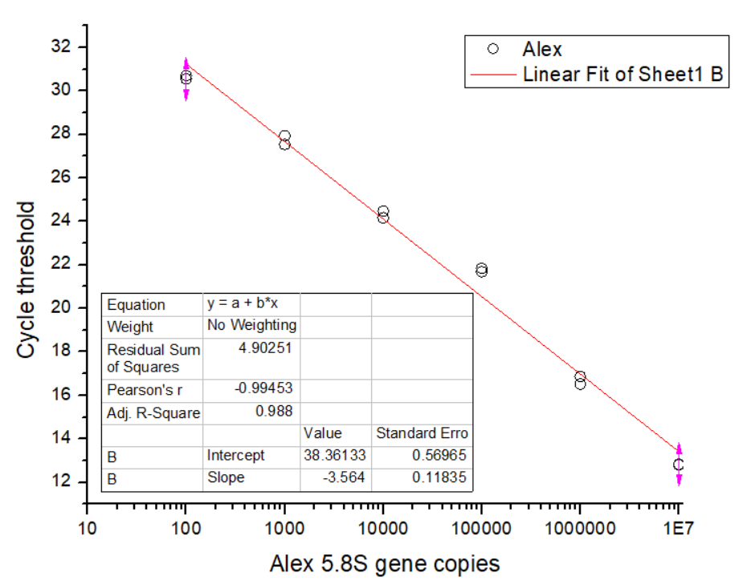
Alex 5.8S | Ct1 | Ct2
10000000 | 12.83 | 12.8
1000000 | 16.86 | 16.52
100000 | 21.84 | 21.68
10000 | 24.47 | 24.16
1000 | 27.94 | 27.53
100 | 30.7 | 30.55
SPC | 22.93 | 22.71
NTC | 37.17 | 35.03
LUNA MIXES
Slope = -3.564
Y-int = 38.3613

