2.75 Hz
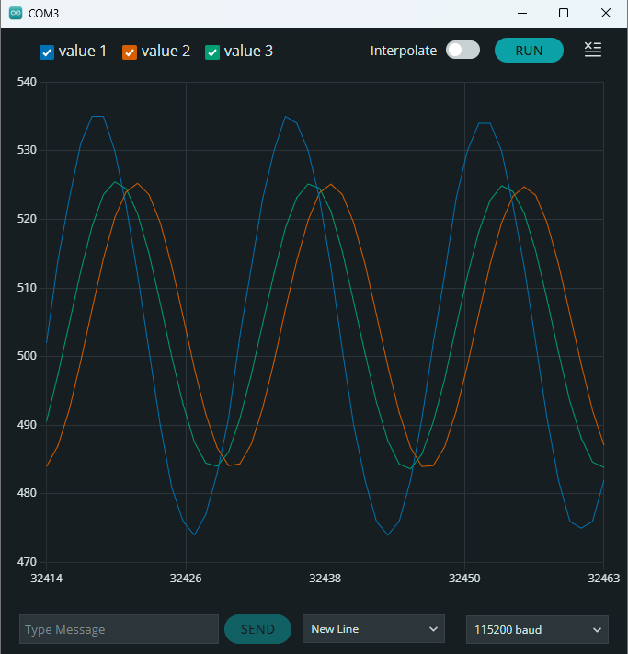
crudo | media movil | IIR
497 | 483.75 | 487.97
508 | 485.25 | 493.78
518 | 489.25 | 500.8
527 | 495.38 | 508.4
533 | 502.75 | 515.53
535 | 510.38 | 521.18
533 | 517.13 | 524.61
527 | 522.25 | 525.3
518 | 524.88 | 523.18
507 | 524.75 | 518.49
496 | 522 | 511.97
486 | 516.88 | 504.44
478 | 510 | 496.77
475 | 502.5 | 490.46
475 | 495.25 | 485.97
479 | 489.25 | 483.95
486 | 485.25 | 484.55
496 | 483.88 | 487.87
507 | 485.25 | 493.42
518 | 489.25 | 500.55
527 | 495.38 | 508.22
532 | 502.5 | 515.11
535 | 510 | 520.88
533 | 516.75 | 524.4
527 | 521.88 | 525.15
518 | 524.63 | 523.08
508 | 524.75 | 518.7
497 | 522.13 | 512.41
486 | 517 | 504.75
478 | 510.25 | 496.99
475 | 502.75 | 490.62
474 | 495.38 | 485.8
479 | 489.38 | 483.83
486 | 485.38 | 484.46
496 | 483.88 | 487.8
507 | 485.13 | 493.37
518 | 489.13 | 500.51
527 | 495.25 | 508.19
533 | 502.5 | 515.39
535 | 510.13 | 521.08
533 | 516.88 | 524.53
527 | 522 | 525.25
519 | 524.88 | 523.44
508 | 525 | 518.96
497 | 522.38 | 512.59
487 | 517.38 | 505.17
479 | 510.63 | 497.58
475 | 503.13 | 491.03
474 | 495.75 | 486.09
478 | 489.63 | 483.75
486 | 485.5 | 484.4
496 | 484 | 487.76
507 | 485.25 | 493.34
517 | 489 | 500.2
527 | 495 | 507.97
532 | 502.13 | 514.94
535 | 509.75 | 520.76
533 | 516.63 | 524.31
528 | 521.88 | 525.38
519 | 524.75 | 523.53
508 | 524.88 | 519.03
497 | 522.38 | 512.64
487 | 517.38 | 505.2
479 | 510.75 | 497.6
475 | 503.25 | 491.05
474 | 495.88 | 486.1
478 | 489.63 | 483.75
485 | 485.38 | 484.12
495 | 483.75 | 487.27
506 | 484.88 | 492.7
517 | 488.63 | 499.75
527 | 494.63 | 507.65
533 | 501.88 | 515
535 | 509.5 | 520.8
533 | 516.38 | 524.34
527 | 521.63 | 525.11
519 | 524.63 | 523.34
508 | 524.88 | 518.89
497 | 522.38 | 512.54
487 | 517.38 | 505.14
479 | 510.63 | 497.56
475 | 503.13 | 491.01
475 | 495.88 | 486.37
478 | 489.75 | 483.94
486 | 485.63 | 484.54
495 | 484 | 487.57
506 | 485.13 | 492.92
517 | 488.88 | 499.9
526 | 494.75 | 507.47
533 | 502 | 514.87
535 | 509.5 | 520.71
534 | 516.5 | 524.56
528 | 521.75 | 525.56
520 | 524.88 | 523.95
508 | 525.13 | 519.32
498 | 522.75 | 513.14
487 | 517.88 | 505.56
480 | 511.25 | 498.15
476 | 503.88 | 491.72
474 | 496.38 | 486.58
478 | 490.13 | 484.09
484 | 485.63 | 484.07
494 | 483.88 | 486.95
506 | 484.88 | 492.47
517 | 488.63 | 499.59
526 | 494.38 | 507.25
532 | 501.38 | 514.42
535 | 509 | 520.39
533 | 515.88 | 524.05
528 | 521.38 | 525.19
520 | 524.63 | 523.69
509 | 525 | 519.43
498 | 522.63 | 513.21
488 | 517.88 | 505.9
480 | 511.38 | 498.39
475 | 503.88 | 491.61
474 | 496.5 | 486.5
478 | 490.25 | 484.04
484 | 485.75 | 484.03
494 | 483.88 | 486.92
506 | 484.88 | 492.45
516 | 488.38 | 499.28
526 | 494.13 | 507.03
532 | 501.25 | 514.27
535 | 508.88 | 520.28
534 | 515.88 | 524.26
528 | 521.38 | 525.34
520 | 524.63 | 523.79
509 | 525 | 519.5
497 | 522.63 | 512.98
488 | 517.88 | 505.73
480 | 511.38 | 498.27
475 | 503.88 | 491.52
474 | 496.38 | 486.44
478 | 490.13 | 483.99
484 | 485.63 | 484
494 | 483.75 | 486.9
505 | 484.75 | 492.15
516 | 488.25 | 499.06
525 | 493.88 | 506.59
532 | 501 | 513.96
534 | 508.5 | 519.77
534 | 515.5 | 523.9
528 | 521 | 525.09
520 | 524.25 | 523.61
510 | 524.88 | 519.66
499 | 522.75 | 513.67
488 | 518.13 | 506.23
480 | 511.63 | 498.62
475 | 504.25 | 491.77
474 | 496.75 | 486.62
477 | 490.38 | 483.83
484 | 485.88 | 483.88
494 | 483.88 | 486.81
504 | 484.5 | 491.8
516 | 488 | 498.82
526 | 493.75 | 506.7
531 | 500.75 | 513.75
535 | 508.38 | 519.91
534 | 515.5 | 524
528 | 521 | 525.16
520 | 524.25 | 523.66
510 | 525 | 519.7
498 | 522.75 | 513.41
489 | 518.13 | 506.33
480 | 511.75 | 498.69
475 | 504.25 | 491.82
475 | 496.88 | 486.94
477 | 490.5 | 484.06
484 | 486 | 484.04
493 | 483.88 | 486.64
504 | 484.63 | 491.67
516 | 488 | 498.73
525 | 493.63 | 506.35

