Global
FORMWORK
H Foundation | 2000
H Foundation Edge | 1200
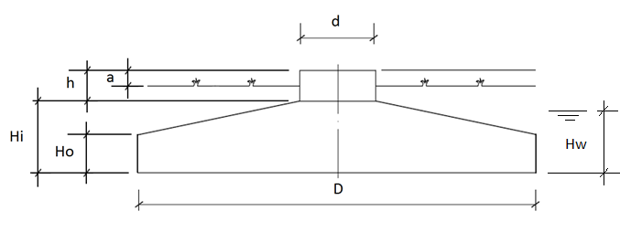
H Tower Base | 670
H Bottom | 300
Diameter Foundation | 18000
Diameter Tower Base | 6250
Foundation Bed | 100
DiameterAnchor | 4105
Radius Centerline Tower | 1950
Bottom Cover | 55
Top Cover | 55
Edge Cover | 55
Radius Btc | 2825
Material Foundation | C35/37-GB
Material Foundation Bed | C12/15-OB
Material Tower Base | C45/55-GB
HeightAboveGround | 200
DepthFoundation | 2470
Coordinates_GroundPoint
ARC_CenterPoint_X | xxx
ARC_CenterPoint_Y | yyy
ARC_CenterPoint_Z | 21950
ARC_FoundationPoint_Z | 19180

Anchor
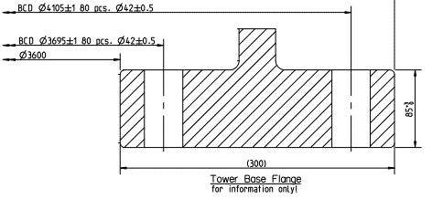
Anchor Type | A=Anchor Bolts | B=Post-tensioned | C=Precast Cylinder
DiameterAnchor | 4105
DiameterAnchorINT | 3695
No.BoltPairs | 80 |  | 120
PE shrink hose heigth | 2615
FIlletTOP ZONE | 260
FilletBOTT ZONE | 120
TopAnchorNut | 210
BottomAnchorNut | 50
Depth Anchor | 2645 |  | 1350
Depth Anchor Botttom | 325
Radius Centerline Tower | 1950
Insertion Depth Top Flange | 85
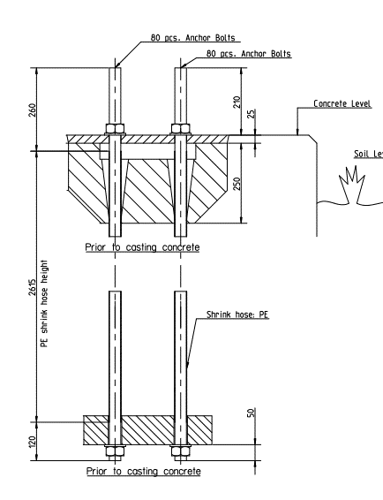
Thickness Top Flange | 90 |  | 100
Width Concrete Bed | 496
Width Top Flange | 300 |  | 227.5
Depth Conc Bed | 250
DistanceBoltPair | 205 |  | 174
Thickness Bott Flange | 90 |  | 81
Width Bott Flange | 400 |  | 395
BoltDiameter | 36
MaterialGrout | C90/105-OB
NumberSuppports | 10
BoltLength | 2735
OffsetBottFlange | 25
Radius Tower |  |  | 4300
Anchor Heigth |  |  | 1850
HeightAboveFoundation |  |  | 500
Thickness Cylinder Wall |  |  | 35
Radius Inner Ring |  |  | 4160
Radius Outer Ring |  |  | 4300
Eliptical Holes |  |  | 56

BottomR
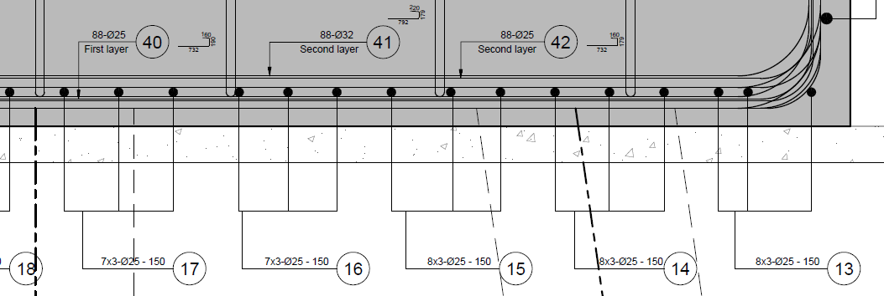
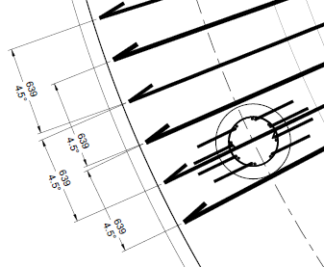
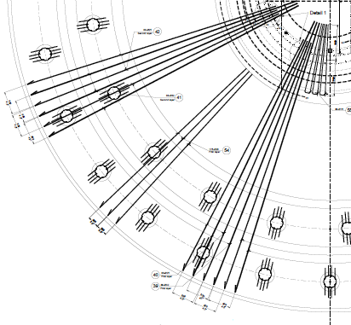
Type
Radial | Layer | 1 | 2
 | BTR_No.LargeDiameter | 80 | 80 | pcs
 | BTR_LargeDiameter | 25 | 25 | f
 | BTR_No.SmallDiameter | 80 | 80 | pcs
 | BTR_SmallDiameter | 25 | 25 | f
 | BTR_No.3rdDiameter | 160 | 160 | pcs
 | BTR_3rdDiameter | 20 | 20 | f
 | BTR_Unreinforced Core | 750 | 750
 | BTR_SpacingAngle | 4.50 | 4.50
 | BTR_LargeDiameterOffsetFromCenter | 750 | 750 |  | Min. Core | 650
 | BTR_SmallDiameterOffsetFromCenter | 2125 | 2125
 | BTR_3rdDiameterOffsetFromCenter | 5100 | 5100
 | BTR_HookType | B | C |  | A=Over Top Radial Bars; B=Over Edge Verticals; C=None
 | BTR_OverlappLargeDiameter | 1200 | 1200 |  | Good Condition
 | BTR_OverlappSmallDiameter | 1200 | 1200
 | BTR_Overlapp3rdDiameter | 900 | 900 |  |  | min space field= | 100
 | BTR_Spacing3rdDiameterAngle | 2.25 | 2.25 |  |  | min space center= | 50
 | BTR_StartOffsetAngle | 2.25 | 2.25 |  | 0.046515812929 | 0.093031625858 | Alternative min. start angles
 | BTR_MaximumLength | 12000 | 12000

Circular
 | Zone | 1 | 2 | 3 | 4 |  | Description
 | BTR_NoOfBars | 4 | 12 | 39 | 0 |  | The numbers of bars in the zone
 | BTR_SpacingValue | 200 | 150 | 125 | 0 |  | The distance bewteen bars
 | BTR_Diameter | 25 | 25 | 25 | 0 |  | The diameter of bars in the zone
 | BTR_Zone Length | 632.5 | 1710 | 4990 | 0 |  | Zone Lenggth = noofbars * spacing
 | BTR_ZoneInterDistance | 150 | 125 | 0 | 0 |  | ZoneDistance at 1 is the distance between 1 and 2(1 is the outerzone)
 | BTR_RadiusGiven | 8882.5 | 8250 | 6540 | 1550 |  | Distance between centroid to the beginning of bars (at last zone is used to determine where to stop near center)
 | BTR_DistanceFromBottom | 92.5 | 92.5 | 92.5 | 80.0 |  | Distance between the FoundationLevel to edge of bar
 | BTR_OffsetFromEdge | 92.5 | 875 | 2710 | 0 |  | Distance between the margin of the foundation to the beginning of the zone (used for extra bars)
 | BTR_DistributionBars | 4 | 3 | 3 | 3
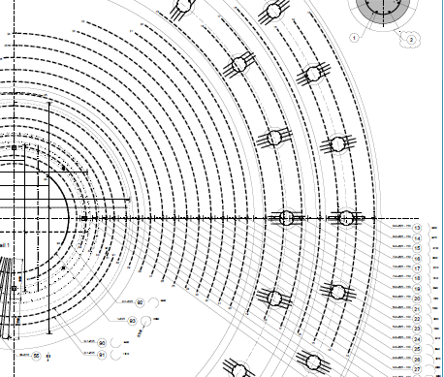
 | BTR_Overlapp Length | 1800 |  |  |  |  |  | Warning! | OK!
 | BTR_MaximumRebarLength | 8500
 | BTR_DiameterEdgeCirculars | 25
 | BTR_NumberEdgeCirculars | 5
 | BTR_SpacingEdgeCirculars | 200
 | BTR_ScheduleMarkStart | 13
 | BTR_RadiusCore | 1550

TopR
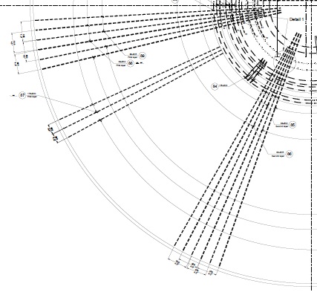
Type
Radial | Layer | 1 | 2
 | TR_No.LargeDiameter | 80 | 80 | pcs
 | TR_LargeDiameter | 25 | 25 | f
 | TR_No.SmallDiameter | 80 | 80 | pcs
 | TR_SmallDiameter | 25 | 25 | f
 | TR_No.3rdDiameter | 160 | 160 | pcs
 | TR_3rdDiameter | 20 | 20 | f
 | TR_SpacingAngle | 4.50 | 4.50
 | TR_LargeDiameterOffsetFromCenter | 750 | 750
 | TR_SmallDiameterOffsetFromCenter | 3125 | 3125
 | TR_3rdDiameterOffsetFromCenter | 5100 | 5100
 | TR_HookType | B | C |  | A=Over Top Radial Bars; B=Over Edge Verticals; C=None
 | TR_OverlappLargeDiameter | 1600 | 1600 |  | Bad Condition
 | TR_OverlappSmallDiameter | 1600 | 1600
 | TR_Overlapp3rdDiameter | 1200 | 1200 |  | min space field= |  | 100
 | TR_Spacing3rdDiameterAngle | 2.25 | 2.25 |  |  | min space center= | 50
 | TR_StartOffsetAngle | 2.25 | 2.25 |  | 0.046515812929 | 0.093031625858 | Alternative min. start angles
 | TR_MaximumLength | 12000 | 12000

Circular
 | Zone | 1 | 2 | 3 | 4 |  | Description
 | TR_NoOfBars | 14 | 40 | 0 | 0 |  | The numbers of bars in the zone
 | TR_SpacingValue | 175 | 125 | 0 | 0 |  | The distance bewteen bars
 | TR_Diameter | 25 | 25 | 0 | 0 |  | The diameter of bars in the zone
 | TR_Zone Length | 2392.5 | 4990 | 0 | 0 |  | Zone Lenggth = noofbars * spacing
 | TR_ZoneInterDistance | 125 | 0 | 0 | 0 |  | ZoneDistance at 1 is the distance between 1 and 2(1 is the outerzone)
 | TR_RadiusGiven | 8932.5 | 6540 | 1550 | 1550 |  | Distance between centroid to the beginning of bars (at last zone is used to determine where to stop near center)
 | TR_DistanceFromTop | 147.5 | 147.5 | 135.0 | 135.0 |  | Distance between the FoundationLevel to edge of bar
 | TR_OffsetFromEdge | 67.5 | 2585 | 0 | 0 |  | Distance between the margin of the foundation to the beginning of the zone (used for extra bars)
 | TR_DistributionBars | 3 | 3 | 3 | 3
 | TR_Overlapp Length | 1800

UnderPlateBottomR
Direction1(bottom bars)
UPBR_Dir1_SpacingValue | 150.00
UPBR_Dir1_Diameter | 16
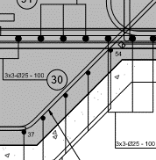
UPBR_Dir1_NoOfBars | 10
UPBR_Dir1_Option | NoOfBars

Direction2(bottom bars)
UPBR_Dir2_SpacingValue | 150.00
UPBR_Dir2_Diameter | 16
UPBR_Dir2_NoOfBars | 10
UPBR_Dir2_Option | NoOfBars

Direction1 LBars
UPBR_Lx | 600 | mm
UPBR_Ly | 600 | mm
UPBR_L_BendAngle | 135 | degrees
UPBR_L_Diameter | 16 | mm
UPBR_L_RadialSpacing | 4.5 | degrees

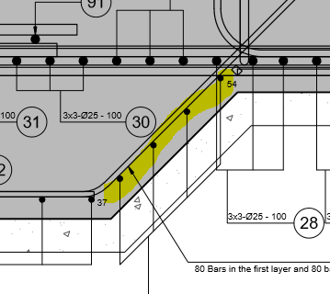
Direction1(top bars)
UPBR_TB_OffsetFromBottom | 350 | To De autodetermined in excel. This will position top straight bars, from bottom plate, from the bottom line (no bottom cover). Distance until axis line of first layer
UPBR_TB_RadiusOfRebars | 3000
UPBR_TB_MinLengthRebar | 1000
UPBR_TB_Dir1_SpacingValue | 150.00
UPBR_TB_Dir1_Diameter | 16
UPBR_TB_Dir1_NoOfBars | 10
UPBR_TB_Dir1_Option | NoOfBars
Direction2(top bars)
UPBR_TB_Dir2_SpacingValue | 150.00
UPBR_TB_Dir2_Diameter | 16
UPBR_TB_Dir2_NoOfBars | 10
UPBR_TB_Dir2_Option | NoOfBars
Circular_EdgeOfL
UPBR_C_Diameter | 12 | These bars start after the L - Bent Radius
UPBR_C_NoOfBars | 4
UPBR_C_Dir2_SpacingValue | 150.00
UPBR_C_Dir2_Option | NoOfBars
UPBR_C_MaxLength | 8000
UPBR_C_OverlapLength | 1000
Generalities(top bars)
UPBR_BottomCover | 50
UPBR_HorizontalEdgeCover | 50

OverPlateTopR
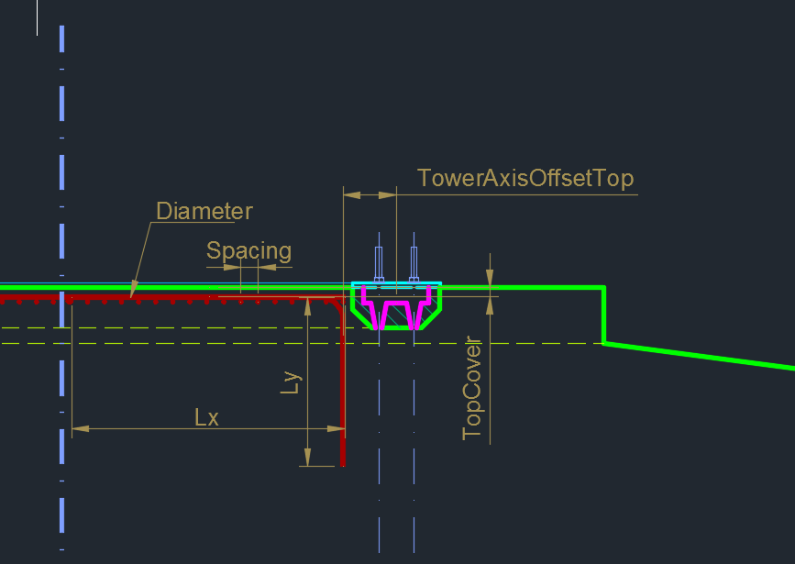
Net Of Bars - Straight Bars
OPTR_Dir1_SpacingValue | 100.00 |  | NoOfBars | NoOfBars&Spacing | FALSE
OPTR_Dir1_Diameter | 20 |  | Spacing | Spacing&Length | TRUE
OPTR_Dir1_EdgeCover | 50 |  |  | NoOfBars&Length
OPTR_Dir1_NoOfBars | 10
OPTR_Dir1_Option | NoOfBars
OPTR_Dir1_Lx | 300
OPTR_Dir1_Ly | 600

OPTR_Dir2_SpacingValue | 100.00
OPTR_Dir2_Diameter | 20
OPTR_Dir2_EdgeCover | 50
OPTR_Dir2_NoOfBars | 10
OPTR_Dir2_Option | NoOfBars
OPTR_Dir2_Lx | 1000
OPTR_Dir2_Ly | 1500
OPTR_TowerAxisOffsetTop | 50
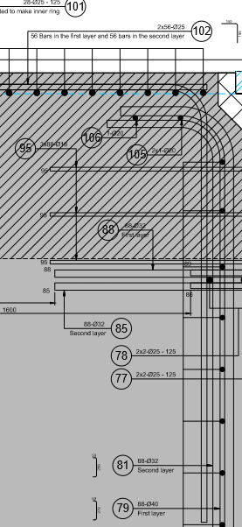
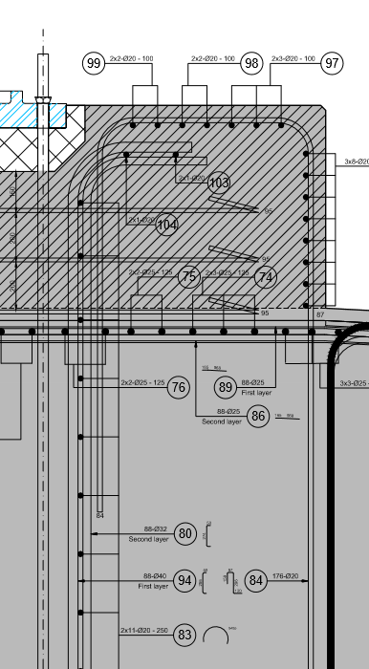
OPTR_MinBarLength | 600 | ADD EXCEPTION FOR THIS. ALWAYS GREATER THEN 0
Radial At Edge Of Concrete
OPTR_InteriorEdgeLength | 200
OPTR_BottomEdgeLength | 1200
OPTR_RadialBarDiameter | 20
OPTR_TowerAxisCover | 20
OPTR_TopCover | 50
OPTR_BottomCover | 100
OPTR_EdgeCover | 50

Circular Bars - Top
OPTR_CircularBarDiam | 25
OPTR_CircularTop_NoBars | 7
OPTR_CircularTop_Spacing | 150
OPTR_CircularTop_NoOrBarsOrSpacing | FALSE
OPTR_CircularTop_MaxLength | 12000
OPTR_CircularTop_Overlap | 1000
OPTR_Groups | 2,2,3

Circular Bars - Exterior Side
OPTR_CircularMargin_Diameter | 25
OPTR_CircularMargin_NoBars | 8 | If no of bars is chosen then eff length is noOfbars * spacing. Valid for options 1 and 3
OPTR_CircularMargin_Spacing | 100 | If SpacingIsChosen then no of bars is determined by . Valid for options 1 and 2
OPTR_CircularMargin_Spacing_CustomLength | 1000 | If default length is used, this is ignored; Valid for options 2 and 3
OPTR_CircularMargin_Spacing_UseDefaultLength | FALSE | If DEFAULT : LENGTH = From start of bent + OFFSET until end of height of tower base. This is valid for options 2 and 3
OPTR_CircularMargin_Offset | 0 | First row starts after the bending of S bar. This moves bar further from it (can be negative)
OPTR_CircularMargin_Option | NoOfBars&Length | NOTE : DropDownList. Each option has 2 values of equation NoOfBars * Spacing = Length (diameter to diameter). The third value will be determined. Length will always start after bent and offset
OPTR_CircularMargin_MaxLength | 12000
OPTR_CircularMargin_Overlap | 1000

AnchorsReinforcement
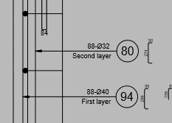
AR_Ext_Ubars
AR_Ext_TopOffset | 150
AR_Ext_BottomOffset | 100
AR_Ext_AxisOffset | 200
AR_Ext_Diameter_Ularger | 18
AR_Ext_Diameter_Usmaller | 18
AR_Ext_HookLength_Ularger | 200
AR_Ext_HookLength_Usmaller | 200

AR_Ext_Circular_Top
AR_ECT_Diameter | 12
AR_ECT_Spacing | 100
AR_ECT_MinBarLength | 1000
AR_ECT_MaxBarLength | 8000
AR_ECT_StartExtraOffset | 20 | Offset added to bent radius - start point of circular bar distribution on host rebar
AR_Ext_Circular_Lateral
AR_ECL_Option | Spacing
AR_ECL_Diameter | 12
AR_ECL_Spacing | 100
AR_ECL_NoOfBars | 10
AR_ECL_MinBarLength | 1000
AR_ECL_MaxBarLength | 8000
AR_ECL_TopExtraOffset | 100 | Offset added to bent radius - start point of circular bar distribution on host rebar
AR_ECL_BottomExtraOffset | 100 | Offset added to bent radius - end point of circular bar distribution on host rebar
AR_Ext_Circular_Bottom
AR_ECB_Diameter | 12
AR_ECB_Spacing | 100
AR_ECB_MinBarLength | 1000
AR_ECB_MaxBarLength | 8000
AR_ECB_StartExtraOffset | 20 | Offset added to bent radius - start point of circular bar distribution on host rebar

AR_Int_Ubars
AR_Int_TopOffset | 150
AR_Int_BottomOffset | 100
AR_Int_AxisOffset | 200
AR_Int_Diameter_Ularger | 18
AR_Int_Diameter_Usmaller | 18
AR_Int_HookLength_Ularger | 200
AR_Int_HookLength_Usmaller | 200
AR_Int_TopExtraOffset | 100
AR_Int_BottomExtraOffset | 100
AR_Int_Circular_Top
AR_ICT_Diameter | 12
AR_ICT_Spacing | 100
AR_ICT_MinBarLength | 1000
AR_ICT_MaxBarLength | 8000
AR_ICT_StartExtraOffset | 20 | Offset added to bent radius - start point of circular bar distribution on host rebar
AR_Int_Circular_Lateral
AR_ICL_Option | Spacing
AR_ICL_Diameter | 12
AR_ICL_Spacing | 100
AR_ICL_NoOfBars | 10
AR_ICL_MinBarLength | 1000
AR_ICL_MaxBarLength | 8000
AR_ICL_TopExtraOffset | 100 | Offset added to bent radius - start point of circular bar distribution on host rebar
AR_ICL_BottomExtraOffset | 100 | Offset added to bent radius - end point of circular bar distribution on host rebar
AR_int_Circular_Bottom
AR_ICB_Diameter | 12
AR_ICB_Spacing | 100
AR_ICB_MinBarLength | 1000
AR_ICB_MaxBarLength | 8000
AR_ICB_StartExtraOffset | 20 | Offset added to bent radius - start point of circular bar distribution on host rebar

UBarsAroundBolts
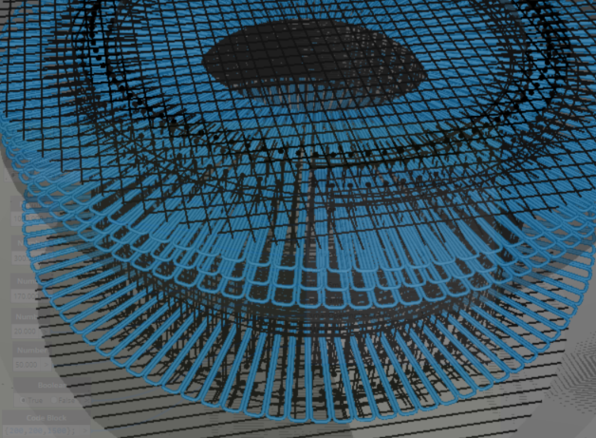

UBAB_ToExteriorLength | 1000
UBAB_ToInteriorLength | 1000
UBAB_topOffset | 400
UBAB_HookSmallDiam | 170
UBAB_BarDiameter | 20
UBAB_SmallOpeningInnerAxis | 50
UBAB_MakeFillet | FALSE
UBAB_Spacing | 200,200

ChairsR
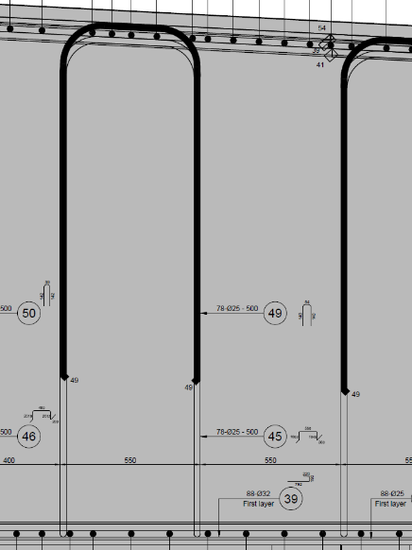
Chairs
 | Zone | 1 | 2 | 3 | 4
 | CHR_SpacingValue Tangential (mm) | 500
 | CHR_Diameter | 25
 | CHR_Zone Length | 2700 | 2180
 | CHR_SpacingValue Radial | 300 | 500
 | CHR_EdgeOffset | 300 | 1000
 | CHR_Hook Lengths | 300
 | CHR_ChairsOverTopCirculars | YES |  |  |  | YES or NO
 | CHR_TopChairsOverlapp | 850

