Overview
 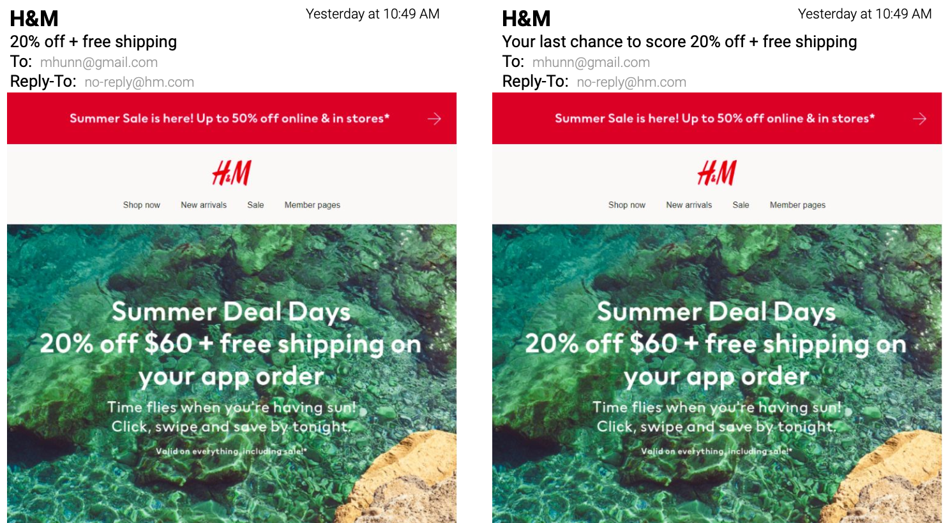 🧪 Lab| H&M Email Marketing

— Your Job
The Chief Marketing Officer (CMO) of H&M wants to boost the efficacy of emails as a marketing tool, and you have been charged with running a campaign to improve the opening rate of emails. Currently, 18% of customers who are on the mailing list open marketing email messages. The CMO would like you to increase this figure to 20%. Your team has suggested several changes to marketing email subject lines in order to increase the opening rate. The first A/B test you conduct will compare two email subject lines. The current default subject line for the H&M Summer Deal Days promotion is "20% off + free shipping". The proposed change to the subject line is "Your last chance to score 20% off + free shipping". Your A/B test will compare open rates of emails with these two subject lines.

— Your Skills
For this task, you'll engage the following skills: (1) State the null and alternative hypothesis of your test. (2) Calculate the minimum detectable effect and sample size for your test. (3) Summarize the results by creating a PivotTable.

— Ready to Begin? Click the next tab below to explore the data dictionary!

