1. Title Page
INSTACART GROCERY BASKET ANALYSIS

Project Name: Instacart Grocery Basket Analysis
Date: 9th of September, 2021
Analyst Name: Daniel Rodelli

Contents:
Population Flow
Consistency checks
Wrangling steps
Column derivations
Visualizations
Recommendations

2. Population Flow
Title page

Population flow

Exclusion flag
Condition: max_order < 5
Final total count of order_products_all: 30994611

Orders_products_combined
Orders_products_merged
Orders_products_all

Total: 32436240
Total 32434489
Total: 32436241

1.) The grey boxes in the first row of the population flow represent the original data sets as they were when you downloaded them. In the Total fields you need to add the count of the rows when you imported the data set into Jupyter.
2.) The second row of boxes (coloured) represents the data sets after you manipulated them, e.g., removed missing values and duplicates. In the Total fields you need to add the count of the rows after conducting these operations. This offers a visual oveview of how the data flows throughout the data consistency checks.
3.) The third row, where also the arrows are coloured, represents the merges you performed between the datasets. In the Total fields you need to add the count of the rows in the merged datasets, so that you end up with the final dataset (in the red box). Keep in mind the final dataset should be without exclusions (based on the exclusion flag).

3. Consistency checks
 |  |  |  | Title page
Consistency checks

Dataset | Missing values | Missing values treatment | Duplicates
orders | days_since_prior_order (206209) | Left as it is. NaN values represent the first orders of new customers, they are not a error of some sort. | none

products | product_names (16) | Rows dropped | 5 - removed from dataset
orders_products_prior | none | none | none
customers | First names (11259) | Filled with "not_declared" | none

4. Wrangling steps
 |  |  |  |  |  | Title page
Wrangling steps

ORDERS ORIGINAL
Columns dropped | Columns renamed | Comment/Reason | Columns' type changed | Cast as | Comment/Reason
eval_set
 |  |  | order_id | string | no need to have numerical type on this column
 | order_dow : orders_day_of_week

PRODUCTS
Columns dropped | Columns renamed | Comment/Reason | Columns' type changed | Cast as | Comment/Reason
 |  |  | product_name | string | it was a mixed type column

ORDERS PRODUCTS MERGE
Columns dropped | Columns renamed | Comment/Reason | Columns' type changed | Cast as | Comment/Reason
Unnamed : 0' |  |  | order_id | int32
 |  |  | user_id | int32
 |  |  | order_number | int8
 |  |  | orders_day of week | int8

CUSTOMERS DATAFRAME
Columns dropped | Columns renamed | Comment/Reason | Columns' type changed | Cast as | Comment/Reason
 | First Name': 'First_name' | consistency | user_id | int32 | unecessarly high memory allocation
 | Surnam': 'Surname | spellcheck | Gender | category | unecessarly high memory allocation
 | 'STATE' : 'State' | consistency | Age | int8 | unecessarly high memory allocation
 | 'date_joined':'Date_joined' | consistency | n_dependants | int8 | unecessarly high memory allocation
 | fam_status': 'Family_status' | readability | Family_status | category | unecessarly high memory allocation
 | 'income': 'Income' | consistency | Income | int32 | unecessarly high memory allocation

ENTIRE COMBINED DATAFRAME
Columns dropped | Columns renamed | Comment/Reason | Columns' type changed | Cast as | Comment/Reason
First_name' |  | Privacy
Last_name' |  | Privacy

5. Column derivations
 |  |  |  | Title page

Column derivations and aggregations

In this tab you should add tables below that the frequences of flags/label variables that you produced after deriving them. NB: don't do this for continuous variables, only for flags.
Dataset | New column | Column/s it was derived from | Conditions
order/prodcuts/prior combined | busiest_day | order days of week | Top 2 are busiest days
 |  |  | bottom 2 are least busy days
 |  |  | middle 3 are regular days
order/prodcuts/prior combined | busiest_period_of_day | order hour of day | Top 8 hours are busiest hours
 |  |  | next 8 hours are regular hours
 |  |  | bottom 8 hours are lowest hours
order/prodcuts/prior combined | spending_flag | prices | Average price spent less than 10:low spender
 |  |  | average price is 10 or more: high spender
order/prodcuts/prior combined | Frequency_flag | days_since_prior_order | if median is lower than 10 days: frequent customer
 |  |  | if between 20 and 10: regular customer
 |  |  | more than 20: non-regular customer
order/prodcuts/prior combined | Loyalty_flag | max_order | Above 40 orders: loyal customer
 |  |  | between 10 and 40: regular customer
 |  |  | less than 10: new customer
entire combined | Region | State | States grouped into 4 regions:
 |  |  | Northeast, South, Midwest, West
entire combined | age_group | Age | age divided into 10 years interval groups
entire combined | Income_flag | Income | if < 50000 : low income
 |  |  | if >= 50000 and < 100000: mid income
 |  |  | if >100000 : high income
entire combined | price_flag | price | if < 5 : low range
 |  |  | if >= 5 and < 10: mid range
 |  |  | if >=10 and <15: upper range
 |  |  | if >= 15: high range

6. Visualizations
 |  | Title page

Visualisations

In this tab you should include all the visualtions from Exercises 4.9 and 4.10, alongside the questions from the project brief that they answer. Include any commentary on the relationship between different variables.

KEY QUESTIONS FROM THE SALES TEAM

1. The team needs to know what the busiest days of the week and hours of the day are (i.e., the days and times with the most orders) in order to schedule ads at times when there are fewer orders.

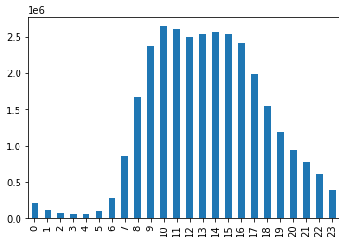
 | FIGURE 1. Comulative number of orders for each hour of the day.

 | Orders increase rapidly during the morning and decrease constantly during the late afternoon-evening.

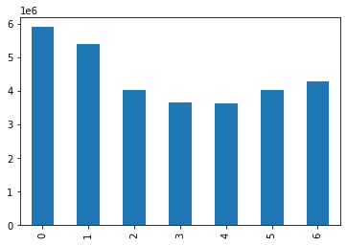

 | FIGURE 2. Comulative number of orders for day of the week, here considered from Saturday (=0) to Friday (=6)

 | Orders are more numerous right before and during the weekend. During the week the number of orders is lower. Possibly, customers make orders to stock food for the weekend and the incoming week.

2. Whether there are particular times of the day when people spend the most money, as this might inform the type of products they advertise at these times.

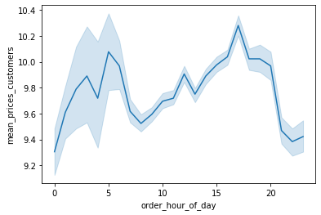
 | FIGURE 3. Average spending per order along the day. Solid blue line represents the mean, shaded blue area represents the 95% confidence interval.

 | The difference between the minimum and the maximum spending per order is less than 1. The maximum ocours around 16h, and the minimum around 21h. The higher dispersion during the early hours of the morning is an artifact related to the comparatively low number of orders.

3. Instacart has a lot of products with different price tags. Marketing and sales want to use simpler price range groupings to help direct their efforts.

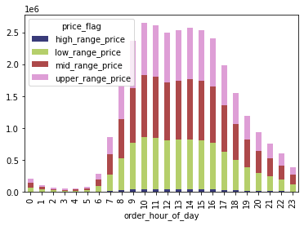
 | FIGURE 4. Cumulative number of orders during the day by price range

 | There is no appreciable difference in the proportion of orders by price ranges.

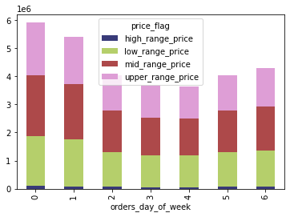

 | FIGURE 5. Cumulative number of orders during the week by price range.

 | There is no significative difference in the proportion of orders by price ranges.

4. Are there certain types of products that are more popular than others? The marketing and sales teams want to know which departments have the highest frequency of product orders.

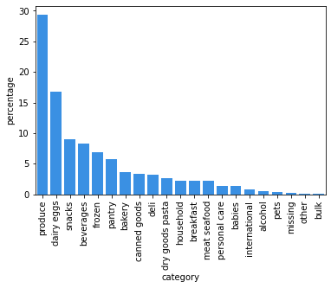

 | FIGURE 6. Percentage of number of orders by department

 | The Top5 departments are: Produce, dairy eggs, snacks, beverages, frozen. These deparment combined account for about 70% of ordered products.

KEY QUESTIONS FROM THE MARKETING TEAM

5. What’s the distribution among users in regards to their brand loyalty (i.e., how often do they return to Instacart)?

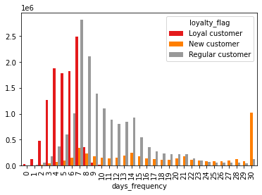

 | FIGURE 7. Intervals in days between consecutive orders by different loyalty ranks.

 | Most of the loyal customers usually make at least one order every week. Many regular customers make at least one order every week, but some return only after more than 2 weeks. Most of the new customers make orders only once in a month. Important to note that every 7 days there is an increase in number of orders.

6. Are there differences in ordering habits based on a customer’s loyalty status?

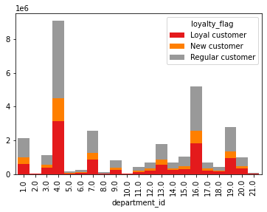

 | FIGURE 8. Comulative number of orders for each department grouped by the loyalty of the customers

 | The difference in proportion in the number of orders between different loyalty ranks is minimal.

7. Are there differences in ordering habits based on a customer’s region?

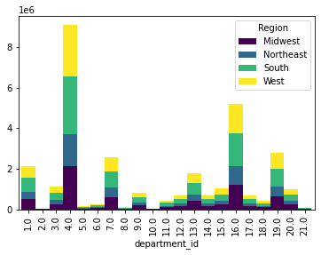
 | FIGURE 9. Comulative number of orders for each department grouped by the Region of the customers.

 | The difference in proportion in the number of orders between different regions is minimal.

8. Is there a connection between age and family status in terms of ordering habits?

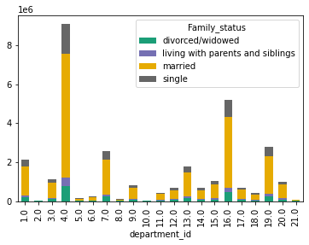
 | FIGURE 10. Comulative number of orders for each department grouped by family status.

 | The difference in proportion in the number of orders between different family statuses is minimal.

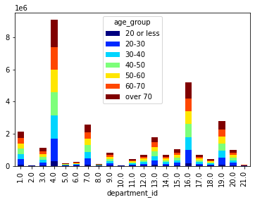

 | FIGURE 11. Comulative number of orders for each department grouped by age.

 | The difference in proportion in the number of orders between different age groups is minimal

8. What differences can you find in ordering habits of different customer profiles?

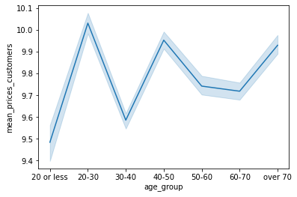
 | FIGURE 12. Mean order values by group age. Solid blue line represents the mean, shaded blue area represents the 95% confidence interval.

 | The difference between the maximum average and minumum average values are about 0.5. The average value of an order tends to increase with increasing age.

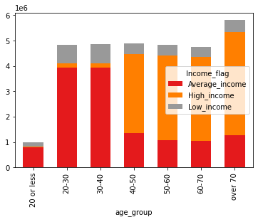
 | FIGURE 13. Number of customer orders by income, grouped by age.

 | Income appears to increase with age. We can also see that we have a low number of orders from customers under 20 years of age, and a relatively high number of order from customers over 70.

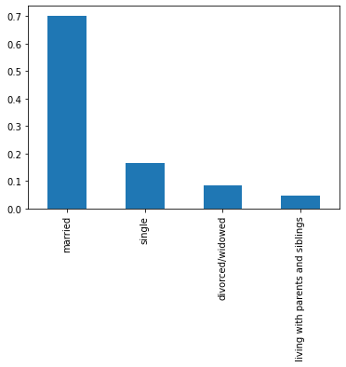
 | FIGURE 14. Cumulative number of orders by family status.

 | We recieve approximately 4 times more orders from married married customers than single customers.

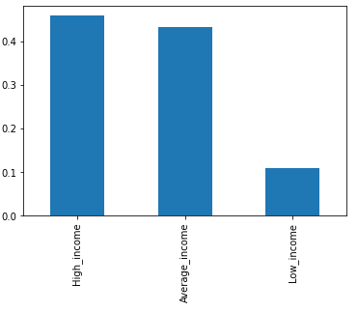
 | FIGURE 15. Cumulative number of customer orders by income.

 | Low income customers make approximately one fourth the number of orders than average- or high-income customers.

7. Recommendations
 |  |  |  |  |  |  |  |  |  |  |  |  |  | Title page

Recommendations

In this tab you should include any recommendations you would made to Instcart in terms of their marketing strategy based on the questions posed in the brief. Every key question has been covered in the Tasks of the Exercises - here you need to add an item - a visualisation or table/crosstable that is showing the answer in the data, acompanied by a comment from you. Please, list the questions below and add the answer underneath.

 |  | KEY QUESTIONS

go to --> | 1 | What are the busiest hours?
 | 2 | What are the busiest days of the week?
 | 3 | Which departments have the most sales?
 | 4 | When during the day do the customers spend the most?
 | 5 | Do simpler price ranges simplify the analysis for the marketing department?
 | 6 | What’s the distribution among users i n regards to their brand loyalty?
 | 7 | Are there differences in ordering habits based on customer loyalty?
 | 8 | Are there differences in ordering habits based on customer region?
 | 9 | Is there a connection between age and family status in terms of ordering habits?
 | 10 | What different classifications does the demographic information suggest?

 | >>> | RECOMMENDATIONS

 |  | ANSWERS
 |  | Figure captions and descriptions to be found in tab.6 'Visualizations'.
 |  | Figure numbering follows 6.'Visualizations'. Click on the number to see the full captions.

 |  | 1. What are the busiest hours?

 |  |  |  |  |  |  |  |  |  |  | The busiest hours are from 9h in the morning to 16h.
 |  |  |  |  |  |  |  |  |  |  | There is a steady decrease in the number of orders after 16h.
 |  |  |  |  |  |  |  |  |  |  | The number of orders increase rapidly in the morning.

 |  | FIGURE1

 |  | 2. What are the busiest days of the week?

 |  |  |  |  |  |  |  |  |  |  | The busiest days of the week are Saturday and Sunday.
 |  |  |  |  |  |  |  |  |  |  | This indicates that there is a tendency from the customers to make orders
 |  |  |  |  |  |  |  |  |  |  | during the weekend to stock food for the following week.

 |  | FIGURE 2

 |  | 3. Which departments have the most sales?

 |  |  |  |  |  |  |  |  | TABLE 1
 |  |  |  |  |  |  |  |  | TOP10 departments
 |  |  |  |  |  |  |  |  |  | Department | % of orders | Product category
 |  |  |  |  |  |  |  |  | 1 | 4 | 29% | produce
 |  |  |  |  |  |  |  |  | 2 | 16 | 17% | dairy eggs
 |  |  |  |  |  |  |  |  | 3 | 19 | 9% | snacks
 |  |  |  |  |  |  |  |  | 4 | 7 | 8% | beverages
 |  |  |  |  |  |  |  |  | 5 | 1 | 7% | frozen
 |  |  |  |  |  |  |  |  | 6 | 13 | 6% | pantry
 |  |  |  |  |  |  |  |  | 7 | 3 | 4% | bakery
 |  |  |  |  |  |  |  |  | 8 | 15 | 3% | canned goods
 |  |  |  |  |  |  |  |  | 9 | 20 | 3% | deli
 |  |  |  |  |  |  |  |  | 10 | 9 | 3% | dry goods pasta

FIGURE 6
 |  | FIGURE 6

 |  | 4. When during the day do the customers spend the most?

 |  |  |  |  |  |  |  |  |  |  | Customers spend consistently the most during the late afternoon, and the value of the orders steadly increases from the morning to the afternoon.

 |  |  | FIGURE 3

 |  | 5. Do simpler price ranges simplify the analysis for the marketing department?

 |  |  |  |  |  |  |  |  |  |  |  | There is no variation in the number of orders relative to the price range of the products during the hours of the day and days of the week There is also no apreciable variation in the choice of products based on price ranges in respect to the income and family status.

 |  |  |  |  |  |  |  |  |  |  |  | A simpler price range simplify the analysis, but as there is no observable variation, there is no need to investigate further this possibility (i.e, by changing the price ranges)

 |  | FIGURE 4 |  |  |  |  |  | FIGURE 5

 |  | 6. What’s the distribution among users i n regards to their brand loyalty?

 |  |  |  |  |  |  |  |  |  |  | Loyal customers usually make at least one order every week. Many regular customers make at least one order every week, but some return only after more than 2 weeks. Most of the new customers make orders only once in a month. Important to note that every 7 days there is an increase in number of orders (indicated by black arrows). This implies that some customers make orders consistently every one, two or three weeks.

 |  |  | FIGURE 7

 |  | 7. Are there differences in ordering habits based on customer loyalty?

 |  |  |  |  |  |  |  |  |  |  | There is no appreciable difference in the ordering habits of customers of different loyalty status. No connection found between customer loyalty and ordering habits.

 |  | FIGURE 8

 |  | 8. Are there differences in ordering habits based on customer region?

 |  |  |  |  |  |  |  |  |  |  | There is no appreciable difference in the ordering habits of customers living in different regions. No connection found between region and ordering habits.

 |  | FIGURE 9

 |  | 9. Is there a connection between age and family status in terms of ordering habits?

 |  |  |  |  |  |  |  |  |  |  | There is no appreciable difference in the ordering habits of customers of different family statuses or ages. No connection found between age, family status, and ordering habits.

 |  | FIGURE 10 |  |  |  |  | FIGURE 11

 |  | 10. What different classifications does the demographic information suggest?

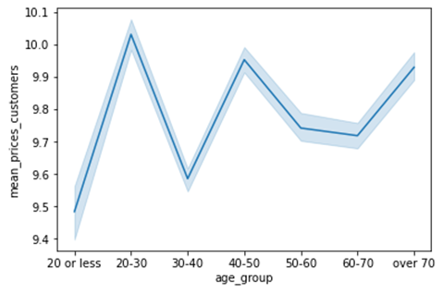

 |  | FIGURE 12 |  |  |  | FIGURE 13

 |  |  |  |  |  |  |  |  |  | FIGURE 14

 |  |  |  |  |  |  |  |  |  |  |  |  | FIGURE 15

 |  | TABLE 2 |  | INCOME |  |  | Demographic plays a role in the customer behaviour:
 |  |  | Low | Average | High |  | ·The youngest customers tend to have a lower income and spend more on low price items.
 |  | Low range | 14.38% | 41.93% | 43.69% |  | ·Middle-aged and senior customers have a higher income, but this does not correlate exactly with the spending behaviour.
 |  | Mid range | 10.65% | 43.38% | 45.97% |  | · High- and average income customers make the bulk of the order we recive.
 |  | Upper range | 10.79% | 42.85% | 46.36% |  | · Married customers make about 4 times more orders than other categories.
 |  | High range | 7.78% | 44.37% | 47.85%

 |  | RECOMMENDATIONS

1 | > | Our biggest customers are married, middle aged to seniors, and of average to high income.
 |  | These categories should be obviously the focus of AD campaigns.

2 | > | We recieve many orders during the afternoon, with peaks at around 9h and 16h, and most of the orders are made on Thursday and Friday.
 |  | We should:
 |  |  | 1. Think how to allocate our packing and delivery staff in a smarter way to avoid dead time and sudden surges of workload.
 |  |  | 2. Think of possible discounts/special deals to invite customers to shift some of the orders to other days/hours,
 |  |  | in order to spread the workolad of our packing/delivery staff more equally during the working days.

3 | > | Some customers place order at regular intevals (7, or 14, or 28 days apart).
 |  | We could offer different benefits/deals to customers that are regularly placing orders than for those that just spend more on orders, but more irregularly.

4 | > | Average customers have a more consistent behaviour than new customers, possibly making more easier to turn them into loyal customers.
 |  | than new customers into regular ones. AD campaign should focus on Regular Customers, expecially if they are married and of average- to high-income.

5 | > | New customers tend to place fewer orders, and many days/weeks apart.
 |  | Offering special deals for those who repeate orders regularly might turn some of them into regular customers.

6 | > | Price range does not seem to play any role in ordering behaviour of average- and high-income customers.
 |  | This implies that we are selling items with prices below the threshold for high-income customers to consider them "too expensive"
 |  | This means that we might be able to differenciate even more our service by catering specifically high-income customers with selected, premium-price items,
 |  | whithout losing orders.

 |  | Final Considerations

 |  | We should look more in depth to the underlying reasons of why we are more popular
 |  | with specific segments of the market and why they behave the way they do:

 |  |  | a. Why so many married people? Maybe married people with family have less time to go to a grocery store?
 |  |  | If so, can we exploit this fact? For exaple, offering premium delivery options for quicker delivery?

 |  |  | b. Why do we have so few young customers?
 |  |  | Is it only because statistically they have lower income?

 |  |  | c. Why do we sell a lot of fresh produce, but not for example dry or canned food?
 |  |  | Is it because of a shift towards fresher/healthier products? If so, what can we do to exploit this tendency?
 |  |  | If we can, can we later drop some of the least appealing departments and still increase our revenue?
 |  |  | > | For example: frozen products require a dedicated low temperature storage, which is more expensive to build, operate, and mantain
 |  |  |  | than storage for canned or dry food. Can we reduce our offer of frozen products, cutting part of our fixed expenses, and still turn a profit?

