Charts
Charts

Average Tip by Housing
 | Total
Business | $7.74
Residential | $7.44
Hotel | $6.89
Apartment | $5.33
Average Tip by City
 | Total
Lewisville | $11.67
McKinney | $8.91
Carrolton | $7.36
Frisco | $7.28
The Colony | $7.09
Plano | $6.63
Allen | $6.50
Average Tip by Gated Community
 | Total
Starwood Estates | $9.37
Hills of Kingswood | $9.05
Stonebriar North | $7.07
Villages of Stonebriar Park | $6.22
Normandy Estates | $5.13
Heritage Lakes Community | $4.58

Average Tip Percentage by Housing
 | Total
Hotel | 19.81%
Residential | 19.17%
Apartment | 18.95%
Business | 16.05%
Average Tip Percentage by City
 | Total
Frisco | 19.94%
Lewisville | 18.44%
The Colony | 18.41%
Carrolton | 17.72%
McKinney | 17.69%
Plano | 17.54%
Allen | 15.55%
Average Tip Percentage by Community
 | Total
Villages of Stonebriar Park | 25.06%
Hills of Kingswood | 21.12%
Starwood Estates | 19.35%
Stonebriar North | 18.89%
Normandy Estates | 14.39%
Heritage Lakes Community | 14.21%

Housing Ratio
 | Total
Residential | 998
Apartment | 162
Hotel | 67
Business | 24
City Ratio
 | Total
Frisco | 794
Plano | 348
The Colony | 69
Carrolton | 16
Lewisville | 12
McKinney | 10
Allen | 2
Gated Community Ratio
 | Total
Starwood Estates | 57
Stonebriar North | 27
Villages of Stonebriar Park | 18
Heritage Lakes Community | 18
Hills of Kingswood | 2
Normandy Estates | 2

Power Map
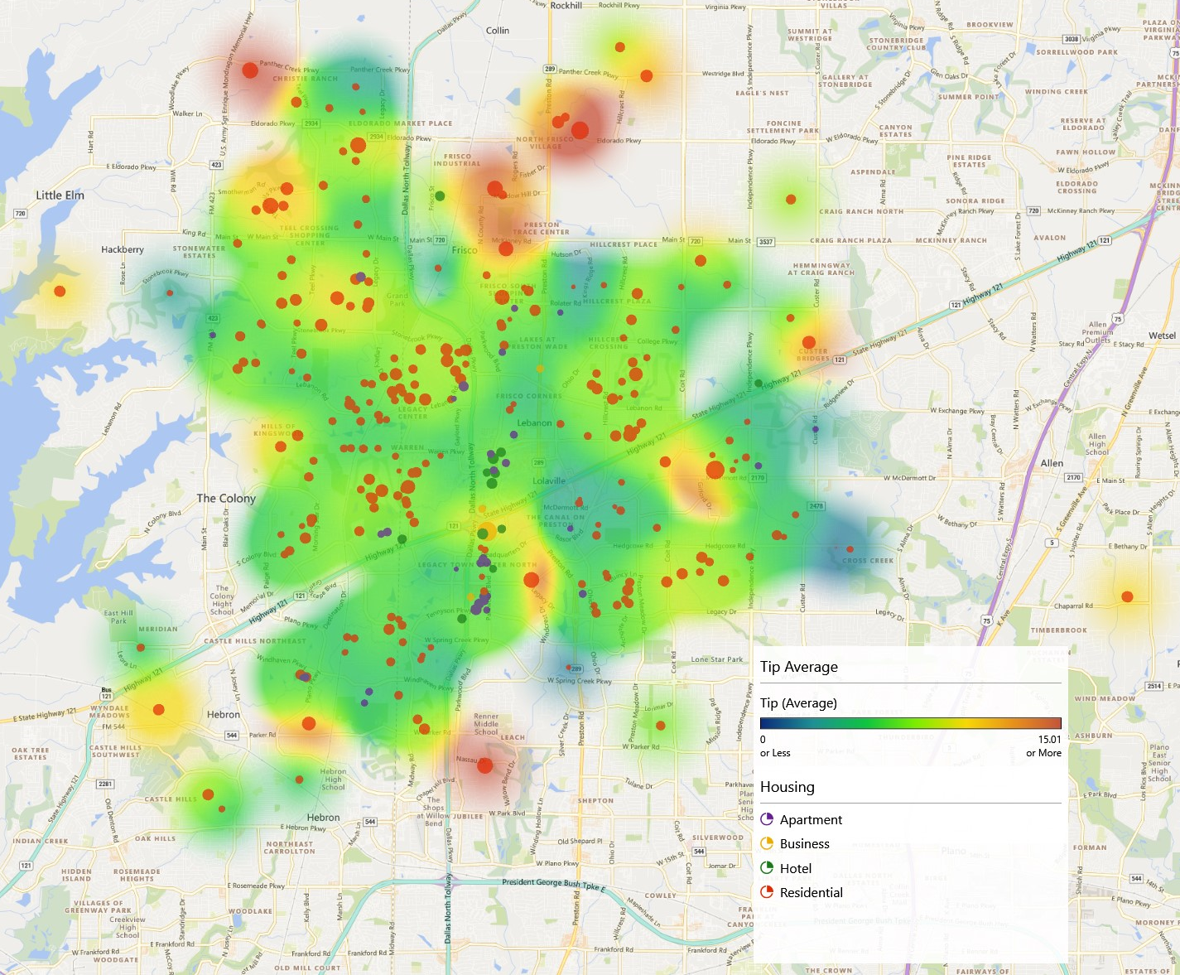
Tip Average Heatmap by Housing

