scenarios
scenario | maximum time step | conv. tol. of newton itera. | solver res. tol. And update tol. | underrelaxation | remarks | remarks2
iron-glass-clay-case2-s1 | 1.00E-07 | 1.0d-6 | 1.0d-8 | 1.00 | turn off
iron-glass-clay-case2-s2 | 1.00E-06 | 1.0d-4 | 1.0d-6 | 1.00 | turn off
iron-glass-clay-case2-s3 | 1.00E-05 | 1.0d-4 | 1.0d-6 | 0.70 | turn off

iron-glass-clay-case2-s4 |  | 1.0d-4 | 1.0d-6 | 0.70 | change tau
iron-glass-clay-case2-s5 |  | 1.0d-4 | 1.0d-6 | 0.70 | change tau, add cj4-glass and mineralh2-45b
iron-glass-clay-case2-s6 |  | 1.0d-4 | 1.0d-6 | 0.70 | change tau, add cj4-glass and mineralh2-45b, surface area of other secondary minerals 100
iron-glass-clay-case2-s7 |  | 1.0d-4 | 1.0d-6 | 0.70 | change tau, add cj4-glass, mineralh2-45b, csh_0.8, maghemite_di
iron-glass-clay-case2-s8 |  | 1.0d-4 | 1.0d-6 | 0.70 | change tau, add cj4-glass and mineralh2-45b, csh_0.8, maghemite_di, surface area of other secondary minerals 100

tau | see bellow
coordinate | radial
Database 1: TR_FeII-H2-mod3 | change to irreversible dissolution - logK control: microcline, gibbsite, gibbsite_mc, gibbsite_am, quartz alpha, quartz beta and amorphous_si
Database 3: TR_FeII-H2-mod3-3 | change to irreversible dissolution - logK control: microcline, gibbsite, gibbsite_mc, gibbsite_am, pyrite, and amorphous_si

iron-glass-clay-case2-s9-exe2 |  | 1.0d-4 | 1.0d-6 | 0.70 | change tau, add cj4-glass, mineralh2-45b, csh_0.8, maghemite_di | slow speed, 1.0E-8
iron-glass-clay-case2-s10-exe2 |  | 1.0d-4 | 1.0d-6 | 0.70 | change tau, add cj4-glass and mineralh2-45b, csh_0.8, maghemite_di, surface area of other secondary minerals 100 | slow speed, 1.0E-8

iron-glass-clay-case2-s9-exe2-all1.0E-9 |  | 1.0d-4 | 1.0d-6 | 0.70 | change tau, add cj4-glass and mineralh2-45b, csh_0.8, maghemite_di, surface area of other secondary minerals 100 | can reach maximum timestep
iron-glass-clay-case2-s9-exe2-all1.0E-9-dbs2 |  | 1.0d-4 | 1.0d-6 | 0.70 | change tau, add cj4-glass and mineralh2-45b, csh_0.8, maghemite_di, surface area of other secondary minerals 100 |  | slow speed, 1.0E-3,killed
iron-glass-clay-case2-s9-exe2-all1.0E-9-b |  | 1.0d-6 | 1.0d-8 | 1.00 | change tau, add cj4-glass and mineralh2-45b, csh_0.8, maghemite_di, surface area of other secondary minerals 100 | reduce max timestep to 1.0year

iron-glass-clay-case2-s9-exe3-all1.0E-9-kinetic-calcite | 1.0d1 | 1.0d-4 | 1.0d-6 | 0.70 | change tau, add cj4-glass, mineralh2-45b, csh_0.8, maghemite_di | OK
iron-glass-clay-case2-s9-exe3-all1.0E-9-kinetic-celestite | 1.0d1 | 1.0d-4 | 1.0d-6 | 0.70 | change tau, add cj4-glass, mineralh2-45b, csh_0.8, maghemite_di | OK
iron-glass-clay-case2-s9-exe3-all1.0E-9-kinetic-cj4-glass | 1.0d1 | 1.0d-4 | 1.0d-6 | 0.70 | change tau, add cj4-glass, mineralh2-45b, csh_0.8, maghemite_di | OK
iron-glass-clay-case2-s9-exe3-all1.0E-9-kinetic-dolomite | 1.0d1 | 1.0d-4 | 1.0d-6 | 0.70 | change tau, add cj4-glass, mineralh2-45b, csh_0.8, maghemite_di | OK
iron-glass-clay-case2-s9-exe3-all1.0E-9-kinetic-goethite_b | 1.0d1 | 1.0d-4 | 1.0d-6 | 0.70 | change tau, add cj4-glass, mineralh2-45b, csh_0.8, maghemite_di | OK
iron-glass-clay-case2-s9-exe3-all1.0E-9-kinetic-illite-mg | 1.0d1 | 1.0d-4 | 1.0d-6 | 0.70 | change tau, add cj4-glass, mineralh2-45b, csh_0.8, maghemite_di | OK
iron-glass-clay-case2-s9-exe3-all1.0E-9-kinetic-iron | 1.0d1 | 1.0d-4 | 1.0d-6 | 0.70 | change tau, add cj4-glass, mineralh2-45b, csh_0.8, maghemite_di | OK
iron-glass-clay-case2-s9-exe3-all1.0E-9-kinetic-kaolinite_b | 1.0d1 | 1.0d-4 | 1.0d-6 | 0.70 | change tau, add cj4-glass, mineralh2-45b, csh_0.8, maghemite_di | OK
iron-glass-clay-case2-s9-exe3-all1.0E-9-kinetic-mg-montmo-ca | 1.0d1 | 1.0d-4 | 1.0d-6 | 0.70 | change tau, add cj4-glass, mineralh2-45b, csh_0.8, maghemite_di | OK
iron-glass-clay-case2-s9-exe3-all1.0E-9-kinetic-mg-montmo-na | 1.0d1 | 1.0d-4 | 1.0d-6 | 0.70 | change tau, add cj4-glass, mineralh2-45b, csh_0.8, maghemite_di | OK
iron-glass-clay-case2-s9-exe3-all1.0E-9-kinetic-microcline | 1.0d1 | 1.0d-4 | 1.0d-6 | 0.70 | change tau, add cj4-glass, mineralh2-45b, csh_0.8, maghemite_di | OK
iron-glass-clay-case2-s9-exe3-all1.0E-9-kinetic-pyrite | 1.0d1 | 1.0d-4 | 1.0d-6 | 0.70 | change tau, add cj4-glass, mineralh2-45b, csh_0.8, maghemite_di | 1.00E-04
iron-glass-clay-case2-s9-exe3-all1.0E-9-kinetic-quartz_alpha | 1.0d1 | 1.0d-4 | 1.0d-6 | 0.70 | change tau, add cj4-glass, mineralh2-45b, csh_0.8, maghemite_di | 1.00E-06
iron-glass-clay-case2-s9-exe3-all1.0E-9-kinetic-sideritelt | 1.0d1 | 1.0d-4 | 1.0d-6 | 0.70 | change tau, add cj4-glass, mineralh2-45b, csh_0.8, maghemite_di | OK

iron-glass-clay-case2-s9-exe3-all1.0E-9-kinetic-pyrite-dbs3 | 1.0d-1 | 1.0d-4 | 1.0d-6 | 0.70 | change tau, add cj4-glass, mineralh2-45b, csh_0.8, maghemite_di | 1.00E-05
iron-glass-clay-case2-s9-exe3-all1.0E-9-kinetic-quartz_alpha-dbs3 | 1.0d-1 | 1.0d-4 | 1.0d-6 | 0.70 | change tau, add cj4-glass, mineralh2-45b, csh_0.8, maghemite_di | OK

iron-glass-clay-case2-s11-exe2-dbs3 | 1.0d-1 | 1.0d-4 | 1.0d-6 | 0.70 | change tau, add cj4-glass, mineralh2-45b, csh_0.8, maghemite_di

DBS: TR_FeII-H2-mod3-90C | temperature 90C, sepcify constant rates for all minerals

iron-glass-clay-label-90C-a100-s1 |  | 1.0d-4 | 1.0d-6 | 0.70 | change tau, add cj4-glass and mineralh2-45b, csh_0.8, maghemite_di, surface area of other secondary minerals 100 (1.0d-1 for MIN3P) | 1.00E-09
iron-glass-clay-label-90C-s1 |  | 1.0d-4 | 1.0d-6 | 0.70 | change tau, add cj4-glass and mineralh2-45b, csh_0.8, maghemite_di | 1.00E-07
iron-glass-clay-label-90C-s1-exo2 | exclude o2 pathway of pyrite | 1.0d-4 | 1.0d-6 | 0.70 | change tau, add cj4-glass and mineralh2-45b, csh_0.8, maghemite_di | 1.00E-07
iron-glass-clay-label-90C-s1-ex-pyrite | iron-glass-clay-label-90C-s1-ex-pyrite | 1.0d-4 | 1.0d-6 | 0.70 | change tau, add cj4-glass and mineralh2-45b, csh_0.8, maghemite_di | 1.00E-06
iron-glass-clay-label-90C-All1.0E-9 |  | 1.0d-4 | 1.0d-6 | 0.70 | change tau, add cj4-glass and mineralh2-45b, csh_0.8, maghemite_di | 1.00E-03

iron-glass-clay-label-90C-other100-m55-s1 | 55 minerals, include csh_0.8, maghemite_di, 76 second species | 1.0d-4 | 1.0d-6 | 0.7 | change tau, add cj4-glass and mineralh2-45b, csh_0.8, maghemite_di, surface area of other secondary minerals 100 (1.0d-1 for MIN3P) |  | result error
iron-glass-clay-label-90C-other100-m55-s2 | 55 minerals, include csh_0.8, maghemite_di, 76 second species, use crunch dbs | 1.0d-4 | 1.0d-6 | 0.7 | change tau, add cj4-glass and mineralh2-45b, csh_0.8, maghemite_di, surface area of other secondary minerals 100 (1.0d-1 for MIN3P) |  | result error
iron-glass-clay-label-90C-other100-m53-s1 | 53 minerals, 76 second species | 1.0d-4 | 1.0d-6 | 0.7 | change tau, add cj4-glass and mineralh2-45b, surface area of other secondary minerals 100 (1.0d-1 for MIN3P) |  | result error
iron-glass-clay-label-90C-other100-m53-s2 | 53 minerals, 75 second species, exclude ch4(aq), same as curnch input | 1.0d-4 | 1.0d-6 | 0.7 | change tau, add cj4-glass and mineralh2-45b, surface area of other secondary minerals 100 (1.0d-1 for MIN3P) |  | result error

iron-glass-clay-label-90C-other100-m53-s2-test | change boundary cond. |  |  |  |  |  | result error
iron-glass-clay-label-90C-other100-m53-s2-test2 | change boundary cond. |  |  |  |  |  | result error
iron-glass-clay-label-90C-other100-m53-s2-test3 | change boundary cond. |  |  |  |  |  | result error

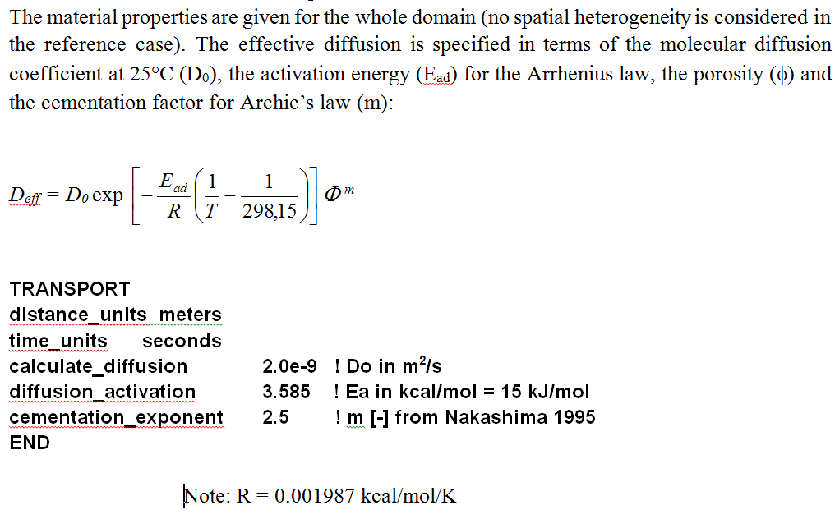
 | glass | iron | clay
porosity | 0.11 | 0.33 | 0.181
Do (m^2/s) | 2.00E-09 | 2.00E-09 | 2.00E-09
R (kcal/mol/K) | 0.001987 | 0.001987 | 0.001987
Ea (kcal/mol = 15kj/mol) | 3.585 | 3.585 | 3.585
T (Kelvin, K) | 298.15 | 298.15 | 298.15
m | 2.5 | 2.5 | 2.5
De | 8.0262319927E-12 | 1.2511657444E-10 | 2.7875741777E-11
tau | 3.65E-02 | 1.90E-01 | 7.70E-02

! mineral volume fraction in the Claystone
Illite-Mg | 0.22127 | bulk_surface_area | 1.00E+02
Mg-Montmo-Ca_B | 0.04479 | bulk_surface_area | 100.00
Mg-Montmorillonite-Na | 0.01535 | bulk_surface_area | 1.00E+02
Kaolinite_B | 0.00858 | bulk_surface_area | 1.00E+01
Microcline | 0.05563 | bulk_surface_area | 1.00E-02
Quartz_alpha | 0.18612 | bulk_surface_area | 1.00E+01
Calcite | 0.26 | bulk_surface_area | 1.00E+01
Pyrite | 0.01 | bulk_surface_area | 1.00E-02
Sideritelt | 0.0059 | bulk_surface_area | 1.00E-02
Goethite_B | 0.00001 | bulk_surface_area | 1.00E-02
Dolomite | 0.01189 | bulk_surface_area | 1.00E-04
Celestite | 0.00056 | bulk_surface_area | 1.00E-04

Scenario test
test-iron-glass-clay-label-90C-All1.0E-9-calcite

