scroll
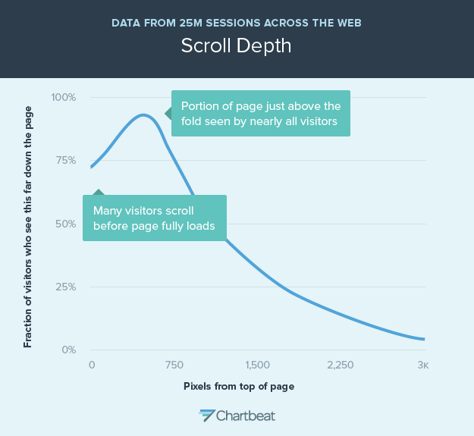
pixel | percent
0 | 72
100 | 76
200 | 82
300 | 88
400 | 92
500 | 93
600 | 89
700 | 80
800 | 70
900 | 62
1000 | 55
1100 | 49
1200 | 44
1300 | 40
1400 | 36
1500 | 32
1600 | 29
1700 | 25
1800 | 23
1900 | 20.5
2000 | 18
2100 | 16.5
2200 | 15
2300 | 13
2400 | 11
2500 | 10
2600 | 8.5
2700 | 7
2800 | 6
2900 | 5
3000 | 4

