System description
System description

Description | Variable | Status
Initial right water height | zr,0 | Measured
Final right water height | zr | Measured
Final left water height | zl | Measured
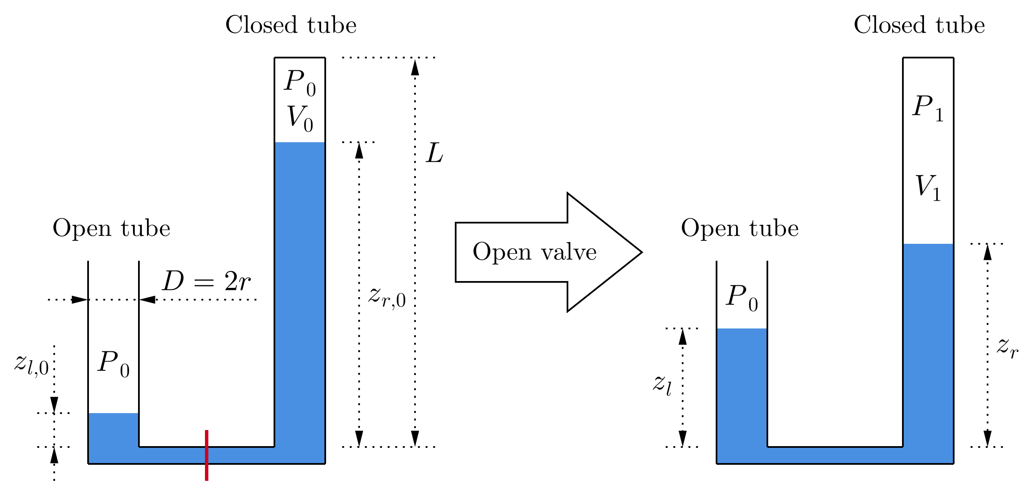
Length of right part | L | Measured
Density of water | ρ | Constant
Gravity at place of measurement | g | Constant
Ambient pressure | P0 | Calculated

Logbook
Logbook

Date and time | Pressure P0 [mbar] | Uncertainty [mbar] (k=2) | Comment | Average [mbar] | Reference [mbar] | Current calculated value P0 [mbar] |  |  | Note:
8/16/24 | 952.65 | 80.77 | Poss. water leakage | 952.65 |  | 809.41 | ± | 53.34 | As a reference point, the meteoswiss values
8/17/24 | 796.02 | 48.20 | Poss. water leakage | 796.02 |  |  |  |  | at Plaffeien at 1044 m above sea level were taken.
Pressure evolution at Chrütli 128D, 3154 Rüschegg Heubach, 1018 m above sea level
8/17/24 | 783.54 | 47.28 | Poss. water leakage | 783.54
8/21/24 | 1018.42 | 86.05 | Poss. water leakage | 1018.42
8/21/24 | 840.53 | 58.43
8/21/24 | 832.50 | 57.75
8/21/24 | 826.44 | 61.31
8/21/24 | 800.46 | 59.89
8/21/24 | 800.58 | 51.52
8/21/24 | 898.50 | 60.04 |  | 833.17 | 902.10
8/21/24 | 842.27 | 53.73
8/21/24 | 819.15 | 56.90
8/21/24 | 831.80 | 50.52 |  | 831.07 | 901.30
8/23/24 | 840.74 | 53.25
8/23/24 | 824.49 | 50.75
8/23/24 | 834.59 | 55.64 |  | 833.27 | 899.80
8/24/24 | 830.72 | 49.72
8/24/24 | 803.48 | 52.02
8/24/24 | 809.41 | 53.34 |  | 814.54 | 897.60

