#1
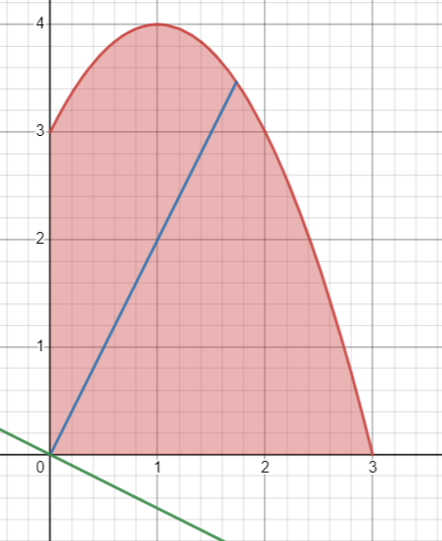
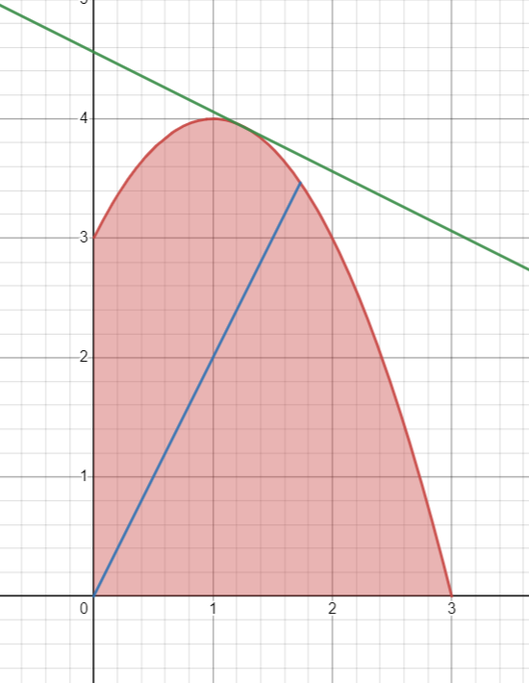
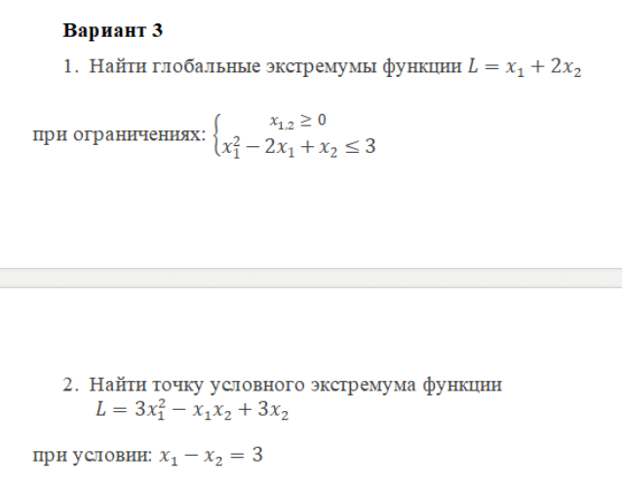
 | # 1
Глобальные экстремумы |  | L
Минимум | (0,0) | 0
Максимум | (1.25, 3.937) | 9.1250
 | 1.25
 | 3.9375

 |  |  | https://www.desmos.com/calculator/vs5lxp3uk8

#2
X1 | X2 | L | Огр
-1.5000000078 | -4.5000000078 | -13.5 | 8.970602039E-14

$L=3x_{1}^{2}−x_{1}x_{2}$+$3x_{2}+λ\left(x_{1}−x_{2}−3\right)$

$$\frac{dL}{dx1}=6x_{1}−x_{2}+λ$$

$$\frac{dL}{dx2}=−x_{1}−λ+3$$

$$\left\{\begin{aligned}6x_{1}−x_{2}+λ=0 \\ {−x}_{1}−λ+3=0 \\ x_{1^{−x}2}−3=0\end{aligned}\right.$$

4.5$=λ$

$L=$3*-1.5^2 + 1.5*-4.5 + 3*-4.5 =
$$\left\{\begin{aligned}6x_{1}−x_{2}+λ=0 \\ x_{1}+λ=3 \\ x_{1^{−x}2}=3\end{aligned}\right.$$
 |  |  |  | -13.5

$$\left\{\begin{aligned}x1=−\frac{3}{2}=−1.5 \\ x_{2}=−\frac{9}{2}=−4.5 \\ x1 −x2=\frac{9}{2}=4.5\end{aligned}\right.$$

