6.Star Schema
Star Schema

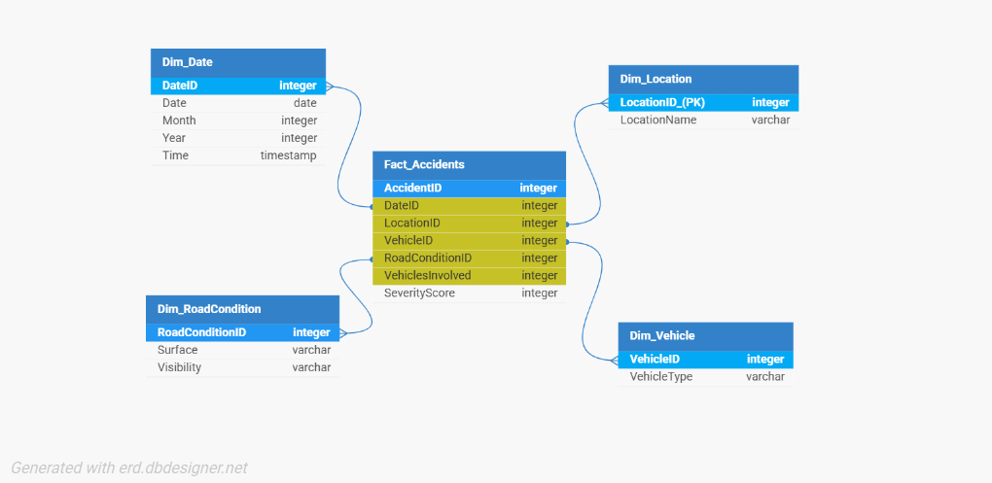
Star Schema Image | Possible Star Schema Queries
 | Sno | Business Question Addressed | SQL query
 | 1 | Total accidents by vehicle type in 2025 | SELECT v.VehicleType, COUNT(*) as AccidentCount FROM Fact_Accidents f JOIN Dim_Vehicle v ON f.VehicleID = v.VehicleID JOIN Dim_Date d ON f.DateID = d.DateID WHERE d.Year = 2025 GROUP BY v.VehicleType;
 | 2 | Average severity score for accidents on snowy surfaces | SELECT r.Surface, AVG(f.SeverityScore) as AvgSeverity FROM Fact_Accidents f JOIN Dim_RoadCondition r ON f.RoadConditionID = r.RoadConditionID WHERE r.Surface = 'Snowy' GROUP BY r.Surface;
 | 3 | Locations with the highest number of severe accidents | SELECT l.LocationName, COUNT(*) as SevereAccidents FROM Fact_Accidents f JOIN Dim_Location l ON f.LocationID = l.LocationID WHERE f.SeverityScore = 3 GROUP BY l.LocationName ORDER BY SevereAccidents DESC LIMIT 5;
 | 4 | Accidents by month and severity | SELECT d.Month, f.SeverityScore, COUNT(*) as AccidentCount FROM Fact_Accidents f JOIN Dim_Date d ON f.DateID = d.DateID GROUP BY d.Month, f.SeverityScore ORDER BY d.Month;
 | 5 | Count of accidents under rainy visibility by vehicle type | SELECT v.VehicleType, COUNT(*) as AccidentCount FROM Fact_Accidents f JOIN Dim_Vehicle v ON f.VehicleID = v.VehicleID JOIN Dim_RoadCondition r ON f.RoadConditionID = r.RoadConditionID WHERE r.Visibility = 'Rainy' GROUP BY v.VehicleType;
 | 6 | Total vehicles involved by location | SELECT l.LocationName, SUM(f.VehiclesInvolved) as TotalVehicles FROM Fact_Accidents f JOIN Dim_Location l ON f.LocationID = l.LocationID GROUP BY l.LocationName ORDER BY TotalVehicles DESC;

