Fig04_TotalProtein
Figure 4. Total host protein content declines under starvation in both hosts.
Boxes: median and interquartile range; points: individual animals; p: Welch t-test, Holm-adjusted across the two hosts. Image = figure as printed in the thesis; data below.

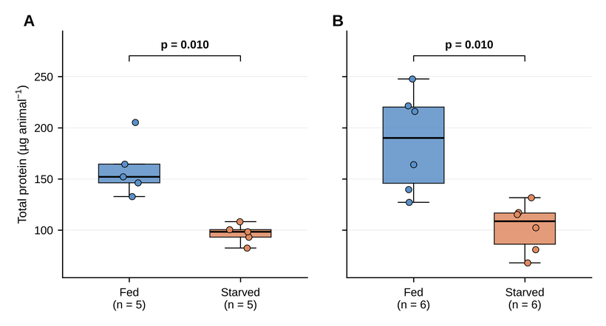

p-values printed on the figure
Host | n_Fed | n_Starved | p_Welch | p_Holm
Exaiptasia | 5 | 5 | 0.00479 | 0.00958
Waminoa | 6 | 6 | 0.00682 | 0.00958

Values per animal
Organism | Treatment | Sample | value (reporting unit)
Exaiptasia | Fed | AF1 | 132.728242
Exaiptasia | Fed | AF2 | 146.191358
Exaiptasia | Fed | AF3 | 205.272914
Exaiptasia | Fed | AF4 | 152.120168
Exaiptasia | Fed | AF5 | 164.477833
Exaiptasia | Starved | AS1 | 93.04863
Exaiptasia | Starved | AS2 | 100.409891
Exaiptasia | Starved | AS3 | 98.361536
Exaiptasia | Starved | AS4 | 82.477715
Exaiptasia | Starved | AS5 | 108.218869
Waminoa | Fed | WF1 | 127.176523
Waminoa | Fed | WF2 | 139.61018
Waminoa | Fed | WF3 | 221.51859
Waminoa | Fed | WF4 | 247.772179
Waminoa | Fed | WF5 | 163.962327
Waminoa | Fed | WF6 | 216.066307
Waminoa | Starved | WS1 | 102.290732
Waminoa | Starved | WS2 | 131.653348
Waminoa | Starved | WS3 | 67.907771
Waminoa | Starved | WS4 | 80.869203
Waminoa | Starved | WS5 | 117.225165
Waminoa | Starved | WS6 | 115.234421

Fig05_SymbiontsPerAnimal
Figure 5. Symbiont number per animal declines under starvation in Exaiptasia but not in Waminoa.
Boxes: median and interquartile range; points: individual animals; p: Welch t-test, Holm-adjusted across the two hosts. Image = figure as printed in the thesis; data below.

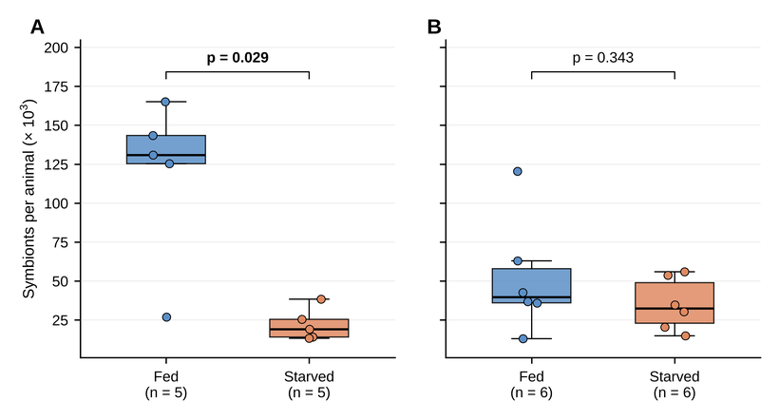

p-values printed on the figure
Host | n_Fed | n_Starved | p_Welch | p_Holm
Exaiptasia | 5 | 5 | 0.01447 | 0.02893
Waminoa | 6 | 6 | 0.34339 | 0.34339

Values per animal
Organism | Treatment | Sample | value (reporting unit)
Exaiptasia | Fed | AF1 | 125.33333333
Exaiptasia | Fed | AF2 | 130.83333333
Exaiptasia | Fed | AF3 | 143.5
Exaiptasia | Fed | AF4 | 26.95
Exaiptasia | Fed | AF5 | 165.16666667
Exaiptasia | Starved | AS1 | 38.45
Exaiptasia | Starved | AS2 | 14.1
Exaiptasia | Starved | AS3 | 19.116666667
Exaiptasia | Starved | AS4 | 13.35
Exaiptasia | Starved | AS5 | 25.483333333
Waminoa | Fed | WF1 | 63
Waminoa | Fed | WF2 | 42.633333333
Waminoa | Fed | WF3 | 35.85
Waminoa | Fed | WF4 | 12.983333333
Waminoa | Fed | WF5 | 36.75
Waminoa | Fed | WF6 | 120.5
Waminoa | Starved | WS1 | 30.325
Waminoa | Starved | WS2 | 20.4
Waminoa | Starved | WS3 | 53.725
Waminoa | Starved | WS4 | 14.875
Waminoa | Starved | WS5 | 34.7
Waminoa | Starved | WS6 | 55.975

Fig06_SymbiontDensity
Figure 6. Symbiont density normalised to host protein declines under starvation in Exaiptasia but not in Waminoa.
Boxes: median and interquartile range; points: individual animals; p: Welch t-test, Holm-adjusted across the two hosts. Image = figure as printed in the thesis; data below.

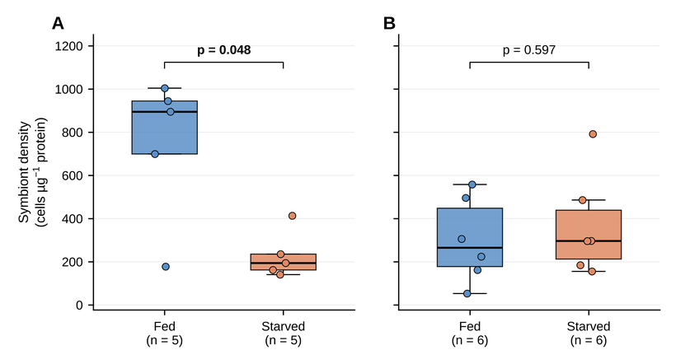

p-values printed on the figure
Host | n_Fed | n_Starved | p_Welch | p_Holm
Exaiptasia | 5 | 5 | 0.02383 | 0.04766
Waminoa | 6 | 6 | 0.5975 | 0.5975

Values per animal
Organism | Treatment | Sample | value (reporting unit)
Exaiptasia | Fed | AF1 | 944.28534157
Exaiptasia | Fed | AF2 | 894.94574182
Exaiptasia | Fed | AF3 | 699.06933752
Exaiptasia | Fed | AF4 | 177.16257058
Exaiptasia | Fed | AF5 | 1004.1880031
Exaiptasia | Starved | AS1 | 413.22478364
Exaiptasia | Starved | AS2 | 140.42441297
Exaiptasia | Starved | AS3 | 194.35103847
Exaiptasia | Starved | AS4 | 161.86190415
Exaiptasia | Starved | AS5 | 235.4795755
Waminoa | Fed | WF1 | 495.37444895
Waminoa | Fed | WF2 | 305.3741019
Waminoa | Fed | WF3 | 161.83743315
Waminoa | Fed | WF4 | 52.400287173
Waminoa | Fed | WF5 | 224.1368531
Waminoa | Fed | WF6 | 557.69916963
Waminoa | Starved | WS1 | 296.45892064
Waminoa | Starved | WS2 | 154.95238298
Waminoa | Starved | WS3 | 791.14656848
Waminoa | Starved | WS4 | 183.93899591
Waminoa | Starved | WS5 | 296.01152619
Waminoa | Starved | WS6 | 485.74895864

Fig07_NetO2
Figure 7. Net oxygen production declines in both hosts, more steeply in Exaiptasia.
Boxes: median and interquartile range; points: individual animals; p: Welch t-test, Holm-adjusted across the two hosts. Image = figure as printed in the thesis; data below.

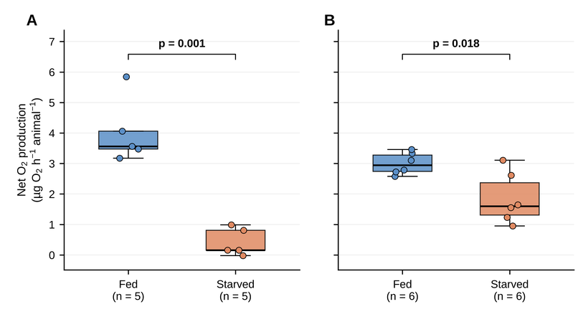

p-values printed on the figure
Host | n_Fed | n_Starved | p_Welch | p_Holm
Exaiptasia | 5 | 5 | 0.0007 | 0.0014
Waminoa | 6 | 6 | 0.01823 | 0.01823

Values per animal
Organism | Treatment | Sample | value (reporting unit)
Exaiptasia | Fed | AF1 | 5.8465909091
Exaiptasia | Fed | AF2 | 3.1721938776
Exaiptasia | Fed | AF3 | 3.4759615385
Exaiptasia | Fed | AF4 | 4.0618523316
Exaiptasia | Fed | AF5 | 3.5625
Exaiptasia | Starved | AS1 | 0.98689516129
Exaiptasia | Starved | AS2 | 0.81101165344
Exaiptasia | Starved | AS3 | 0.15959252971
Exaiptasia | Starved | AS4 | 0.15959252971
Exaiptasia | Starved | AS5 | -0.022529441884
Waminoa | Fed | WF1 | 3.3320158103
Waminoa | Fed | WF2 | 3.1033966034
Waminoa | Fed | WF3 | 2.788297338
Waminoa | Fed | WF4 | 2.5770416025
Waminoa | Fed | WF5 | 2.7272727273
Waminoa | Fed | WF6 | 3.4620779221
Waminoa | Starved | WS1 | 1.553014553
Waminoa | Starved | WS2 | 3.1095902354
Waminoa | Starved | WS3 | 1.6474201474
Waminoa | Starved | WS4 | 0.95045045045
Waminoa | Starved | WS5 | 2.6127311522
Waminoa | Starved | WS6 | 1.2311522048

Fig08_O2perProtein
Figure 8. Net oxygen production per unit host biomass declines only in Exaiptasia.
Boxes: median and interquartile range; points: individual animals; p: Welch t-test, Holm-adjusted across the two hosts. Image = figure as printed in the thesis; data below.

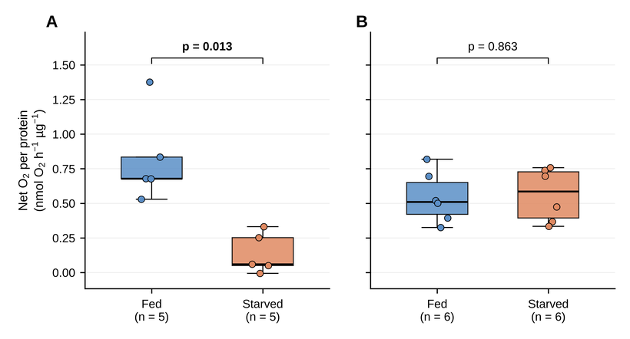

p-values printed on the figure
Host | n_Fed | n_Starved | p_Welch | p_Holm
Exaiptasia | 5 | 5 | 0.0067 | 0.0134
Waminoa | 6 | 6 | 0.86274 | 0.86274

Values per animal
Organism | Treatment | Sample | value (reporting unit)
Exaiptasia | Fed | AF1 | 1.3765417454
Exaiptasia | Fed | AF2 | 0.67809109943
Exaiptasia | Fed | AF3 | 0.52916771122
Exaiptasia | Fed | AF4 | 0.83442509321
Exaiptasia | Fed | AF5 | 0.6768579265
Exaiptasia | Starved | AS1 | 0.33144468425
Exaiptasia | Starved | AS2 | 0.25240654997
Exaiptasia | Starved | AS3 | 0.050703422865
Exaiptasia | Starved | AS4 | 0.060468049503
Exaiptasia | Starved | AS5 | -0.0065057514035
Waminoa | Fed | WF1 | 0.81874776582
Waminoa | Fed | WF2 | 0.69465667802
Waminoa | Fed | WF3 | 0.39334979431
Waminoa | Fed | WF4 | 0.32502660469
Waminoa | Fed | WF5 | 0.51979789679
Waminoa | Fed | WF6 | 0.50072561783
Waminoa | Starved | WS1 | 0.47444869963
Waminoa | Starved | WS2 | 0.73811032026
Waminoa | Starved | WS3 | 0.75811470247
Waminoa | Starved | WS4 | 0.36727920487
Waminoa | Starved | WS5 | 0.69650444515
Waminoa | Starved | WS6 | 0.33387165109

Fig09_FvFm
Figure 9. Photosynthetic efficiency declines in Exaiptasia only.
Boxes: median and interquartile range; points: individual animals; p: Welch t-test, Holm-adjusted across the two hosts. Image = figure as printed in the thesis; data below.

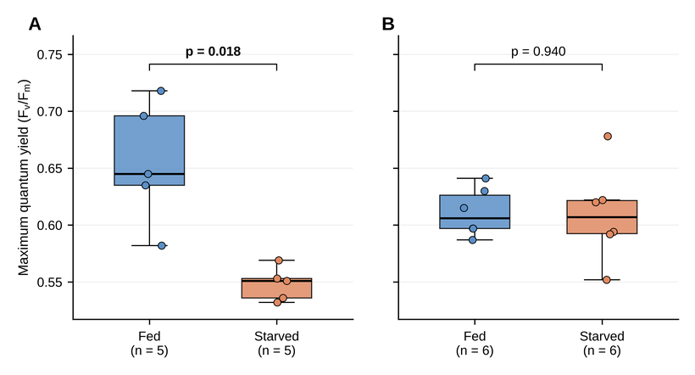

p-values printed on the figure
Host | n_Fed | n_Starved | p_Welch | p_Holm
Exaiptasia | 5 | 5 | 0.00923 | 0.01846
Waminoa | 6 | 6 | 0.93979 | 0.93979

Values per animal
Organism | Treatment | Sample | value (reporting unit)
Exaiptasia | Fed | AF1 | 0.635
Exaiptasia | Fed | AF2 | 0.696
Exaiptasia | Fed | AF3 | 0.718
Exaiptasia | Fed | AF4 | 0.645
Exaiptasia | Fed | AF5 | 0.582
Exaiptasia | Starved | AS1 | 0.553
Exaiptasia | Starved | AS2 | 0.532
Exaiptasia | Starved | AS3 | 0.551
Exaiptasia | Starved | AS4 | 0.536
Exaiptasia | Starved | AS5 | 0.569
Waminoa | Fed | WF1 | 0.597
Waminoa | Fed | WF2 | 0.63
Waminoa | Fed | WF3 | 0.587
Waminoa | Fed | WF4 | 0.641
Waminoa | Fed | WF5 | 0.615
Waminoa | Fed | WF6 | 0.597
Waminoa | Starved | WS1 | 0.622
Waminoa | Starved | WS2 | 0.594
Waminoa | Starved | WS3 | 0.62
Waminoa | Starved | WS4 | 0.592
Waminoa | Starved | WS5 | 0.552
Waminoa | Starved | WS6 | 0.678

Fig10_NH4perProtein
Figure 10. Ammonium uptake collapses in Exaiptasia but is maintained in Waminoa.
Boxes: median and interquartile range; points: individual animals; p: Welch t-test, Holm-adjusted across the two hosts. Image = figure as printed in the thesis; data below.

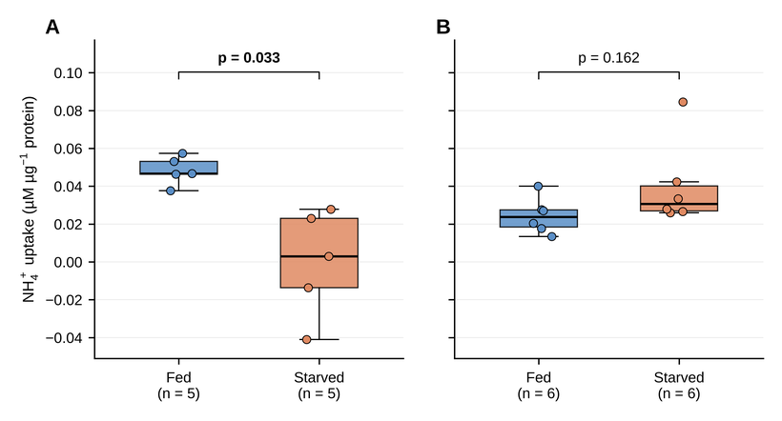

p-values printed on the figure
Host | n_Fed | n_Starved | p_Welch | p_Holm
Exaiptasia | 5 | 5 | 0.01631 | 0.03263
Waminoa | 6 | 6 | 0.1615 | 0.1615

Values per animal
Organism | Treatment | Sample | value (reporting unit)
Exaiptasia | Fed | AF1 | 0.05735407273
Exaiptasia | Fed | AF2 | 0.046740339398
Exaiptasia | Fed | AF3 | 0.053156220845
Exaiptasia | Fed | AF4 | 0.046418824958
Exaiptasia | Fed | AF5 | 0.037686579644
Exaiptasia | Starved | AS1 | -0.041045025424
Exaiptasia | Starved | AS2 | 0.023011589297
Exaiptasia | Starved | AS3 | 0.027813037283
Exaiptasia | Starved | AS4 | 0.0029819362236
Exaiptasia | Starved | AS5 | -0.013649676989
Waminoa | Fed | WF1 | 0.027607119201
Waminoa | Fed | WF2 | 0.040075203391
Waminoa | Fed | WF3 | 0.017724108536
Waminoa | Fed | WF4 | 0.027072173454
Waminoa | Fed | WF5 | 0.020459055921
Waminoa | Fed | WF6 | 0.013467076683
Waminoa | Starved | WS1 | 0.033366451244
Waminoa | Starved | WS2 | 0.026668348989
Waminoa | Starved | WS3 | 0.084593856983
Waminoa | Starved | WS4 | 0.025937815302
Waminoa | Starved | WS5 | 0.027951600119
Waminoa | Starved | WS6 | 0.042355211773

Fig11_O2perCell
Figure 11. No change in oxygen production per symbiont cell was detected in either host.
Boxes: median and interquartile range; points: individual animals; p: Welch t-test, Holm-adjusted across the two hosts. Image = figure as printed in the thesis; data below.

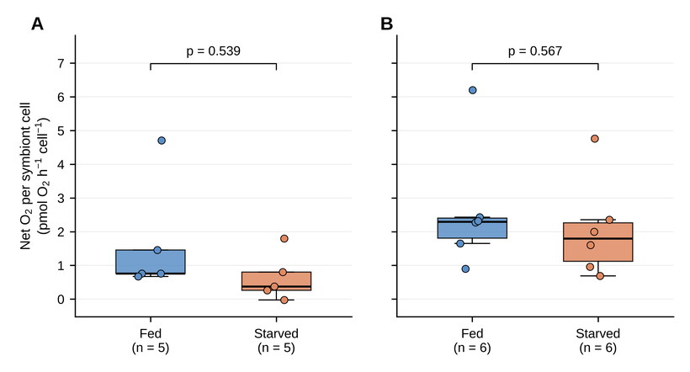

p-values printed on the figure
Host | n_Fed | n_Starved | p_Welch | p_Holm
Exaiptasia | 5 | 5 | 0.26948 | 0.53897
Waminoa | 6 | 6 | 0.56697 | 0.56697

Values per animal
Organism | Treatment | Sample | value (reporting unit)
Exaiptasia | Fed | AF1 | 1.4577603663
Exaiptasia | Fed | AF2 | 0.75768962044
Exaiptasia | Fed | AF3 | 0.75696026534
Exaiptasia | Fed | AF4 | 4.7099400877
Exaiptasia | Fed | AF5 | 0.67403506559
Exaiptasia | Starved | AS1 | 0.80209294643
Exaiptasia | Starved | AS2 | 1.7974549057
Exaiptasia | Starved | AS3 | 0.26088578309
Exaiptasia | Starved | AS4 | 0.37357801899
Exaiptasia | Starved | AS5 | -0.027627667452
Waminoa | Fed | WF1 | 1.6527856202
Waminoa | Fed | WF2 | 2.2747727253
Waminoa | Fed | WF3 | 2.4305241789
Waminoa | Fed | WF4 | 6.2027638058
Waminoa | Fed | WF5 | 2.319109462
Waminoa | Fed | WF6 | 0.89784178477
Waminoa | Starved | WS1 | 1.600385978
Waminoa | Starved | WS2 | 4.7634654341
Waminoa | Starved | WS3 | 0.95824810809
Waminoa | Starved | WS4 | 1.9967446438
Waminoa | Starved | WS5 | 2.3529639339
Waminoa | Starved | WS6 | 0.68733374544

Fig12_16S
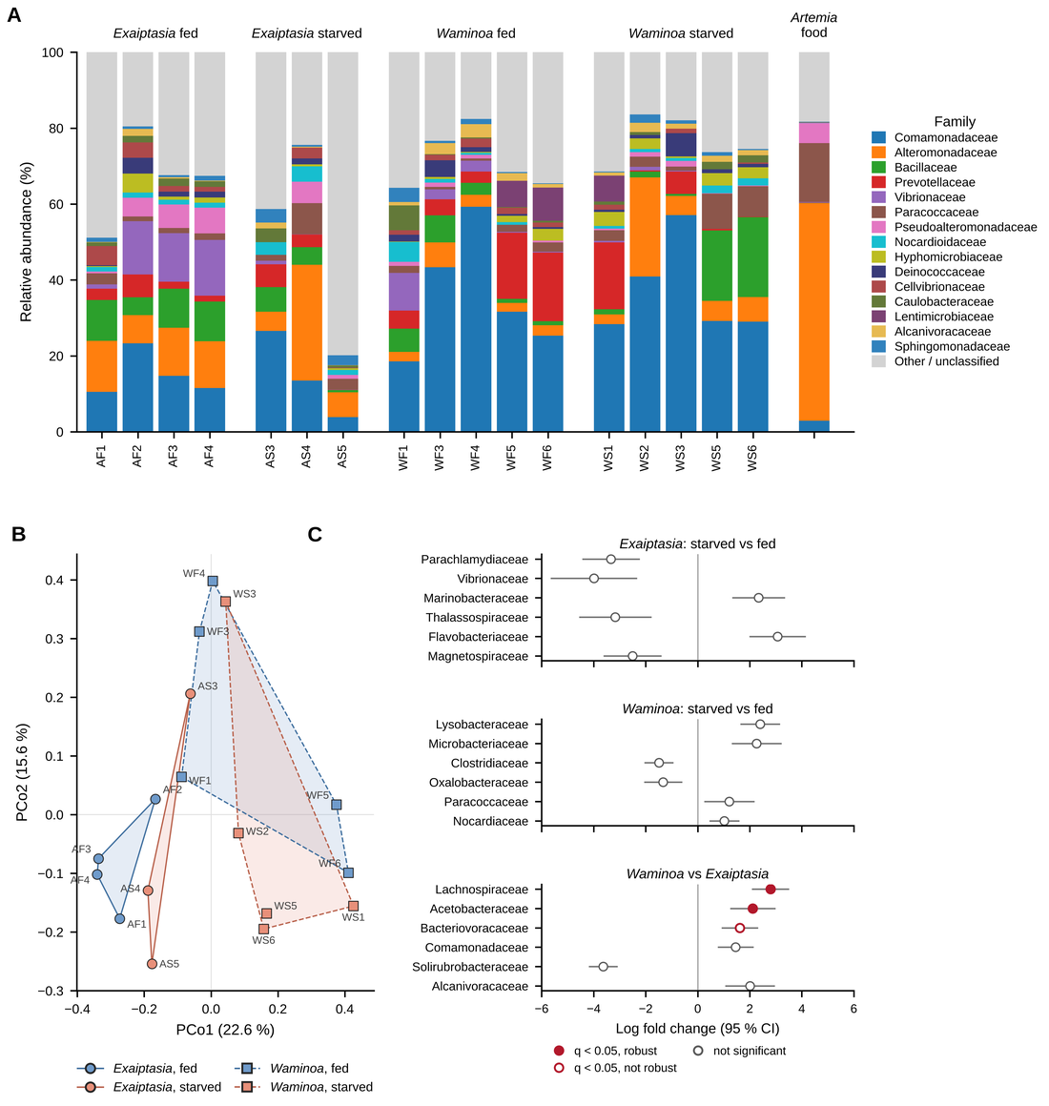
Figure 12. Bacterial communities differed between the hosts but showed no consistent response to starvation.
(A) top-15 families after contaminant removal (sheet Fig12A_Family_bars); (B) PCoA of Bray–Curtis dissimilarities (Fig12B_PCoA_BrayCurtis); (C) ANCOM-BC2 log fold changes (Fig12C_ANCOMBC2_family). n = 17 animals.

