Help section
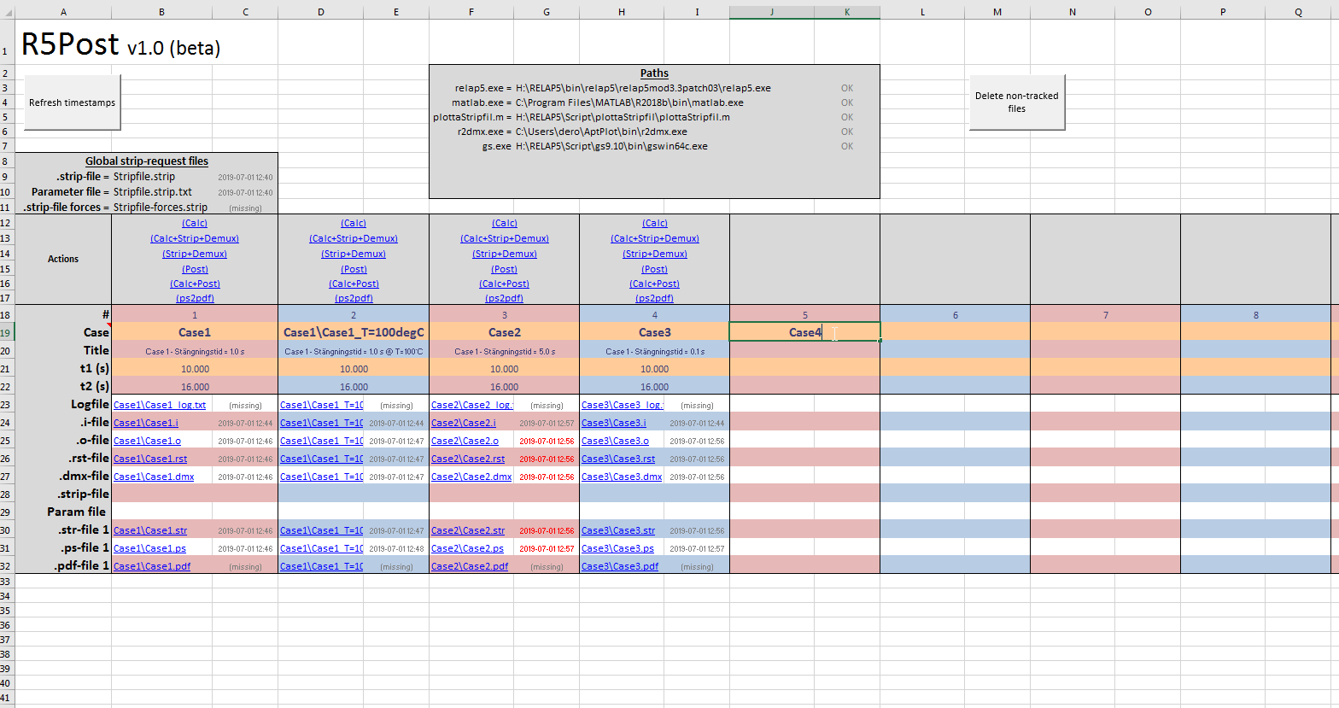
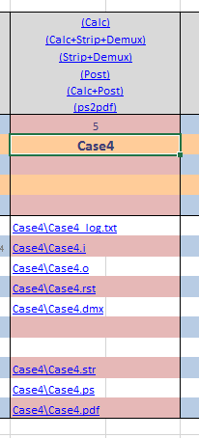
Adjust paths
Actions
Writing "Case4" lights up everything
Red text indicates that derived files are older than its parent
Refresh all timestamps (press frequently to check status)
Deletes all files that aren't listed below
Use this text format for modifications in same folder

