System1_annotated
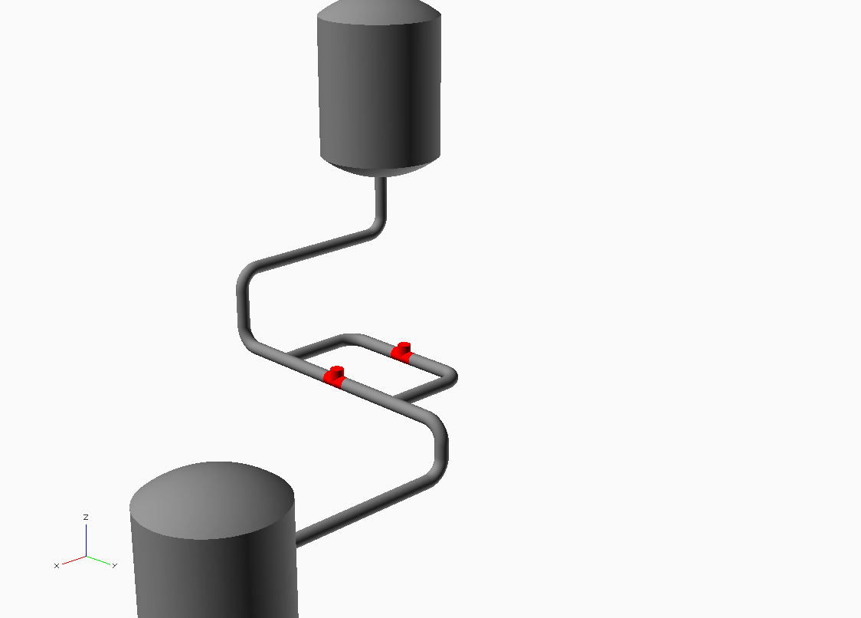

T1

(VOL_25)

PIPE_29

PIPE_30
PIPE_31

PIPE_49
PIPE_50
V2

PIPE_54
PIPE_32
PIPE_55
V1

PIPE_36
PIPE_37

PIPE_38

T2

(VOL_42)

Sheet_system1
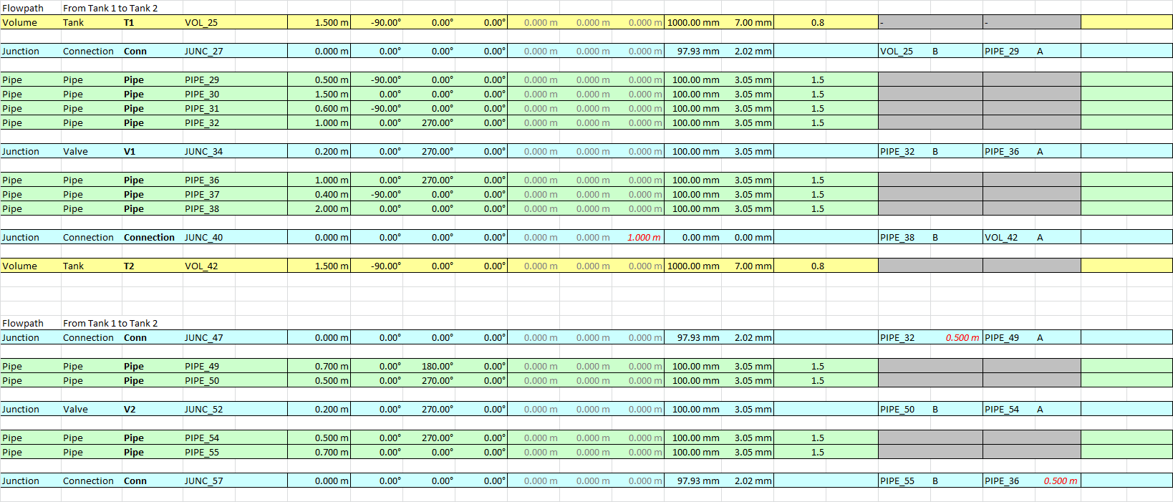

Sheet_2_model
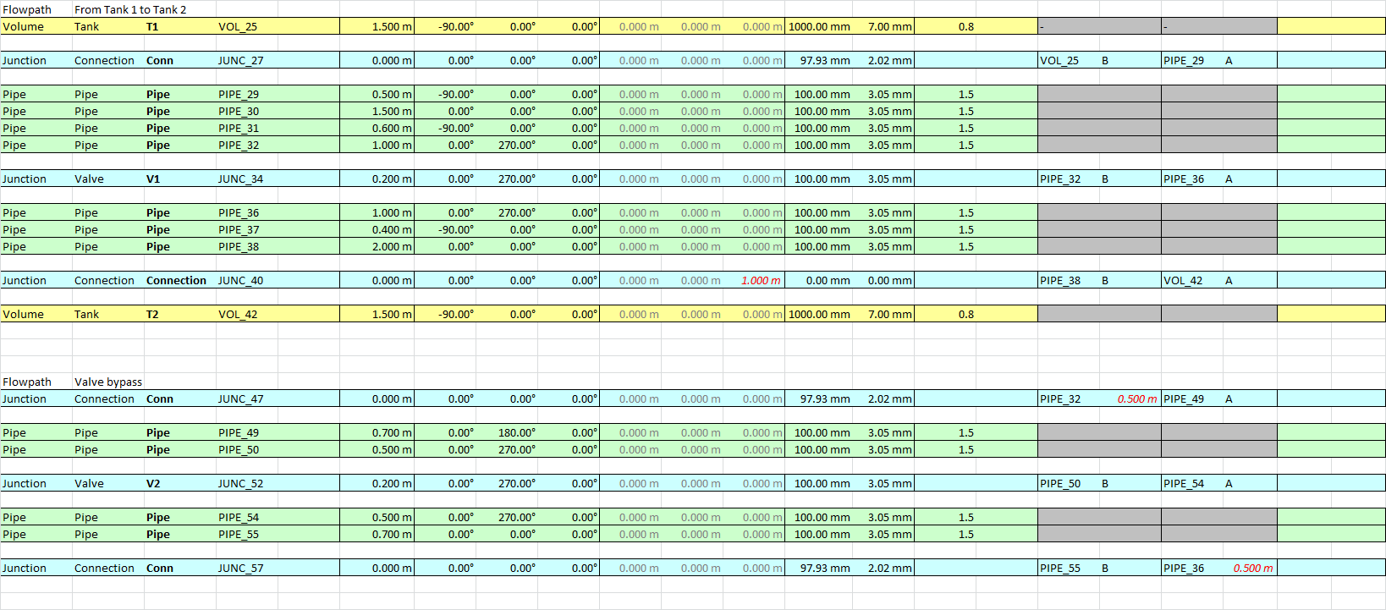

T1

V2

V1

T2

Connection
PIPE_30

PIPE_31

V2
PIPE_49
PIPE_50
PIPE_32
0.5 m
PIPE_54

PIPE_55
V1
PIPE_36

0.5 m

PIPE_37

PIPE_38

Connection_sheet
