PopulationReport
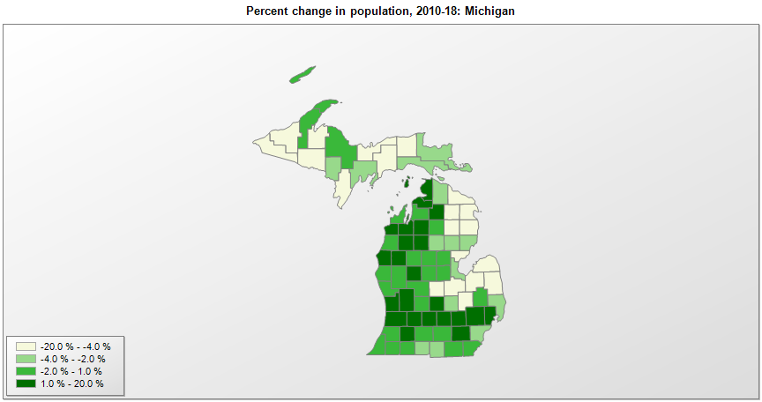

FIPS* | County name | RUC code | Pop. 1990 | Pop. 2000 | Pop. 2010 | Pop. 2018 | Change 2010-18
26000 | Michigan |  | 9,295,287 | 9,938,823 | 9,884,117 | 9,995,915 | 1.1%
26001 | Alcona County | 9 | 10,145 | 11,709 | 10,942 | 10,362 | -5.3%
26003 | Alger County | 7 | 8,972 | 9,860 | 9,601 | 9,097 | -5.2%
26005 | Allegan County | 4 | 90,509 | 105,631 | 111,407 | 117,327 | 5.3%
26007 | Alpena County | 7 | 30,605 | 31,297 | 29,601 | 28,360 | -4.2%
26009 | Antrim County | 9 | 18,185 | 23,102 | 23,574 | 23,365 | -0.9%
26011 | Arenac County | 8 | 14,906 | 17,279 | 15,899 | 15,041 | -5.4%
26013 | Baraga County | 9 | 7,954 | 8,739 | 8,866 | 8,320 | -6.2%
26015 | Barry County | 2 | 50,057 | 56,776 | 59,175 | 61,157 | 3.3%
26017 | Bay County | 3 | 111,723 | 110,271 | 107,773 | 103,923 | -3.6%
26019 | Benzie County | 9 | 12,200 | 15,986 | 17,524 | 17,753 | 1.3%
26021 | Berrien County | 3 | 161,378 | 162,491 | 156,811 | 154,141 | -1.7%
26023 | Branch County | 6 | 41,502 | 45,781 | 45,248 | 43,622 | -3.6%
26025 | Calhoun County | 3 | 135,982 | 137,991 | 136,148 | 134,487 | -1.2%
26027 | Cass County | 2 | 49,477 | 51,086 | 52,288 | 51,653 | -1.2%
26029 | Charlevoix County | 7 | 21,468 | 26,087 | 25,956 | 26,244 | 1.1%
26031 | Cheboygan County | 7 | 21,398 | 26,406 | 26,145 | 25,413 | -2.8%
26033 | Chippewa County | 7 | 34,604 | 38,543 | 38,669 | 37,517 | -3.0%
26035 | Clare County | 6 | 24,952 | 31,259 | 30,924 | 30,757 | -0.5%
26037 | Clinton County | 2 | 57,893 | 64,715 | 75,367 | 79,332 | 5.3%
26039 | Crawford County | 7 | 12,260 | 14,236 | 14,081 | 13,901 | -1.3%
26041 | Delta County | 5 | 37,780 | 38,528 | 37,069 | 35,857 | -3.3%
26043 | Dickinson County | 7 | 26,831 | 27,474 | 26,168 | 25,383 | -3.0%
26045 | Eaton County | 2 | 92,879 | 103,721 | 107,763 | 109,826 | 1.9%
26047 | Emmet County | 7 | 25,040 | 31,435 | 32,694 | 33,308 | 1.9%
26049 | Genesee County | 2 | 430,459 | 436,213 | 425,789 | 406,892 | -4.4%
26051 | Gladwin County | 6 | 21,896 | 26,042 | 25,695 | 25,337 | -1.4%
26053 | Gogebic County | 7 | 18,052 | 17,375 | 16,424 | 15,096 | -8.1%
26055 | Grand Traverse County | 5 | 64,273 | 77,655 | 86,981 | 92,573 | 6.4%
26057 | Gratiot County | 6 | 38,982 | 42,289 | 42,476 | 40,599 | -4.4%
26059 | Hillsdale County | 6 | 43,431 | 46,540 | 46,686 | 45,749 | -2.0%
26061 | Houghton County | 5 | 35,446 | 36,013 | 36,625 | 36,219 | -1.1%
26063 | Huron County | 7 | 34,951 | 36,088 | 33,118 | 31,166 | -5.9%
26065 | Ingham County | 2 | 281,912 | 279,409 | 280,891 | 292,735 | 4.2%
26067 | Ionia County | 4 | 57,024 | 61,539 | 63,899 | 64,210 | 0.5%
26069 | Iosco County | 7 | 30,209 | 27,343 | 25,888 | 25,081 | -3.1%
26071 | Iron County | 7 | 13,175 | 13,129 | 11,817 | 11,117 | -5.9%
26073 | Isabella County | 4 | 54,624 | 63,336 | 70,313 | 70,562 | 0.4%
26075 | Jackson County | 3 | 149,756 | 158,426 | 160,245 | 158,823 | -0.9%
26077 | Kalamazoo County | 2 | 223,411 | 238,602 | 250,327 | 264,870 | 5.8%
26079 | Kalkaska County | 7 | 13,497 | 16,565 | 17,147 | 17,824 | 3.9%
26081 | Kent County | 2 | 500,631 | 574,421 | 602,628 | 653,786 | 8.5%
26083 | Keweenaw County | 9 | 1,701 | 2,296 | 2,156 | 2,113 | -2.0%
26085 | Lake County | 9 | 8,583 | 11,274 | 11,539 | 11,881 | 3.0%
26087 | Lapeer County | 1 | 74,768 | 87,947 | 88,318 | 88,028 | -0.3%
26089 | Leelanau County | 9 | 16,527 | 21,125 | 21,713 | 21,764 | 0.2%
26091 | Lenawee County | 4 | 91,476 | 98,970 | 99,892 | 98,266 | -1.6%
26093 | Livingston County | 1 | 115,645 | 156,943 | 180,961 | 191,224 | 5.7%
26095 | Luce County | 7 | 5,763 | 7,028 | 6,631 | 6,283 | -5.2%
26097 | Mackinac County | 7 | 10,674 | 11,941 | 11,117 | 10,787 | -3.0%
26099 | Macomb County | 1 | 717,400 | 788,120 | 841,039 | 874,759 | 4.0%
26101 | Manistee County | 7 | 21,265 | 24,500 | 24,747 | 24,528 | -0.9%
26103 | Marquette County | 5 | 70,887 | 64,634 | 67,071 | 66,516 | -0.8%
26105 | Mason County | 7 | 25,537 | 28,283 | 28,691 | 29,100 | 1.4%
26107 | Mecosta County | 6 | 37,308 | 40,547 | 42,798 | 43,545 | 1.7%
26109 | Menominee County | 7 | 24,920 | 25,323 | 24,029 | 22,983 | -4.4%
26111 | Midland County | 3 | 75,651 | 82,797 | 83,626 | 83,209 | -0.5%
26113 | Missaukee County | 9 | 12,147 | 14,473 | 14,851 | 15,113 | 1.8%
26115 | Monroe County | 3 | 133,600 | 145,939 | 152,024 | 150,439 | -1.0%
26117 | Montcalm County | 2 | 53,059 | 61,270 | 63,342 | 63,968 | 1.0%
26119 | Montmorency County | 9 | 8,936 | 10,316 | 9,760 | 9,265 | -5.1%
26121 | Muskegon County | 3 | 158,983 | 170,208 | 172,194 | 173,588 | 0.8%
26123 | Newaygo County | 6 | 38,206 | 47,858 | 48,460 | 48,892 | 0.9%
26125 | Oakland County | 1 | 1,083,592 | 1,194,346 | 1,202,384 | 1,259,201 | 4.7%
26127 | Oceana County | 6 | 22,455 | 26,857 | 26,570 | 26,625 | 0.2%
26129 | Ogemaw County | 9 | 18,681 | 21,644 | 21,699 | 20,952 | -3.4%
26131 | Ontonagon County | 9 | 8,854 | 7,817 | 6,780 | 5,795 | -14.5%
26133 | Osceola County | 9 | 20,146 | 23,199 | 23,528 | 23,341 | -0.8%
26135 | Oscoda County | 9 | 7,842 | 9,399 | 8,636 | 8,276 | -4.2%
26137 | Otsego County | 7 | 17,957 | 23,310 | 24,166 | 24,665 | 2.1%
26139 | Ottawa County | 2 | 187,768 | 238,413 | 263,795 | 290,494 | 10.1%
26141 | Presque Isle County | 7 | 13,743 | 14,421 | 13,376 | 12,738 | -4.8%
26143 | Roscommon County | 7 | 19,776 | 25,452 | 24,448 | 23,884 | -2.3%
26145 | Saginaw County | 3 | 211,946 | 210,051 | 200,169 | 190,800 | -4.7%
26147 | St. Clair County | 1 | 145,607 | 164,242 | 163,049 | 159,337 | -2.3%
26149 | St. Joseph County | 4 | 58,913 | 62,411 | 61,295 | 61,043 | -0.4%
26151 | Sanilac County | 6 | 39,928 | 44,511 | 43,101 | 41,182 | -4.5%
26153 | Schoolcraft County | 7 | 8,302 | 8,900 | 8,485 | 8,068 | -4.9%
26155 | Shiawassee County | 4 | 69,770 | 71,695 | 70,663 | 68,192 | -3.5%
26157 | Tuscola County | 6 | 55,498 | 58,263 | 55,730 | 52,516 | -5.8%
26159 | Van Buren County | 2 | 70,060 | 76,239 | 76,264 | 75,448 | -1.1%
26161 | Washtenaw County | 2 | 282,937 | 322,818 | 345,104 | 370,963 | 7.5%
26163 | Wayne County | 1 | 2,111,687 | 2,061,180 | 1,820,539 | 1,753,893 | -3.7%
26165 | Wexford County | 7 | 26,360 | 30,475 | 32,735 | 33,466 | 2.2%

Source: U.S. Census Bureau, 1990, 2000, and 2010 Censuses of Population (corrected), and 2018 County Total Population Estimates. 1) The FIPS codes uniquely identify each county and are part of the Federal Information Processing Standards (FIPS) developed by the National Institute of Standards and Technology (NIST), U.S. Department of Commerce. For more information, see the NIST FIPS publication page. 2) The 2013 rural-urban continuum codes classify metropolitan counties (codes 1 through 3) by size of the Metropolitan Statistical Area (MSA), and nonmetropolitan counties (codes 4 through 9) by degree of urbanization and proximity to metro areas. See rural-urban continuum codes for precise definitions of each code.

