PovertyReport
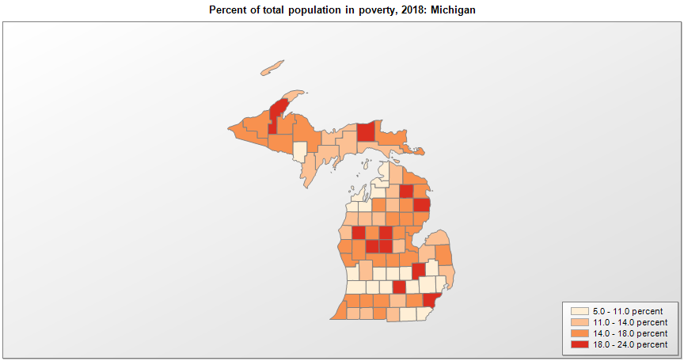
 | Percent | Number
 |  |  |  | All people in poverty (2018) |  |  | Children ages 0-17 in poverty (2018)
 |  |  |  |  | 90% confidence interval of estimate |  |  | 90% confidence interval of estimate
FIPS* |  | Name | RUC Code | Percent | Lower Bound | Upper Bound | Percent | Lower Bound | Upper Bound
26000 |  | Michigan |  | 14 | 13.8 | 14.2 | 19.3 | 18.8 | 19.8
26001 |  | Alcona | 9 | 19.5 | 16.8 | 22.2 | 31.6 | 24.6 | 38.6
26003 |  | Alger | 7 | 12.6 | 9.8 | 15.4 | 18.5 | 13.7 | 23.3
26005 |  | Allegan | 4 | 10.7 | 9.2 | 12.2 | 13.6 | 11.2 | 16
26007 |  | Alpena | 7 | 15.3 | 12.9 | 17.7 | 22.6 | 17.5 | 27.7
26009 |  | Antrim | 9 | 10.6 | 8.5 | 12.7 | 18.7 | 13.6 | 23.8
26011 |  | Arenac | 8 | 15.9 | 13.2 | 18.6 | 24.1 | 18 | 30.2
26013 |  | Baraga | 9 | 15.4 | 12.3 | 18.5 | 21 | 15.4 | 26.6
26015 |  | Barry | 2 | 8.5 | 7 | 10 | 10.8 | 8 | 13.6
26017 |  | Bay | 3 | 15.6 | 13.8 | 17.4 | 24.8 | 21.3 | 28.3
26019 |  | Benzie | 9 | 10.3 | 8.4 | 12.2 | 15.7 | 11.4 | 20
26021 |  | Berrien | 3 | 15.3 | 13.3 | 17.3 | 21.1 | 17.1 | 25.1
26023 |  | Branch | 6 | 14.5 | 12.3 | 16.7 | 21.2 | 16.6 | 25.8
26025 |  | Calhoun | 3 | 17.3 | 15.4 | 19.2 | 27.6 | 23.7 | 31.5
26027 |  | Cass | 2 | 11.2 | 8.8 | 13.6 | 17.3 | 12.9 | 21.7
26029 |  | Charlevoix | 7 | 10.6 | 8.7 | 12.5 | 16 | 12.1 | 19.9
26031 |  | Cheboygan | 7 | 13.4 | 10.5 | 16.3 | 25.9 | 19.4 | 32.4
26033 |  | Chippewa | 7 | 17.1 | 14.2 | 20 | 22.4 | 17.6 | 27.2
26035 |  | Clare | 6 | 20.6 | 17.4 | 23.8 | 32.4 | 25.2 | 39.6
26037 |  | Clinton | 2 | 7.5 | 6.3 | 8.7 | 8.6 | 6.6 | 10.6
26039 |  | Crawford | 7 | 13.6 | 10.3 | 16.9 | 26.1 | 18.5 | 33.7
26041 |  | Delta | 5 | 12.4 | 10 | 14.8 | 17.4 | 13 | 21.8
26043 |  | Dickinson | 7 | 10.8 | 8.5 | 13.1 | 15.1 | 11 | 19.2
26045 |  | Eaton | 2 | 9.3 | 8 | 10.6 | 12.2 | 9.5 | 14.9
26047 |  | Emmet | 7 | 8.3 | 6.6 | 10 | 11.4 | 8.1 | 14.7
26049 |  | Genesee | 2 | 18.8 | 17.4 | 20.2 | 28.9 | 25.5 | 32.3
26051 |  | Gladwin | 6 | 15.6 | 12.6 | 18.6 | 26.8 | 19.5 | 34.1
26053 |  | Gogebic | 7 | 17.5 | 13.4 | 21.6 | 26.8 | 19.4 | 34.2
26055 |  | Grand Traverse | 5 | 9.5 | 8 | 11 | 11.5 | 8.7 | 14.3
26057 |  | Gratiot | 6 | 16.2 | 13.2 | 19.2 | 20.8 | 15.9 | 25.7
26059 |  | Hillsdale | 6 | 13.5 | 11.3 | 15.7 | 20 | 15.1 | 24.9
26061 |  | Houghton | 5 | 19 | 16.5 | 21.5 | 15.5 | 11.6 | 19.4
26063 |  | Huron | 7 | 12.6 | 10.6 | 14.6 | 18.4 | 14.2 | 22.6
26065 |  | Ingham | 2 | 18.1 | 16.6 | 19.6 | 19.1 | 15.6 | 22.6
26067 |  | Ionia | 4 | 9.9 | 8 | 11.8 | 12.4 | 9.2 | 15.6
26069 |  | Iosco | 7 | 15.1 | 12.2 | 18 | 27.5 | 20.4 | 34.6
26071 |  | Iron | 7 | 14.2 | 11.1 | 17.3 | 24.7 | 18 | 31.4
26073 |  | Isabella | 4 | 23.4 | 21.4 | 25.4 | 16.8 | 13.2 | 20.4
26075 |  | Jackson | 3 | 13.7 | 11.8 | 15.6 | 19.9 | 16.2 | 23.6
26077 |  | Kalamazoo | 2 | 14.4 | 12.9 | 15.9 | 16.5 | 13.3 | 19.7
26079 |  | Kalkaska | 7 | 14.1 | 11.6 | 16.6 | 21.8 | 15.9 | 27.7
26081 |  | Kent | 2 | 11.3 | 10.4 | 12.2 | 14.6 | 12.6 | 16.6
26083 |  | Keweenaw | 9 | 12 | 9.3 | 14.7 | 18.6 | 13.7 | 23.5
26085 |  | Lake | 9 | 22.3 | 18.6 | 26 | 36.4 | 27.2 | 45.6
26087 |  | Lapeer | 1 | 10.1 | 8.6 | 11.6 | 13.9 | 10.8 | 17
26089 |  | Leelanau | 9 | 7 | 5.4 | 8.6 | 10.6 | 7.5 | 13.7
26091 |  | Lenawee | 4 | 10.4 | 8.5 | 12.3 | 14 | 10.3 | 17.7
26093 |  | Livingston | 1 | 5 | 4.2 | 5.8 | 5.5 | 4.1 | 6.9
26095 |  | Luce | 7 | 20.7 | 16.5 | 24.9 | 26.8 | 20 | 33.6
26097 |  | Mackinac | 7 | 13.4 | 11.1 | 15.7 | 20.8 | 15 | 26.6
26099 |  | Macomb | 1 | 11 | 10.2 | 11.8 | 16 | 14.1 | 17.9
26101 |  | Manistee | 7 | 13.1 | 10.3 | 15.9 | 21.9 | 15.9 | 27.9
26103 |  | Marquette | 5 | 14.1 | 12.3 | 15.9 | 14.8 | 11.4 | 18.2
26105 |  | Mason | 7 | 12.1 | 9.9 | 14.3 | 18.6 | 13.6 | 23.6
26107 |  | Mecosta | 6 | 18.4 | 15.7 | 21.1 | 20.7 | 15 | 26.4
26109 |  | Menominee | 7 | 12.4 | 10.1 | 14.7 | 17.3 | 12.6 | 22
26111 |  | Midland | 3 | 11.3 | 9.5 | 13.1 | 13.5 | 10.4 | 16.6
26113 |  | Missaukee | 9 | 12.9 | 10.3 | 15.5 | 21.1 | 15.9 | 26.3
26115 |  | Monroe | 3 | 10 | 8.4 | 11.6 | 13.5 | 10.5 | 16.5
26117 |  | Montcalm | 2 | 14.3 | 11.9 | 16.7 | 19.9 | 14.9 | 24.9
26119 |  | Montmorency | 9 | 18.2 | 15 | 21.4 | 32.2 | 25 | 39.4
26121 |  | Muskegon | 3 | 15.7 | 13.7 | 17.7 | 21.9 | 17.6 | 26.2
26123 |  | Newaygo | 6 | 15.6 | 13.4 | 17.8 | 23 | 18.4 | 27.6
26125 |  | Oakland | 1 | 8.2 | 7.5 | 8.9 | 9.6 | 8.1 | 11.1
26127 |  | Oceana | 6 | 15.5 | 12.7 | 18.3 | 23.3 | 17.1 | 29.5
26129 |  | Ogemaw | 9 | 15.9 | 12.8 | 19 | 26.6 | 19 | 34.2
26131 |  | Ontonagon | 9 | 14.1 | 11 | 17.2 | 25 | 17.9 | 32.1
26133 |  | Osceola | 9 | 17.6 | 15.2 | 20 | 25.2 | 19.9 | 30.5
26135 |  | Oscoda | 9 | 17.1 | 13.3 | 20.9 | 28.2 | 20.1 | 36.3
26137 |  | Otsego | 7 | 11.4 | 9.3 | 13.5 | 16.3 | 12 | 20.6
26139 |  | Ottawa | 2 | 6.8 | 5.7 | 7.9 | 5.7 | 4 | 7.4
26141 |  | Presque Isle | 7 | 14.2 | 11.7 | 16.7 | 23.2 | 17.5 | 28.9
26143 |  | Roscommon | 7 | 17.1 | 13.8 | 20.4 | 33.3 | 24.8 | 41.8
26145 |  | Saginaw | 3 | 17 | 15 | 19 | 23.9 | 19.2 | 28.6
26147 |  | St. Clair | 1 | 13.8 | 12.2 | 15.4 | 19.6 | 16.4 | 22.8
26149 |  | St. Joseph | 4 | 13.6 | 11.4 | 15.8 | 17.9 | 14 | 21.8
26151 |  | Sanilac | 6 | 15.9 | 13.8 | 18 | 22 | 17 | 27
26153 |  | Schoolcraft | 7 | 13.2 | 10.3 | 16.1 | 22 | 15.9 | 28.1
26155 |  | Shiawassee | 4 | 10.8 | 8.8 | 12.8 | 15.3 | 11.3 | 19.3
26157 |  | Tuscola | 6 | 12.7 | 10.6 | 14.8 | 17.8 | 13.2 | 22.4
26159 |  | Van Buren | 2 | 15.3 | 13.1 | 17.5 | 23.2 | 19.1 | 27.3
26161 |  | Washtenaw | 2 | 15 | 13.9 | 16.1 | 12.6 | 10.5 | 14.7
26163 |  | Wayne | 1 | 21.7 | 20.9 | 22.5 | 32.4 | 30.6 | 34.2
26165 |  | Wexford | 7 | 13.1 | 10.9 | 15.3 | 19.7 | 14.6 | 24.8

See the county-level poverty rates from the 1990 and 2000 Census of Population. See important notes about intercensal model-based poverty estimates. The 2013 rural-urban continuum codes classify metropolitan counties (codes 1 through 3) by size of the Metropolitan Statistical Area (MSA), and nonmetropolitan counties (codes 4 through 9) by degree of urbanization and proximity to metro areas. See rural-urban continuum codes for precise definitions of each code. Source: Census Bureau, Small Area Income and Poverty Estimates.

*See the Census Bureau web site for a description of FIPS codes.

