JOIN TESTS
In all models, the left side mesh (B) is the master - (except for a test case at the bottom of the sheet)
Merged Join Tests
 | Reference cases
 | Matched mesh - Join consists of all "1 to 1" equations |  |  |  |  |  | ONE MESH MODEL - NO JOIN… | This model hand edited from 1 to 1 model shown to the left
 | These are still separate meshes - just tied 1 to 1 at the interface
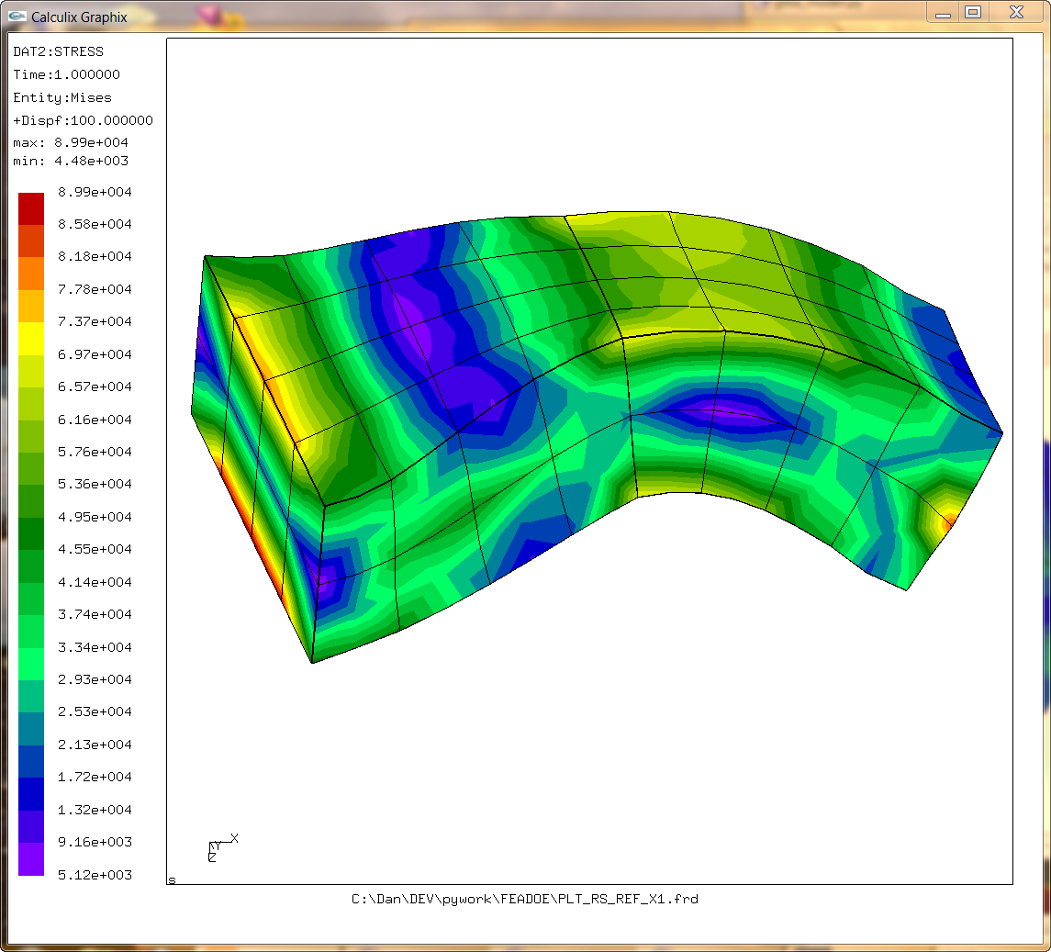
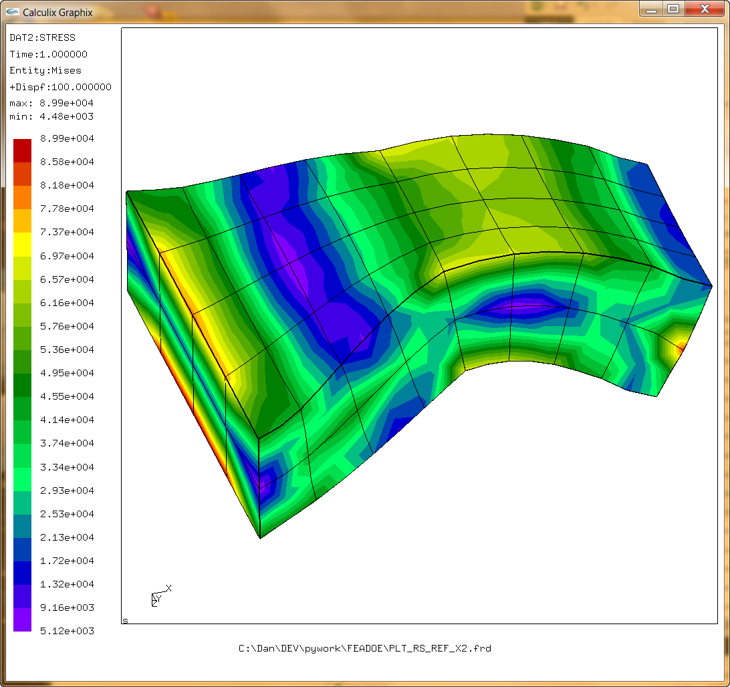

A
B

 |  | Attempt 0 -
 |  | Just the corners used in the equations

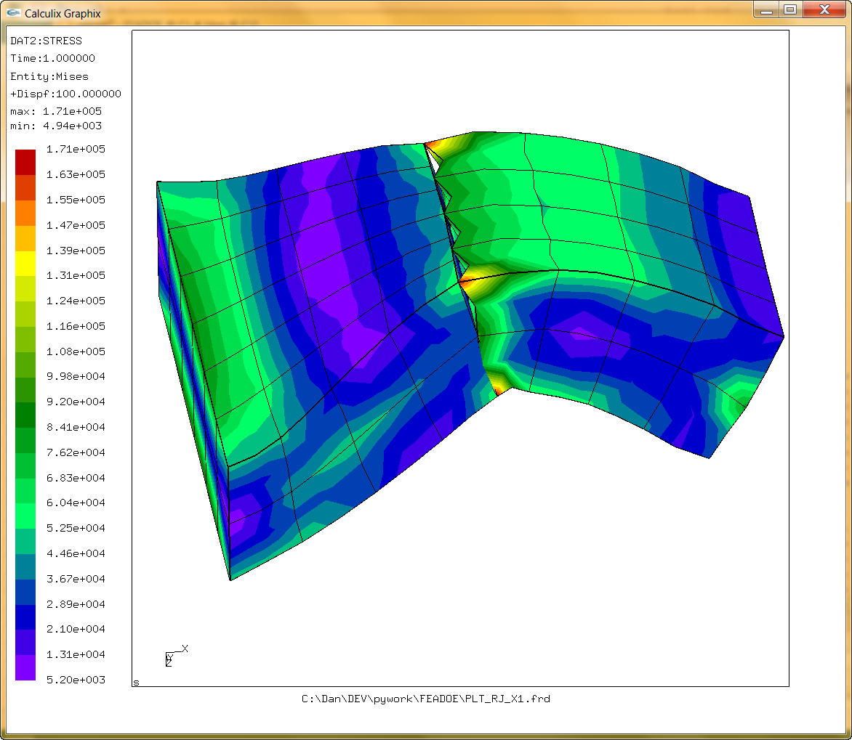
 |  |  |  |  |  | C:\Dan\DEV\pywork\FEADOE\MERGE_JOIN_CORNERS_ONLY.wmv

Tried to include the mid side nodes
 |  | Attempt 1
 |  | Midside nodes factors by same method as corner nodes alone - This added additional weighting to the nearest corner node also.

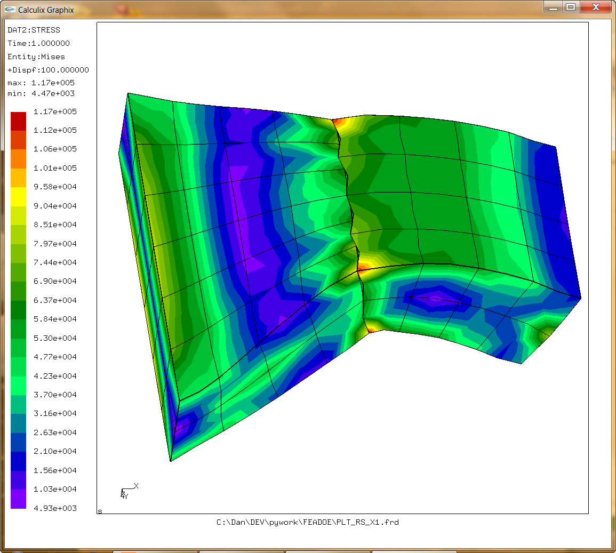

 |  | Attempt 2
 |  | Additional weighting from midside node only

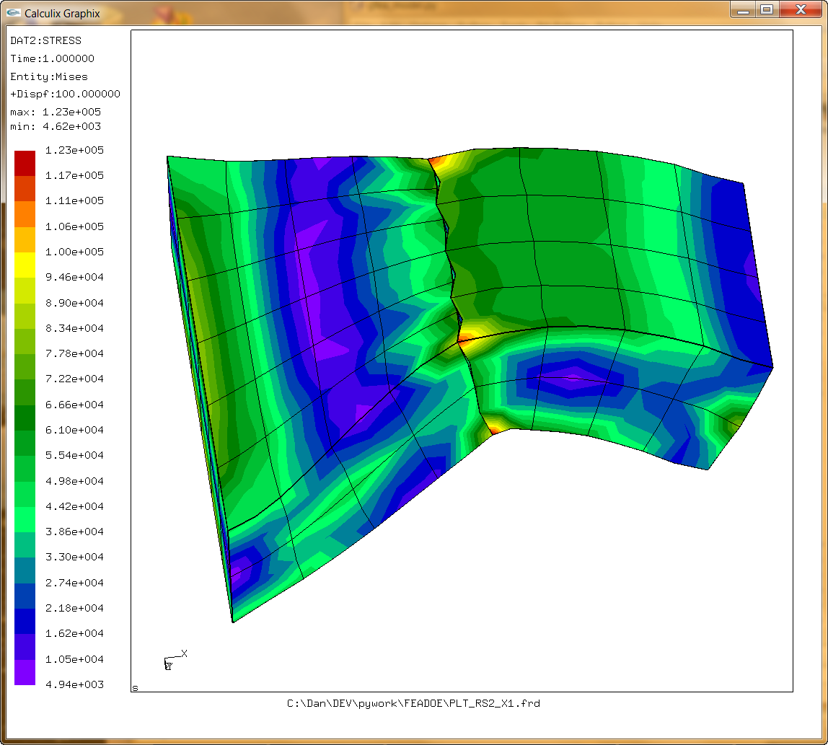

 |  | Attempt 3
 |  | Midside node weighting obtained by averaging the corresponding corner nodes.

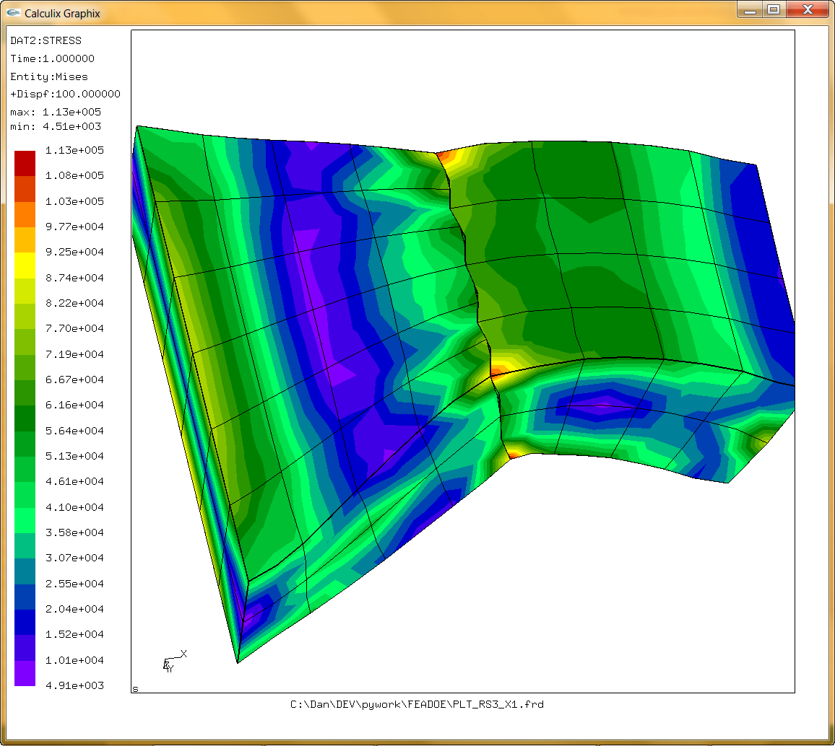

 |  | Attempt 4
 |  | Corner weights averaged together before adding the corner weights from the midside nodes

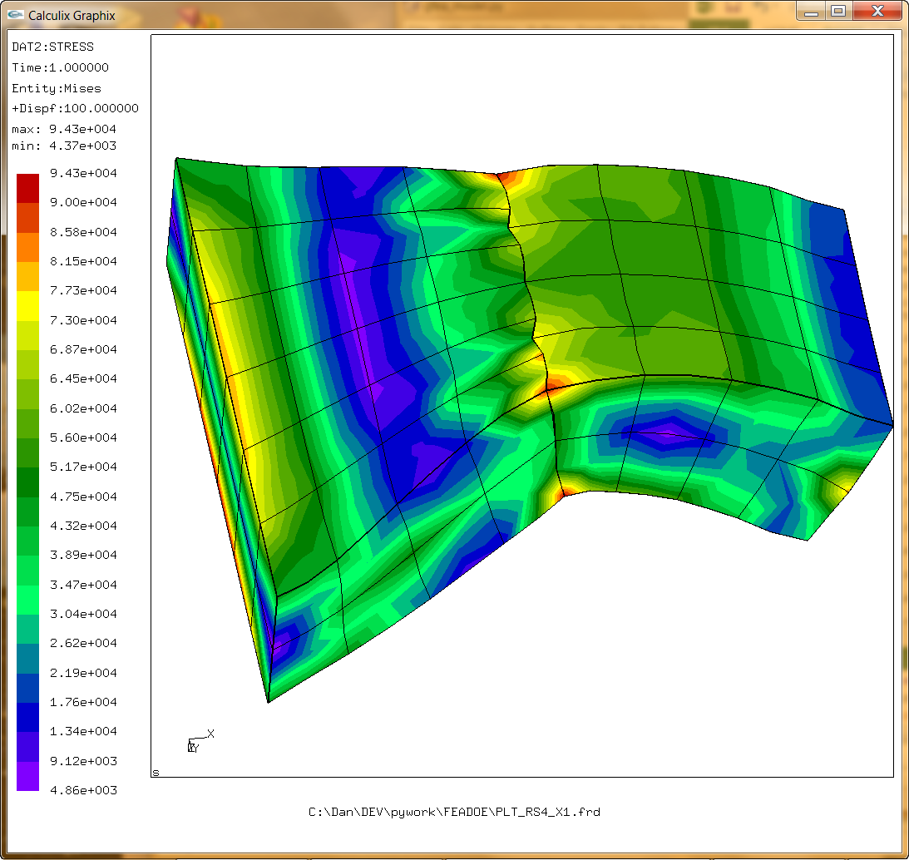

 |  | Attempt 5
 |  | Corner weights are weighted by 2 or 3 factors averaged together. Two if the sample point is projected on the edge in question lies further away than the edge mid point

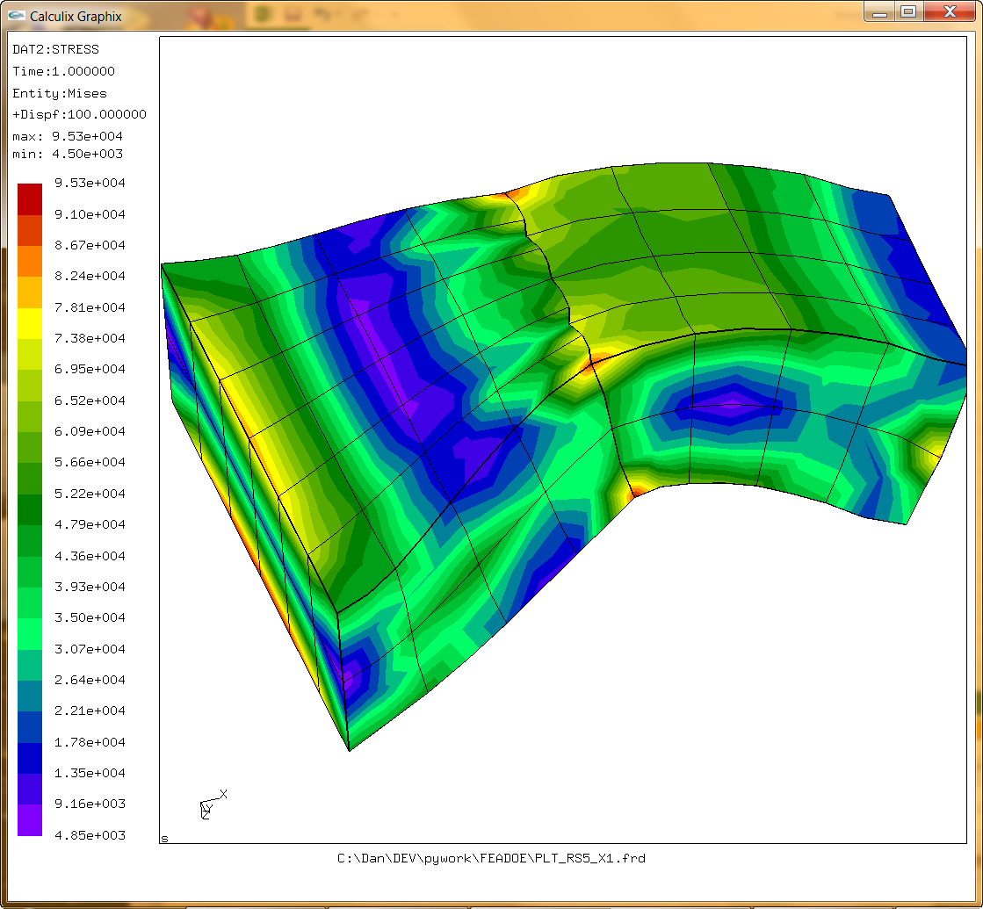

 |  | Attempt 6
 |  | Same as above but added check for 1 to 1 mapping of mid side nodes as well as corner nodes

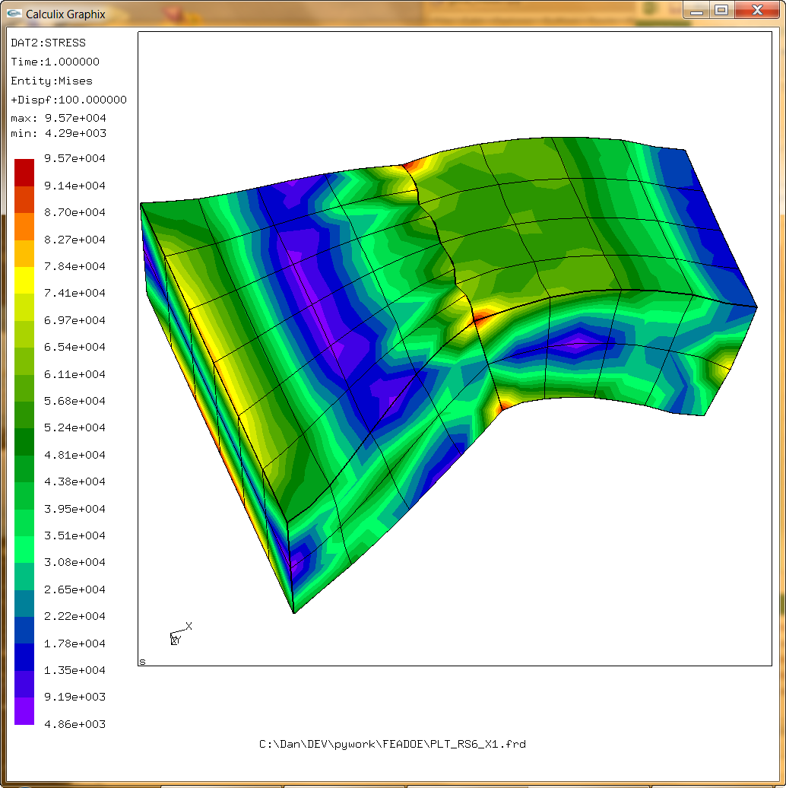

 | Learned you don't have to do nonlinear analysis to take advantage of Calculix/ABAQUS surface tying
 | I was afraid it was going to be slow but it does not seem so.

 | Here's the test case - looks pretty good and a lot simpler than writing all those "*EQUATION" cards and transformations

 | Same modal as above but hand edited to add the surfaces and ties - not a lot of coding

 | Numbers look pretty good compared to the case at the top where the nodes are all mapped 1 to 1. |  |  |  |  | Still some small displacement discontinuities - but a lot better than my brute force method.

 | Note: this method was first tested on a smaller model - the results are on the "SMALL TIE" tab of this workbook
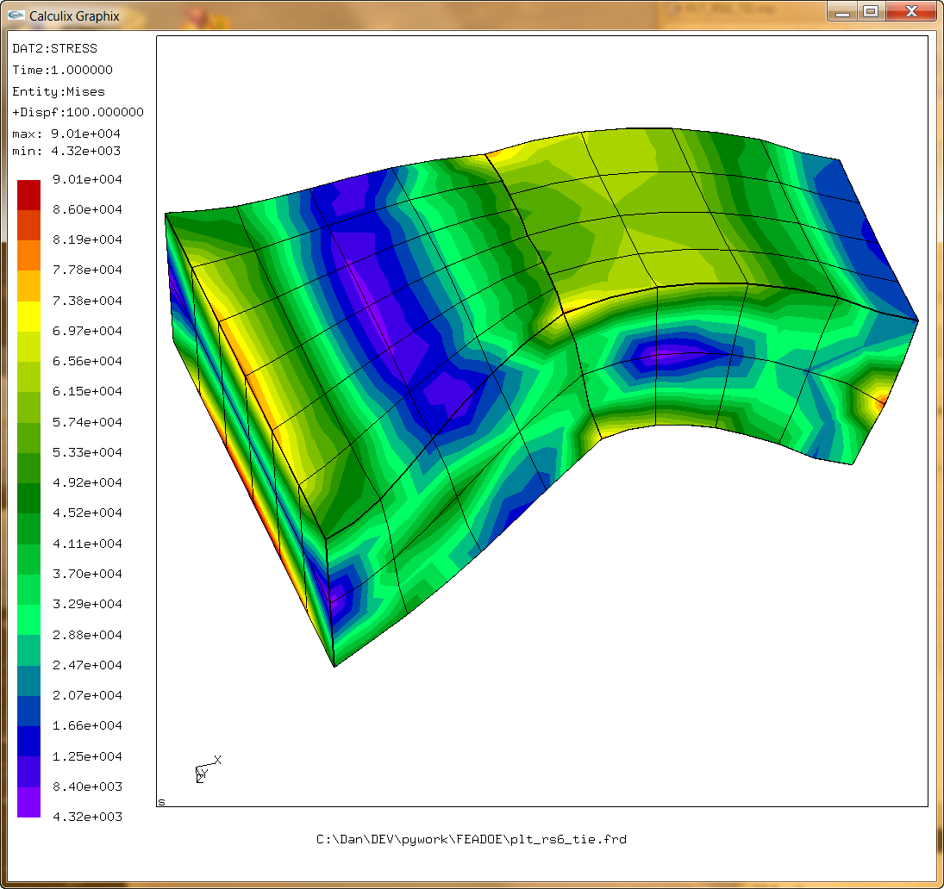
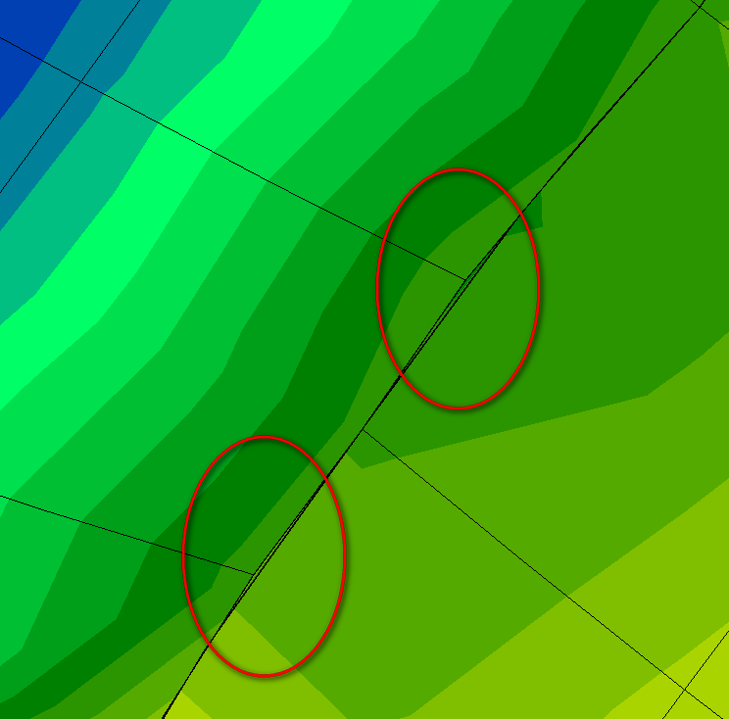

********************************************************************************
*SURFACE, NAME=ARB_AS, TYPE=ELEMENT
1, S6
2, S6
3, S6
4, S6
5, S6
6, S6
7, S6
8, S6
********************************************************************************
*SURFACE, NAME=ARB_BS, TYPE=ELEMENT
33, S3
34, S3
41, S3
42, S3
49, S3
50, S3
57, S3
58, S3
65, S3
66, S3
73, S3
74, S3
********************************************************************************
*TIE
ARB_AS, ARB_BS
********************************************************************************

It ends up that the better method is actually faster
- at least for small problems

 | Calculix execution time
 | RS6_X1 | 0.62 | seconds
 | RS6_TIE | 0.41 | seconds

Using calculix notation (opposite of my slave/master designation) it looks like the more dense mesh should be the slave
 | Swapping which is the master and which is the slave got slightly better results
 |  | Here B is the slave and A is the master

 |  |  |  | COOL
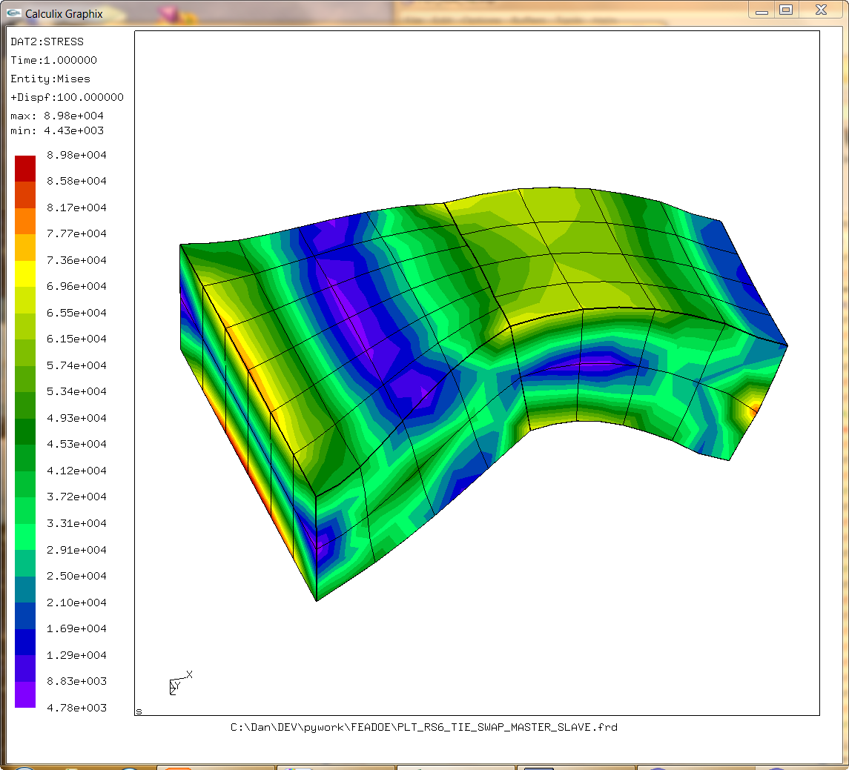
 |  |  |  |  | Slave surface is listed first on the *TIE card

 |  |  |  |  | ********************************************************************************
 |  |  |  |  | *TIE
 |  |  |  |  | ARB_BS, ARB_AS
 |  |  |  |  | ********************************************************************************

FROM THE CALCULIX MANUAL
The dependent surface is called the slave surface, the independant-
dent surface is the master surface. The user can freely decide which surface he
takes as slave and which as master.
NOTE: DUMMY ME - The nomenclature I adopted was just the opposite. Theirs makes a lot more sense.

MESH DIFF
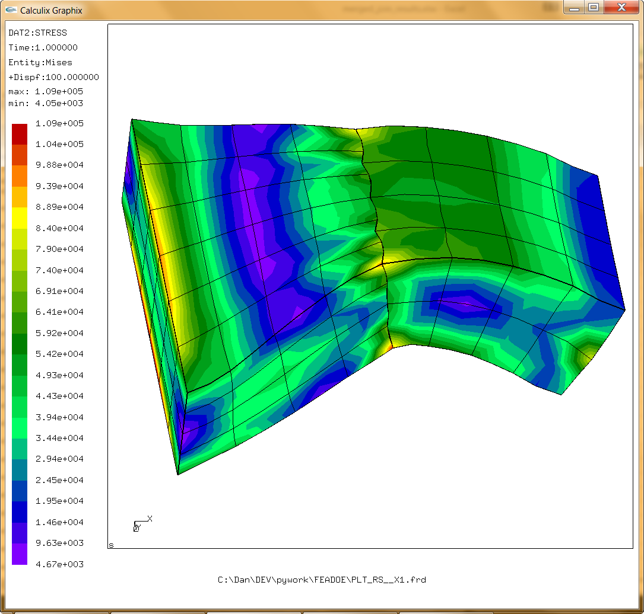
Left block (master) is 6x4x4
Right block (slave) is 4x4x2

SMALL TIE
 | Looking into Calculix Surface Tying…

 |  | Small Test model - Master on left - no center line symmetry |  |  |  |  | Exploded view

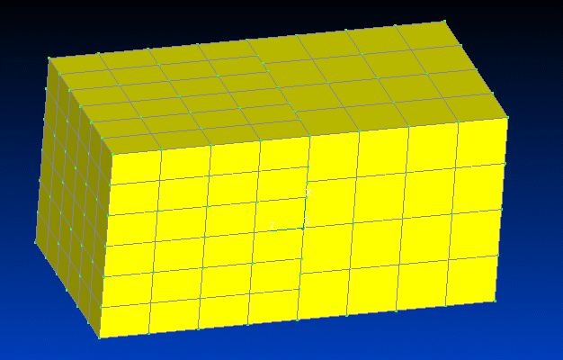
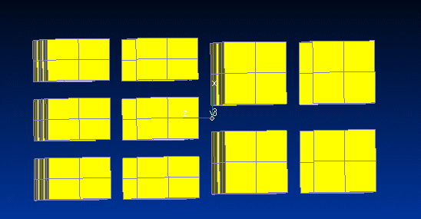

 |  | Fixed on left face - applied traction on the right face

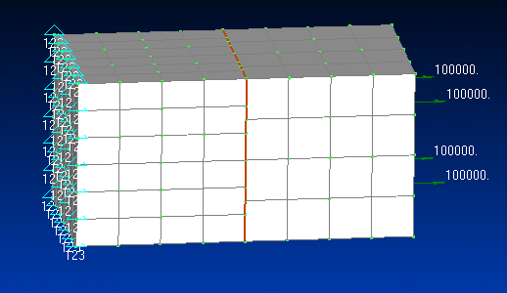

 |  |  | MASTER Contact surface of the left side |  |  |  |  | SLAVE Contact surface of the right side

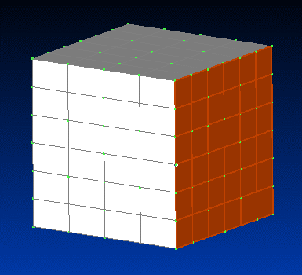
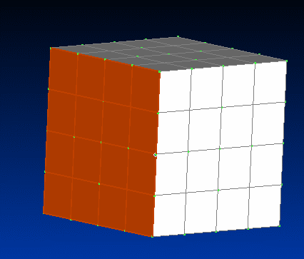

 |  |  |  |  |  | ********************************************************************************
 |  |  |  |  |  | *SURFACE, NAME=ARB_AS, TYPE=ELEMENT
 |  |  |  |  |  | 1, S6
 |  |  |  |  |  | 2, S6
 |  |  |  |  |  | 3, S6
 |  |  |  |  |  | 4, S6
 |  |  |  |  |  | ********************************************************************************
 |  |  |  |  |  | *SURFACE, NAME=ARB_BS, TYPE=ELEMENT
 |  |  |  |  |  | 9, S3
 |  |  |  |  |  | 10, S3
 |  |  |  |  |  | 11, S3
 |  |  |  |  |  | 15, S3
 |  |  |  |  |  | 16, S3
 |  |  |  |  |  | 17, S3
 |  |  |  |  |  | 21, S3
 |  |  |  |  |  | 22, S3
 |  |  |  |  |  | 23, S3
 |  |  |  |  |  | ********************************************************************************
 |  |  |  |  |  | *TIE
 |  |  |  |  |  | ARB_AS, ARB_BS
 |  |  |  |  |  | ********************************************************************************

 |  |  |  |  |  |  |  | VonMises Stress
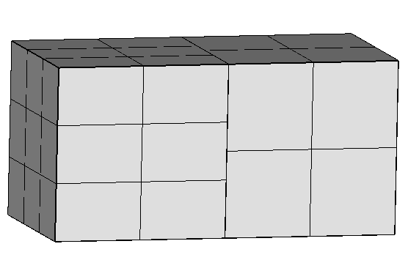
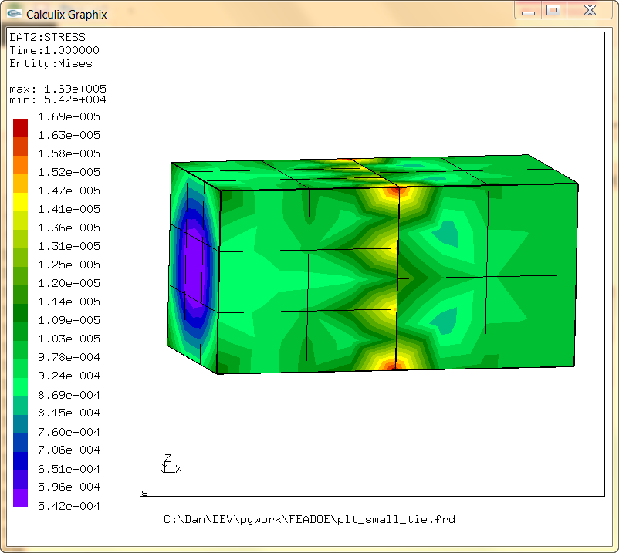

Displacements magnified 100x |  |  |  | Note: similar behavior that I was getting with the *EQUATIONS in my JOIN TESTS |  |  |  |  | Close look at interface…

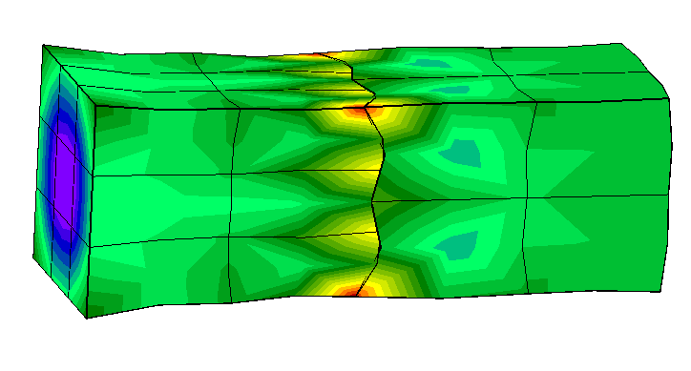
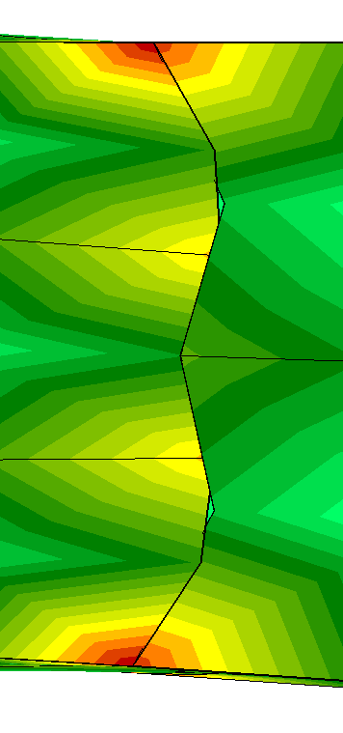

Displacement Field - pretty squiggly at interface

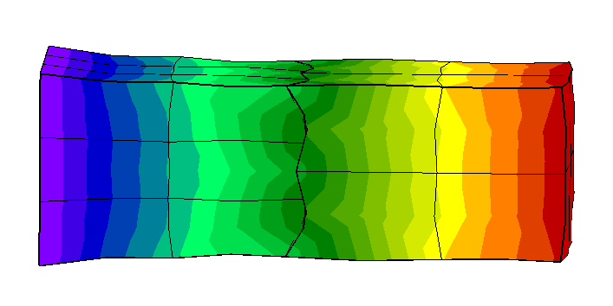

SWAPPING SLAVE AND MASTER… |  |  |  |  | Looks much better

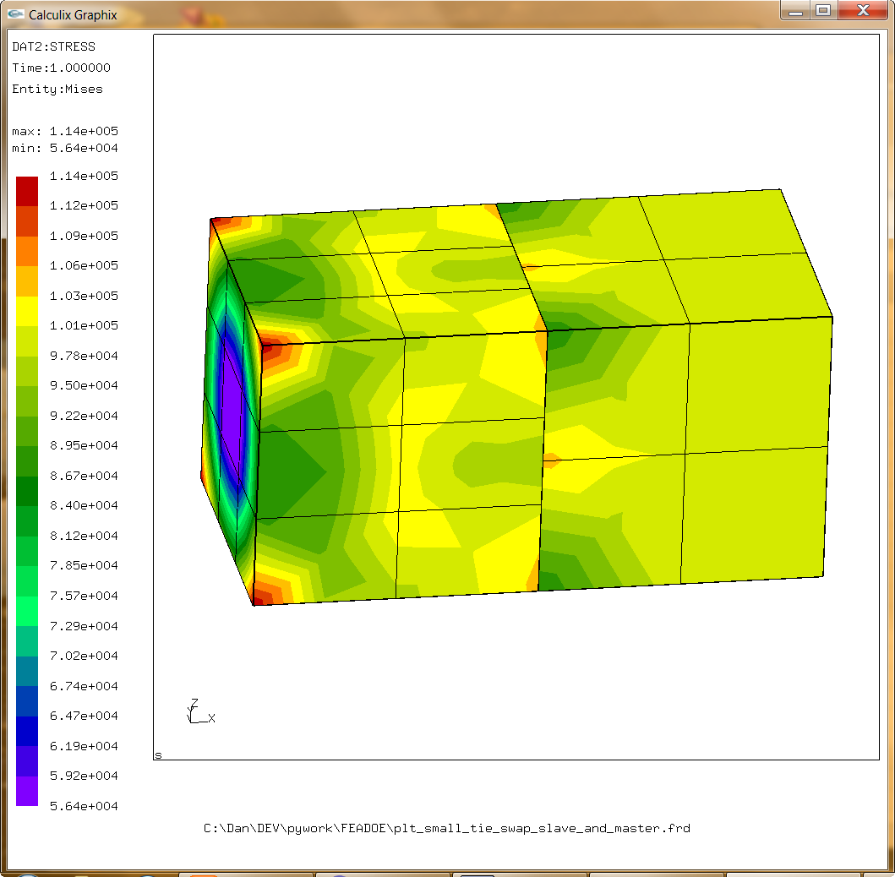

 |  |  |  |  |  |  |  |  |  | Lower stresses with minimal gapping - more linear join line

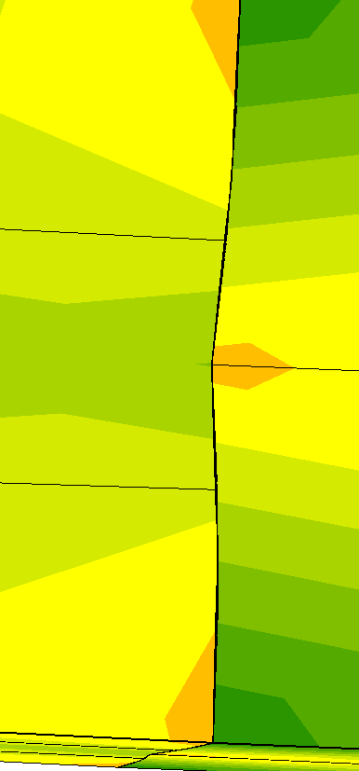

 | Displacements magnified 100x

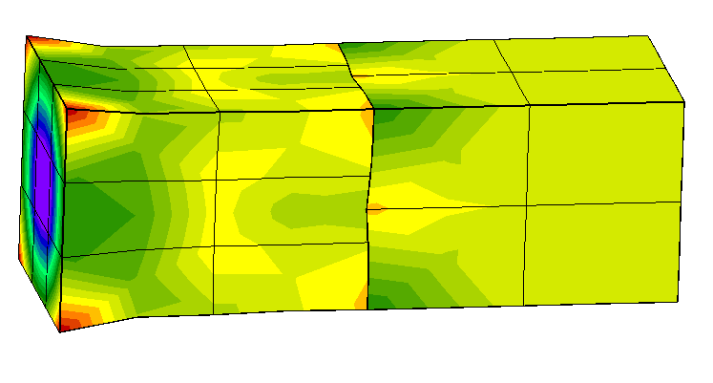

 |  | Displacement field is much better behaved

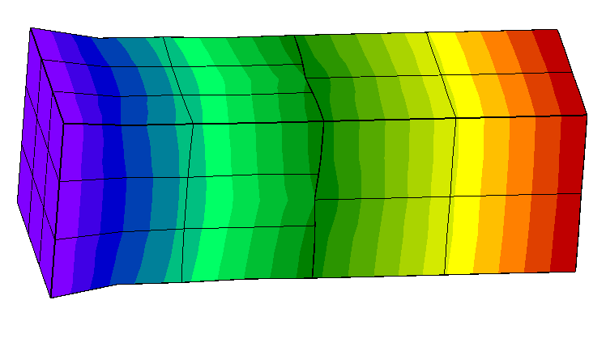

THE SLAVE MESH (CALCULIX DEF) SHOULD BE THE MORE DENSE MESH

