Sheet1
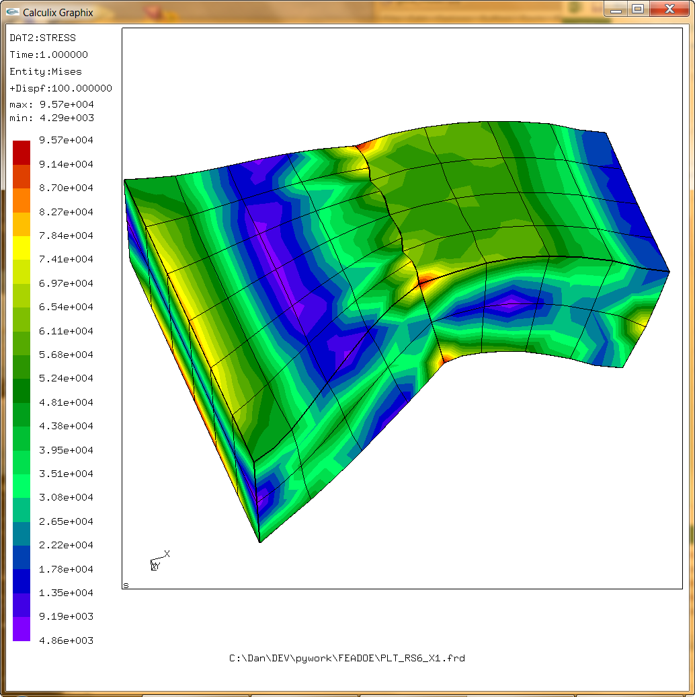
Merged Join Tests
 | Reference case
 | Matched mesh - Join consists of all "1 to 1" equations

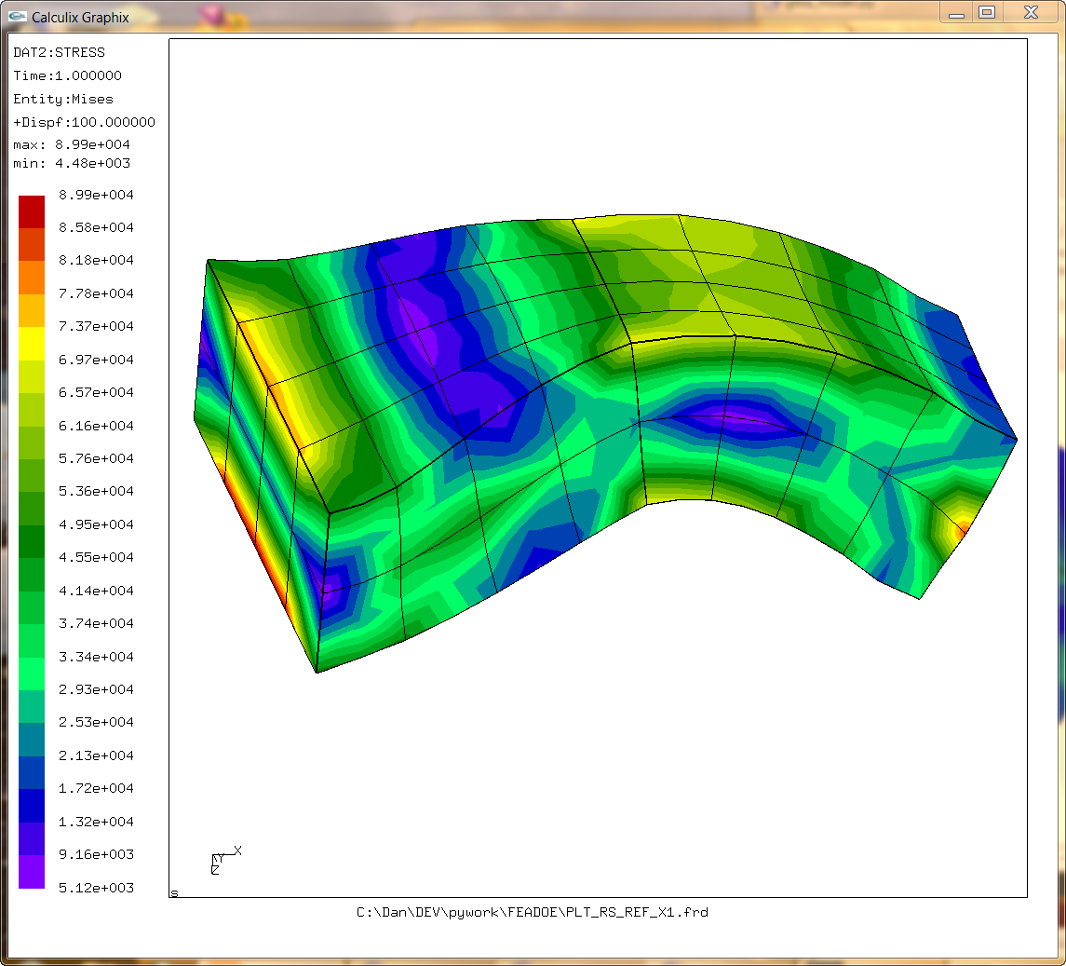

 |  | Just the corners used in the equations

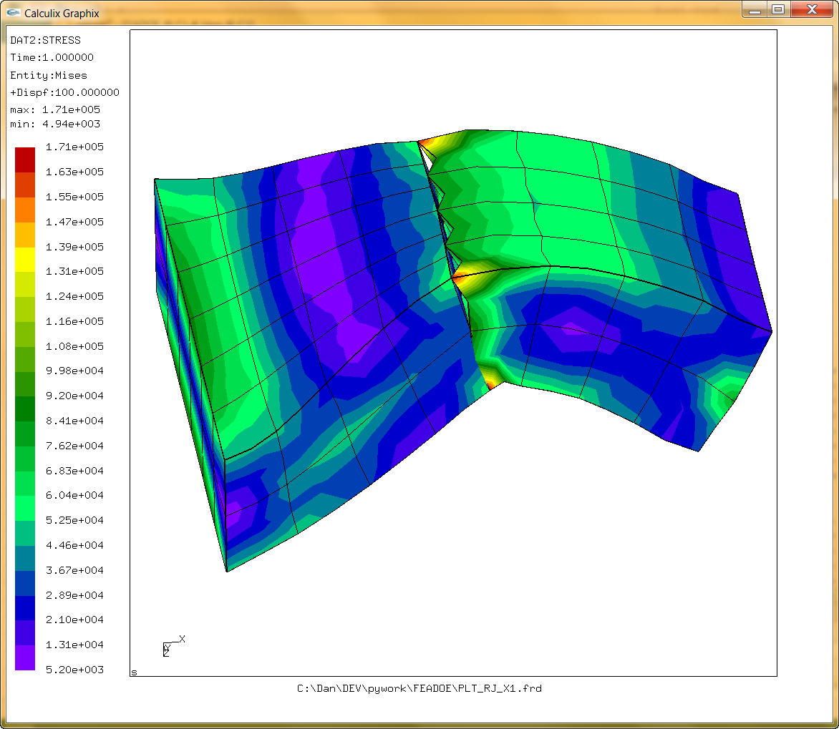
 |  |  | C:\Dan\DEV\pywork\FEADOE\MERGE_JOIN_CORNERS_ONLY.wmv

Tried to include the mid side nodes
 |  | Attempt 1
 |  | Midside nodes factors by same method as corner nodes alone - This added additional weighting to the nearest corner node also.

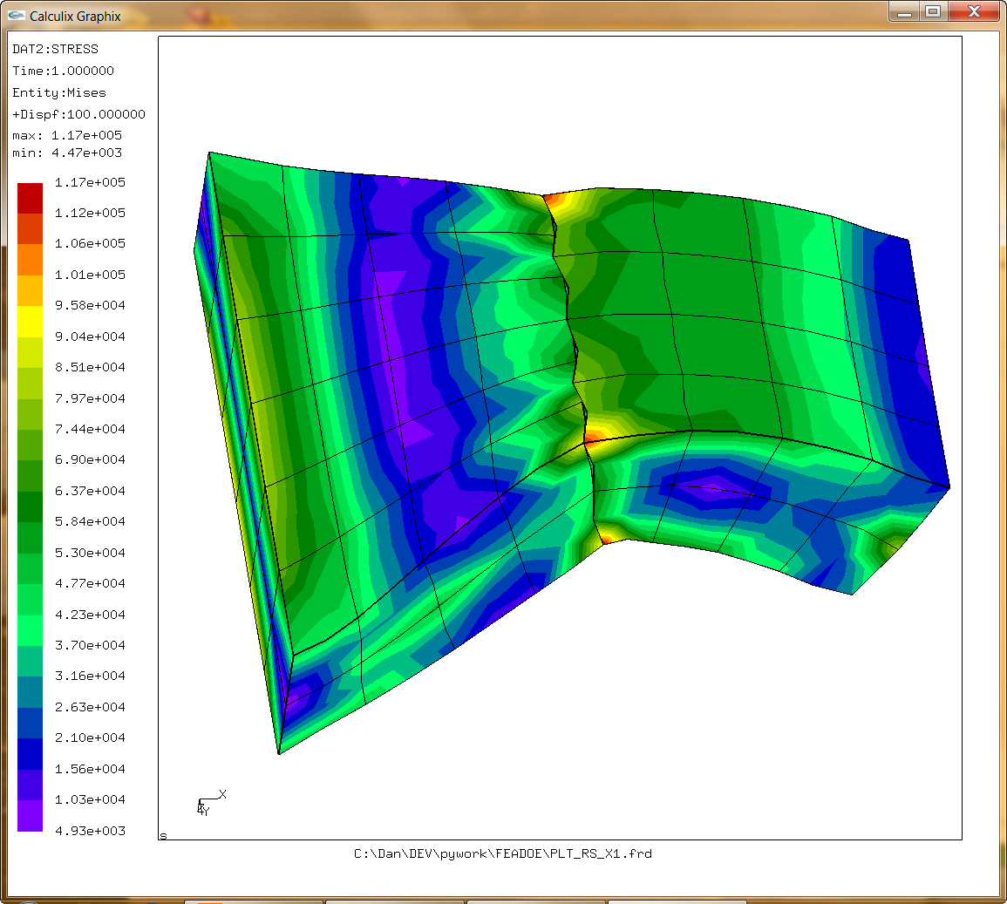

 |  | Attempt 2
 |  | Additional weighting from midside node only

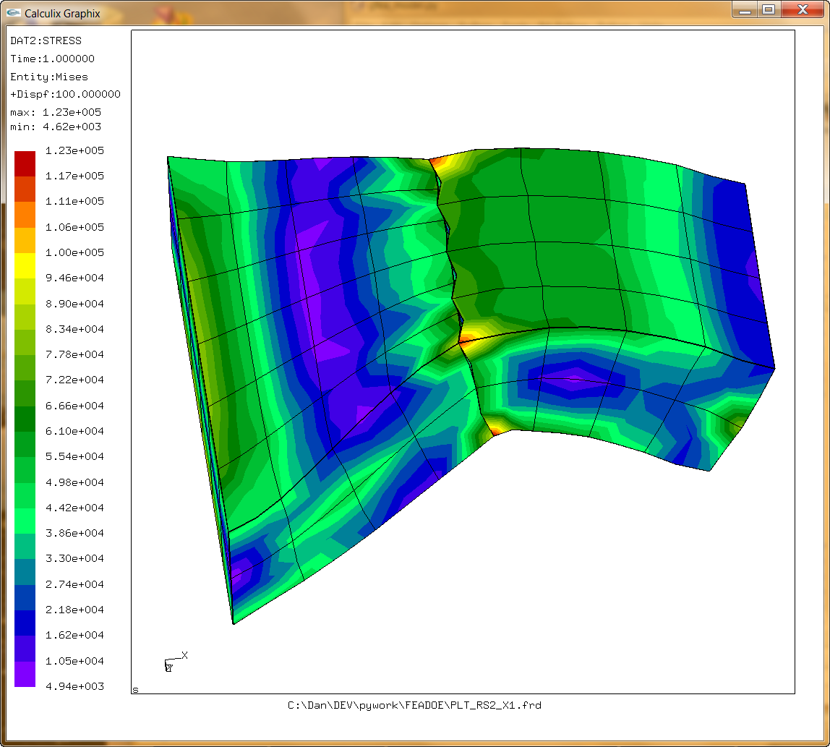

 |  | Attempt 3
 |  | Midside node weighting obtained by averaging the corresponding corner nodes.

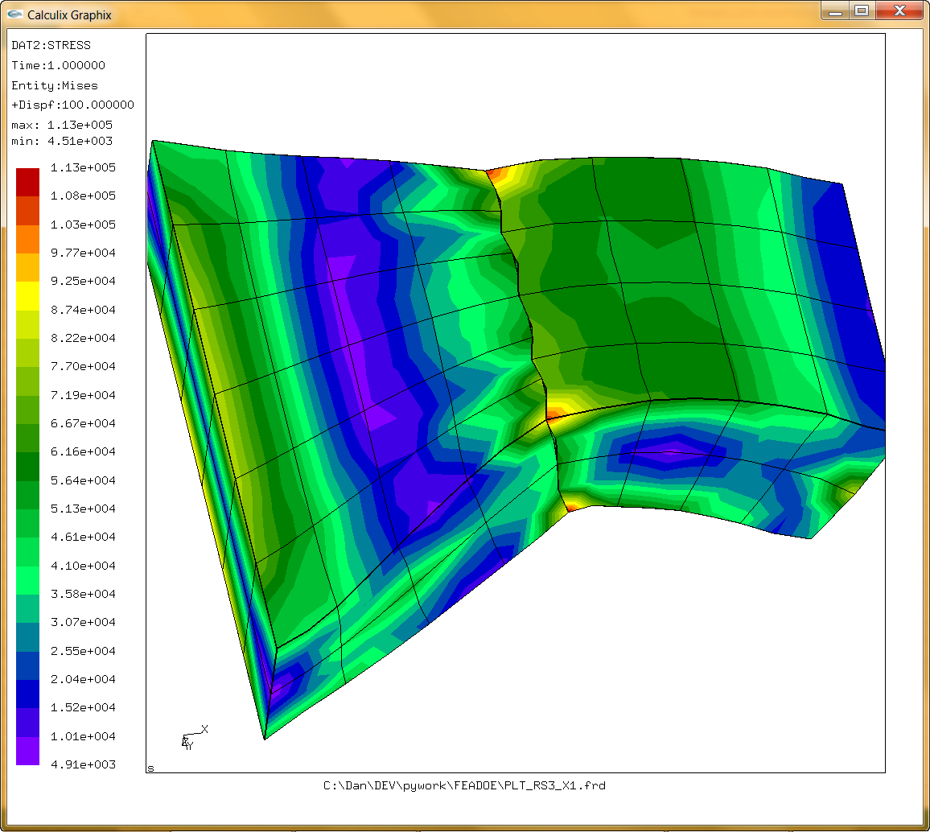

 |  | Attempt 4
 |  | Corner weights averaged together before adding the corner weights from the midside nodes

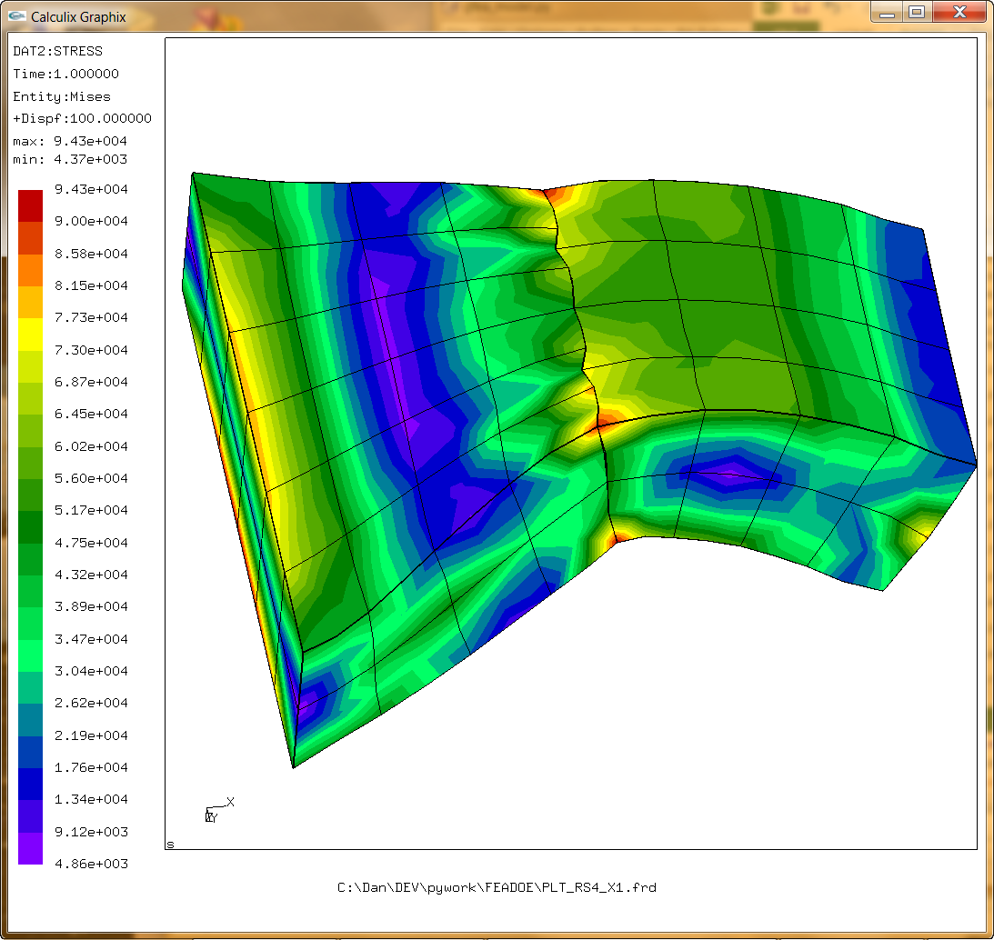

 |  | Attempt 5
 |  | Corner weights are weighted by 2 or 3 factors averaged together. Two if the the sample point is projected on the edge in question lies further away than the edge mid point

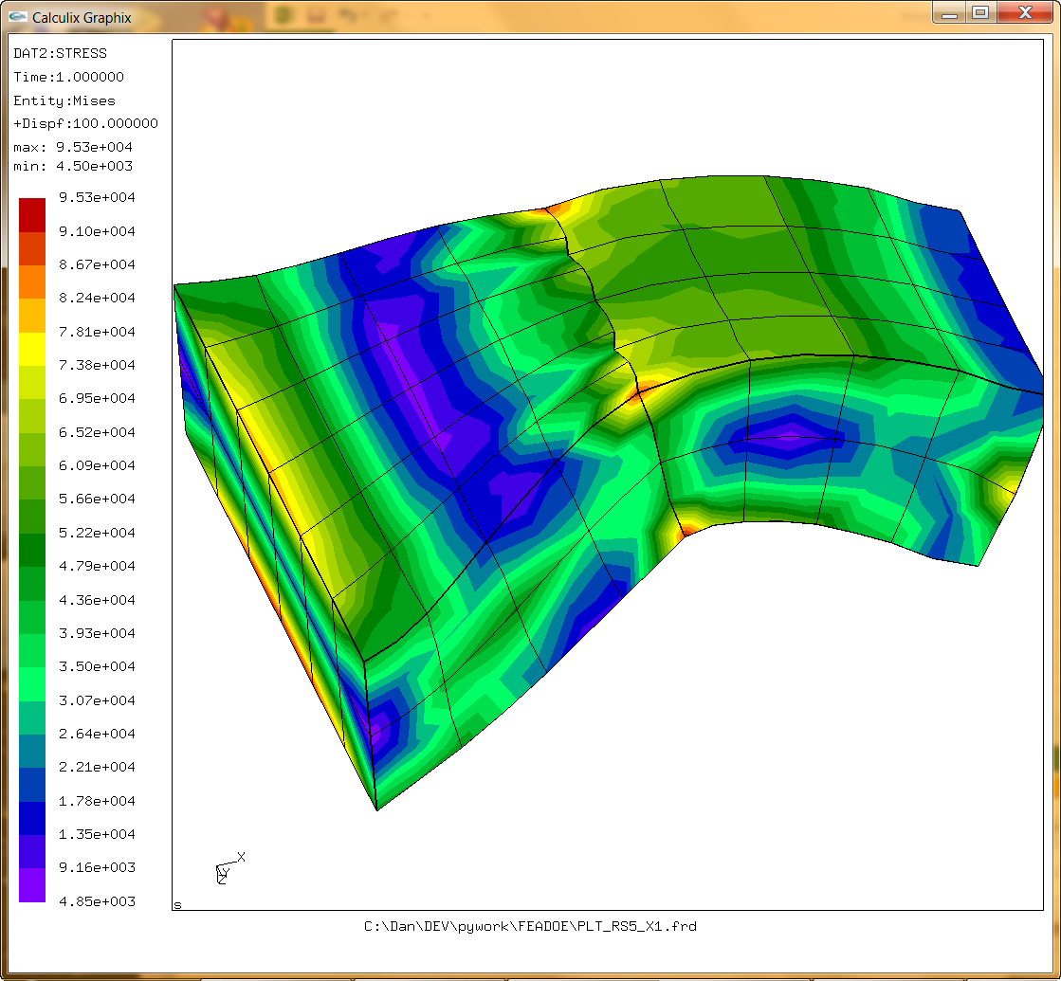

 |  | Attempt 6
 |  | Same as above but added check for 1 to 1 mapping of mid side nodes as well as corner nodes

