Sheet1
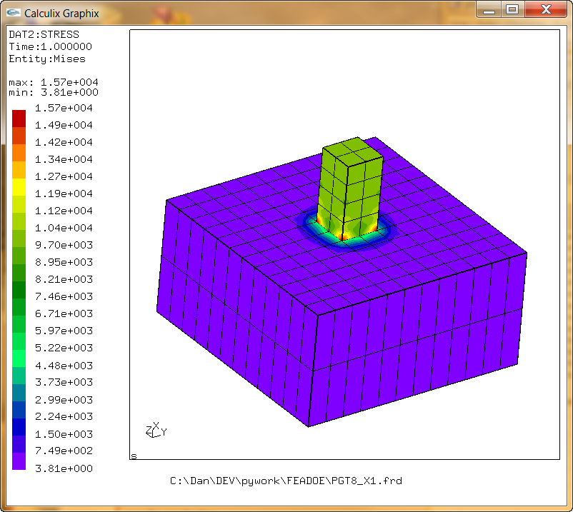
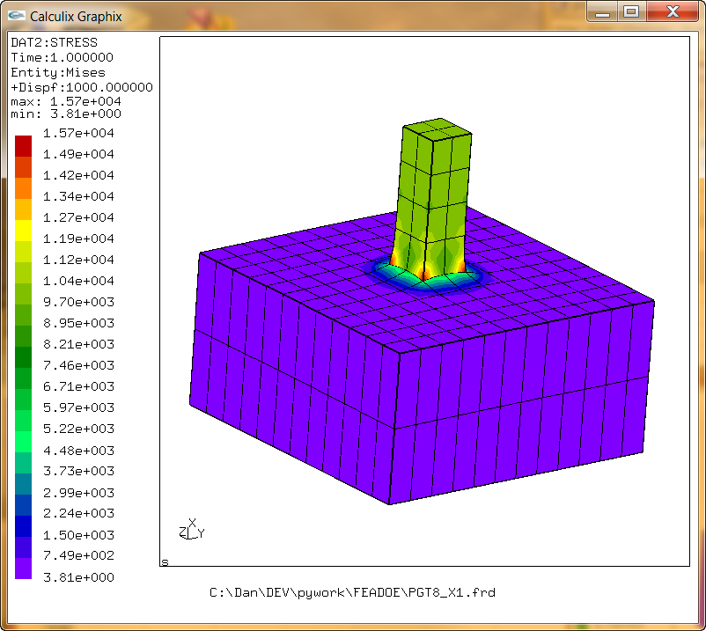
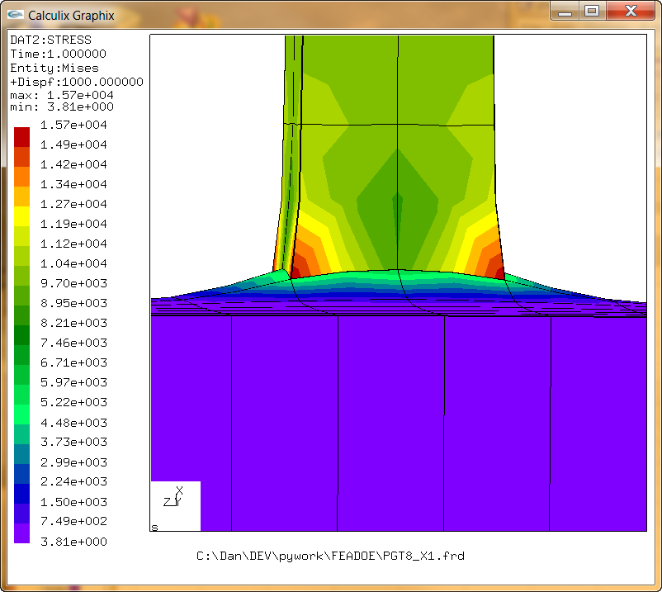
Surface Tying Tests
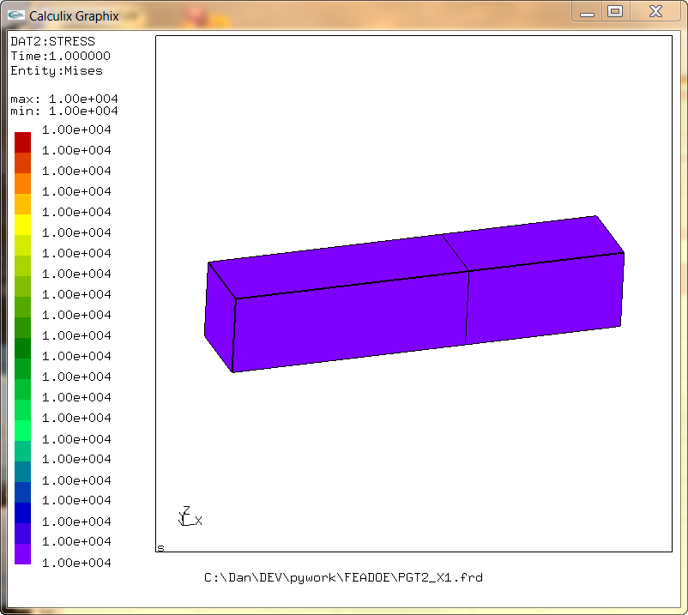
A
B
FIXED
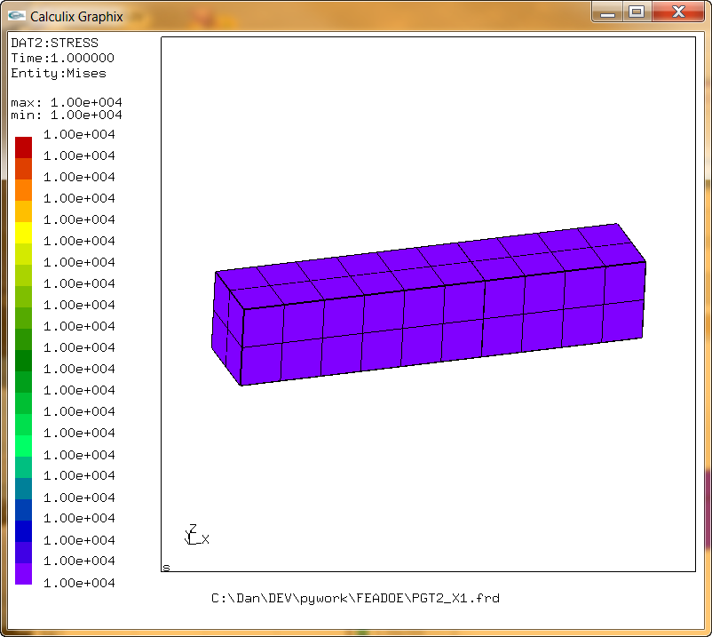
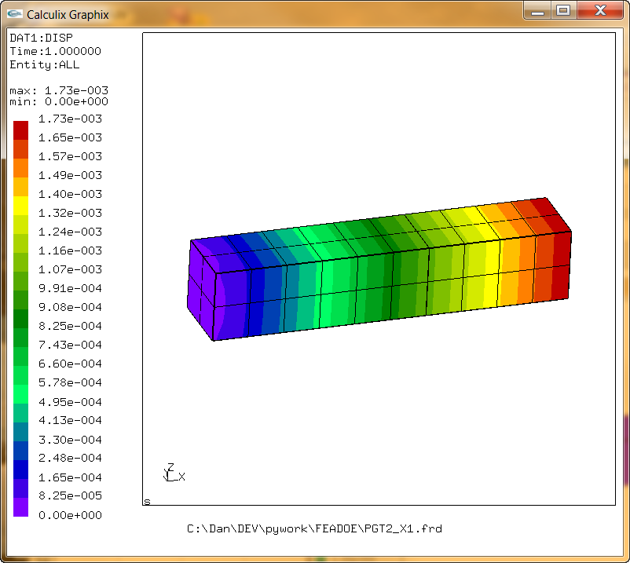

Cantilever beam with two blocks. Block A is defined via points. Block B is defined via faces. The MAX_U face of Block A is tied to the MIN_U face of Block B. The left end is fixed in the X and lines of symmetry on this face are fixed in the appropriate transverse directions. 10000 psi load is applied to the faces of the elements on the right end.
In this case the meshes line up but are discontinuous across the join between A and B.
The resulting uniform constant stress state is expected

Tying symmetric dissimilar meshes yields the same results.
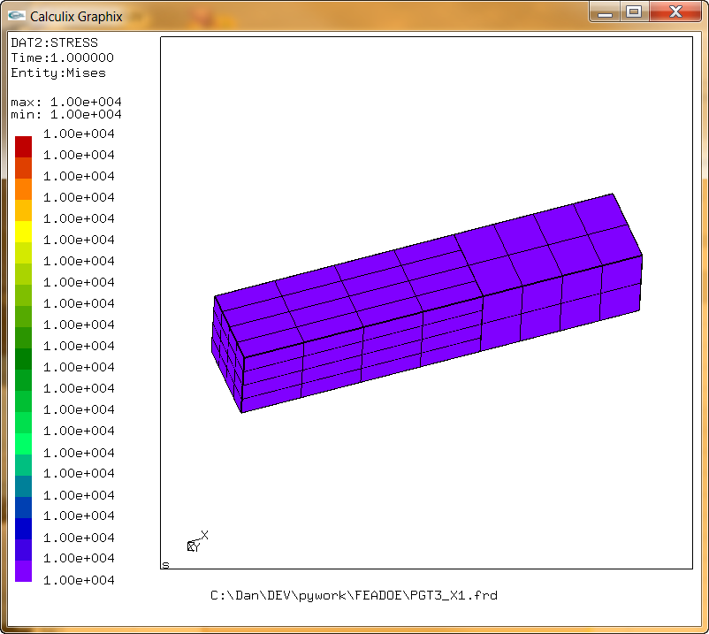
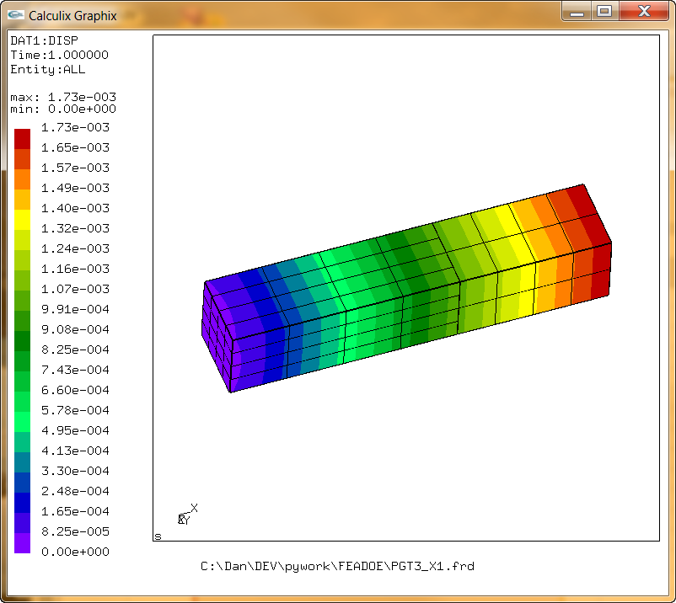

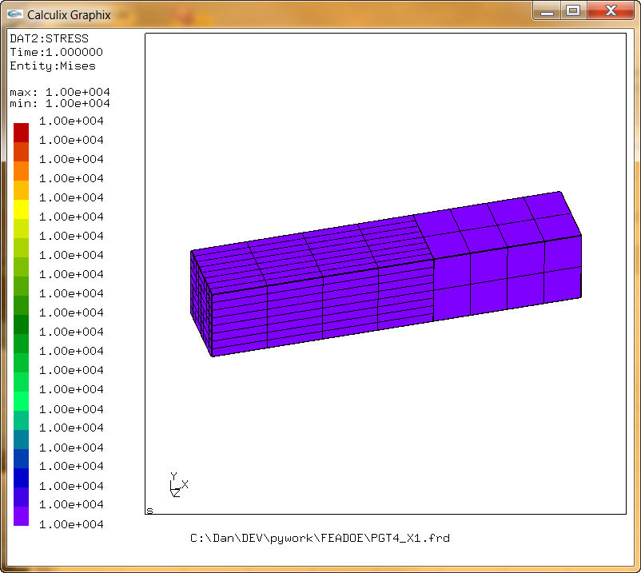
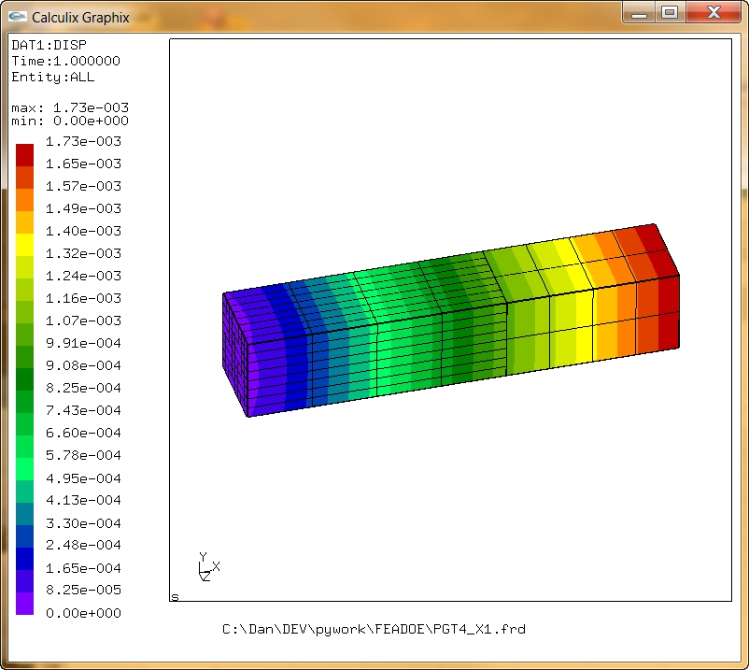

Joining non-symmetric and symmetric meshes induces more error. This is especially true if the meshes are course. The variation in the streses shown here is still realitively small (note magnitude range in scale)
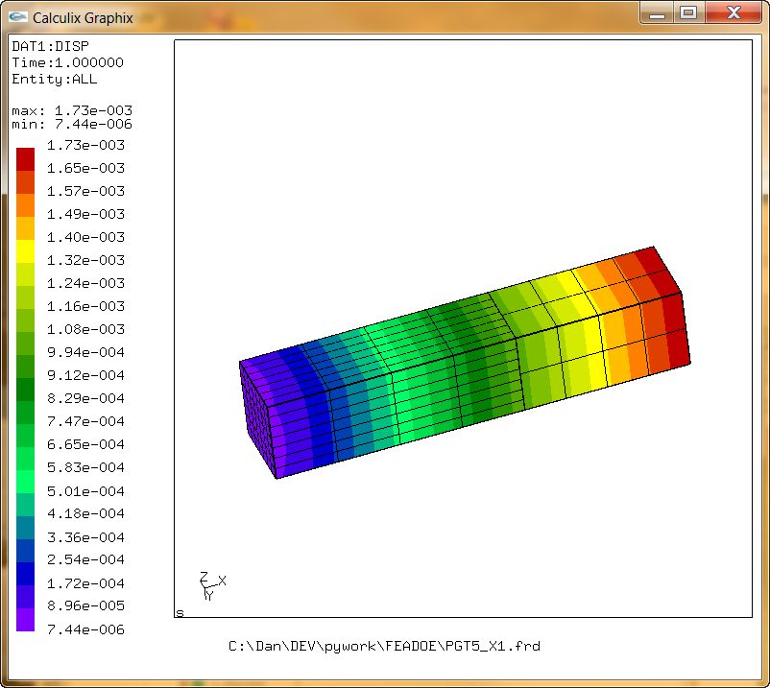
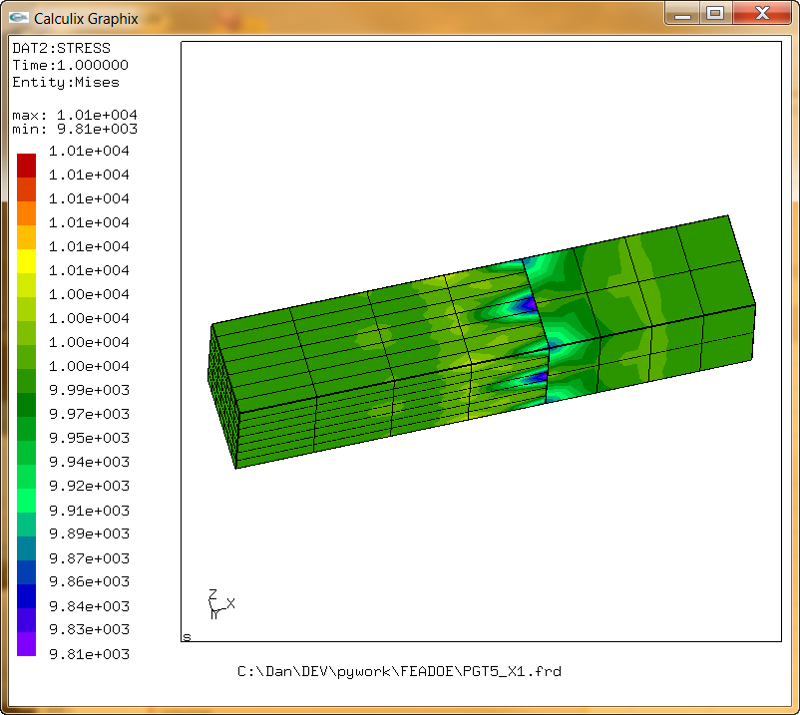
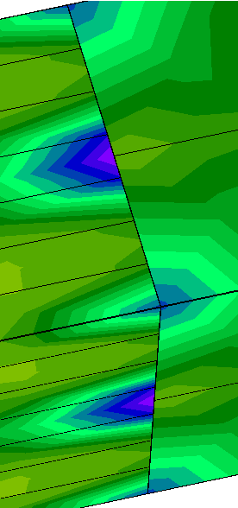

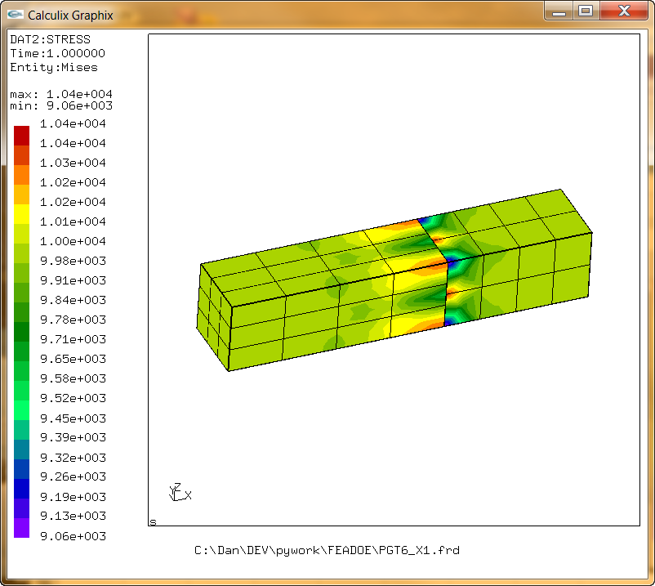
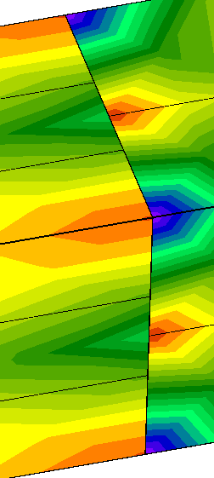
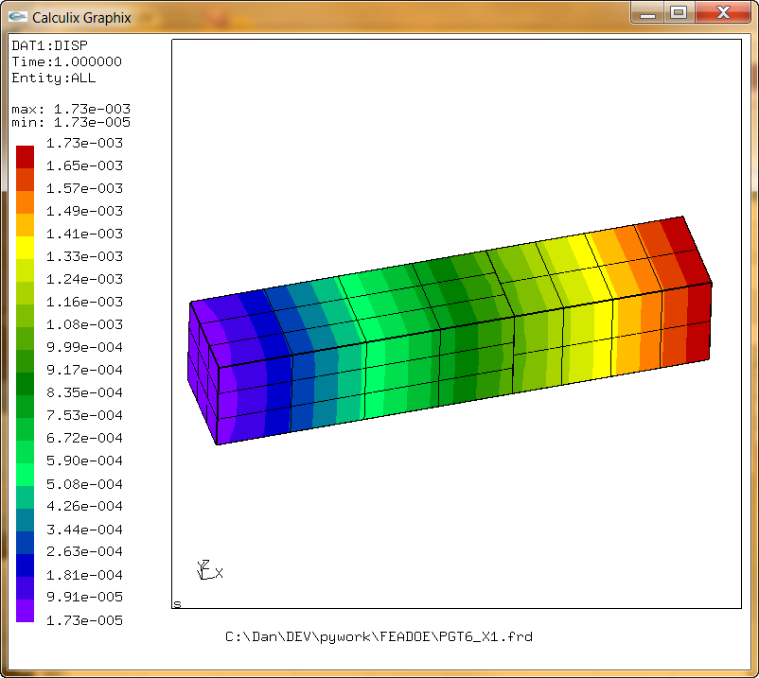

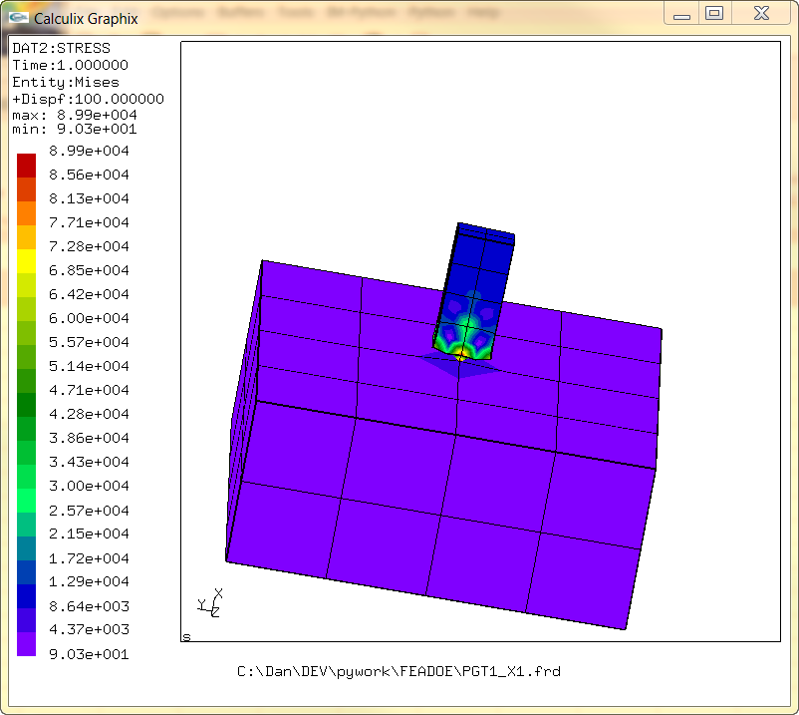

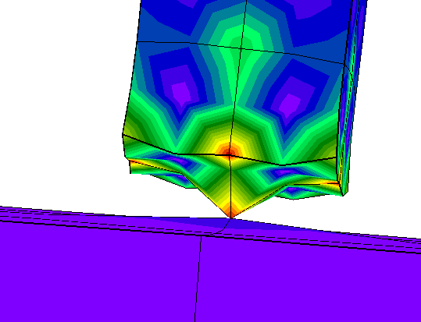

If the mesh sizes differ greatly the surface tying method has problems. This is to true with any method of joining. Here, the stresses are around 10 times larger than the theoretical value of 10000 (Some elevated stress would be expected though - due to the corner in the mesh.)

By densifying the mesh to more closely match element size, better results can be obtained but the execution time increases greatly this subsequent run took almost 25 minutes to execute where as the analysis above took less than 5 seconds on the same machine. The stresses are much closer to the theoretical value of 10000.
This model inadvertantly avoids the expected stress concentrations because the join is not fully mated all the way to the edges of the protruding bar mesh
This emphasizes the importance to good mesh sizing.
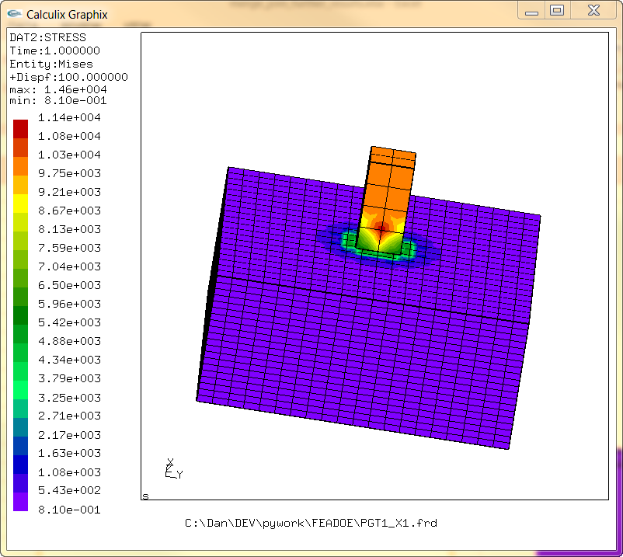
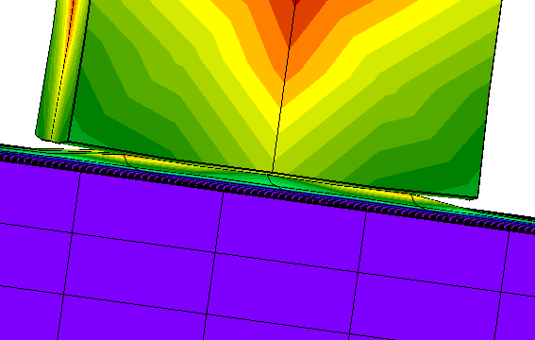

Densifying the already fine mesh increases the error.
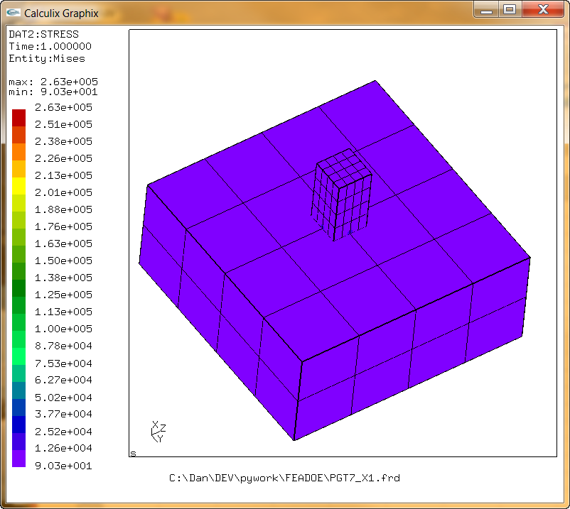
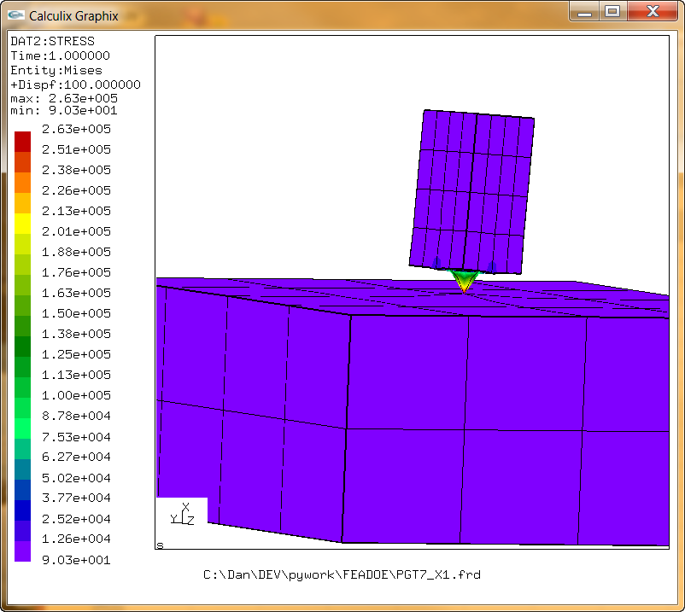
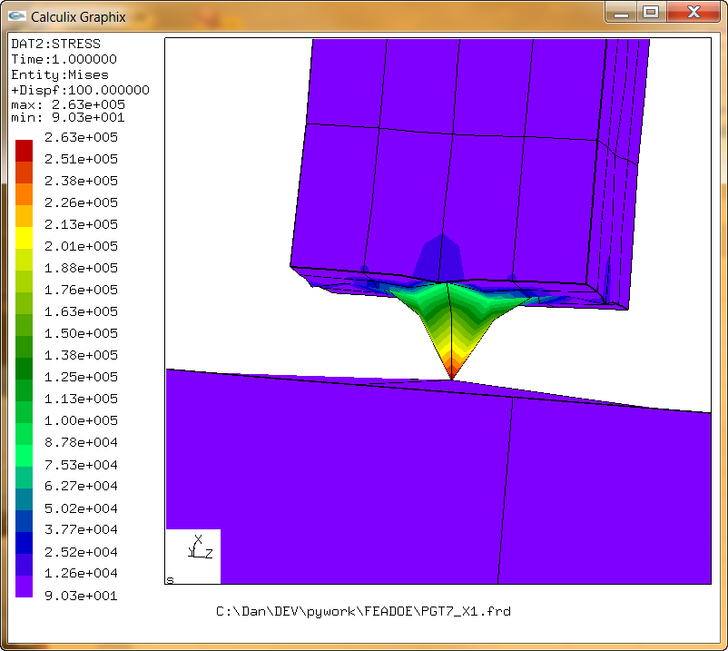

Of course, if you can get the meshes to line up the results are better.

