holder
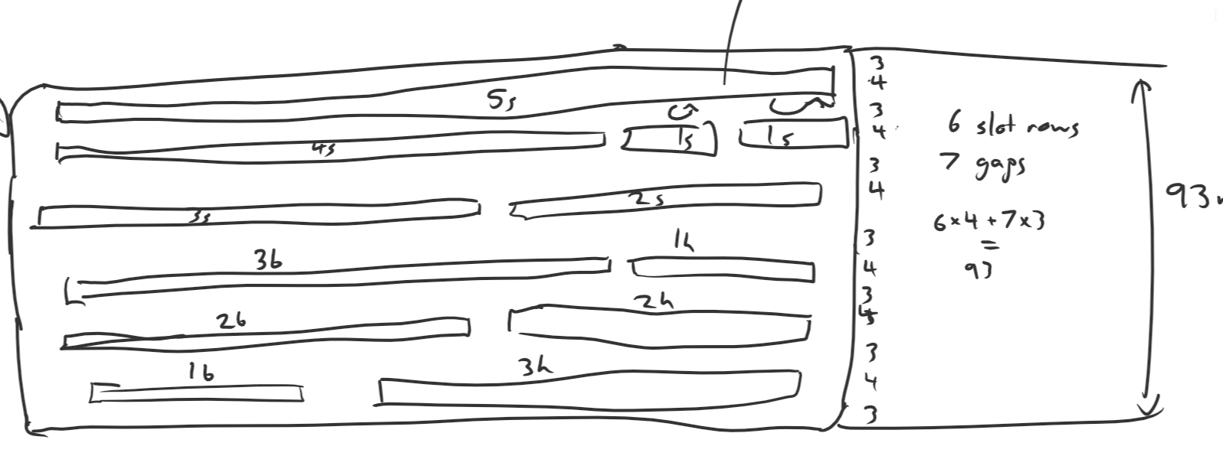
Figure 1 to the right describes rough template locations
Not all layers will have all templates - lower layers will have solid parts to hold up shorter templates
The bottom will, of course, be fully solid
The lid will be built similarly.
Swap the 5s to the innermost row

Template | Template Length | Slot Length | Slot Width
1s (vertical) | 20 | 23 | 4
2s | 80 | 83 | 4
3s | 120 | 123 | 4
4s | 160 | 163 | 4
5s | 200 | 203 | 4
1b | 70.648 | 74 | 4
2b | 108.488 | 112 | 4
3b | 146.376 | 150 | 4
1h | 64.276 | 68 | 4
2h | 102.196 | 106 | 4
3h | 140.348 | 144 | 4

All gaps should be >=3mm

Base length | 45
Base Width | 228

 |  |  |  |  | Top layer (all cuts)

 |  |  |  | 209 | 3 | 203 |  |  |  |  |  |  |  | 3

 |  |  |  | 215 | 3 | 163 |  |  |  |  |  | 23 | 23 | 3

 |  |  |  | 212 | 3 | 123 |  |  |  |  |  | 83 |  | 3

 |  | widest row |  | 228 | 3 | 150 |  |  |  | 4 | 68 |  |  | 3

 |  |  |  | 224 | 3 | 112 |  |  | 106 |  |  |  |  | 3

 |  |  |  | 224 | 3 | 74 | 144 |  |  |  |  |  |  | 3

 |  |  |  |  | Bottom layer (no cuts)

 | 25 | 12.5

 |  | 13 |  |  |  |  | 228 | x | 45
 |  | 6.5

