Instructions_unidirectional
AF initial tuning procedure for unidirectional actuator

 | There are two parts in the initial tuning procedure for unidirectional actuators. ■ Part 1: Complete the Customer_sheet_unidirectional worksheet ■ Part 2: Copy the values from the worksheet to the headers (AF actuator header and AF tuning header) Part 1 requires that you get the actuator sensor values (e.g., focal length, pixel size, etc.) from the module sensor vendor then enter those values into the Customer_sheet_bidirectional worksheet. The worksheet calculates default values with the proper DAC ranges based on these entries.
 | In Part 2 of the procedure, you copy the calculated values from the blue cells in the worksheet to the AF actuator header and the AF tuning header.
Part 1: Complete the Customer_sheet_unidirectional worksheet
 |  | Move to the Customer_sheet_unidirectional tab and type the applicable values in the yellow cells.
 |  | Note: Do not modify any of the other cells in the worksheet. Many of the cells contain formulas that use the values from the yellow cells as input.

Part 2: Copy the values from the worksheet to the headers

 |  |  | AF actuator header
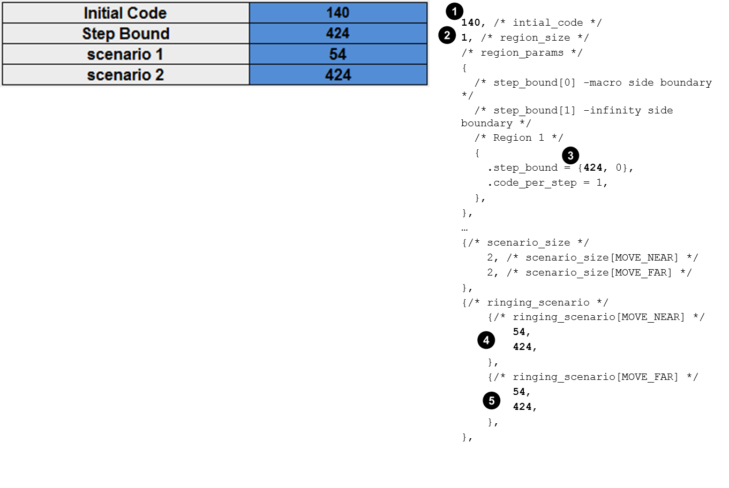

 | 1. | Copy the initial code from the worksheet to the AF actuator header.
 | 2. | Set the region_size to 1.
 | 3. | Copy the step bound from the worksheet to the header.
 | 4. | Copy the values from scenario 1 to ringing_scenario [MOVE_NEAR].
 | 5. | Copy the values from scenario 2 to ringing_scenario [MOVE_FAR].

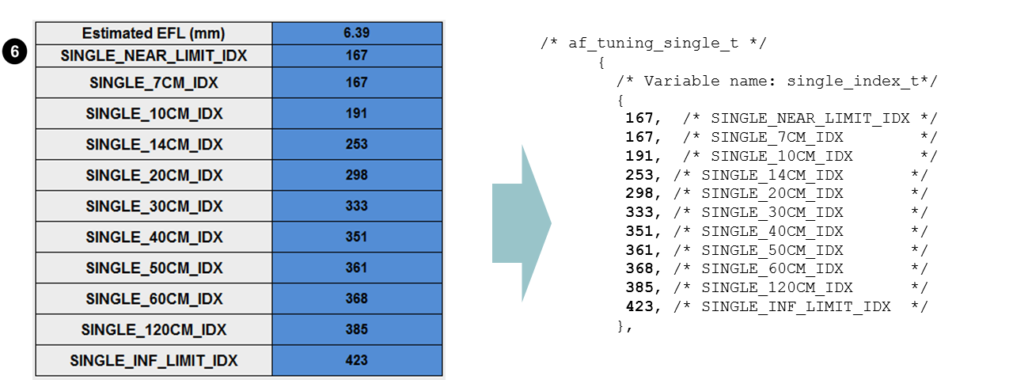
 |  |  | AF tuning header

 | 6. | Copy the index values in the worksheet to the AF tuning header.

 | 7. | Copy the values for each position from the worksheet to the AF tuning header.

 | 8. | Copy the step_index_per_um value from the worksheet to the AF tuning header.
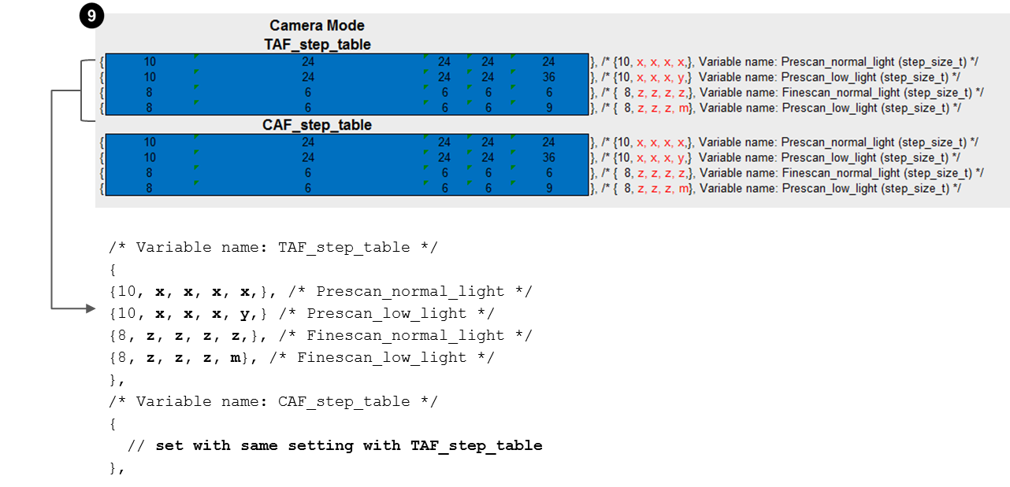

 | 9. | Copy the values from the TAF_step_table in the worksheet to the AF tuning header. Repeat for the CAF_step_table and, if applicable, video mode.

Instructions_bidirectional
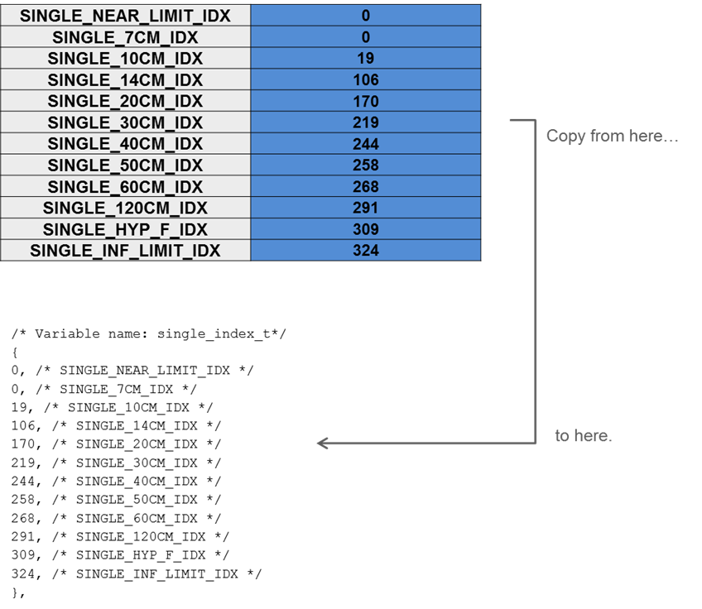
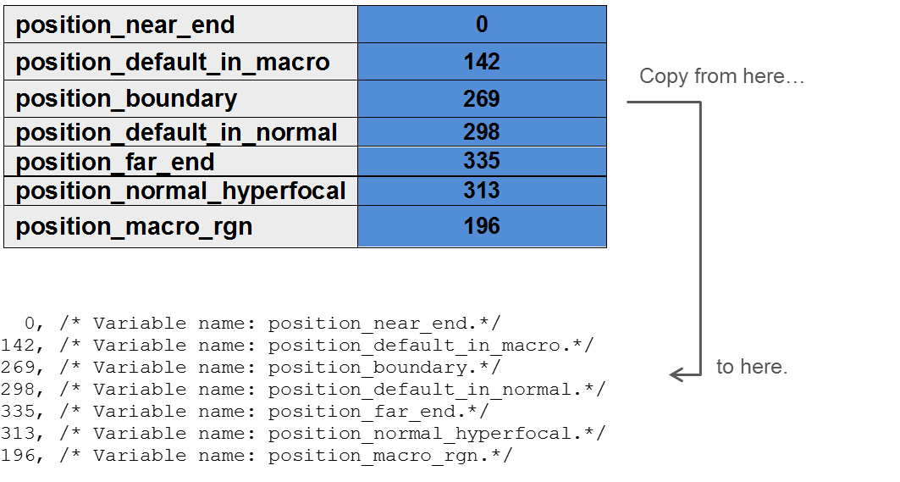
AF initial tuning procedure for bidirectional actuator

 | There are two parts in the initial tuning procedure for bidirectional actuators. ■ Part 1: Complete the Customer_sheet_bidirectional worksheet ■ Part 2: Copy the values from the worksheet to the AF tuning header Part 1 requires that you get the actuator sensor values (e.g., focal length, pixel size, etc.) from the module sensor vendor then enter those values into the Customer_sheet_bidirectional worksheet. The worksheet calculates index and position values based on these entries.
 | In Part 2 of the procedure, you copy the calculated values from the worksheet to the AF tuning header.
Part 1: Complete the Customer_sheet_bidirectional worksheet
 | 1. | Move to the Customer_sheet_bidirectional tab and type the applicable values in the yellow cells.
 |  | The worksheet provides instructions as to the source of the information.
 |  | Note: Do not modify any of the other cells in the worksheet. Many of the cells contain formulas that use the values from the yellow cells as input.
 | 2. | If the Step_bound value is greater than 325, then move to the DAC_to_Logical_index tab and
 |  | extend the step index table the appropriate number of rows. For example, if the Step_bound is
 |  | 336, then do the following:
 |  | a. Select the last row in the table.
 |  | b. Right-click and drag the selection the appropriate number of rows (e.g., 10). The appropriate values are automatically populated when you release the mouse.

Part 2: Copy the values from the worksheet to the AF tuning header
 |  | Copy the index and position values in the AF_Tuning section of the Customer_sheet_bidrectional tab to the AF tuning header as shown here.
 |  | Example

