2
show | show | show
#FFFFFF | #444a4d | #b0282a

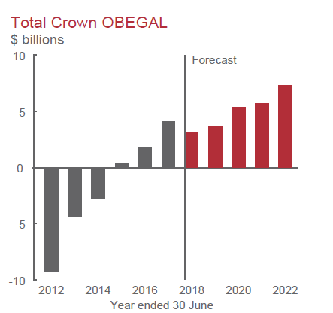
Year | Actual ($ billions) | Forecast ($ billions)
2011 | -18.4 | 0
2012 | -9.2 | 0
2013 | -4.4 | 0
2014 | -2.8 | 0
2015 | 0.4 | 0
2016 | 1.8 | 0
2017 | 4.1 | 0
2018 | 0.0 | 3.1
2019 | 0.0 | 3.7
2020 | 0.0 | 5.4
2021 | 0.0 | 5.7
2022 | 0.0 | 7.3

9
show | show | show | show
#ffffff | #646466 | #c26158 | #b22e38

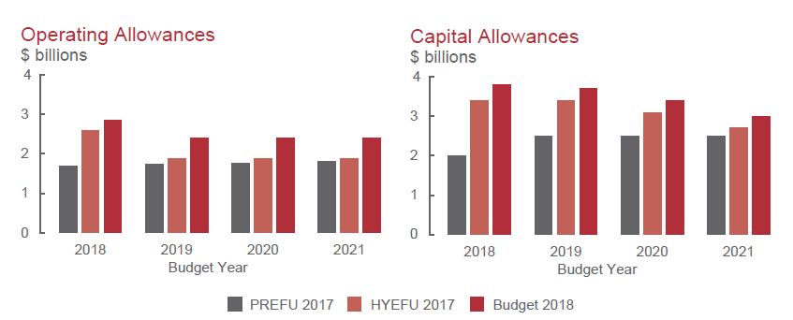
Budget Operating Allowances ($ billions) | PREFU 2017 | HYEFU 2017 | Budget 2018
2018 | 1.700 | 2.600 | 2.850
2019 | 1.73 | 1.88 | 2.400
2020 | 1.77 | 1.88 | 2.400
2021 | 1.8 | 1.88 | 2.400

12
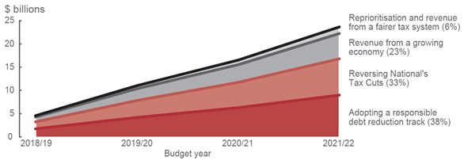
show | show | show | show | show
#ffffff | #cdced0 | #adaeb2 | #cb7c70 | #b94544

Year | Reprioritisation and revenue from a fairer tax system (6%) | Revenue from a growing economy (23%) | Reversing National's Tax Cuts (33%) | Adopting a responsible debt reduction track (38%)
2018/19 | 1.7 | 4.3 | 3.2 | 4.6
2019/20 | 4.2 | 10.3 | 7.8 | 11.1
2020/21 | 6.3 | 15.4 | 11.8 | 16.6
2021/22 | 9.0 | 22.1 | 16.8 | 23.7

