Financial data (Prices)
Typical time series data in finance

Date | Apple | Tesla | Bitcoin
2022-03-31 | 173.55863953 | 359.20001221 | 45538.675781
2022-04-01 | 173.26043701 | 361.52999878 | 46281.644531
2022-04-04 | 177.36558533 | 381.81668091 | 46622.675781
2022-04-05 | 174.00593567 | 363.75332642 | 45555.992188
2022-04-06 | 170.79536438 | 348.58666992 | 43206.738281
2022-04-07 | 171.10348511 | 352.42001343 | 43503.847656
2022-04-08 | 169.06584167 | 341.82998657 | 42287.664062
2022-04-11 | 164.75198364 | 325.30999756 | 39521.902344
2022-04-12 | 166.65048218 | 328.9833374 | 40127.183594
2022-04-13 | 169.37397766 | 340.79000854 | 41166.730469
2022-04-14 | 164.29475403 | 328.33334351 | 39935.515625
Apple and Tesla Adj Close
2022-04-18 | 164.07608032 | 334.76333618 | 40826.214844
2022-04-19 | 166.39204407 | 342.7166748 | 41502.75
2022-04-20 | 166.22305298 | 325.7333374 | 41374.378906
2022-04-21 | 165.41793823 | 336.26000977 | 40527.363281
2022-04-22 | 160.81582642 | 335.0166626 | 39740.320312
2022-04-25 | 161.89927673 | 332.67333984 | 40458.308594
2022-04-26 | 155.85588074 | 292.14001465 | 38117.460938
2022-04-27 | 155.62727356 | 293.83666992 | 39241.121094
2022-04-28 | 162.65467834 | 292.50332642 | 39773.828125
2022-04-29 | 156.70074463 | 290.25332642 | 38609.824219
2022-05-02 | 157.00889587 | 300.98001099 | 38529.328125
2022-05-03 | 158.51971436 | 303.08334351 | 37750.453125
2022-05-04 | 165.02035522 | 317.54000854 | 39698.371094
2022-05-05 | 155.82606506 | 291.09332275 | 36575.140625
Bitcoin Close
2022-05-06 | 156.56268311 | 288.54998779 | 36040.921875
2022-05-09 | 151.3664856 | 262.36999512 | 30296.953125
2022-05-10 | 153.80531311 | 266.67999268 | 31022.90625
2022-05-11 | 145.83184814 | 244.66667175 | 28936.355469
2022-05-12 | 141.90982056 | 242.66667175 | 29047.751953
2022-05-13 | 146.4390564 | 256.52999878 | 29283.103516
2022-05-16 | 144.8762207 | 241.45666504 | 29862.917969
2022-05-17 | 148.55934143 | 253.86999512 | 30425.857422
2022-05-18 | 140.17774963 | 236.60333252 | 28720.271484
2022-05-19 | 136.72357178 | 236.47332764 | 30314.333984
2022-05-20 | 136.96246338 | 221.30000305 | 29200.740234
2022-05-23 | 142.45730591 | 224.96665955 | 29098.910156
2022-05-24 | 139.71984863 | 209.38667297 | 29655.585938
2022-05-25 | 139.87911987 | 219.6000061 | 29562.361328
2022-05-26 | 143.12425232 | 235.91000366 | 29267.224609
2022-05-27 | 148.95751953 | 253.21000671 | 28627.574219
2022-05-31 | 148.16116333 | 252.75332642 | 31726.390625
2022-06-01 | 148.03175354 | 246.78999329 | 31792.310547
2022-06-02 | 150.52037048 | 258.33334351 | 29799.080078
2022-06-03 | 144.71694946 | 234.5166626 | 30467.488281
2022-06-06 | 145.47348022 | 238.27999878 | 29704.390625
2022-06-07 | 148.03175354 | 238.88667297 | 31370.671875
2022-06-08 | 147.28518677 | 241.8666687 | 31155.478516
2022-06-09 | 141.98944092 | 239.70666504 | 30214.355469
2022-06-10 | 136.50457764 | 232.22999573 | 30111.998047
2022-06-13 | 131.27851868 | 215.73666382 | 29083.804688
2022-06-14 | 132.1545105 | 220.88999939 | 22487.388672
2022-06-15 | 134.81231689 | 233 | 22206.792969
2022-06-16 | 129.46681213 | 213.1000061 | 22572.839844
2022-06-17 | 130.9599762 | 216.75999451 | 20381.650391
2022-06-21 | 135.25032043 | 237.03666687 | 20471.482422
2022-06-22 | 134.73269653 | 236.08666992 | 20710.597656
2022-06-23 | 137.63937378 | 235.07000732 | 19987.029297
2022-06-24 | 141.01391602 | 245.70666504 | 21085.876953
2022-06-27 | 141.01391602 | 244.91999817 | 21231.65625
2022-06-28 | 136.81317139 | 232.66333008 | 20735.478516
2022-06-29 | 138.59500122 | 228.49000549 | 20280.634766
2022-06-30 | 136.09645081 | 224.47332764 | 20104.023438
2022-07-01 | 138.2963562 | 227.26333618 | 19784.726562
2022-07-05 | 140.91436768 | 233.06666565 | 19269.367188
2022-07-06 | 142.26817322 | 231.7333374 | 20190.115234
2022-07-07 | 145.68252563 | 244.54333496 | 20548.246094
2022-07-08 | 146.36936951 | 250.76333618 | 21637.587891
2022-07-11 | 144.20925903 | 234.34333801 | 21731.117188
2022-07-12 | 145.19476318 | 233.07000732 | 19970.556641
2022-07-13 | 144.82644653 | 237.03999329 | 19323.914062
2022-07-14 | 147.79284668 | 238.31333923 | 20212.074219
2022-07-15 | 149.48509216 | 240.06666565 | 20569.919922
2022-07-18 | 146.39924622 | 240.54666138 | 20836.328125
2022-07-19 | 150.31132507 | 245.52999878 | 22485.689453
2022-07-20 | 152.3420105 | 247.5 | 23389.433594
2022-07-21 | 154.64149475 | 271.70666504 | 23231.732422
2022-07-22 | 153.38722229 | 272.24334717 | 23164.628906
2022-07-25 | 152.25242615 | 268.43331909 | 22714.978516
2022-07-26 | 150.90858459 | 258.85998535 | 21361.701172
2022-07-27 | 156.0749054 | 274.82000732 | 21239.753906
2022-07-28 | 156.63235474 | 280.8999939 | 22930.548828
2022-07-29 | 161.76882935 | 297.1499939 | 23843.886719
2022-08-01 | 160.77337646 | 297.27667236 | 23804.632812
2022-08-02 | 159.2802124 | 300.58666992 | 23314.199219
2022-08-03 | 165.37232971 | 307.39666748 | 22978.117188
2022-08-04 | 165.05377197 | 308.6333313 | 22846.507812
2022-08-05 | 164.82450867 | 288.17001343 | 22630.957031
2022-08-08 | 164.34602356 | 290.42333984 | 23289.314453
2022-08-09 | 164.39587402 | 283.33334351 | 23809.486328
2022-08-10 | 168.70214844 | 294.35665894 | 23164.318359
2022-08-11 | 167.95452881 | 286.63000488 | 23947.642578
2022-08-12 | 171.55305481 | 300.02999878 | 23957.529297
2022-08-15 | 172.6395874 | 309.32000732 | 24402.818359
2022-08-16 | 172.48010254 | 306.56332397 | 24136.972656
2022-08-17 | 173.99526978 | 303.99667358 | 23883.291016
2022-08-18 | 173.5965271 | 302.86999512 | 23335.998047
2022-08-19 | 170.97488403 | 296.66665649 | 23212.738281
2022-08-22 | 167.03744507 | 289.91333008 | 20877.552734
2022-08-23 | 166.69851685 | 296.45333862 | 21398.908203
2022-08-24 | 166.99757385 | 297.09667969 | 21528.087891
2022-08-25 | 169.48962402 | 296.07000732 | 21395.019531
2022-08-26 | 163.1000061 | 288.08999634 | 21600.904297
2022-08-29 | 160.86711121 | 284.82000732 | 20260.019531
2022-08-30 | 158.40496826 | 277.70001221 | 20297.994141
2022-08-31 | 156.72033691 | 275.60998535 | 19796.808594
2022-09-01 | 157.45799255 | 277.16000366 | 20049.763672
2022-09-02 | 155.31481934 | 270.20999146 | 20127.140625
2022-09-06 | 154.03889465 | 274.42001343 | 19969.771484
2022-09-07 | 155.46435547 | 283.70001221 | 18837.667969
2022-09-08 | 153.96911621 | 289.26000977 | 19290.324219
2022-09-09 | 156.86985779 | 299.67999268 | 19329.833984
2022-09-12 | 162.91059875 | 304.42001343 | 21381.152344
2022-09-13 | 153.35107422 | 292.13000488 | 22370.449219
2022-09-14 | 154.81640625 | 302.60998535 | 20296.707031
2022-09-15 | 151.88575745 | 303.75 | 20241.089844
2022-09-16 | 150.22106934 | 303.3500061 | 19701.210938
2022-09-19 | 153.98904419 | 309.07000732 | 19772.583984
2022-09-20 | 156.40135193 | 308.73001099 | 19544.128906
2022-09-21 | 153.23146057 | 300.79998779 | 18890.789062
2022-09-22 | 152.2545929 | 288.58999634 | 18547.400391
2022-09-23 | 149.95191956 | 275.32998657 | 19413.550781
2022-09-26 | 150.29084778 | 276.01000977 | 19297.638672
2022-09-27 | 151.2776947 | 282.94000244 | 19222.671875
2022-09-28 | 149.36378479 | 287.80999756 | 19110.546875
2022-09-29 | 142.0271759 | 268.20999146 | 19426.720703
2022-09-30 | 137.76077271 | 265.25 | 19573.050781
2022-10-03 | 141.99728394 | 242.3999939 | 19431.789062
2022-10-04 | 145.63568115 | 249.44000244 | 19623.580078
2022-10-05 | 145.9347229 | 240.80999756 | 20336.84375
2022-10-06 | 144.96780396 | 238.13000488 | 20160.716797
2022-10-07 | 139.64477539 | 223.07000732 | 19955.443359
2022-10-10 | 139.97373962 | 222.96000671 | 19546.849609
2022-10-11 | 138.53829956 | 216.5 | 19141.484375
2022-10-12 | 137.90032959 | 217.24000549 | 19051.417969
2022-10-13 | 142.53556824 | 221.72000122 | 19157.445312
2022-10-14 | 137.94021606 | 204.99000549 | 19382.904297
2022-10-17 | 141.95741272 | 219.3500061 | 19185.65625
2022-10-18 | 143.29315186 | 220.19000244 | 19550.757812
2022-10-19 | 143.40280151 | 222.03999329 | 19334.416016
2022-10-20 | 142.93429565 | 207.27999878 | 19139.535156
2022-10-21 | 146.80195618 | 214.44000244 | 19053.740234
2022-10-24 | 148.97502136 | 211.25 | 19172.46875
2022-10-25 | 151.85585022 | 222.41999817 | 19345.572266
2022-10-26 | 148.87535095 | 224.63999939 | 20095.857422
2022-10-27 | 144.33981323 | 225.08999634 | 20770.441406
2022-10-28 | 155.24505615 | 228.52000427 | 20285.835938
2022-10-31 | 152.85267639 | 227.53999329 | 20595.351562
2022-11-01 | 150.17121887 | 227.82000732 | 20495.773438
2022-11-02 | 144.56907654 | 214.97999573 | 20485.273438
2022-11-03 | 138.43862915 | 215.30999756 | 20159.503906
2022-11-04 | 138.16903687 | 207.47000122 | 20209.988281
2022-11-07 | 138.70820618 | 197.08000183 | 21147.230469
2022-11-08 | 139.28733826 | 191.30000305 | 20602.816406
2022-11-09 | 134.66438293 | 177.58999634 | 18541.271484
2022-11-10 | 146.64608765 | 190.72000122 | 15880.780273
2022-11-11 | 149.47177124 | 195.97000122 | 17586.771484
2022-11-14 | 148.05393982 | 190.94999695 | 17034.292969
2022-11-15 | 149.81124878 | 194.41999817 | 16618.199219
2022-11-16 | 148.56315613 | 186.91999817 | 16884.613281
2022-11-17 | 150.49023438 | 183.16999817 | 16669.439453
2022-11-18 | 151.05935669 | 180.19000244 | 16687.517578
2022-11-21 | 147.78434753 | 167.86999512 | 16697.777344
2022-11-22 | 149.95103455 | 169.91000366 | 15787.28418
2022-11-23 | 150.83970642 | 183.19999695 | 16189.769531
2022-11-25 | 147.88420105 | 182.86000061 | 16610.707031
2022-11-28 | 144.00013733 | 182.91999817 | 16604.464844
2022-11-29 | 140.95478821 | 180.83000183 | 16521.841797
2022-11-30 | 147.80432129 | 194.69999695 | 16217.322266
2022-12-01 | 148.08389282 | 194.69999695 | 16444.982422
2022-12-02 | 147.58465576 | 194.86000061 | 17168.566406
2022-12-05 | 146.40646362 | 182.44999695 | 16967.132812
2022-12-06 | 142.69213867 | 179.82000732 | 17088.660156
2022-12-07 | 140.72514343 | 174.03999329 | 16974.826172
2022-12-08 | 142.43252563 | 173.44000244 | 17089.503906
2022-12-09 | 141.94328308 | 179.05000305 | 16848.126953
2022-12-12 | 144.26972961 | 167.82000732 | 17233.474609
2022-12-13 | 145.24822998 | 160.94999695 | 17133.152344
2022-12-14 | 142.99168396 | 156.80000305 | 17206.4375
2022-12-15 | 136.29190063 | 157.66999817 | 17781.318359
2022-12-16 | 134.30493164 | 150.22999573 | 17815.650391
2022-12-19 | 132.16819763 | 149.86999512 | 17364.865234
2022-12-20 | 132.09831238 | 137.80000305 | 16647.484375
2022-12-21 | 135.24349976 | 137.57000732 | 16439.679688
2022-12-22 | 132.02841187 | 125.34999847 | 16906.304688
2022-12-23 | 131.65898132 | 123.15000153 | 16817.535156
2022-12-27 | 129.83177185 | 109.09999847 | 16830.341797
2022-12-28 | 125.84785461 | 112.70999908 | 16796.953125
2022-12-29 | 129.41241455 | 121.81999969 | 16717.173828
2022-12-30 | 129.73191833 | 123.18000031 | 16552.572266
2023-01-03 | 124.87932587 | 108.09999847 | 16642.341797
2023-01-04 | 126.16736603 | 113.63999939 | 16602.585938
2023-01-05 | 124.82939911 | 110.33999634 | 16679.857422
2023-01-06 | 129.4223938 | 113.05999756 | 16863.238281
2023-01-09 | 129.95158386 | 119.76999664 | 16836.736328
2023-01-10 | 130.53070068 | 118.84999847 | 16951.96875
2023-01-11 | 133.28649902 | 123.22000122 | 17196.554688
2023-01-12 | 133.20661926 | 123.55999756 | 17446.292969
2023-01-13 | 134.55455017 | 122.40000153 | 17934.896484
2023-01-17 | 135.73275757 | 131.49000549 | 18869.587891
2023-01-18 | 135.00387573 | 128.77999878 | 19909.574219
2023-01-19 | 135.06378174 | 127.16999817 | 21169.632812
2023-01-20 | 137.6598053 | 133.41999817 | 21161.519531
2023-01-23 | 140.8948822 | 143.75 | 20688.78125
2023-01-24 | 142.31271362 | 143.88999939 | 21086.792969
2023-01-25 | 141.64373779 | 144.42999268 | 22676.552734
2023-01-26 | 143.74053955 | 160.27000427 | 22934.431641
2023-01-27 | 145.70751953 | 177.8999939 | 22636.46875
2023-01-30 | 142.78199768 | 166.66000366 | 23117.859375
2023-01-31 | 144.07002258 | 173.22000122 | 23032.777344
2023-02-01 | 145.20828247 | 181.41000366 | 23078.728516
2023-02-02 | 150.59008789 | 188.27000427 | 22840.138672
2023-02-03 | 154.26446533 | 189.97999573 | 23139.283203
2023-02-06 | 151.49868774 | 194.75999451 | 23723.769531
2023-02-07 | 154.41423035 | 196.80999756 | 23471.871094
2023-02-08 | 151.68840027 | 201.28999329 | 23449.322266
2023-02-09 | 150.63999939 | 207.32000732 | 22760.109375
2023-02-10 | 151.00999451 | 196.88999939 | 23264.291016
2023-02-13 | 153.8500061 | 194.63999939 | 22939.398438
2023-02-14 | 153.19999695 | 209.25 | 21819.039062
2023-02-15 | 155.33000183 | 214.24000549 | 21651.183594
2023-02-16 | 153.71000671 | 202.03999329 | 21808.101562
2023-02-17 | 152.55000305 | 208.30999756 | 22220.804688
2023-02-21 | 148.47999573 | 197.36999512 | 24307.841797
2023-02-22 | 148.91000366 | 200.86000061 | 23623.474609
2023-02-23 | 149.3999939 | 202.07000732 | 24565.601562
2023-02-24 | 146.71000671 | 196.88000488 | 24436.353516
2023-02-27 | 147.91999817 | 207.63000488 | 24188.84375
2023-02-28 | 147.41000366 | 205.71000671 | 23947.492188
2023-03-01 | 145.30999756 | 202.77000427 | 23198.126953
2023-03-02 | 145.91000366 | 190.8999939 | 23522.871094
2023-03-03 | 151.02999878 | 197.78999329 | 23147.353516
2023-03-06 | 153.83000183 | 193.80999756 | 23646.550781
2023-03-07 | 151.6000061 | 187.71000671 | 23475.466797
2023-03-08 | 152.86999512 | 182 | 22362.679688
2023-03-09 | 150.58999634 | 172.91999817 | 22429.757812
2023-03-10 | 148.5 | 173.44000244 | 22219.769531
2023-03-13 | 150.47000122 | 174.47999573 | 21718.080078
2023-03-14 | 152.58999634 | 183.25999451 | 20363.021484
2023-03-15 | 152.99000549 | 180.44999695 | 20187.244141
2023-03-16 | 155.8500061 | 184.13000488 | 24197.533203
2023-03-17 | 155 | 180.13000488 | 24746.074219
2023-03-20 | 157.3999939 | 183.25 | 24375.960938
2023-03-21 | 159.27999878 | 197.58000183 | 25052.789062
2023-03-22 | 157.83000183 | 191.1499939 | 27423.929688
2023-03-23 | 158.92999268 | 192.22000122 | 27767.236328
2023-03-24 | 160.25 | 190.41000366 | 28175.816406
2023-03-27 | 158.27999878 | 191.80999756 | 27307.4375
2023-03-28 | 157.6499939 | 189.19000244 | 28333.972656
2023-03-29 | 160.77000427 | 193.88000488 | 27493.285156
2023-03-30 | 162.36000061 | 195.27999878 | 27139.888672

Financial data (Returns)
Typical time series data in finance

Date | Apple | Tesla | Bitcoin
2022-04-01 | -0.002 | 0.006 | 0.016
2022-04-04 | 0.024 | 0.056 | 0.007
2022-04-05 | -0.019 | -0.047 | -0.023
2022-04-06 | -0.018 | -0.042 | -0.052
2022-04-07 | 0.002 | 0.011 | 0.007
2022-04-08 | -0.012 | -0.030 | -0.028
2022-04-11 | -0.026 | -0.048 | -0.065
2022-04-12 | 0.012 | 0.011 | 0.015
2022-04-13 | 0.016 | 0.036 | 0.026
2022-04-14 | -0.030 | -0.037 | -0.030
Apple | Tesla | Bitcoin
2022-04-18 | -0.001 | 0.020 | 0.022
2022-04-19 | 0.014 | 0.024 | 0.017
2022-04-20 | -0.001 | -0.050 | -0.003
2022-04-21 | -0.005 | 0.032 | -0.020
2022-04-22 | -0.028 | -0.004 | -0.019
2022-04-25 | 0.007 | -0.007 | 0.018
2022-04-26 | -0.037 | -0.122 | -0.058
2022-04-27 | -0.001 | 0.006 | 0.029
2022-04-28 | 0.045 | -0.005 | 0.014
2022-04-29 | -0.037 | -0.008 | -0.029
2022-05-02 | 0.002 | 0.037 | -0.002
2022-05-03 | 0.010 | 0.007 | -0.020
2022-05-04 | 0.041 | 0.048 | 0.052
2022-05-05 | -0.056 | -0.083 | -0.079
2022-05-06 | 0.005 | -0.009 | -0.015
2022-05-09 | -0.033 | -0.091 | -0.159
2022-05-10 | 0.016 | 0.016 | 0.024
2022-05-11 | -0.052 | -0.083 | -0.067
2022-05-12 | -0.027 | -0.008 | 0.004
2022-05-13 | 0.032 | 0.057 | 0.008
2022-05-16 | -0.011 | -0.059 | 0.020
2022-05-17 | 0.025 | 0.051 | 0.019
2022-05-18 | -0.056 | -0.068 | -0.056
2022-05-19 | -0.025 | -0.001 | 0.056
2022-05-20 | 0.002 | -0.064 | -0.037
2022-05-23 | 0.040 | 0.017 | -0.003
2022-05-24 | -0.019 | -0.069 | 0.019
2022-05-25 | 0.001 | 0.049 | -0.003
2022-05-26 | 0.023 | 0.074 | -0.010
2022-05-27 | 0.041 | 0.073 | -0.022
2022-05-31 | -0.005 | -0.002 | 0.108
2022-06-01 | -0.001 | -0.024 | 0.002
2022-06-02 | 0.017 | 0.047 | -0.063
2022-06-03 | -0.039 | -0.092 | 0.022
2022-06-06 | 0.005 | 0.016 | -0.025
2022-06-07 | 0.018 | 0.003 | 0.056
2022-06-08 | -0.005 | 0.012 | -0.007
2022-06-09 | -0.036 | -0.009 | -0.030
2022-06-10 | -0.039 | -0.031 | -0.003
2022-06-13 | -0.038 | -0.071 | -0.034
2022-06-14 | 0.007 | 0.024 | -0.227
2022-06-15 | 0.020 | 0.055 | -0.012
2022-06-16 | -0.040 | -0.085 | 0.016
2022-06-17 | 0.012 | 0.017 | -0.097
2022-06-21 | 0.033 | 0.094 | 0.004
2022-06-22 | -0.004 | -0.004 | 0.012
2022-06-23 | 0.022 | -0.004 | -0.035
2022-06-24 | 0.025 | 0.045 | 0.055
2022-06-27 | 0.000 | -0.003 | 0.007
2022-06-28 | -0.030 | -0.050 | -0.023
2022-06-29 | 0.013 | -0.018 | -0.022
2022-06-30 | -0.018 | -0.018 | -0.009
2022-07-01 | 0.016 | 0.012 | -0.016
2022-07-05 | 0.019 | 0.026 | -0.026
2022-07-06 | 0.010 | -0.006 | 0.048
2022-07-07 | 0.024 | 0.055 | 0.018
2022-07-08 | 0.005 | 0.025 | 0.053
2022-07-11 | -0.015 | -0.065 | 0.004
2022-07-12 | 0.007 | -0.005 | -0.081
2022-07-13 | -0.003 | 0.017 | -0.032
2022-07-14 | 0.020 | 0.005 | 0.046
2022-07-15 | 0.011 | 0.007 | 0.018
2022-07-18 | -0.021 | 0.002 | 0.013
2022-07-19 | 0.027 | 0.021 | 0.079
2022-07-20 | 0.014 | 0.008 | 0.040
2022-07-21 | 0.015 | 0.098 | -0.007
2022-07-22 | -0.008 | 0.002 | -0.003
2022-07-25 | -0.007 | -0.014 | -0.019
2022-07-26 | -0.009 | -0.036 | -0.060
2022-07-27 | 0.034 | 0.062 | -0.006
2022-07-28 | 0.004 | 0.022 | 0.080
2022-07-29 | 0.033 | 0.058 | 0.040
2022-08-01 | -0.006 | 0.000 | -0.002
2022-08-02 | -0.009 | 0.011 | -0.021
2022-08-03 | 0.038 | 0.023 | -0.014
2022-08-04 | -0.002 | 0.004 | -0.006
2022-08-05 | -0.001 | -0.066 | -0.009
2022-08-08 | -0.003 | 0.008 | 0.029
2022-08-09 | 0.000 | -0.024 | 0.022
2022-08-10 | 0.026 | 0.039 | -0.027
2022-08-11 | -0.004 | -0.026 | 0.034
2022-08-12 | 0.021 | 0.047 | 0.000
2022-08-15 | 0.006 | 0.031 | 0.019
2022-08-16 | -0.001 | -0.009 | -0.011
2022-08-17 | 0.009 | -0.008 | -0.011
2022-08-18 | -0.002 | -0.004 | -0.023
2022-08-19 | -0.015 | -0.020 | -0.005
2022-08-22 | -0.023 | -0.023 | -0.101
2022-08-23 | -0.002 | 0.023 | 0.025
2022-08-24 | 0.002 | 0.002 | 0.006
2022-08-25 | 0.015 | -0.003 | -0.006
2022-08-26 | -0.038 | -0.027 | 0.010
2022-08-29 | -0.014 | -0.011 | -0.062
2022-08-30 | -0.015 | -0.025 | 0.002
2022-08-31 | -0.011 | -0.008 | -0.025
2022-09-01 | 0.005 | 0.006 | 0.013
2022-09-02 | -0.014 | -0.025 | 0.004
2022-09-06 | -0.008 | 0.016 | -0.008
2022-09-07 | 0.009 | 0.034 | -0.057
2022-09-08 | -0.010 | 0.020 | 0.024
2022-09-09 | 0.019 | 0.036 | 0.002
2022-09-12 | 0.039 | 0.016 | 0.106
2022-09-13 | -0.059 | -0.040 | 0.046
2022-09-14 | 0.010 | 0.036 | -0.093
2022-09-15 | -0.019 | 0.004 | -0.003
2022-09-16 | -0.011 | -0.001 | -0.027
2022-09-19 | 0.025 | 0.019 | 0.004
2022-09-20 | 0.016 | -0.001 | -0.012
2022-09-21 | -0.020 | -0.026 | -0.033
2022-09-22 | -0.006 | -0.041 | -0.018
2022-09-23 | -0.015 | -0.046 | 0.047
2022-09-26 | 0.002 | 0.002 | -0.006
2022-09-27 | 0.007 | 0.025 | -0.004
2022-09-28 | -0.013 | 0.017 | -0.006
2022-09-29 | -0.049 | -0.068 | 0.017
2022-09-30 | -0.030 | -0.011 | 0.008
2022-10-03 | 0.031 | -0.086 | -0.007
2022-10-04 | 0.026 | 0.029 | 0.010
2022-10-05 | 0.002 | -0.035 | 0.036
2022-10-06 | -0.007 | -0.011 | -0.009
2022-10-07 | -0.037 | -0.063 | -0.010
2022-10-10 | 0.002 | 0.000 | -0.020
2022-10-11 | -0.010 | -0.029 | -0.021
2022-10-12 | -0.005 | 0.003 | -0.005
2022-10-13 | 0.034 | 0.021 | 0.006
2022-10-14 | -0.032 | -0.075 | 0.012
2022-10-17 | 0.029 | 0.070 | -0.010
2022-10-18 | 0.009 | 0.004 | 0.019
2022-10-19 | 0.001 | 0.008 | -0.011
2022-10-20 | -0.003 | -0.066 | -0.010
2022-10-21 | 0.027 | 0.035 | -0.004
2022-10-24 | 0.015 | -0.015 | 0.006
2022-10-25 | 0.019 | 0.053 | 0.009
2022-10-26 | -0.020 | 0.010 | 0.039
2022-10-27 | -0.030 | 0.002 | 0.034
2022-10-28 | 0.076 | 0.015 | -0.023
2022-10-31 | -0.015 | -0.004 | 0.015
2022-11-01 | -0.018 | 0.001 | -0.005
2022-11-02 | -0.037 | -0.056 | -0.001
2022-11-03 | -0.042 | 0.002 | -0.016
2022-11-04 | -0.002 | -0.036 | 0.003
2022-11-07 | 0.004 | -0.050 | 0.046
2022-11-08 | 0.004 | -0.029 | -0.026
2022-11-09 | -0.033 | -0.072 | -0.100
2022-11-10 | 0.089 | 0.074 | -0.143
2022-11-11 | 0.019 | 0.028 | 0.107
2022-11-14 | -0.009 | -0.026 | -0.031
2022-11-15 | 0.012 | 0.018 | -0.024
2022-11-16 | -0.008 | -0.039 | 0.016
2022-11-17 | 0.013 | -0.020 | -0.013
2022-11-18 | 0.004 | -0.016 | 0.001
2022-11-21 | -0.022 | -0.068 | 0.001
2022-11-22 | 0.015 | 0.012 | -0.055
2022-11-23 | 0.006 | 0.078 | 0.025
2022-11-25 | -0.020 | -0.002 | 0.026
2022-11-28 | -0.026 | 0.000 | 0.000
2022-11-29 | -0.021 | -0.011 | -0.005
2022-11-30 | 0.049 | 0.077 | -0.018
2022-12-01 | 0.002 | 0.000 | 0.014
2022-12-02 | -0.003 | 0.001 | 0.044
2022-12-05 | -0.008 | -0.064 | -0.012
2022-12-06 | -0.025 | -0.014 | 0.007
2022-12-07 | -0.014 | -0.032 | -0.007
2022-12-08 | 0.012 | -0.003 | 0.007
2022-12-09 | -0.003 | 0.032 | -0.014
2022-12-12 | 0.016 | -0.063 | 0.023
2022-12-13 | 0.007 | -0.041 | -0.006
2022-12-14 | -0.016 | -0.026 | 0.004
2022-12-15 | -0.047 | 0.006 | 0.033
2022-12-16 | -0.015 | -0.047 | 0.002
2022-12-19 | -0.016 | -0.002 | -0.025
2022-12-20 | -0.001 | -0.081 | -0.041
2022-12-21 | 0.024 | -0.002 | -0.012
2022-12-22 | -0.024 | -0.089 | 0.028
2022-12-23 | -0.003 | -0.018 | -0.005
2022-12-27 | -0.014 | -0.114 | 0.001
2022-12-28 | -0.031 | 0.033 | -0.002
2022-12-29 | 0.028 | 0.081 | -0.005
2022-12-30 | 0.002 | 0.011 | -0.010
2023-01-03 | -0.037 | -0.122 | 0.005
2023-01-04 | 0.010 | 0.051 | -0.002
2023-01-05 | -0.011 | -0.029 | 0.005
2023-01-06 | 0.037 | 0.025 | 0.011
2023-01-09 | 0.004 | 0.059 | -0.002
2023-01-10 | 0.004 | -0.008 | 0.007
2023-01-11 | 0.021 | 0.037 | 0.014
2023-01-12 | -0.001 | 0.003 | 0.015
2023-01-13 | 0.010 | -0.009 | 0.028
2023-01-17 | 0.009 | 0.074 | 0.052
2023-01-18 | -0.005 | -0.021 | 0.055
2023-01-19 | 0.000 | -0.013 | 0.063
2023-01-20 | 0.019 | 0.049 | 0.000
2023-01-23 | 0.024 | 0.077 | -0.022
2023-01-24 | 0.010 | 0.001 | 0.019
2023-01-25 | -0.005 | 0.004 | 0.075
2023-01-26 | 0.015 | 0.110 | 0.011
2023-01-27 | 0.014 | 0.110 | -0.013
2023-01-30 | -0.020 | -0.063 | 0.021
2023-01-31 | 0.009 | 0.039 | -0.004
2023-02-01 | 0.008 | 0.047 | 0.002
2023-02-02 | 0.037 | 0.038 | -0.010
2023-02-03 | 0.024 | 0.009 | 0.013
2023-02-06 | -0.018 | 0.025 | 0.025
2023-02-07 | 0.019 | 0.011 | -0.011
2023-02-08 | -0.018 | 0.023 | -0.001
2023-02-09 | -0.007 | 0.030 | -0.029
2023-02-10 | 0.002 | -0.050 | 0.022
2023-02-13 | 0.019 | -0.011 | -0.014
2023-02-14 | -0.004 | 0.075 | -0.049
2023-02-15 | 0.014 | 0.024 | -0.008
2023-02-16 | -0.010 | -0.057 | 0.007
2023-02-17 | -0.008 | 0.031 | 0.019
2023-02-21 | -0.027 | -0.053 | 0.094
2023-02-22 | 0.003 | 0.018 | -0.028
2023-02-23 | 0.003 | 0.006 | 0.040
2023-02-24 | -0.018 | -0.026 | -0.005
2023-02-27 | 0.008 | 0.055 | -0.010
2023-02-28 | -0.003 | -0.009 | -0.010
2023-03-01 | -0.014 | -0.014 | -0.031
2023-03-02 | 0.004 | -0.059 | 0.014
2023-03-03 | 0.035 | 0.036 | -0.016
2023-03-06 | 0.019 | -0.020 | 0.022
2023-03-07 | -0.014 | -0.031 | -0.007
2023-03-08 | 0.008 | -0.030 | -0.047
2023-03-09 | -0.015 | -0.050 | 0.003
2023-03-10 | -0.014 | 0.003 | -0.009
2023-03-13 | 0.013 | 0.006 | -0.023
2023-03-14 | 0.014 | 0.050 | -0.062
2023-03-15 | 0.003 | -0.015 | -0.009
2023-03-16 | 0.019 | 0.020 | 0.199
2023-03-17 | -0.005 | -0.022 | 0.023
2023-03-20 | 0.015 | 0.017 | -0.015
2023-03-21 | 0.012 | 0.078 | 0.028
2023-03-22 | -0.009 | -0.033 | 0.095
2023-03-23 | 0.007 | 0.006 | 0.013
2023-03-24 | 0.008 | -0.009 | 0.015
2023-03-27 | -0.012 | 0.007 | -0.031
2023-03-28 | -0.004 | -0.014 | 0.038
2023-03-29 | 0.020 | 0.025 | -0.030
2023-03-30 | 0.010 | 0.007 | -0.013

Distribution of data
FREQUENCY DISTRIBUTION OF DATA

Frequency Distribution/Histogram
Month | Stock Return(X) |  |  | Stock Return | Frequency
Jan | 1% |  |  | -2.0% | 2
Feb | 2% |  |  | -1.0% | 2
Mar | -1% |  |  | 0.0% | 0
Apr | 3% |  |  | 1.0% | 3
May | 2% |  |  | 2.0% | 3
Jun | -2% |  |  | 3.0% | 2
Jul | -1% |  |  | Total | 12
Aug | 3%
Sep | -2%
Oct | 1%
Nov | 2%
Dec | 1%

PROBABILITY DISTRIBUTION OF DATA

Probability Distribution
Month | Stock Return(X) |  |  | Stock Return | Probability
Jan | 1% |  |  | -2.0% | 0.167
Feb | 2% |  |  | -1.0% | 0.167
Mar | -1% |  |  | 0.0% | 0.000
Apr | 3% |  |  | 1.0% | 0.250
May | 2% |  |  | 2.0% | 0.250
Jun | -2% |  |  | 3.0% | 0.167
Jul | -1% |  |  | Total | 1
Aug | 3%
Sep | -2%
Oct | 1%
Nov | 2%
Dec | 1%

 |  |  |  | Simple

 |  |  |  | TSLA Adjusted Close Price
 |  |  | 24-May-22 | 200
 |  |  | 25-May-22 | 220

 |  |  |  |  |  | 0.10

 |  |  |  | Log
 |  |  |  |  |  | 0.10

 |  |  |  |  |  | 0.095310179804

count | 250 | 250 | 250
Min | -0.060 | -0.120 | -0.230
Max | 0.090 | 0.110 | 0.200
Date | Apple | Tesla | Bitcoin
2022-04-01 | 0.00 | 0.01 | 0.02 |  |  | Range | Apple | Tesla | Bitcoin
2022-04-04 | 0.02 | 0.06 | 0.01 |  |  | -0.30 to -0.21 | 0 | 0 | 1
2022-04-05 | -0.02 | -0.05 | -0.02 |  |  | -0.20 to -0.11 | 0 | 3 | 2
2022-04-06 | -0.02 | -0.04 | -0.05 |  |  | -0.10 to 0.01 | 95 | 101 | 108
2022-04-07 | 0.00 | 0.01 | 0.01 |  |  | 0 to 0.09 | 155 | 143 | 135
2022-04-08 | -0.01 | -0.03 | -0.03 |  |  | 0.10 to 1.19 | 0 | 3 | 3
2022-04-11 | -0.03 | -0.05 | -0.07 |  |  | 0.20 to 0.29 | 0 | 0 | 1
2022-04-12 | 0.01 | 0.01 | 0.02 |  |  | Total | 250 | 250 | 250
2022-04-13 | 0.02 | 0.04 | 0.03
2022-04-14 | -0.03 | -0.04 | -0.03
2022-04-18 | 0.00 | 0.02 | 0.02
2022-04-19 | 0.01 | 0.02 | 0.02
2022-04-20 | 0.00 | -0.05 | 0.00
2022-04-21 | 0.00 | 0.03 | -0.02
2022-04-22 | -0.03 | 0.00 | -0.02
2022-04-25 | 0.01 | -0.01 | 0.02
2022-04-26 | -0.04 | -0.12 | -0.06
2022-04-27 | 0.00 | 0.01 | 0.03
2022-04-28 | 0.05 | 0.00 | 0.01
2022-04-29 | -0.04 | -0.01 | -0.03
2022-05-02 | 0.00 | 0.04 | 0.00
2022-05-03 | 0.01 | 0.01 | -0.02
2022-05-04 | 0.04 | 0.05 | 0.05
2022-05-05 | -0.06 | -0.08 | -0.08
2022-05-06 | 0.00 | -0.01 | -0.01
2022-05-09 | -0.03 | -0.09 | -0.16
2022-05-10 | 0.02 | 0.02 | 0.02
2022-05-11 | -0.05 | -0.08 | -0.07
2022-05-12 | -0.03 | -0.01 | 0.00
2022-05-13 | 0.03 | 0.06 | 0.01
2022-05-16 | -0.01 | -0.06 | 0.02
2022-05-17 | 0.03 | 0.05 | 0.02
2022-05-18 | -0.06 | -0.07 | -0.06
2022-05-19 | -0.02 | 0.00 | 0.06
2022-05-20 | 0.00 | -0.06 | -0.04
2022-05-23 | 0.04 | 0.02 | 0.00
2022-05-24 | -0.02 | -0.07 | 0.02
2022-05-25 | 0.00 | 0.05 | 0.00
2022-05-26 | 0.02 | 0.07 | -0.01
2022-05-27 | 0.04 | 0.07 | -0.02
2022-05-31 | -0.01 | 0.00 | 0.11
2022-06-01 | 0.00 | -0.02 | 0.00
2022-06-02 | 0.02 | 0.05 | -0.06
2022-06-03 | -0.04 | -0.09 | 0.02
2022-06-06 | 0.01 | 0.02 | -0.03
2022-06-07 | 0.02 | 0.00 | 0.06
2022-06-08 | -0.01 | 0.01 | -0.01
2022-06-09 | -0.04 | -0.01 | -0.03
2022-06-10 | -0.04 | -0.03 | 0.00
2022-06-13 | -0.04 | -0.07 | -0.03
2022-06-14 | 0.01 | 0.02 | -0.23
2022-06-15 | 0.02 | 0.05 | -0.01
2022-06-16 | -0.04 | -0.09 | 0.02
2022-06-17 | 0.01 | 0.02 | -0.10
2022-06-21 | 0.03 | 0.09 | 0.00
2022-06-22 | 0.00 | 0.00 | 0.01
2022-06-23 | 0.02 | 0.00 | -0.03
2022-06-24 | 0.02 | 0.05 | 0.05
2022-06-27 | 0.00 | 0.00 | 0.01
2022-06-28 | -0.03 | -0.05 | -0.02
2022-06-29 | 0.01 | -0.02 | -0.02
2022-06-30 | -0.02 | -0.02 | -0.01
2022-07-01 | 0.02 | 0.01 | -0.02
2022-07-05 | 0.02 | 0.03 | -0.03
2022-07-06 | 0.01 | -0.01 | 0.05
2022-07-07 | 0.02 | 0.06 | 0.02
2022-07-08 | 0.00 | 0.03 | 0.05
2022-07-11 | -0.01 | -0.07 | 0.00
2022-07-12 | 0.01 | -0.01 | -0.08
2022-07-13 | 0.00 | 0.02 | -0.03
2022-07-14 | 0.02 | 0.01 | 0.05
2022-07-15 | 0.01 | 0.01 | 0.02
2022-07-18 | -0.02 | 0.00 | 0.01
2022-07-19 | 0.03 | 0.02 | 0.08
2022-07-20 | 0.01 | 0.01 | 0.04
2022-07-21 | 0.02 | 0.10 | -0.01
2022-07-22 | -0.01 | 0.00 | 0.00
2022-07-25 | -0.01 | -0.01 | -0.02
2022-07-26 | -0.01 | -0.04 | -0.06
2022-07-27 | 0.03 | 0.06 | -0.01
2022-07-28 | 0.00 | 0.02 | 0.08
2022-07-29 | 0.03 | 0.06 | 0.04
2022-08-01 | -0.01 | 0.00 | 0.00
2022-08-02 | -0.01 | 0.01 | -0.02
2022-08-03 | 0.04 | 0.02 | -0.01
2022-08-04 | 0.00 | 0.00 | -0.01
2022-08-05 | 0.00 | -0.07 | -0.01
2022-08-08 | 0.00 | 0.01 | 0.03
2022-08-09 | 0.00 | -0.02 | 0.02
2022-08-10 | 0.03 | 0.04 | -0.03
2022-08-11 | 0.00 | -0.03 | 0.03
2022-08-12 | 0.02 | 0.05 | 0.00
2022-08-15 | 0.01 | 0.03 | 0.02
2022-08-16 | 0.00 | -0.01 | -0.01
2022-08-17 | 0.01 | -0.01 | -0.01
2022-08-18 | 0.00 | 0.00 | -0.02
2022-08-19 | -0.02 | -0.02 | -0.01
2022-08-22 | -0.02 | -0.02 | -0.10
2022-08-23 | 0.00 | 0.02 | 0.02
2022-08-24 | 0.00 | 0.00 | 0.01
2022-08-25 | 0.01 | 0.00 | -0.01
2022-08-26 | -0.04 | -0.03 | 0.01
2022-08-29 | -0.01 | -0.01 | -0.06
2022-08-30 | -0.02 | -0.02 | 0.00
2022-08-31 | -0.01 | -0.01 | -0.02
2022-09-01 | 0.00 | 0.01 | 0.01
2022-09-02 | -0.01 | -0.03 | 0.00
2022-09-06 | -0.01 | 0.02 | -0.01
2022-09-07 | 0.01 | 0.03 | -0.06
2022-09-08 | -0.01 | 0.02 | 0.02
2022-09-09 | 0.02 | 0.04 | 0.00
2022-09-12 | 0.04 | 0.02 | 0.11
2022-09-13 | -0.06 | -0.04 | 0.05
2022-09-14 | 0.01 | 0.04 | -0.09
2022-09-15 | -0.02 | 0.00 | 0.00
2022-09-16 | -0.01 | 0.00 | -0.03
2022-09-19 | 0.03 | 0.02 | 0.00
2022-09-20 | 0.02 | 0.00 | -0.01
2022-09-21 | -0.02 | -0.03 | -0.03
2022-09-22 | -0.01 | -0.04 | -0.02
2022-09-23 | -0.02 | -0.05 | 0.05
2022-09-26 | 0.00 | 0.00 | -0.01
2022-09-27 | 0.01 | 0.03 | 0.00
2022-09-28 | -0.01 | 0.02 | -0.01
2022-09-29 | -0.05 | -0.07 | 0.02
2022-09-30 | -0.03 | -0.01 | 0.01
2022-10-03 | 0.03 | -0.09 | -0.01
2022-10-04 | 0.03 | 0.03 | 0.01
2022-10-05 | 0.00 | -0.03 | 0.04
2022-10-06 | -0.01 | -0.01 | -0.01
2022-10-07 | -0.04 | -0.06 | -0.01
2022-10-10 | 0.00 | 0.00 | -0.02
2022-10-11 | -0.01 | -0.03 | -0.02
2022-10-12 | 0.00 | 0.00 | 0.00
2022-10-13 | 0.03 | 0.02 | 0.01
2022-10-14 | -0.03 | -0.08 | 0.01
2022-10-17 | 0.03 | 0.07 | -0.01
2022-10-18 | 0.01 | 0.00 | 0.02
2022-10-19 | 0.00 | 0.01 | -0.01
2022-10-20 | 0.00 | -0.07 | -0.01
2022-10-21 | 0.03 | 0.03 | 0.00
2022-10-24 | 0.01 | -0.01 | 0.01
2022-10-25 | 0.02 | 0.05 | 0.01
2022-10-26 | -0.02 | 0.01 | 0.04
2022-10-27 | -0.03 | 0.00 | 0.03
2022-10-28 | 0.08 | 0.02 | -0.02
2022-10-31 | -0.02 | 0.00 | 0.02
2022-11-01 | -0.02 | 0.00 | 0.00
2022-11-02 | -0.04 | -0.06 | 0.00
2022-11-03 | -0.04 | 0.00 | -0.02
2022-11-04 | 0.00 | -0.04 | 0.00
2022-11-07 | 0.00 | -0.05 | 0.05
2022-11-08 | 0.00 | -0.03 | -0.03
2022-11-09 | -0.03 | -0.07 | -0.10
2022-11-10 | 0.09 | 0.07 | -0.14
2022-11-11 | 0.02 | 0.03 | 0.11
2022-11-14 | -0.01 | -0.03 | -0.03
2022-11-15 | 0.01 | 0.02 | -0.02
2022-11-16 | -0.01 | -0.04 | 0.02
2022-11-17 | 0.01 | -0.02 | -0.01
2022-11-18 | 0.00 | -0.02 | 0.00
2022-11-21 | -0.02 | -0.07 | 0.00
2022-11-22 | 0.01 | 0.01 | -0.05
2022-11-23 | 0.01 | 0.08 | 0.03
2022-11-25 | -0.02 | 0.00 | 0.03
2022-11-28 | -0.03 | 0.00 | 0.00
2022-11-29 | -0.02 | -0.01 | 0.00
2022-11-30 | 0.05 | 0.08 | -0.02
2022-12-01 | 0.00 | 0.00 | 0.01
2022-12-02 | 0.00 | 0.00 | 0.04
2022-12-05 | -0.01 | -0.06 | -0.01
2022-12-06 | -0.03 | -0.01 | 0.01
2022-12-07 | -0.01 | -0.03 | -0.01
2022-12-08 | 0.01 | 0.00 | 0.01
2022-12-09 | 0.00 | 0.03 | -0.01
2022-12-12 | 0.02 | -0.06 | 0.02
2022-12-13 | 0.01 | -0.04 | -0.01
2022-12-14 | -0.02 | -0.03 | 0.00
2022-12-15 | -0.05 | 0.01 | 0.03
2022-12-16 | -0.01 | -0.05 | 0.00
2022-12-19 | -0.02 | 0.00 | -0.03
2022-12-20 | 0.00 | -0.08 | -0.04
2022-12-21 | 0.02 | 0.00 | -0.01
2022-12-22 | -0.02 | -0.09 | 0.03
2022-12-23 | 0.00 | -0.02 | -0.01
2022-12-27 | -0.01 | -0.11 | 0.00
2022-12-28 | -0.03 | 0.03 | 0.00
2022-12-29 | 0.03 | 0.08 | 0.00
2022-12-30 | 0.00 | 0.01 | -0.01
2023-01-03 | -0.04 | -0.12 | 0.01
2023-01-04 | 0.01 | 0.05 | 0.00
2023-01-05 | -0.01 | -0.03 | 0.00
2023-01-06 | 0.04 | 0.02 | 0.01
2023-01-09 | 0.00 | 0.06 | 0.00
2023-01-10 | 0.00 | -0.01 | 0.01
2023-01-11 | 0.02 | 0.04 | 0.01
2023-01-12 | 0.00 | 0.00 | 0.01
2023-01-13 | 0.01 | -0.01 | 0.03
2023-01-17 | 0.01 | 0.07 | 0.05
2023-01-18 | -0.01 | -0.02 | 0.06
2023-01-19 | 0.00 | -0.01 | 0.06
2023-01-20 | 0.02 | 0.05 | 0.00
2023-01-23 | 0.02 | 0.08 | -0.02
2023-01-24 | 0.01 | 0.00 | 0.02
2023-01-25 | 0.00 | 0.00 | 0.08
2023-01-26 | 0.01 | 0.11 | 0.01
2023-01-27 | 0.01 | 0.11 | -0.01
2023-01-30 | -0.02 | -0.06 | 0.02
2023-01-31 | 0.01 | 0.04 | 0.00
2023-02-01 | 0.01 | 0.05 | 0.00
2023-02-02 | 0.04 | 0.04 | -0.01
2023-02-03 | 0.02 | 0.01 | 0.01
2023-02-06 | -0.02 | 0.03 | 0.03
2023-02-07 | 0.02 | 0.01 | -0.01
2023-02-08 | -0.02 | 0.02 | 0.00
2023-02-09 | -0.01 | 0.03 | -0.03
2023-02-10 | 0.00 | -0.05 | 0.02
2023-02-13 | 0.02 | -0.01 | -0.01
2023-02-14 | 0.00 | 0.08 | -0.05
2023-02-15 | 0.01 | 0.02 | -0.01
2023-02-16 | -0.01 | -0.06 | 0.01
2023-02-17 | -0.01 | 0.03 | 0.02
2023-02-21 | -0.03 | -0.05 | 0.09
2023-02-22 | 0.00 | 0.02 | -0.03
2023-02-23 | 0.00 | 0.01 | 0.04
2023-02-24 | -0.02 | -0.03 | -0.01
2023-02-27 | 0.01 | 0.05 | -0.01
2023-02-28 | 0.00 | -0.01 | -0.01
2023-03-01 | -0.01 | -0.01 | -0.03
2023-03-02 | 0.00 | -0.06 | 0.01
2023-03-03 | 0.04 | 0.04 | -0.02
2023-03-06 | 0.02 | -0.02 | 0.02
2023-03-07 | -0.01 | -0.03 | -0.01
2023-03-08 | 0.01 | -0.03 | -0.05
2023-03-09 | -0.01 | -0.05 | 0.00
2023-03-10 | -0.01 | 0.00 | -0.01
2023-03-13 | 0.01 | 0.01 | -0.02
2023-03-14 | 0.01 | 0.05 | -0.06
2023-03-15 | 0.00 | -0.02 | -0.01
2023-03-16 | 0.02 | 0.02 | 0.20
2023-03-17 | -0.01 | -0.02 | 0.02
2023-03-20 | 0.02 | 0.02 | -0.01
2023-03-21 | 0.01 | 0.08 | 0.03
2023-03-22 | -0.01 | -0.03 | 0.09
2023-03-23 | 0.01 | 0.01 | 0.01
2023-03-24 | 0.01 | -0.01 | 0.01
2023-03-27 | -0.01 | 0.01 | -0.03
2023-03-28 | 0.00 | -0.01 | 0.04
2023-03-29 | 0.02 | 0.02 | -0.03
2023-03-30 | 0.01 | 0.01 | -0.01

Variance & SD1
VARIANCE & STANDARD DEVIATION

 |  |  | RAW DATA |  |  |  | PROBABILITY DISTRIBUTION
 |  |  | Month | Stock Return(X) |  |  | Stock Return(X) | Probability
X : Random variable (Stock return in this case) |  |  | Jan | 1% | 0.2500% | 0.00000625 | -1% | 0.167
 |  |  | Feb | 2% | 1.2500% | 0.00015625 | -2% | 0.167
From the previous sheet we know that: |  |  | Mar | -1% | -1.7500% | 0.00030625 | 1% | 0.250
E(X) = mean =μ= |  | 0.75% | Apr | 3% | 2.2500% | 0.00050625 | 2% | 0.250
 |  |  | May | 2% | 1.2500% | 0.00015625 | 3% | 0.167
 |  |  | Jun | -2% | -2.7500% | 0.00075625 | Total | 1
 |  |  | Jul | -1% | -1.7500% | 0.00030625
 |  |  | Aug | 3% | 2.2500% | 0.00050625
MONTH | STOCK A | STOCK B | Sep | -2% | -2.7500% | 0.00075625
Jan | -2% | 1% | Oct | 1% | 0.2500% | 0.00000625
Feb | 3% | 2% | Nov | 2% | 1.2500% | 0.00015625
Mar | -4% | -1% | Dec | 1% | 0.2500% | 0.00000625
Apr | 5% | 3% |  |  |  | 0.003625
May | -6% | 2% |  |  | variance | 0.0003021
Jun | 2% | -2%
Jul | -3% | -1%
Aug | 5% | 3%
Sep | 6% | -2%
Oct | -7% | 1%
Nov | 6% | 2% |  |  | std deviation | 1.738%
Dec | 9% | 1%
Mean return | 1% | 1%
Minimum return | -7% | -2%
$${(x_i−μ)}^{2}$$
Maximum return | 9% | 3% |  |  |  | PROBABILITY DISTRIBUTION
$${ p_i(x_i−μ)}^{2}$$
 |  |  |  |  |  | Stock Return(X) | Probability(p_i) | (x_i-μ)
 |  |  |  |  |  | -1% | 0.16667 | -1.7500% | 0.0306% | 0.00510%
 |  |  |  |  |  | -2% | 0.16667 | -2.75% | 0.0756% | 0.01260%
 |  |  |  |  |  | 1% | 0.25000 | 0.25% | 0.0006% | 0.00016%
 |  |  |  |  |  | 2% | 0.25000 | 1.25% | 0.0156% | 0.00391%
 |  |  |  |  |  | 3% | 0.16667 | 2.25% | 0.0506% | 0.00844%
 |  |  |  |  |  | Total | 1 |  |  | 0.03021%

 |  |  |  |  |  | Variance using Excel's built-in formula |  | 0.03021%

 |  |  |  |  |  |  |  |  | = | 1.738%

 |  |  |  |  |  | SD using Excel's built-in formula |  | 1.73805%

Sample SD
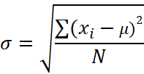 POPULATION SD | 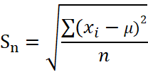 SAMPLE SD WHEN POPULATION MEAN IS KNOWN

 | 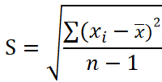 SAMPLE SD WHEN POPULATION MEAN IS NOT KNOWN
 |  |  |  |  | Most of the time we do not know µ (the population average) and we estimate it with x (the sample average). The formula for 's' measures the squared deviations from x_bar rather than µ . The xi’s tend to be closer to their average x rather than µ , so we compensate for this by using the divisor (n-1) rather than n.

 |  | Apple | Tesla | Bitcoin
 | Sample standard deviation | 0.022449407645 | 0.04222070525 | 0.04072675132

Skewness-Kurtosis example
Given the below information, would you choose to invest in Stock A or Stock B?

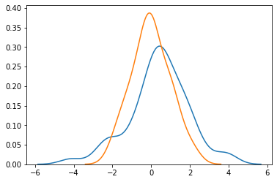

 | Stock A | Stock B
Mean | 0.38% | 0.38%
Standard deviation | 1.57% | 1.57%

Skewness - Kurtosis concept
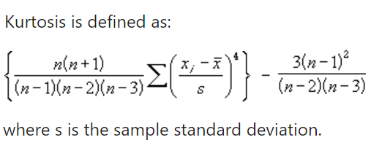
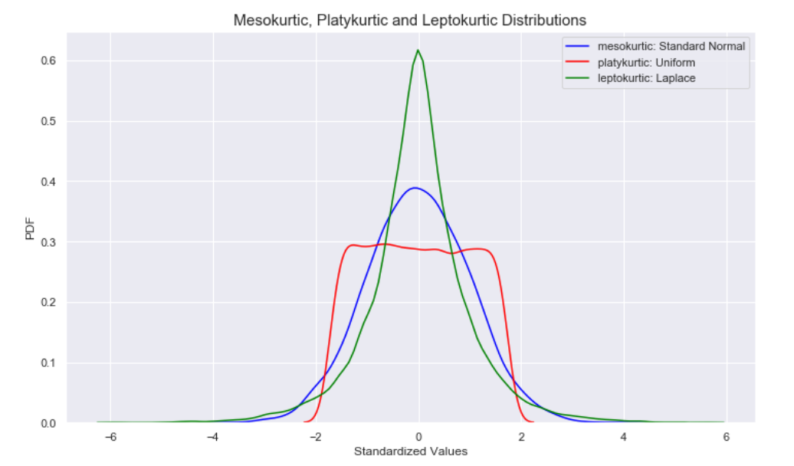
SKEWNESS

Which 'side' has longer tails?

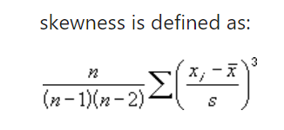

- long tail in the positive direction | A perfectly symmetric distribution has a skewness value of 0 | - long tail in the negative direction
- Extreme values towards the positive end of a distribution |  | - Extreme values towards the negative end

KURTOSIS
Which distribution has the highest amount of observations lying in the tails?

Skewness-Kurtosis example(2)
Given the below information, would you choose to invest in Stock A or Stock B?

 | Stock A | Stock B
Mean | 0.38% | 0.38%
Standard deviation | 1.57% | 1.57%
Skewness | -0.291 | 0.12
Kurtosis | 3.89 | 2.34

 |  |  | Apple | Tesla | Bitcoin
 |  | Skewness | 0.12176743748 | -0.15151530828 | -0.47983777629
 |  | Kurtosis | 1.1844372832 | 0.1842691405 | 7.2379311913

Covariance Correlation
COVARIANCE & CORRELATION

 |  |  |  | RAW DATA
X : Random variable 1 (Stock return in this case) |  |  |  | Month | Stock Return(X) | Bond Return(Y)
Y : Random variable 2 (Bond return in this case) |  |  |  | Jan | 1% | -0.45% | 2% | -1%
 |  |  |  | Feb | 2% | -0.91% | 4% | -2%
 |  |  |  | Mar | -1% | 0.50% | -2% | 1%
 |  |  |  | Apr | 3% | -1.50% | 6% | -3%
 |  |  |  | May | 2% | -1.00% | 4% | -2%
 |  |  |  | Jun | -2% | 1.00% | -4% | 2%
 |  |  |  | Jul | -1% | 0.15% | -2% | 0%
 |  |  |  | Aug | 3% | -1.50% | 6% | -3%
 |  |  |  | Sep | -2% | 1.00% | -4% | 2%
 |  |  |  | Oct | 1% | -0.50% | 2% | -1%
 |  |  |  | Nov | 2% | -1.00% | 4% | -2%
 |  |  |  | Dec | 1% | -0.50% | 2% | -1%

 |  |  |  | -0.00015806818182 |  |  |  | -0.00063227272727

 |  |  |  | When two stocks tend to move together, they are seen as having a positive covariance; when they move inversely, the covariance is negative.

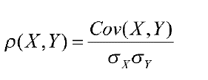

 |  |  |  | -0.99321003681 |  |  |  | -0.99321003681
 | lies between -1 and +1

Note: Correlation does not signify causation.

 |  |  | Apple and Tesla | Apple and Bitcoin | Tesla and Bitcoin
 |  | Covariance | 0.000573 | 0.000056 | 0.000137
 |  | Correlation | 0.604780 | 0.060819 | 0.079512

Normal Distribution
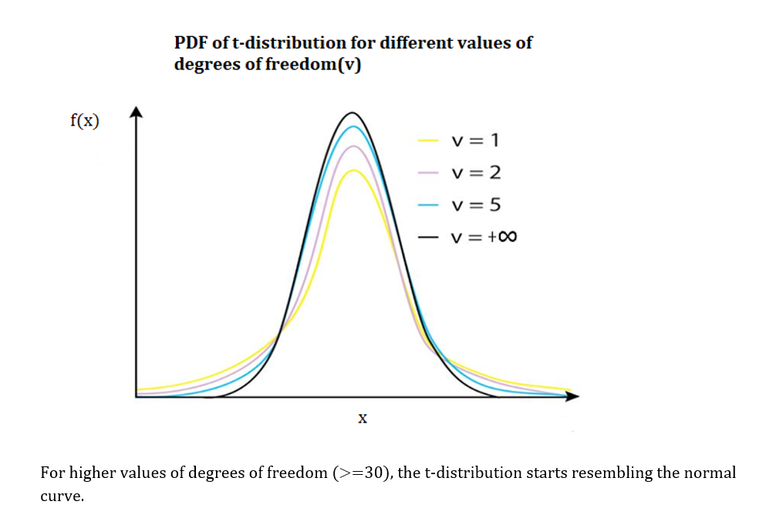
NORMAL DISTRIBUTION

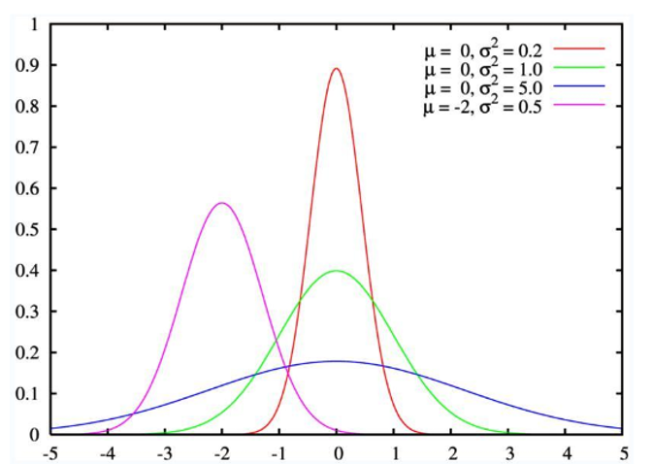

 | Mean +/- standard deviations | Percentage of data contained
 | 1 | 68.00%
 | 2 | 95.00%
 | 3 | 99.70%

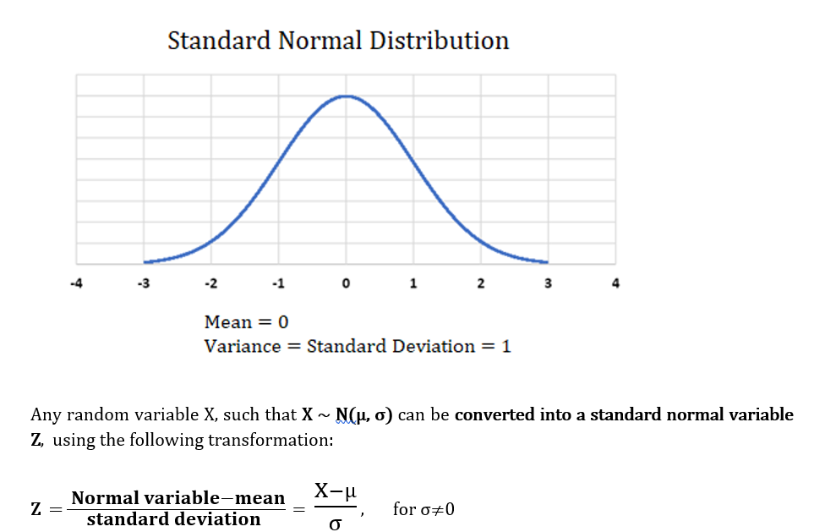

 | NORM.DIST = It will calculate the probability that variable x falls below or at a specified value

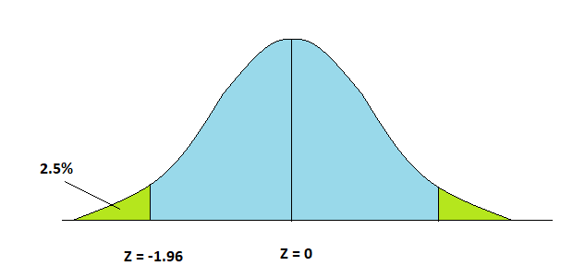
 | Z- value range | Area under the curve
 | - ∞ to -1.96 | 2.50%
 | -1.96 to 0 | 47.50%
 | 0 to 1.96 | 47.50%
 | 1.96 to ∞ | 2.50%

