Electricity Mix
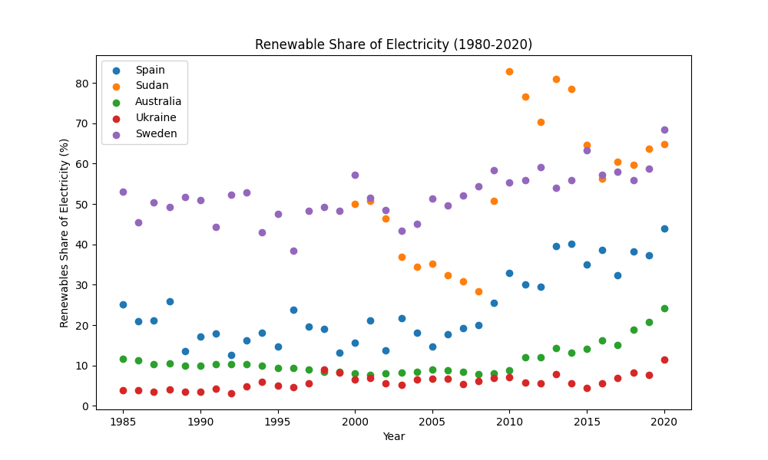
Renewables Share of Electricity 1980-2020

Total Energy Mix
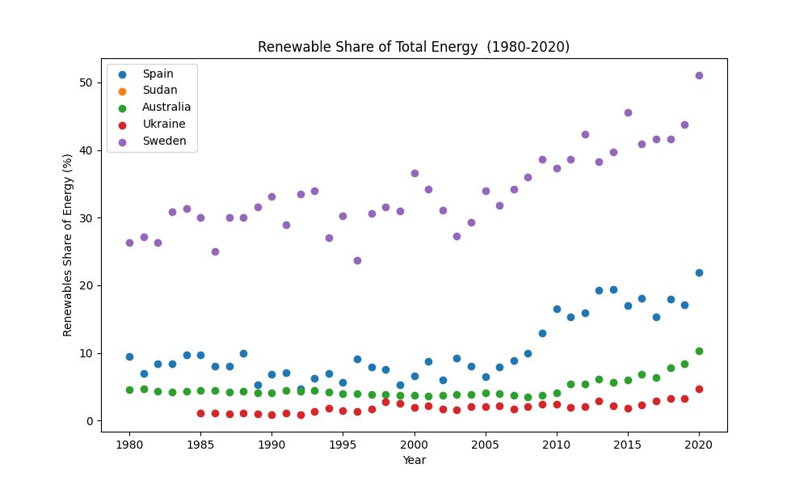
Renewable Share of Total Energy (1980-2020)

Solar vs Wind
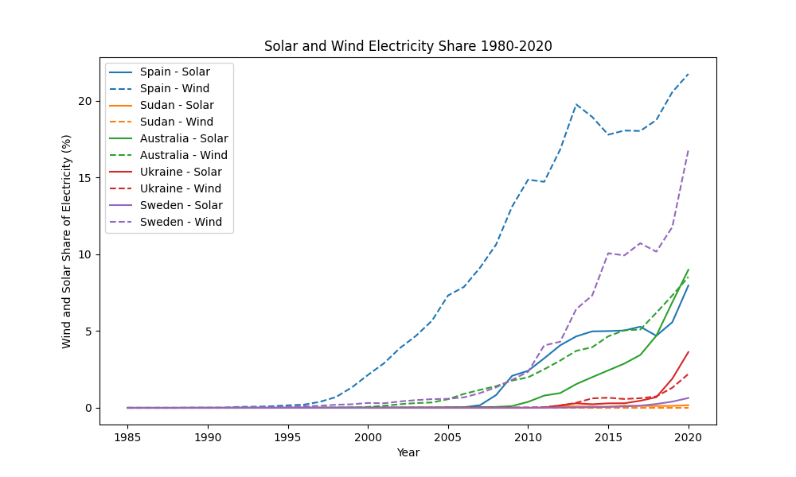
Solar and Wind Electricity Share (1980-2020)

GDP vs Renewables
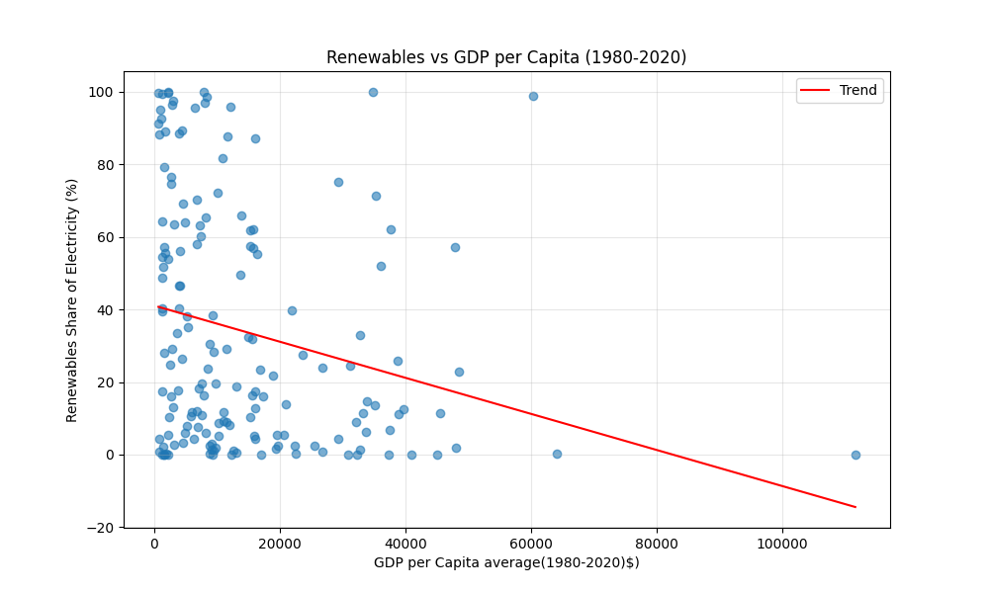
Renewables vs GDP per Capita (1980-2020)

