GiniImpurity
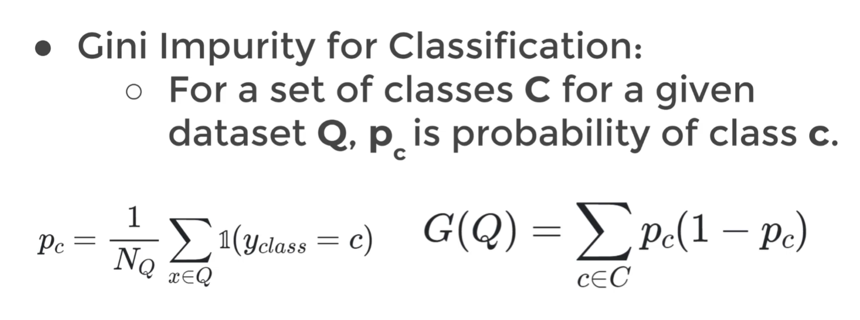
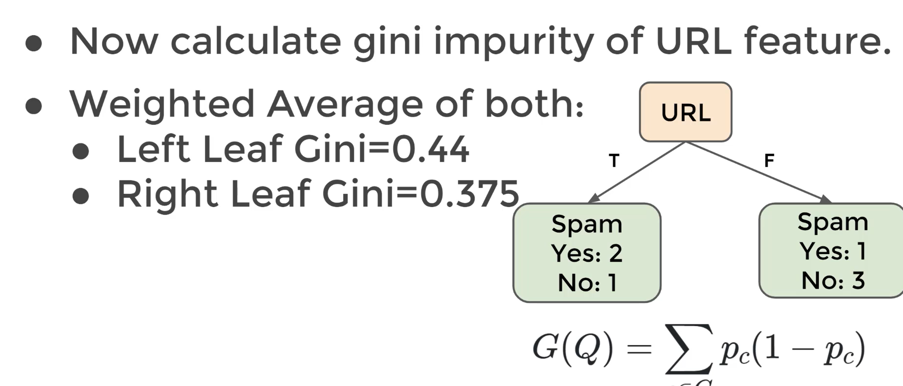
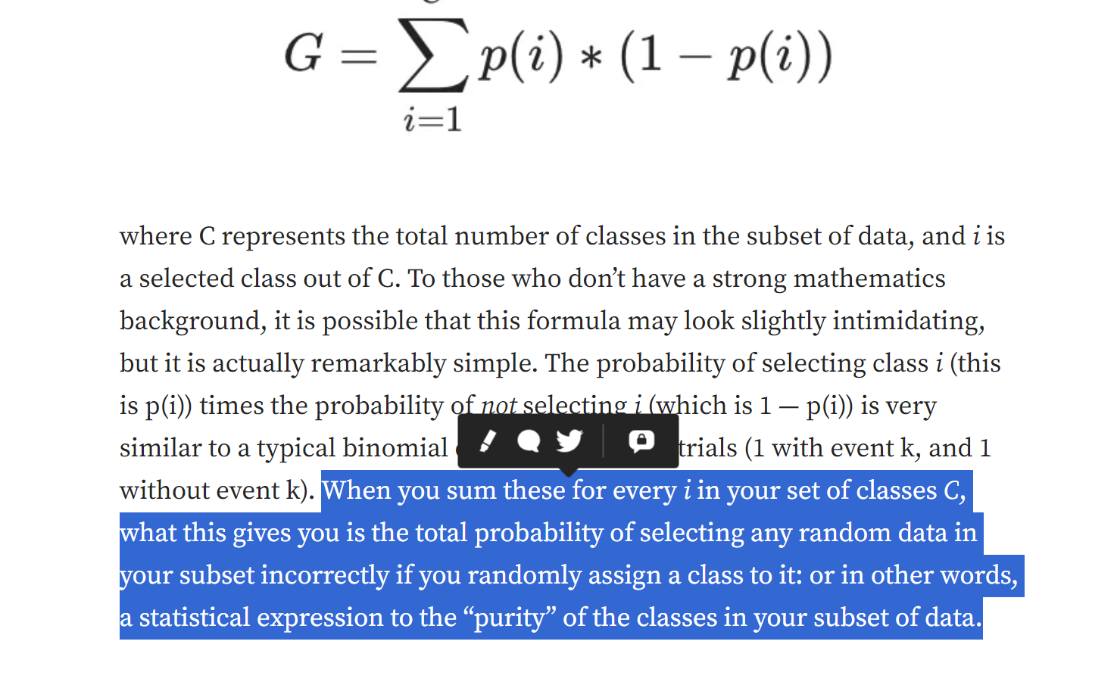
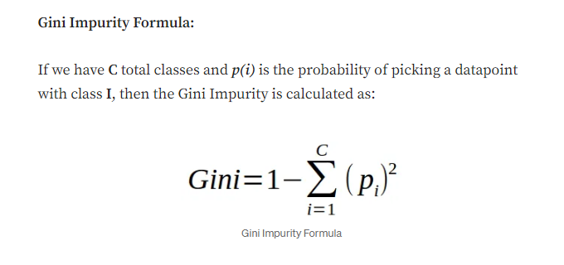
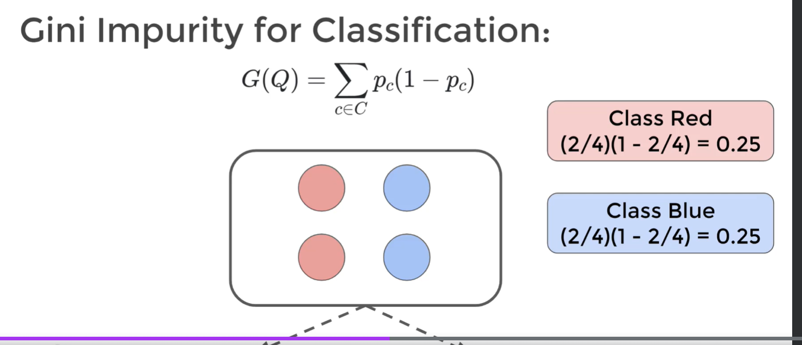
Class | Blue | Red | Total
#unit | 3 | 4 | 7

p_c_red | 0.42857142857
p_c_blue | 0.42857142857
Class Red | 0.24489795918
Class Blue | 0.24489795918
Gini Impurity | 0.48979591837 | Select 2 class randomly and these two classes are not in the same group |  | p1*(1-p1)+p2*(1-p2)
 |  | Select 2 class randomly and these two classes are actually in the same group |  | p1*p1+p2*p2 | Gini = 1-p1*p1+p2*p2

