Basic_CMD
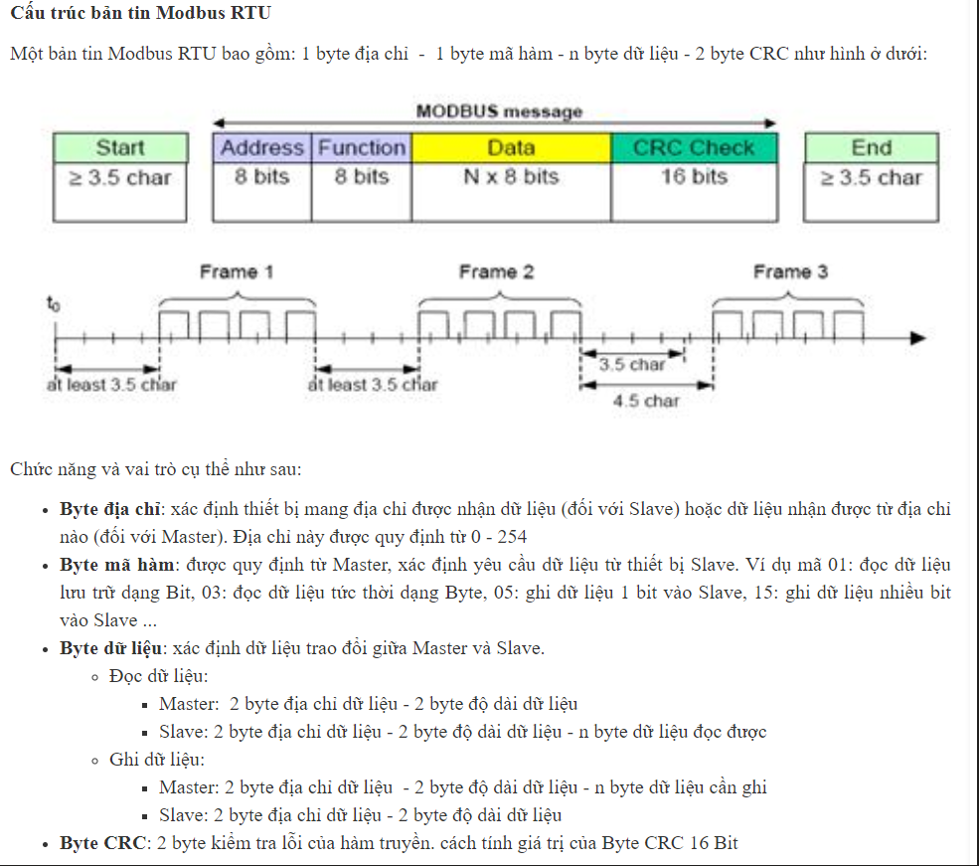
No | Value | Instructions | Description
1 | 0x01 | Ping | Instruction that checks whether the Packet has arrived to a device with the same ID as Packet ID
2 | 0x02 | Read | Instruction to read data from the Device
3 | 0x03 | Write | Instruction to write data on the Device
4 | 0x04 | Factory Reset | Instruction that resets the Control Table to its initial factory default settings
5 | 0x05 | Reboot | Instruction that reboots DYNAMIXEL(See applied products in the description)
6 | 0x06 | Current config
7 | 0x07

