Sheet1
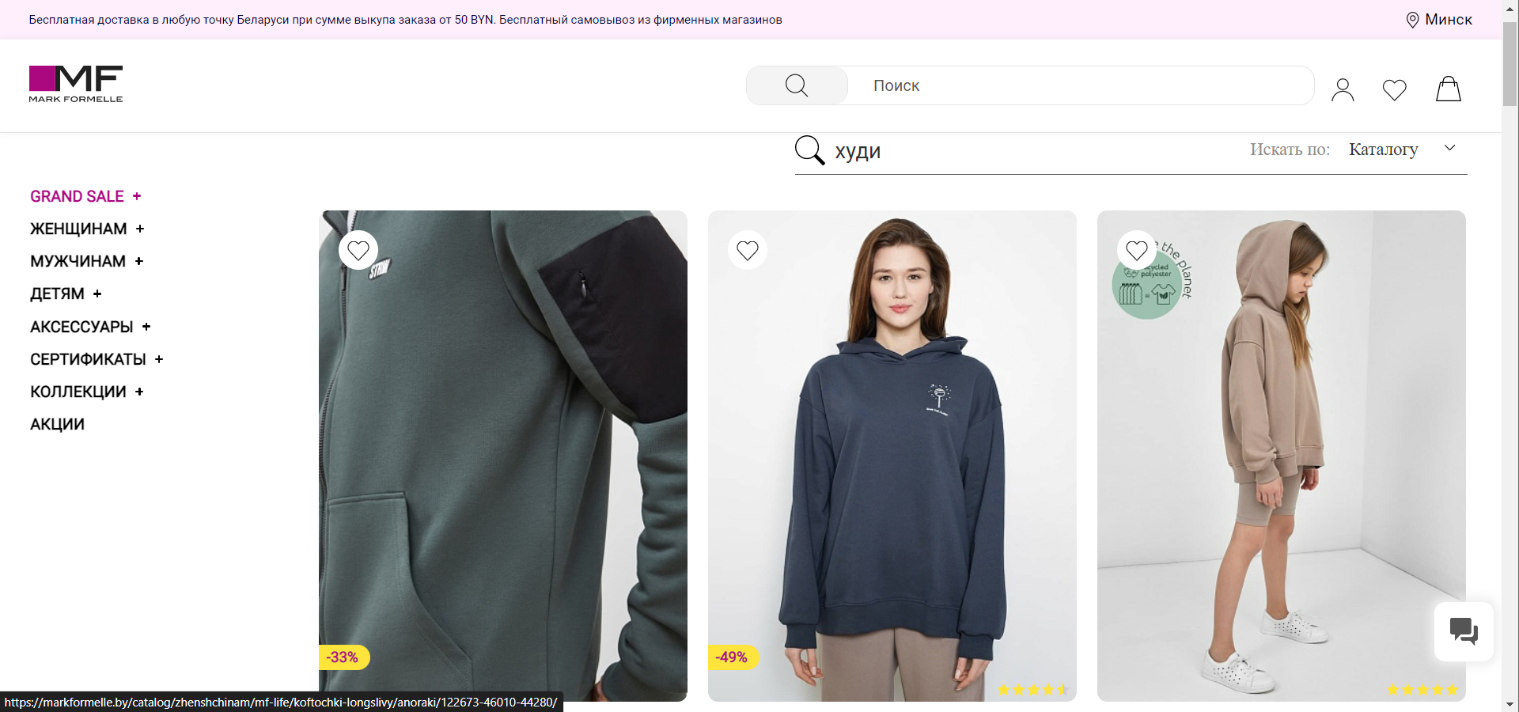
APP_URL: | ᐈ Mark Formelle — Интернет-магазин одежды в Беларуси | Environment: Win10, Browser: Edge

ID | Summary | Flow | Expected result | Actual result | Verdict | Screenshot
1 | Check the ability of searching goods via "Searchbar" on the page layout | 1. Visit application link | Items related to 'худи' displayed | Items related to 'худи' displayed | Passed | 1
 |  | 2. Focus on search bar field by clicking on it |  |  |  |  | #1
 |  | 3. Input value "худи" using keyboard
 |  | 4. Press enter (or search icon)
2 | Check the ability of adding items to cart | 1. Visit application link | Selected item displayed in cart page | Selected item displayed in cart page | Passed | 2
 |  | 2. Scroll down the main page
 |  | 3. Click on any product item
 |  | 4. Add to cart by clicking on "Добавить в корзину" button
 |  | 5. Visit cart by clicking on cart icon
3 | Check the ability of removing items from cart | 1. Visit application link | Selected item was removed | Selected item was removed | Passed | 3
 |  | 2. Go to cart via clicking on cart icon
 |  | 3. Scroll down to item that should be removed
 |  | 4. Press remove button
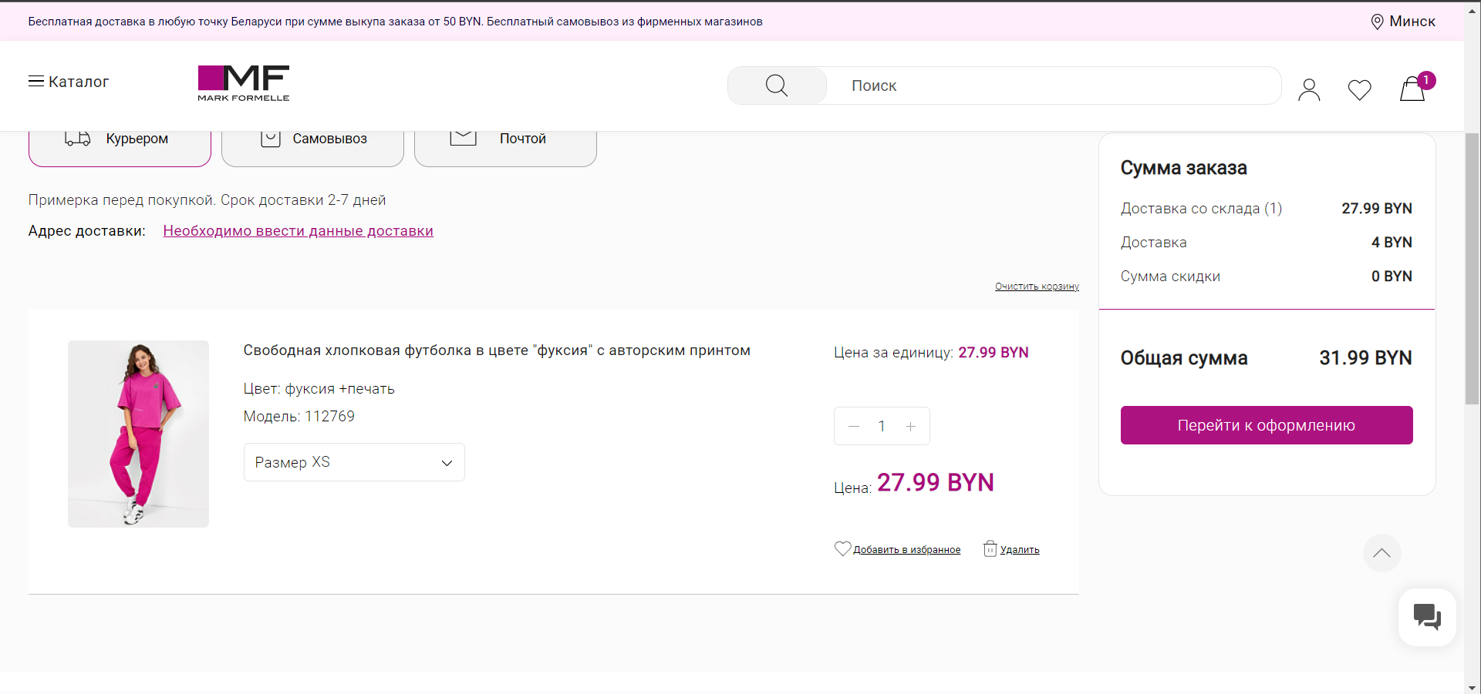

 |  |  |  |  |  |  | #2

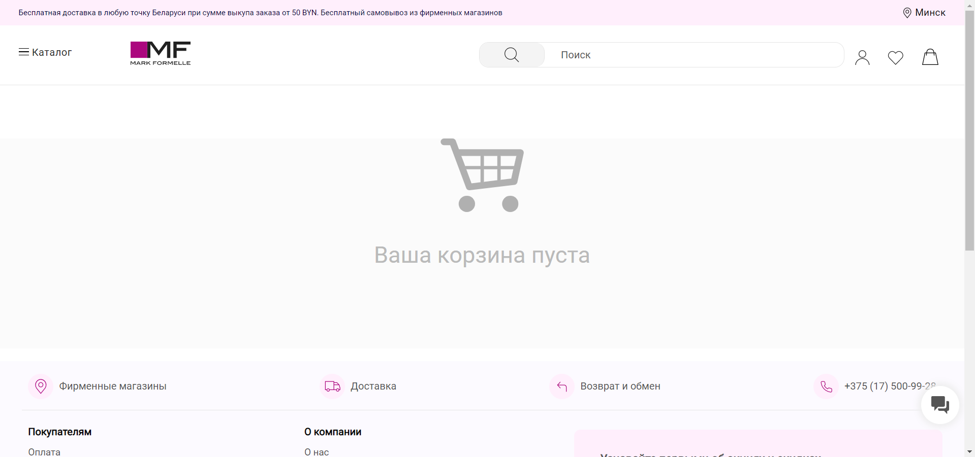
 |  |  |  |  |  |  | #3

