Quals
=> will qual |  |  |  |  | Qual Dates
Event | Men | Points | Exact point/performance | Actual | Start | End
100m | 10.05 | 1189 | Y |  | 2021-07-01 | 2022-06-12
200m | 20.24 | 1182 | Y |  |  |  | Pasting instructions to get data:
400m | 44.9 | 1187 | Y |  |  |  | 1. Data will refresh when xls is open
800m | 1:45.20 | 1167 | N | 1167 = 1:45.22 |  |  | 2. As long as AUS_men/woman_COMBINEFILE is available the data will populate
1500m | 3:35.00 | 1175 | Y |  |  |  | 3. reorder the rows by selecting the Av. Score column and sort descending
5000m | 13:13.50 | 1161 | N | 1161 = 3:13.52
10000m | 27:28.00 | 1182 | N | 1182 = 27:28.09
110mh | 13.32 | 1193 | Y
400mh | 48.90 | 1185 | N | 1185 = 48.91
3000msc | 8:22.00 | 1158 | N | 1185 = 8:22.01
20km-race-walking | 39:30.00 | 1149 | N | 1149 = 39:31 | *actually 10km
high-jump | 2.33 | 1206 | Y |  | There could be instances where an athlete meets the qualifying standard though it is not shown in the table due to the 'point-performance' relationship in the WA scoring tables. In the above example a female 5k athlete could achieve the Qual standard of 15:10.00 and be awarded a score of 1144 which according to this calculator would return a non-qualifying performance
pole-vault | 5.80 | 1212 | Y
long-jump | 8.22 | 1186 | Y
triple-jump | 17.14 | 1179 | Y
shot-put | 21.10 | 1187 | Y
discus-throw | 66.00 | 1171 | N | 1171 = 65.99
hammer-throw | 77.50 | 1164 | N | 1164 = 77.49
javelin-throw | 85.00 | 1173 | N | 1173 = 85.01
marathon |  | Discr.
decathlon | 8350 | 1181 | N | 1181 = 8351
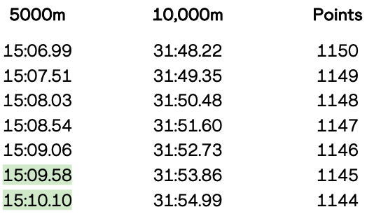
Event | Women | Points | Exact point/performance | Actual
100m | 11.15 | 1167 | Y
200m | 22.80 | 1155 | Y
400m | 51.35 | 1152 | Y
800m | 1:59.50 | 1171 | N
1500m | 4:04.20 | 1172 | Y
5000m | 15:10.00 | 1145 | N
10000m | 31:25.00 | 1171 | N
100mh | 12.84 | 1171 | Y
400mh | 55.40 | 1160 | N
3000msc | 9:30.00 | 1169 | N
race-walking | 44:30.00 | 1104 | N
high-jump | 1.96 | 1180 | Y
pole-vault | 4.70 | 1177 | Y
long-jump | 6.82 | 1178 | Y
triple-jump | 14.32 | 1150 | Y
shot-put | 18.50 | 1114 | Y
discus-throw | 63.50 | 1136 | N
hammer-throw | 72.50 | 1134 | N
javelin-throw | 64.0 | 1153 | N
marathon |  | Discr.
heptathlon | 6420 | 1158 | N

