Sheet1
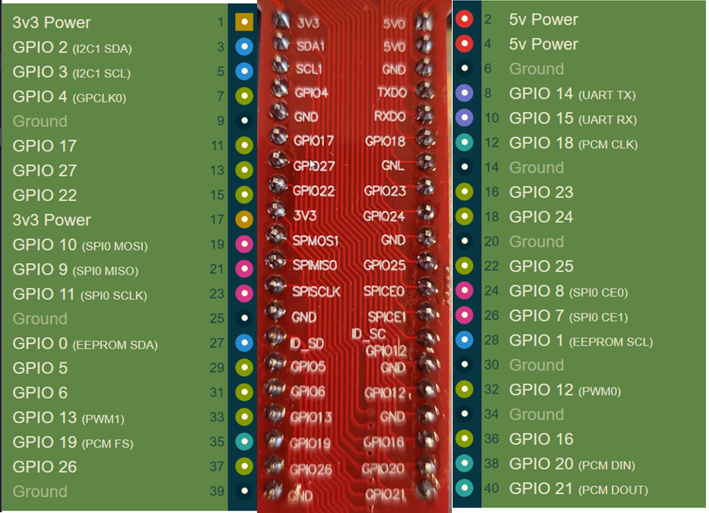
Buttons | Button Array INDEX | Button GPIO PIN
1 | 0 | 14
2 | 1 | 15
3 | 2 | 18
4 | 3 | 23
5 | 4 | 24
6 | 5 | 25
7 | 6 | 8
8 | 7 | 7
9 | 8 | 1

LEDs | LED Array INDEX | Button GPIO PIN
1 | 0 | 2
2 | 1 | 3
3 | 2 | 4
4 | 3 | 17
5 | 4 | 27
6 | 5 | 22
7 | 6 | 10
8 | 7 | 9
9 | 8 | 11

