Conversion_Check
funnel_step | users | users_previous_step | users_lost | conversion_rate
Download | 23608
Signup | 17623 | 23608 | 5985 | 0.75
Ride requested | 12406 | 17623 | 5217 | 0.70
Ride accepted | 12278 | 12406 | 128 | 0.99
Ride completed | 6233 | 12278 | 6045 | 0.51
Payment | 6233 | 6233 | 0 | 1
Review | 4348 | 6233 | 1885 | 0.70

User Funnel Conversion by Step

Drop-off points_Check
from_step | to_step | from_step → to_step | users_from | users_to | users_lost | dropoff_rate
Download | Signup | Download → Signup | 23608 | 17623 | 5985 | 0.25
Signup | Ride requested | Signup → Ride requested | 17623 | 12406 | 5217 | 0.30
Ride requested | Ride accepted | Ride requested → Ride accepted | 12406 | 12278 | 128 | 0.01
Ride accepted | Ride completed | Ride accepted → Ride completed | 12278 | 6233 | 6045 | 0.49
Ride completed | Payment | Ride completed → Payment | 6233 | 6233 | 0 | 0
Payment | Review | Payment → Review | 6233 | 4348 | 1885 | 0.30

User Funnel Drop-off by Step

Drop-off hours_Check
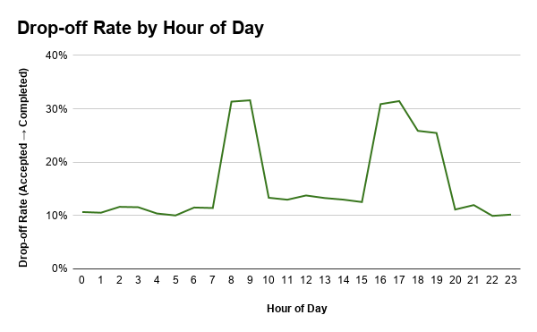
hour_of_day | accepted_users | completed_users | dropoff_rate
0 | 939 | 839 | 0.11
1 | 979 | 876 | 0.11
2 | 981 | 867 | 0.12
3 | 935 | 827 | 0.12
4 | 954 | 855 | 0.10
5 | 999 | 899 | 0.10
6 | 931 | 824 | 0.11
7 | 991 | 878 | 0.11
8 | 9053 | 6216 | 0.31
9 | 9077 | 6210 | 0.32
10 | 4045 | 3506 | 0.13
11 | 3750 | 3264 | 0.13
12 | 3723 | 3211 | 0.14
13 | 3782 | 3280 | 0.13
14 | 3723 | 3240 | 0.13
15 | 3761 | 3290 | 0.13
16 | 8972 | 6202 | 0.31
17 | 9059 | 6211 | 0.31
18 | 8205 | 6083 | 0.26
19 | 8146 | 6072 | 0.25
20 | 1313 | 1167 | 0.11
21 | 1004 | 884 | 0.12
22 | 967 | 871 | 0.10
23 | 944 | 848 | 0.10

Drop-off days_Check
day_of_week | accepted_users | completed_users | dropoff_rate
Monday | 9064 | 6233 | 0.31
Tuesday | 9136 | 6233 | 0.32
Wednesday | 9029 | 6233 | 0.31
Thursday | 9070 | 6233 | 0.31
Friday | 9013 | 6233 | 0.31
Saturday | 9003 | 6233 | 0.31
Sunday | 9027 | 6233 | 0.31

Drop-off Rate by Day of Week

Time to accept_Check
time_to_accept_bucket | accepted_rides | cancelled_after_accept_rides | cancelled_after_accept_rate
2–5 min | 74720 | 0 | 0
5–10 min | 124302 | 0 | 0
10+ min | 49357 | 24727 | 0.5

Time to Acceptance vs Cancellation Rate

Platforms effectivness_Check
platform | downloads | paid_users | conversion_to_payment | total_revenue_usd | revenue_per_download_usd
ios | 14290 | 3792 | 0.265 | 2586628.81 | 181
android | 6935 | 1830 | 0.264 | 1243623.61 | 179
web | 2383 | 611 | 0.256 | 421415.19 | 177

Platform Efficiency: Conversion vs Revenue per Download

Active_ride completed_users_Che
age_group | active_users | ride_completed_users
18-24 | 1300 | 670
25-34 | 2425 | 1227
35-44 | 3662 | 1861
45-54 | 1285 | 630
Unknown | 3734 | 1845

User Activity and Completed Rides by Age Group

