Sheet1
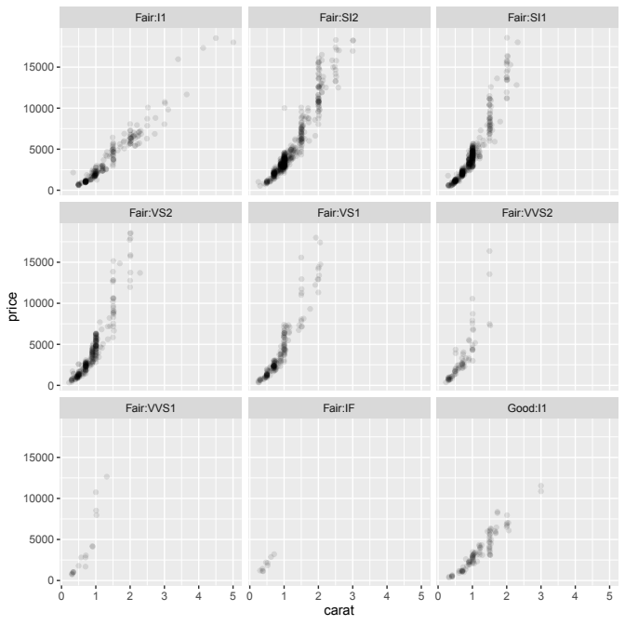
col1 | col2 |  | col3 | col4
1 | A B |  | X | Foo
2 | B |  | Y | 1

17.00 |  | foo | Z | 2
6.5 |  | FOO "0" |  | 2020-03-21
TRUE | A | #HERE! | A | 12.34%
FALSE | B |  | 3.33
#DIV/0! | C

