Ellery

ELLERY
 | TOTAL | Morph | Aptitude
ST | 12 | 12
DX | 12 | 12
IQ | 14 | 13 | 1
WILL | 12 | 12
HT | 12 | 12

Speed | 6 | Dodge | 9

MORPH ADS: | Handsome, Pain Threshold +2
Ads/Disads | Status 1, Rep -2, Laziness, OPH: Arrogant

IQ |  |  |  | Morph bonus
Dutch | 14 | 14 | 0
Spanish | 14 | 14 | 0
English | 14 | 14 | 0
Mandarin | 14 | 14 | 0
Ecology | 16 | 14 | 2
Biology (all other) | 14 | 14 | 0
Artist (Landscaping)-18 | 18 | 14 | 4
Savoir-Faire-17 | 17 | 14 | 3
Diplomacy-14 | 14 | 14 | 0
Leadership-13 | 13 | 14 | -1
Teaching-15 | 16 | 14 | 2
Bard-13 | 13 | 14 | -1
Performance-14 | 14 | 14 | 0
Research | 16 | 14 | 2

DX
Sport (Squash)-12 | 12 | 12 | 0
Free Fall-12 | 12 | 12 | 0
Vacc Suit-13 | 13 | 12 | 1
Guns-10 | 10 | 12 | -2
Stealth-11 | 11 | 12 | -1

HT
Sex Appeal-14 | 14 | 12 | 2

Madee
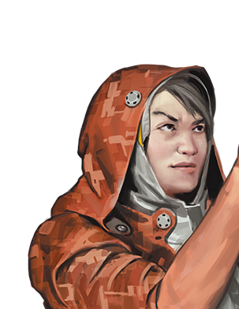
MADEE
 | TOTAL | Morph | Aptitude
ST | 11 | 11
DX | 11 | 11
IQ | 12 | 11 | 1
WILL | 12 | 11 | 1
HT | 13 | 13

Speed | 6 | Dodge | 9

MORPH ADS: | Enhanced Respiration, Temperature Tolerance, Planned Obsolescence
Ads/Disads | Sense of duty: as an ecologist

IQ |  |  |  | Morph bonus
Thai | 12 | 12 | 0
Mandarin | 12 | 12 | 0
English | 12 | 12 | 0
Ecology | 15 | 12 | 3 |  | 16
Botany | 15 | 12 | 3 |  | SPLICER/METSÄST
Zoology | 15 | 12 | 3 |  | M
Biology | 13 | 12 | 1
Survival (Jungle) | 14 | 12 | 2 |  | 12
Camouflage | 12 | 12 | 0 |  | 11
Bard | 13 | 12 | 1 |  | 11
Performance | 12 | 12 | 0 |  | 13
First Aid | 14 | 12 | 2 |  | 11
Research | 14 | 12 | 2
Navigation (land) | 12 | 12 | 0 |  | Attractive, Acute Vision +2, Guns+2
Tracking | 12 | 12 | 0

DX
Boating | 12 | 11 | 1
Climbing | 11 | 11 | 0
Stealth | 12 | 11 | 1
Bow | 10 | 11 | -1
Throwing | 11 | 11 | 0
Swimming | 12 | 11 | 1
Guns | 10 | 11 | -1

HT
Hiking | 15 | 13 | 2

Perez
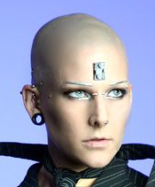
PEREZ
 | TOTAL | Morph | Aptitude
ST | 11 | 11
DX | 11 | 11
IQ | 12 | 12
WILL | 12 | 11 | 1
HT | 11 | 11

Speed | 5.5 | Dodge | 8

MORPH ADS:
PD 1, DR 3, Mnemonic Augmentation, Chemical Sniffer, Enhanced Hearing, Enhanced Smell, Enhanced Vision, Lidar, Mnemonic Augmentation, Nanoscopic Vision, Oracles, Radar, T-Ray Emitter
Ads/Disads | Alertness +2, Danger Sense, Adaptability +2

IQ |  |  |  | Morph Bonus
Spanish | 12 | 12 | 0
Mandarin | 12 | 12 | 0
English | 12 | 12 | 0
Photography | 15 | 12 | 3
Film | 15 | 12 | 3
Production | 15 | 12 | 3
Research | 12 | 12 | 0
Vacc Suit | 13 | 12 | 1 |  | 12
Stealth | 13 | 12 | 1 |  | SPLICER/AISTI
Bard | 12 | 12 | 0 |  | M
Performance | 12 | 12 | 0
Tactics | 11 | 12 | -1 |  | 10
Savoir-Faire | 12 | 12 | 0 |  | 11
Fast-talk | 12 | 12 | 0 |  | 13
 |  |  |  |  | 11
DX |  |  |  |  | 11
Stealth | 12 | 11 | 1
Free Fall | 11 | 11 | 0 |  | Attractive, Alertness +2
Holdout | 12 | 11 | 1
Driving | 11 | 11 | 0
Escape | 11 | 11 | 0

HT
Hiking | 11 | 11 | 0

RAYYAN
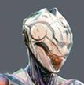
RAYYAN
 | TOTAL | Morph | Aptitude
ST | 14 | 13 | 1
DX | 11 | 11
IQ | 11 | 11
WILL | 11 | 11
HT | 11 | 11

Speed | 5.5 | Dodge | 8

MORPH ADS:
PD 1, DR 3, Mesh Inserts, Cyberbrain, Mnemonic Augmentation, Cortical Stack
Ads/Disads | Charisma +1, Social Stigma: Clanking Masses, Adaptability +1 (+3 to synths)

IQ |  |  |  | Morph Bonus
Arabic | 11 | 11 | 0
Mandarin | 11 | 11 | 0
English | 11 | 11 | 0
Leadership | 13 | 11 | 2
Politics | 12 | 11 | 1
Diplomacy | 11 | 11 | 0
Mechanics | 13 | 11 | 2
Electronics | 13 | 11 | 2 |  | 3
Architecture | 11 | 11 | 0 |  | SPLICER/AFR
Computer Hack | 12 | 11 | 1 |  | O
Acting | 11 | 11 | 0
Pilot: Drone | 12 | 11 | 1 |  | 11
Lockpicking | 11 | 11 | 0 |  | 11
 | 11 | 11 |  |  | 12
 |  |  |  |  | 12
DX |  |  |  |  | 12
Brawling | 12 | 11 | 1
Free Fall | 12 | 11 | 1 |  | Attractive
Stealth | 11 | 11 | 0
Broadsword | 12 | 11 | 1
Axe/Mace | 11 | 11 | 0

HT
 | 11 | 11 | 0

Anatoli

ANATOLI
 | TOTAL | Morph | Aptitude
ST | 11 | 11
DX | 11 | 11
IQ | 12 | 11 | 1
WILL | 13 | 13
HT | 11 | 11

Speed | 5.5 | Dodge | 8

MORPH ADS:
Attractive, Ambidextrous, Hyper-Linguist
Ads/Disads | Charisma +2, Status 2 (high ranking corporate), Fearlessness +1, Adaptability +1

IQ |  |  |  | Morph bonus
Russian | 14 | 12 | 0 | 2
Mandarin | 14 | 12 | 0 | 2
English | 14 | 12 | 0 | 2
Arabic | 12 | 12 | -2 | 2
Spanish | 13 | 12 | -1 | 2
Leadership | 15 | 12 | 3
Politics | 14 | 12 | 2
Diplomacy | 12 | 12 | 0 |  | 2
Merchant | 12 | 12 | 0 |  | OLYMPIAN
Economics | 11 | 12 | -1
Detect Lies | 12 | 12 | 0
Performance | 12 | 12 | 0 |  | 14
Psychology | 11 | 12 | -1 |  | 12
Electronic Ops | 10 | 12 | -2 |  | 11
 | 12 | 12 |  |  | 11
 | 12 | 12 |  |  | 14

DX |  |  |  |  | DR 2, Pain Threshold +4, Attractive, Ambidexterity
Dancing | 12 | 11 | 1
Free Fall | 11 | 11 | 0
Stealth | 11 | 11 | 0
Guns | 13 | 11 | 2
Swimming | 11 | 11 | 0

HT
 | 11 | 11 | 0

Shay

SHAY
 | TOTAL | Morph | Aptitude
ST | 15 | 15
DX | 11 | 11
IQ | 11 | 10 | 1
WILL | 11 | 10 | 1
HT | 13 | 13

Speed | 6 | Dodge | 9

MORPH ADS:
Prehensile Feet, Acute Smell +2, DR 1, Bite d1 cut
Ads/Disads | Charisma +1, Voice, Social Stigma: Uplift, Reputation +2, Sense of duty: neo-gorillas

IQ |  |  |  | Morph bonus
English | 11 | 11 | 0
Spanish | 11 | 11 | 0
Acting | 14 | 11 | 3
Performance | 13 | 11 | 2
Bard | 15 | 11 | 2 | 2
History | 11 | 11 | 0
Savoir-Faire | 13 | 11 | 2
Fashion | 12 | 11 | 1
Disguise | 11 | 11 | 0
Diplomacy | 12 | 11 | -1 | 2
Intimidation | 13 | 11 | 2
Electronics Ops | 10 | 11 | -1
Politics | 11 | 11 | 0
Leadership | 11 | 11 | 0
Tracking | 10 | 11 | -3 | 2
Cooking | 14 | 11 | 1 | 2

DX
Brawling | 13 | 11 | 2
Free Fall | 13 | 11 | 2
Stealth | 10 | 11 | -1
Axe/Mace | 12 | 11 | 1
Dancing | 12 | 11 | 1

HT
 | 13 | 13 | 0

Legrand
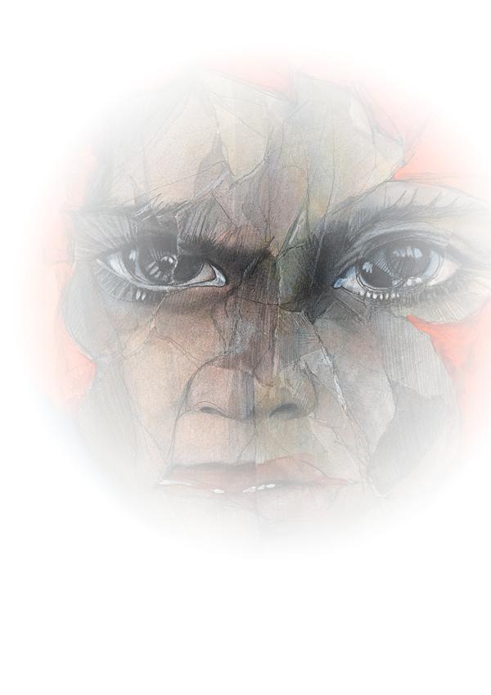
LEGRAND
 | TOTAL | Morph | Aptitude
ST | 14 | 14
DX | 12 | 11 | 1
IQ | 10 | 10
WILL | 11 | 10 | 1
HT | 13 | 13

Speed | 6.25 | Dodge | 9

MORPH ADS:
High Pain Threshold, Armor: DR 8, Social Stigma: Pod, Cyberbrain, Puppet Sock, Mnemonic Augmentation, Eelware, Enhanced Vision +3, T-Ray Emitter, Adrenal Boost
Ads/Disads | Military Rank: Lt, Social Stigma: Pod, Nightmares, Depression

IQ |  |  |  | Morph bonus
French | 10 | 10 | 0
English | 10 | 10 | 0 |  |  | 1
Spanish | 10 | 10 | 0
Tactics | 13 | 10 | 3
Leadership | 11 | 10 | 1
Traps/TL9 | 10 | 10 | 0 |  |  | FURY
Forward Observer | 10 | 10 | 0 |  | ST | 14
Vacc Suit | 11 | 10 | 1 |  | DX | 12
Disguise | 10 | 10 | 0 |  | IQ | 10
Savoir-Faire | 12 | 10 | 2 |  | WILL | 11
Electronics Ops | 11 | 10 | 1 |  | HT | 12
Pilot: Drone | 11 | 10 | 1 |  | DR 3, Acute Vision +2, Toxin Filters, Combat Reflexes
Strategy: Space | 10 | 10 | 0
Psychology | 9 | 10 | -1
Physician | 10 | 10 | 0
Armory/TL9 | 10 | 10 | 0

DX
Karate | 13 | 12 | 1
Free Fall | 14 | 12 | 2
Stealth | 12 | 12 | 0
Guns | 15 | 12 | 3
Knife | 13 | 12 | 1
Throwing | 12 | 12 | 0

HT
Hiking | 12 | 13 | -1

Nahuatl
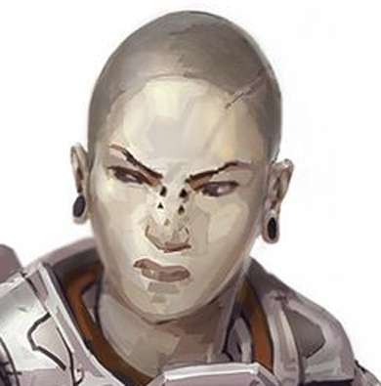
NAHUATL
 | TOTAL | Morph | Aptitude
ST | 12 | 12
DX | 12 | 11 | 1
IQ | 11 | 11
WILL | 11 | 11
HT | 13 | 13

Speed | 6.25 | Dodge | 9

MORPH ADS:
Attractive
Ads/Disads | Fearlessness +2

IQ |  |  |  | Morph bonus
Spanish | 11 | 11 | 0
English | 11 | 11 | 0 |  | 13
Tactics | 10 | 11 | -1 |  | BRUISER/BIG
Savoir-Faire | 10 | 11 | -1 |  | M
Vacc Suit | 11 | 11 | 0
Pilot: Drone | 10 | 11 | -1 |  | 17
Armory/TL9 | 9 | 11 | -2 |  | 9
History | 10 | 11 | -1 |  | 10
KS: Pop Culture | 11 | 11 | 0 |  | 10
 | 11 | 11 |  |  | 11
 | 11 | 11
 | 11 | 11 |  |  | DR 2, High Pain Threshold, Claws, Hardened Skeleton
 | 11 | 11 |  |  | Gigantism
 | 11 | 11
 | 11 | 11
 | 11 | 11

DX
Karate | 12 | 12 | 0
Free Fall | 11 | 12 | -1
Stealth | 12 | 12 | 0
Guns | 13 | 12 | 1
Knife | 12 | 12 | 0
Throwing | 11 | 12 | -1

HT
Hiking | 13 | 13 | 0

