4L.5 common-emitter
4L.5 Predictions |  |  | Question | Answer |  |  |  |  |  |  |  | Step | Measurement | Instrument | Where to connect | Settings | Record in | Expected
V_supply (V) | 15 |  | Where are the input and output? | Input = generator side of the 0.33 uF cap. Output = collector. |  |  |  |  |  |  |  | 1 | Setup check | — | Whole circuit | +15 V supply on. Generator OFF. Confirm collector->7.5k, emitter->750, base->56k/5.6k. | — | —
R1 top of divider (ohm) | 54350 |  | What should the voltage gain be? | Gain = -R_C/(R_E + r_e) = -7500/(750 + 28) = -9.6 (see B17). |  |  |  |  |  |  |  | 2 | V_B (DC base voltage) | Multimeter | Red lead: base row. Black lead: GND rail. | DC volts | B23 | ≈ 1.33 V
R2 bottom of divider (ohm) | 5419 |  | Why that formula? | The same signal current flows through R_E and R_C. The emitter follows the base, so i = v_in/R_E and v_out = -i*R_C. |  |  |  |  |  |  |  | 3 | V_E (DC emitter voltage) | Multimeter | Red lead: emitter row. Black lead: GND rail. | DC volts | B24 | ≈ 0.68 V
R_C (ohm) | 7420 |  | Is the signal inverted? | Yes, 180 degrees. More input means more collector current, a bigger drop across R_C, and a lower collector voltage. |  |  |  |  |  |  |  | 4 | V_C (quiescent collector voltage) | Multimeter | Red lead: collector row. Black lead: GND rail. | DC volts | B25 | ≈ 8.2 V
R_E (ohm) | 807 |  | What is the quiescent collector voltage? | V_C = 15 - I_C*R_C = 8.24 V (B16). Uses the Thevenin divider (1.36 V, 5.09k) with base current included, not the half-supply rule. |  |  |  |  |  |  |  | 5 | Compare DC to predictions | — | — | Measured B23:B25 vs predicted B14:B16 | — | Within ~5%
beta | 138.6 | from 4L.2.1 | Is the measured V_C correct? | Compare B25 to B16. Within about 5% counts as correct. |  |  |  |  |  |  |  | 6 | Scope setup | Scope + generator | CH1: generator side of 0.33 uF. CH2: collector. Grounds: GND rail. | Generator ON: sine, 1 kHz, 0.3 Vpp, 0 V offset. Both channels AC-coupled, probe 1:1, Pk-Pk, averaging on, trigger CH1. | — | Two clean sine waves
V_BE (V) | 0.65 |  | At what frequency should you measure gain? | 1 to 10 kHz. At least 10x above f_3dB so the input cap acts as a short, and well below the frequencies where stray capacitance lowers the gain. |  |  |  |  |  |  |  | 7 | Check for clipping | Scope | CH2 (collector) | Look at the output shape | — | Clean sine. If tops/bottoms are flat, lower the amplitude.
C_in (F) | 3.24E-07 | 0.33 uF input cap | What is the low-frequency 3 dB point? | f_3dB = 1/(2*pi*R_in*C) = 99 Hz (B19). R_in = 56k || 5.6k || (beta+1)(R_E + r_e) = 4.9k. |  |  |  |  |  |  |  | 8 | V_in at 1 kHz | Scope CH1 | Generator side of 0.33 uF | Pk-Pk | B26 | ≈ 0.3 Vpp
V_TH (V) | 1.3599859459 | Thevenin voltage of divider | How do you measure f_3dB? | Lower the frequency until V_out drops to 0.707 of its 1 kHz value. |  |  |  |  |  |  |  | 9 | V_out at 1 kHz | Scope CH2 | Collector | Pk-Pk | B27 | ≈ 2.9 Vpp
R_TH (ohm) | 4927.6824106 | Thevenin resistance of divider | What should Z_out be? | About R_C = 7.5k. The collector acts like a current source (very high impedance), so R_C is all the load sees. |  |  |  |  |  |  |  | 10 | Gain (auto) | — | — | B28 = −V_out/V_in | B28 | ≈ −9.6
I_E (mA) | 0.84291480346 |  | How do you check Z_out? | Connect 7.5k from collector to ground through a 3.3 uF cap. The output should drop to about half. Z_out = R_L*(V_0/V_L - 1) (B33). |  |  |  |  |  |  |  | 11 | Phase | Scope | CH1 and CH2 together | Compare peaks. Take a screenshot. | Note/screenshot | CH2 peak lines up with CH1 minimum (inverted, 180°)
r_e (ohm) | 29.658987952 | 25 mV / I_E | Why use a blocking capacitor? | The collector sits at 8.2 V DC. A resistor straight to ground would draw DC current and shift the bias. The cap passes only the AC signal. |  |  |  |  |  |  |  | 12 | 3 dB sweep | Scope CH1 + CH2 | Same as step 6 | Lower the frequency in steps (see sweep table). Record V_in and V_out at each. | Sweep table (A36) | V_out falls at low f
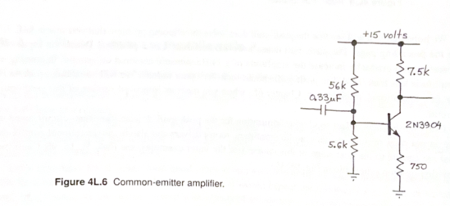
V_B predicted (V) | 1.3302322464 |  |  |  |  |  |  |  |  |  |  | 13 | f_3dB | — | From sweep table | Frequency where Gain/midband = 0.707 | B29 | ≈ 100 Hz
V_E predicted (V) | 0.68023224639 |  |  |  | measuring gain |  |  | measuring Z_out |  |  |  | 14 | Return to 1 kHz | Generator | — | Set 1 kHz. Keep the same amplitude for the rest of the lab. | — | Same V_out as step 9
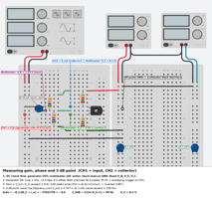
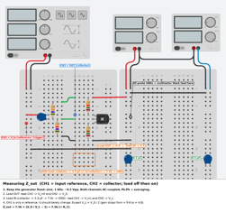
V_C predicted (V) | 8.7903746501 | quiescent collector voltage |  |  |  |  |  |  |  |  |  | 15 | V_0 (no load) | Scope CH2 | Collector, load disconnected | Pk-Pk | B30 | ≈ 2.9 Vpp (same as B27)
Gain predicted | -8.8686072902 | minus sign = inverted |  |  |  |  |  |  |  |  |  | 16 | Add load | — | Collector -> 3.3 uF (+ leg to collector) -> 7.5k -> GND | Keep the generator unchanged | — | —
R_in (ohm) | 4728.1999817 |  |  |  |  |  |  |  |  |  |  | 17 | V_L (with load) | Scope CH2 | Collector, load connected | Pk-Pk. Check that CH1 did not change. | B31 | ≈ 1.45 Vpp (about half of V_0)
f_3dB predicted (Hz) | 103.89132483 |  |  |  |  |  |  |  |  |  |  | 18 | Z_out (auto) | — | — | B33 = R_L × (V_0/V_L − 1) | B33 | ≈ 7500 Ω
Z_out predicted (ohm) | 7420 | about R_C |  |  |  |  |  |  |  |  |  | 19 | Loaded gain check | — | — | Compare V_L/V_in with B34 | — | ≈ −4.8
 |  |  |  |  |  |  |  |  |  |  |  | 20 | Clean up | — | — | Remove the load. Save screenshots of the DC readings, gain, phase, and loaded output. | — | —
4L.5 Measurements
V_B measured (V) | 1.347 | DMM point 3, generator off
V_E measured (V) | 0.692 | DMM point 4, generator off
V_C measured (V) | 8.76 | DMM point 2, generator off
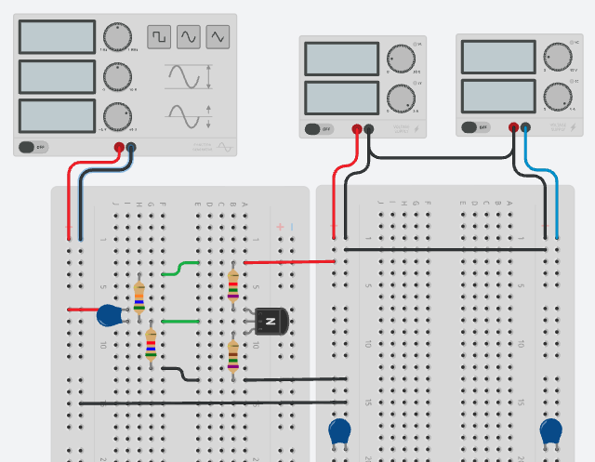
V_in (Vpp) | 1.17 | Scope CH1 point 1, 1 kHz
V_out (Vpp) | 9 | Scope CH2 point 2, 1 kHz
4L.5 Common-emitter amplifier: low-frequency response
Gain measured | -7.6923076923 | negative because inverted |  |  | 3 dB sweep
f_3dB measured (Hz) | 94.075 | frequency where V_out = 0.707 x its 1 kHz value |  |  | f (Hz) | V_in (Vpp) | V_out (Vpp) | abs(Gain) | Gain / midband | Predicted ratio | 0.707 line
V_0 no load (Vpp) | 9 | CH2, load disconnected |  |  | 5000 | 1.05 | 9.1 | 8.6666666667 | 1.0111111111 | 0.99978420173 | 0.707
V_L with load (Vpp) | 4.8 | CH2, 0.33 uF + 7.5k connected |  |  | 2000 | 1.05 | 9 | 8.5714285714 | 1 | 0.99865354837 | 0.707
R_L (ohm) | 7420 |  |  |  | 1000 | 1.05 | 9 | 8.5714285714 | 1 | 0.99464659366 | 0.707
Z_out measured (ohm) | 6492.5 |  |  |  | 500 | 1.04 | 8.8 | 8.4615384615 | 0.98717948718 | 0.97908793749 | 0.707
Gain with load predicted | -4.4343036451 |  |  |  | 300 | 1.04 | 8.6 | 8.2692307692 | 0.96474358974 | 0.94494208406 | 0.707
 |  |  |  |  | 200 | 1.05 | 8.1 | 7.7142857143 | 0.9 | 0.88741409385 | 0.707
 |  |  |  |  | 150 | 1.05 | 7.6 | 7.2380952381 | 0.84444444444 | 0.82207631655 | 0.707
 |  |  |  |  | 120 | 1.05 | 7.1 | 6.7619047619 | 0.78888888889 | 0.75602784551 | 0.707
 |  |  |  |  | 100 | 1.05 | 6.6 | 6.2857142857 | 0.73333333333 | 0.69348515514 | 0.707
 |  |  |  |  | 80 | 1.05 | 5.8 | 5.5238095238 | 0.64444444444 | 0.61011121796 | 0.707
 |  |  |  |  | 60 | 1.04 | 4.8 | 4.6153846154 | 0.53846153846 | 0.50011449461 | 0.707
 |  |  |  |  | 40 | 1.05 | 3.6 | 3.4285714286 | 0.4 | 0.3593061317 | 0.707
 |  |  |  |  | 20 | 1.05 | 2.2 | 2.0952380952 | 0.24444444444 | 0.18903788112 | 0.707

4L.5.1 common emitter gain
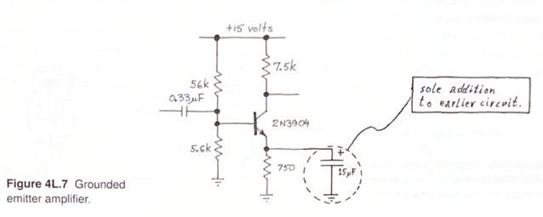
4L.5.1 Predictions (bypassed CE amp) |  |  |  |  |  | Step | What | How | Expected
V_supply (V) | 15 |  |  |  |  | 1 | Add bypass cap | 10 uF from emitter to GND, across the 750 ohm (+ leg on emitter if electrolytic) | —
R1 (ohm) | 54350 |  |  |  |  | 2 | DC check | Generator off. Multimeter from collector to GND. Record in B31. | V_C ≈ 8.24 V, unchanged
R2 (ohm) | 5419 |  |  |  |  | 3 | Set amplitude | Sine, 1 kHz. Start at 10 mVpp. Raise until the output is a clean few volts pk-pk with no flattening. | ≈ 10–20 mVpp in, ≈ 2–5 Vpp out
R_C (ohm) | 7420 |  |  |  |  | 4 | Sweep WITH cap | Scope FRA: CH1 = input, CH2 = collector. 10 Hz to 1 MHz. Set the FRA amplitude to the step-3 value. | Flat at ≈ 48.7 dB above ≈ 5 kHz
R_E (ohm) | 807 |  |  |  |  | 5 | Sweep WITHOUT cap | Remove C_E. Same FRA settings and amplitude. | Flat at ≈ 19.7 dB above ≈ 500 Hz
beta | 138.6 | from 4L.2.1 |  |  |  | 6 | Record | Screenshot plus CSV export of each sweep. Midband gains at 10 kHz into B33:B34. | ≈ 28 dB difference
V_BE (V) | 0.65 |  |  |  |  | 7 | Phase | Read phase from both FRA sweeps | See Q&A
C_in (F) | 3.24E-07 | 0.33 uF input cap |  |  |  | 8 | Triangle wave | Put C_E back. Triangle, 10 kHz. Raise the amplitude until the output is just below clipping. | ≈ 30–50 mVpp in
C_E bypass (F) | 8.13E-06 | 10 uF across R_E |  |  |  | 9 | Observe | Screenshot CH1 and CH2. Compare with Fig. 4L.8. Stop here (skip the last 3 paragraphs). | Curved, asymmetric output
I_E (mA) | 0.84291480346 | from Thevenin bias (4L.5)
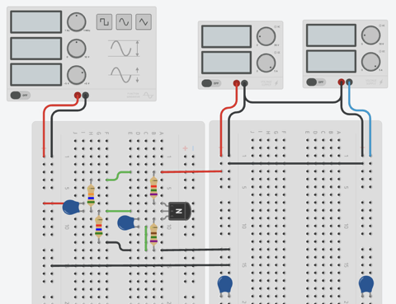
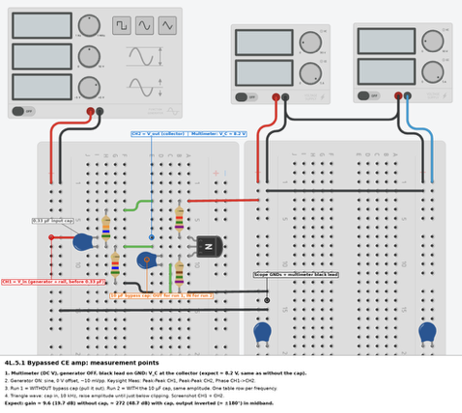
r_e (ohm) | 29.658987952 | 25 mV / I_E
V_C DC (V) | 8.7903746501 | same with or without C_E
Gain without C_E | -8.8686072902 | R_C/(R_E + r_e), inverted
Gain with C_E | -250.17711367 | R_C/r_e, inverted
Gain without C_E (dB) | 18.957108488
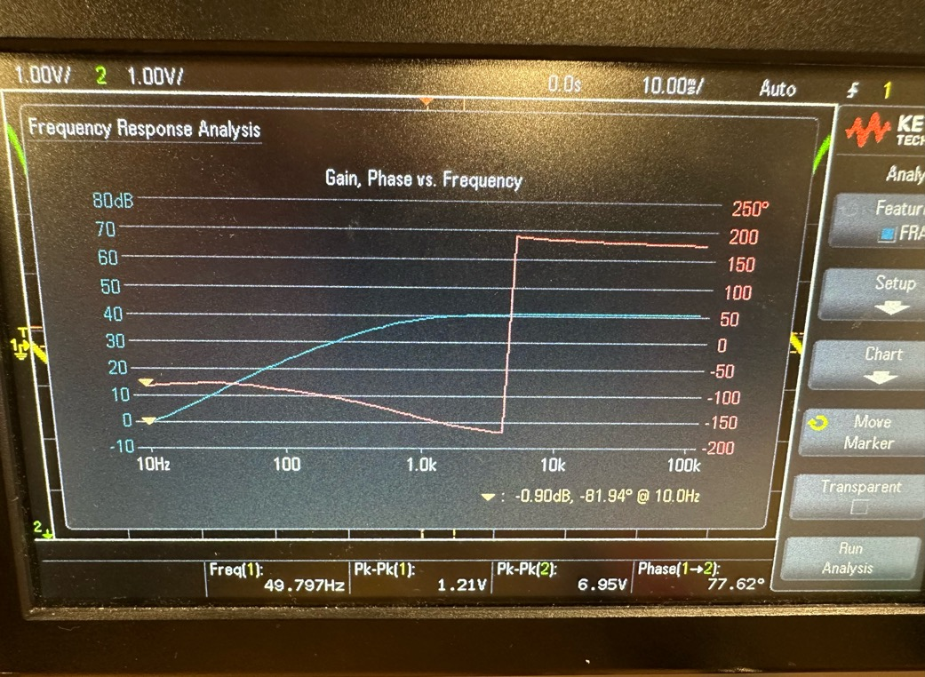
Gain with C_E (dB) | 47.964951554
f_3dB input cap, no C_E (Hz) | 103.89132483 | start the sweep well below this
Max input with C_E (mVpp) | 49.641833811 | keep the sweep input well below this
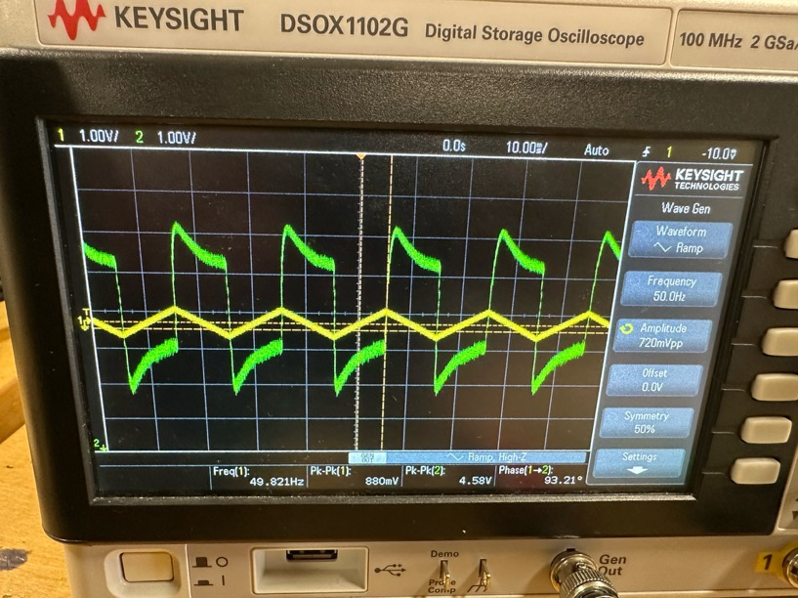
4L.5.1 Measurements
V_C DC with C_E (V) | 8.71 | multimeter, generator off
Sweep amplitude used (mVpp) | 88
Midband gain no C_E (dB) | 14.834439695 | from sweep, at 10 kHz
Midband gain with C_E (dB) | 32.983450719 | from sweep, at 10 kHz
Triangle input (mVpp) |  | 10 kHz, just below clipping

Plot 1: gain vs frequency
Run 1: WITHOUT bypass cap
f (Hz) | CH1 Vpp | CH2 Vpp | Phase (deg) | Gain (dB)
10 | 0.6 | 1.6 | 77 | 8.5193746454
20 | 0.6 | 2 | 99 | 10.457574906
50 | 0.6 | 2.4 | 110 | 12.041199827
100 | 0.6 | 2.8 | 145 | 13.380135619
200 | 0.6 | 3.2 | 164 | 14.539974559
500 | 0.6 | 3.2 | 174 | 14.539974559 |  |  |  | 4.54
1000 | 0.6 | 3.2 | 176 | 14.539974559 |  |  | 3dB at Vpkpk | 3.20978
2000 | 0.6 | 3.2 | 178 | 14.539974559 |  |  | 3dB freq Hz | 49.8
5000 | 0.6 | 3.2 | 179 | 14.539974559
10000 | 0.58 | 3.2 | 179 | 14.834439695
20000 | 0.6 | 3.1 | 178 | 14.264208869
Plot 2: phase vs frequency
50000 | 0.56 | 3 | 181 | 14.578664554
100000 | 0.58 | 2.8 | 179 | 13.674600756 |  |  |  | with the cap

Run 2: WITH bypass cap
f (Hz) | CH1 Vpp | CH2 Vpp | Phase (deg) | Gain (dB)
10 | 0.4 | 1.6 | 30 | 12.041199827
20 | 0.4 | 1.8 | 52 | 13.064250276
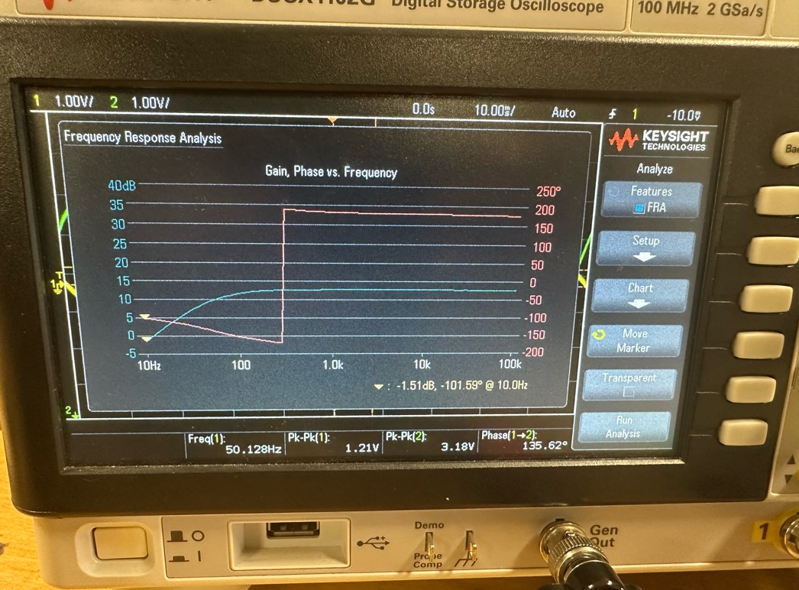
50 | 0.4 | 2.8 | 74 | 16.9019608
100 | 0.4 | 4.8 | 83 | 21.583624921
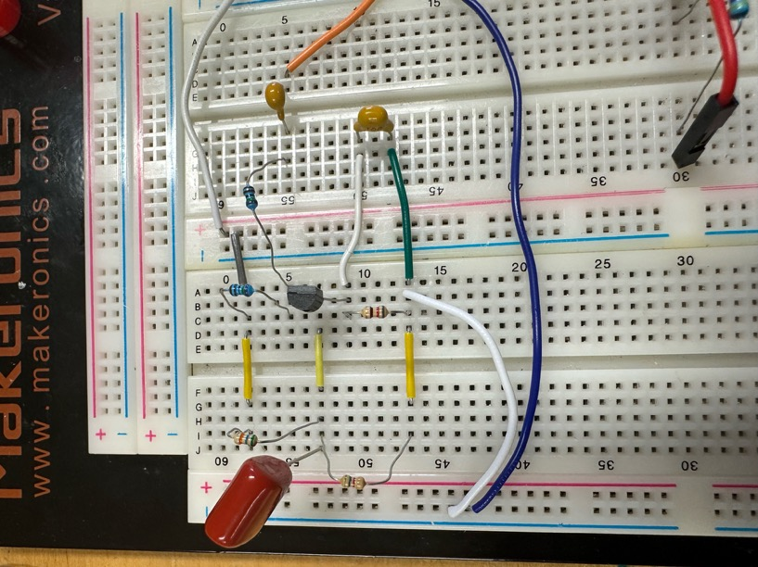
200 | 0.32 | 7 | 94 | 26.798961234
500 | 0.24 | 7.4 | 100 | 29.78040956
1000 | 0.24 | 9 | 120 | 31.480625355
2000 | 0.24 | 10.1 | 123 | 32.482202641
5000 | 0.24 | 10.5 | 127 | 32.819561147
10000 | 0.24 | 10.7 | 130 | 32.983450719 | Gain: "Without cap" levels off at about 13 dB, "With cap" at about 40 dB. Phase: both sit near ±180° in the middle and drift away at low frequency.
20000 | 0.24 | 10.7 | 135 | 32.983450719
50000 | 0.16 | 5.6 | 142 | 30.881360887
100000 | 0.22 | 10.3 | 145 | 33.408290878 |  |  |  | without the cap

Question | Answer
What circuit properties does adding the bypass capacitor affect? | At signal frequencies C_E shorts R_E, so the emitter is at AC ground. (1) Gain rises from -R_C/(R_E+r_e) = -9.6 to -R_C/r_e ≈ -272. (2) Input impedance drops from ≈4.9k to ≈2.2k, because the base now sees (beta+1)*r_e instead of (beta+1)*(R_E+r_e). (3) So the input-cap corner moves up from ≈99 Hz to ≈220 Hz, and C_E adds its own corner (≈600 Hz with 10 uF), so the gain only reaches full value above ≈5 kHz. (4) Linearity gets worse: gain now depends on r_e = 25 mV/I_C, which changes as the signal swings I_C. The R_E negative feedback that stabilized gain is gone. Output impedance is unchanged (≈R_C = 7.5k).
Does the capacitor alter the biasing? | No. At DC a capacitor is an open circuit, so all DC currents and voltages are unchanged: V_B ≈ 1.33 V, V_E ≈ 0.68 V, V_C ≈ 8.24 V. Confirmed by measuring V_C with the cap in (B31).
Does the triangle-wave output look like Fig. 4L.8? | Yes (qualitatively). The output is not a clean inverted triangle: the sides are curved, and the waveform is asymmetric about the 8.2 V quiescent level.
Why is 10 uF OK instead of 15 uF? | C_E only sets the low-frequency corner of the bypass, 1/(2*pi*C_E*(R_E||r_e)): ≈600 Hz with 10 uF vs ≈400 Hz with 15 uF. Both are far below 10 kHz, where the gain is measured, so midband gain is the same.
Why are sweeps done with sine waves? | A sine is the only waveform that keeps its shape through a linear circuit: only its amplitude and phase change. That makes gain and phase at a single frequency well defined. A square or triangle wave contains many harmonics, each amplified and phase-shifted differently, so there is no single gain at "that" frequency.
Why must the input amplitude be small? | This is a small-signal amplifier. The gain formula assumes v_be swings much less than 25 mV. With gain ≈272, an input over ≈50 mVpp clips the output (≈13.5 Vpp max swing), and even well below that, a large swing changes I_C and r_e and distorts the waveform. Use the smallest input that still gives a clean, readable output at 1 kHz (≈10–20 mVpp).
Gain vs frequency, with and without cap? | Without C_E: flat ≈19.7 dB (gain 9.6) above ≈500 Hz, falling at 20 dB/decade below the ≈99 Hz corner. With C_E: flat ≈48.7 dB (gain ≈270) above ≈5 kHz. Below that the gain falls in two stages: the bypass cap stops shorting R_E (≈600 Hz down to ≈21 Hz), plus the input cap corner (≈220 Hz). At very low f the two curves approach each other, because C_E is then open and the circuit is the unbypassed amp.
Predicted phase, with and without cap? | Both invert, so midband phase = 180 deg. Without C_E: the input high-pass adds lead: 180 + arctan(f_3dB/f), so 225 deg (shown as -135) at 99 Hz, approaching 180 above ≈1 kHz. With C_E: extra lead from the bypass network too, so the phase departs from 180 over a much wider range (≈-140 deg still at 1 kHz), reaching ≈-175 only near 10 kHz.
What do you see, and why does it deviate from 180 deg? | Low frequencies: the coupling cap (and bypass cap) form high-pass networks, and a high-pass adds phase lead (up to +90 deg per capacitor). High frequencies: stray capacitance forms low-pass filters that add phase lag: R_C with the scope/probe input capacitance, and the transistor's collector-base capacitance multiplied by the gain (Miller effect). The Miller effect is ≈28x larger with C_E, so the high-frequency lag starts at lower frequency with the cap. Exactly 180 deg is seen only in the flat midband.
Why is the jump from -180 to +180 uninteresting? | Phase is only defined modulo 360 deg: -180 and +180 are the same angle, both mean "inverted". The scope reports phase in the range -180 to +180, so a signal that drifts slightly past 180 gets displayed as a jump to the other end. It is a display wrap-around, not a real change in the circuit.
Explain the triangle-wave output (qualitative) | With R_E bypassed, the gain is R_C/r_e and r_e = 25 mV/I_C. As the input rises, I_C increases, r_e decreases and the gain increases, so the (inverted) output moves down steeply. As the input falls, I_C decreases, r_e increases and the gain drops, so the output rises more gently. The straight input ramps come out as curved (exponential) ramps, and the swing below 8.2 V is larger than above it. This is the Ebers-Moll exponential I_C = I_S*exp(V_BE/V_T) showing through. Without C_E, R_E (750 ohm >> r_e) sets the gain, so the output stays a clean triangle.

4L.6 transistor switch
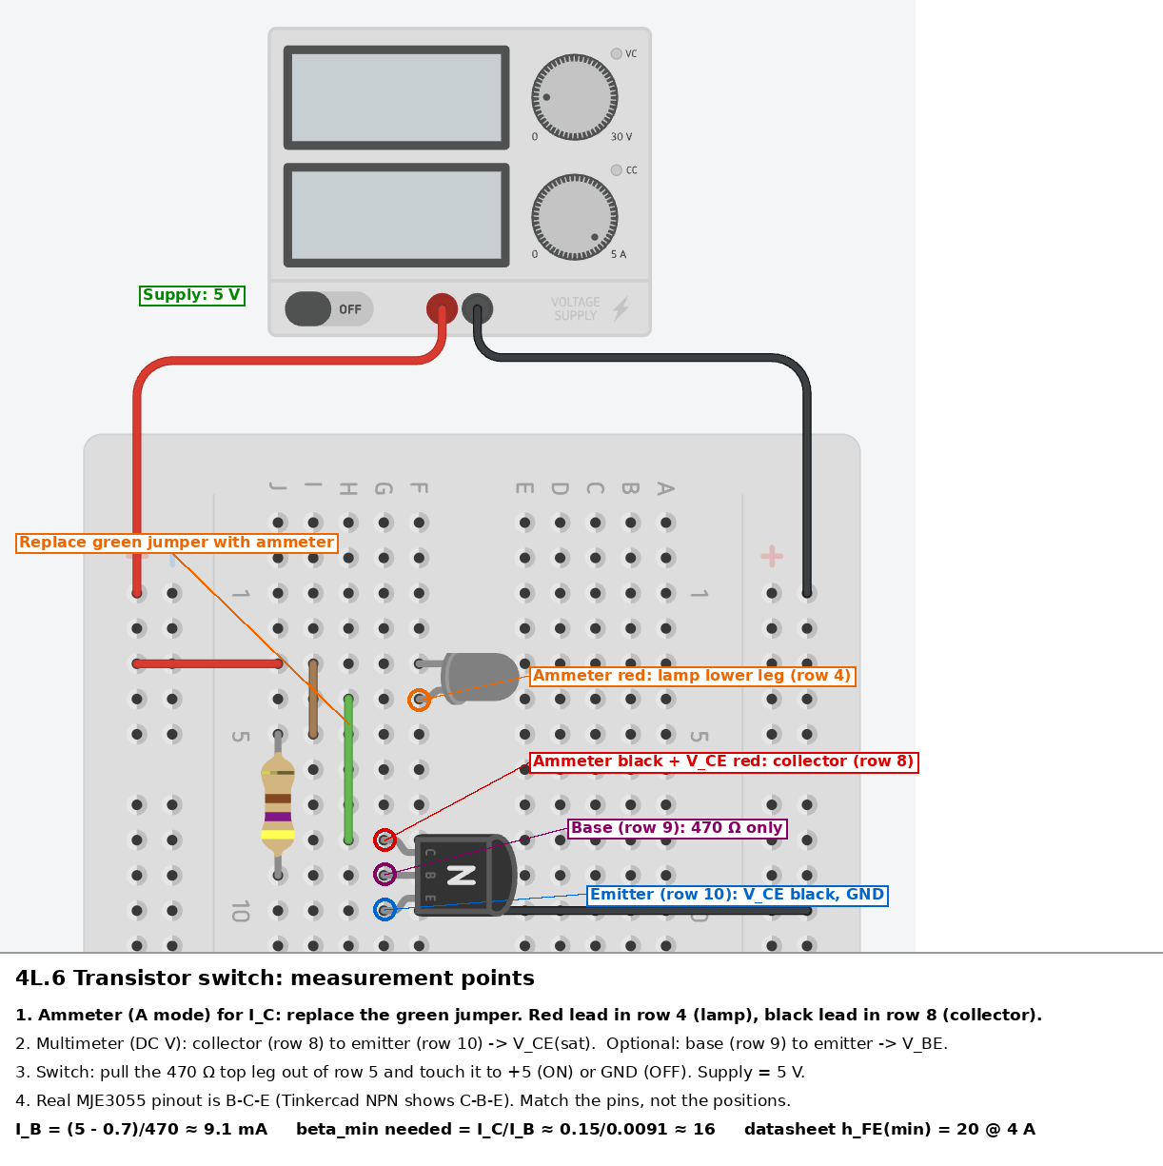
4L.6 Transistor switch (MJE3055)
Given
V_supply (V) | 5 | NOTE: 5 V, not 15
R_B (ohm) | 469.9
V_BE assumed (V) | 0.7 | given in lecture
Lamp rated current (A) | 0.15 | #47 lamp, 0.15 A @ 6.3 V
Datasheet h_FE min | 20 | MJE3055 datasheet, at I_C = 4 A

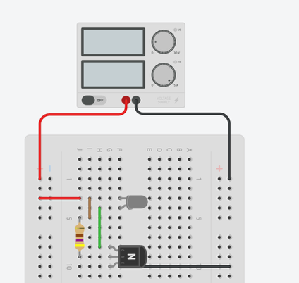
Predictions
I_B (mA) | 9.1508831666 | (V_supply - V_BE)/R_B
Min beta required | 16.391860465 | I_C(lamp)/I_B
Enough base drive? | Yes: h_FE min > beta required

Measurements
I_C, switch ON (A) | 2.04E-01 | ammeter in series, lamp -> collector
I_C, switch OFF (A) | 2.00E-05 | ammeter, 470 ohm touched to GND
V_CE(sat), switch ON (V) | 0.051 | multimeter, collector to emitter
V_BE, switch ON (V) | 0.703 | optional: base to emitter
Lamp lit? | yes | yes/no

Results
Beta in this circuit | 22.260146512 | beta in this circuit = I_C(ON) / I_B
I_B from measured V_BE (mA) | 9.1444988295 | I_B using your measured V_BE
Power in transistor (W) | 0.0103887 | Power in the transistor = I_C × V_CE(sat)

Question | Answer
How do you calculate I_B? | Assume V_BE = 0.7 V. The rest of the 5 V drops across the 470 ohm: I_B = (5 - 0.7)/470 = 9.1 mA (B10).
What is the minimum required beta? | The lamp needs about 0.15 A, so beta_min = I_C/I_B = 0.15/0.0091 = 16 (B11).
What does the datasheet say? | MJE3055 h_FE(min) = 20 at I_C = 4 A, which is more than 16. So 9 mA of base current is more than enough to fully turn the lamp on.
What is beta in this circuit? | I_C(measured)/I_B (B21). Expect ~15, which is LOWER than the datasheet value.
Why is I_C not beta*I_B here? | The transistor is saturated. At beta = 20 it could pass 20*9.1 mA = 180 mA, but the lamp limits the current to ~150 mA. The collector drops to V_CE(sat) ~0.1-0.2 V and the load, not the transistor, sets I_C. So I_C/I_B here is a "forced beta", not the transistor's real beta.
Why overdrive the base? | To guarantee saturation for any transistor. Beta varies widely between parts and with temperature, so switch designs use I_B several times larger than I_C/beta_min. A saturated switch has a tiny V_CE, so it dissipates very little power (B23). |  | 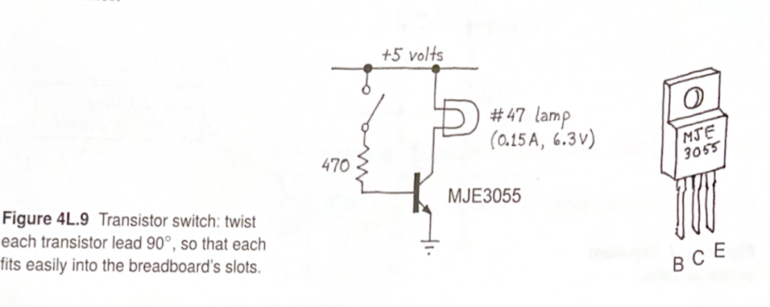
What does V_CE(sat) tell you? | How good the switch is. Small V_CE(sat) means almost all 5 V goes across the lamp, and the transistor wastes little power. The big TO-220 package keeps current density low, so V_CE(sat) stays low.
Why is the pinout different? | The MJE3055 (TO-220) is B-C-E, left to right with the label facing you. The 2N3904 (TO-92) is E-B-C. Always check the datasheet pinout.
What does the datasheet say about beta? | h_FE(min) = 20 at I_C = 4 A (guaranteed). Typical h_FE at our I_C = 0.15 A is about 100 (Fig. 1). We need only beta = 16, so even the worst-case part saturates.
Why is the measured I_C/I_B (~16) lower than h_FE (~100)? | The transistor is saturated: the lamp limits I_C to ~0.15 A. The transistor could pass ~100 x 9.1 mA = 0.9 A, but the load won't let it. So I_C/I_B here is a "forced beta" set by the circuit, not the transistor's h_FE.
Expected V_CE(sat)? | About 0.1 V from Fig. 2 at I_C = 0.15 A (datasheet max 1.1 V at 4 A). Compare with the measured value.

4L.6.1 transistor switch sat
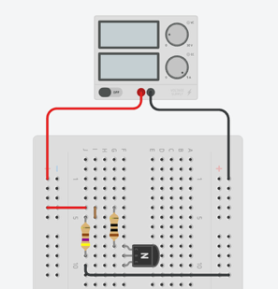
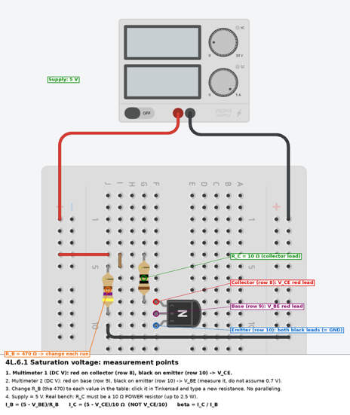
4L.6.1 Saturation voltage (MJE3055)
V_supply (V) | 5
R_C (ohm) | 10

R_B (ohm) | V_CE (V) | V_BE (V) | I_B (mA) | I_C (mA) | beta
10000 | 4.158 | 0.588 | 0.4412 | 84.2 | 190.84315503
4700 | 3.129 | 0.619 | 0.93212765957 | 187.1 | 200.72357909
2200 | 1.445 | 0.652 | 1.9763636364 | 355.5 | 179.87580497
1500 | 0.466 | 0.676 | 2.8826666667 | 453.4 | 157.28492137
1000 | 0.198 | 0.694 | 4.306 | 480.2 | 111.51881096
680 | 0.139 | 0.705 | 6.3161764706 | 486.1 | 76.961117579
470 | 0.112 | 0.715 | 9.1170212766 | 488.8 | 53.614002334
330 | 0.096 | 0.724 | 12.957575758 | 490.4 | 37.846585594
220 | 0.081 | 0.753 | 19.304545455 | 491.9 | 25.481045444
150 | 0.073 | 0.745 | 28.366666667 | 492.7 | 17.368977673

Plot 1: V_CE vs Collector Current
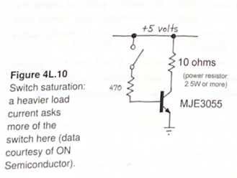

Plot 2: Beta vs Collector Current
 |  |  |  |  |  | Question | Answer
 |  |  |  |  |  | What do you measure? | For each R_B: V_CE (collector to emitter) and V_BE (base to emitter), with multimeters. The base voltage is measured, not assumed to be 0.7 V.
 |  |  |  |  |  | How do you vary I_C? | By changing the base current: set R_B to a new value each run (10k down to 150 ohm). Smaller R_B gives more I_B, which gives more I_C until the transistor saturates.
 |  |  |  |  |  | How do you calculate I_B? | I_B = (5 - V_BE)/R_B, using the measured V_BE.
 |  |  |  |  |  | How do you calculate I_C? | I_C = (5 - V_CE)/R_C. The voltage across the 10 ohm is the supply minus V_CE, not V_CE itself. That is why V_CE/R_C is wrong.
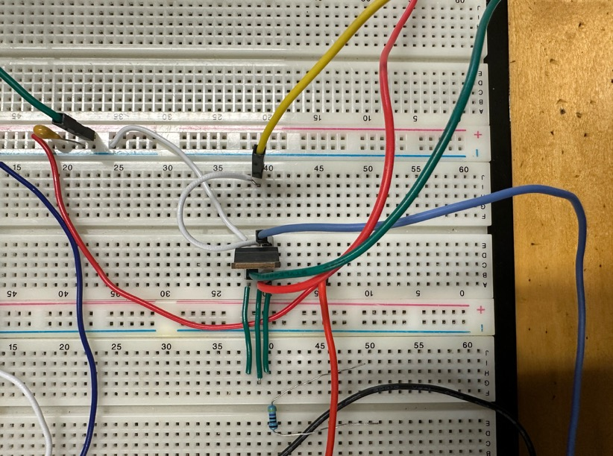
 |  |  |  |  |  | Why no ammeter for I_C? | The ammeter's own resistance adds to the 10 ohm load, which shifts the circuit. Calculating I_C from the voltage across R_C avoids that.
 |  |  |  |  |  | Do you need to parallel resistors? | No. The resistance box can be set directly to 150 ohm or any other value, so there is no need to parallel resistors.
 |  |  |  |  |  | What does the V_CE vs I_C plot show? | At low I_C (large R_B) the transistor is in the active region and V_CE is large (~4-5 V). As I_B increases, I_C rises and V_CE falls. Once I_C reaches the load limit (5 V/10 ohm = 0.5 A) the transistor saturates and V_CE bottoms out at V_CE(sat) ~0.1-0.2 V.
 |  |  |  |  |  | What does the beta vs I_C plot show? | In the active region beta = I_C/I_B is roughly constant; that is the transistor's real beta. In saturation I_C cannot grow (the load limits it) while I_B keeps increasing, so I_C/I_B drops sharply. That is a "forced beta", not the transistor's real one.
 |  |  |  |  |  | Why does the curve not look like the book's Fig. 4L.10? | The book's curve holds I_B = I_C/10 (heavy drive) at every point. We change I_B while the load stays fixed, so we sweep through both the active and saturated regions.
 |  |  |  |  |  | Why use a power resistor for R_C? | At saturation it carries ~0.5 A with ~5 V across it: P = V^2/R = 25/10 = 2.5 W. A 1/4 W resistor would overheat.
 |  |  |  |  |  | Why is a low V_CE(sat) good for a switch? | Power lost in the transistor = I_C x V_CE. A small V_CE means almost all the supply voltage goes to the load, and the transistor wastes very little power.

 |  |  |  |  |  | As I_B increases, I_C rises with β ≈ 190 until it reaches ~490 mA, the limit set by the 10 Ω load. Beyond that the transistor saturates: V_CE falls to ~0.07 V and I_C/I_B drops to ~17, a "forced β" set by the load rather than the transistor.

4L.6.2 transistor switch induct
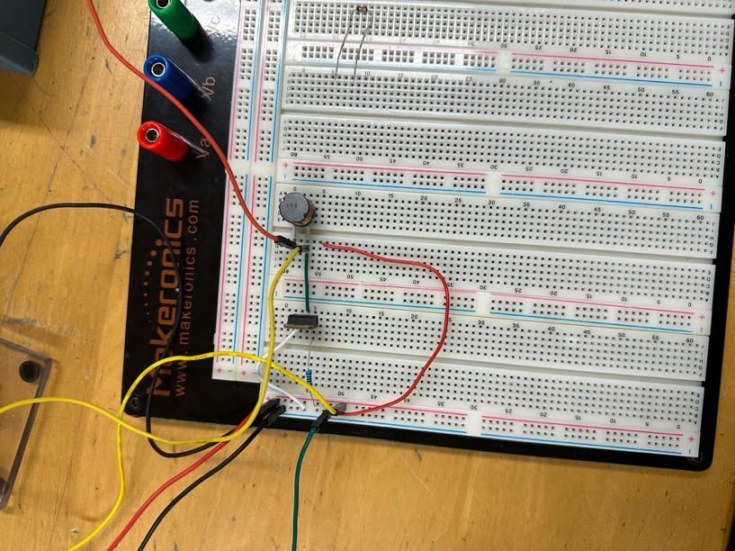
4L.6.2 Transistor switch with inductive load
Given
V_battery (V) | 1.5 | C cell
L (H) | 0.01 | 10 mH
R_B (ohm) | 997 | base resistor (changed from 470)
Drive high (V) | 5 | square wave 0 to 5 V, 1 kHz
V_BE (V) | 0.7
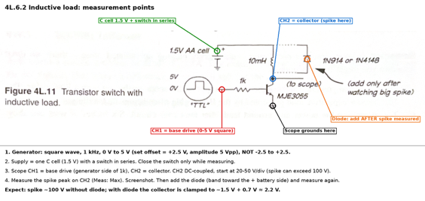
Predictions
I_B when ON (mA) | 4.3129388164 | (5 - 0.7)/1k
Clamped collector peak with diode (V) | 2.2 | battery + one diode drop

Measurements
Spike peak, no diode (V) | 102.1 | CH2 Max, 10x probe
Collector when ON (V) | 24.9 | CH2 low level (V_CE(sat))
Collector peak with diode (V) |  | CH2 Max after adding diode
Spike duration, no diode (us) |  | width of spike on CH2
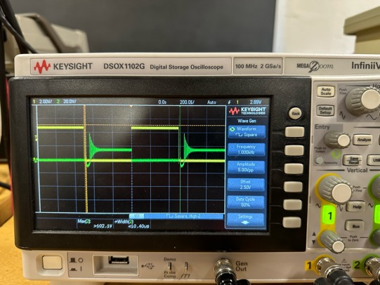
 |  |  | Question | Answer
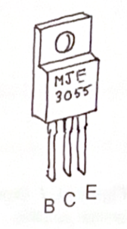
 |  |  | What do you measure? | The collector voltage on CH2 (10x probe) while the base is driven with a 0-5 V, 1 kHz square wave on CH1. Record the spike peak without the diode, then again with the diode.
 |  |  | Why does the spike happen? | An inductor resists changes in current: V = L dI/dt. When the transistor turns off, the current tries to drop to zero almost instantly, so dI/dt is huge. The inductor drives the collector voltage up (100 V or more) trying to keep the current flowing, until the transistor breaks down and lets it pass.
 |  |  | Why is the spike so much bigger than the 1.5 V supply? | The spike size depends on how fast the current is cut off, not on the supply voltage. A fast switch-off gives a large dI/dt, so a large L dI/dt.
 |  |  | What does the diode do? | It gives the inductor current a safe path back to the battery's + terminal. The collector can then only rise one diode drop above the supply (~1.5 + 0.7 = 2.2 V), and the current decays slowly through the diode and the coil.
 |  |  | Why add the diode only after seeing the spike? | To see the unprotected spike first. With the diode in, the spike never appears.
 |  |  | Which way does the diode go? | Cathode (band) to the + battery side, anode to the collector. It is reverse-biased during normal operation and conducts only when the collector rises above the supply.
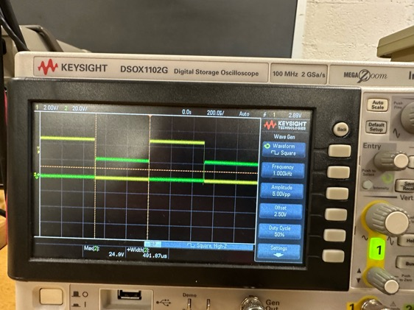
 |  |  | Why is the switch in series with the battery? | To disconnect the supply when not measuring, so the inductor and transistor don't heat up, and so the ~100 V spike is only produced while you are watching.
 |  |  | Why a 0 to 5 V square wave, not -2.5 to +2.5 V? | 0 V turns the transistor fully off and 5 V turns it fully on (logic levels). A negative swing would reverse-bias the base-emitter junction unnecessarily.
 |  |  | Why is this important in practice? | Relays, motors and solenoids are inductive loads. Without a clamp diode, the turn-off spike can destroy the switching transistor. The flyback diode is standard protection.

