5L.1 diff or diff amp
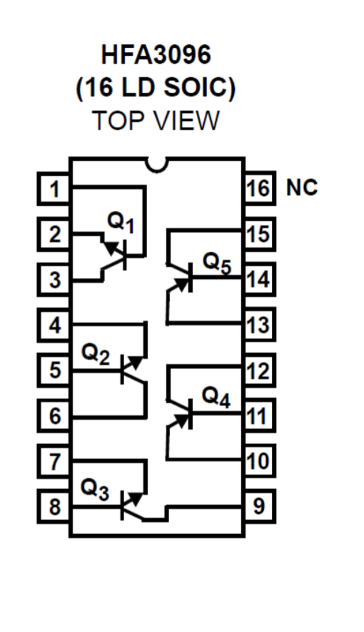
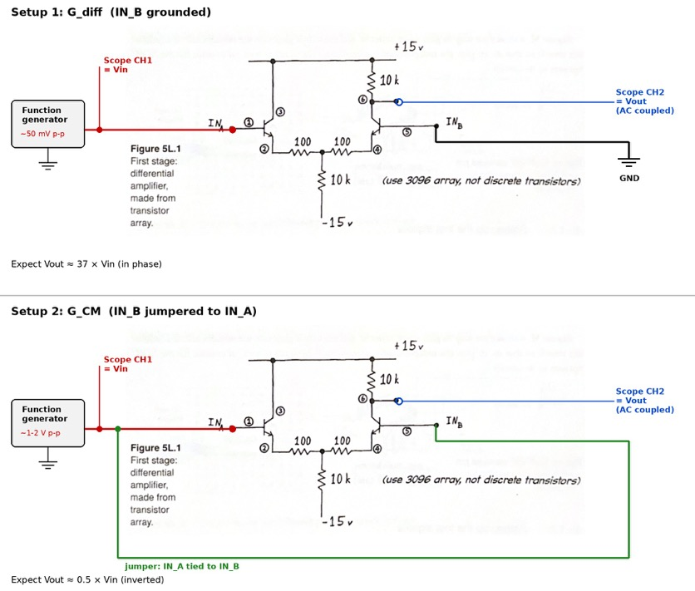
Quantity | Predicted | Vin (p-p) | Vout (p-p) | Measured
I_tail (mA) | 1.44
I_C each (mA) | 0.72
r_e (ohm) | 34.722222222
Vout DC, pin 6 (V) | 7.8
G_diff (IN_B grounded) | 37.113402062 |  |  | enter Vin/Vout
G_CM (A & B tied, inverted) | -0.49665448024 |  |  | enter Vin/Vout
CMRR | 74.726804124 |  |  | —
CMRR (dB) | 37.46952818 |  |  | —

5L.1.1 transistor array
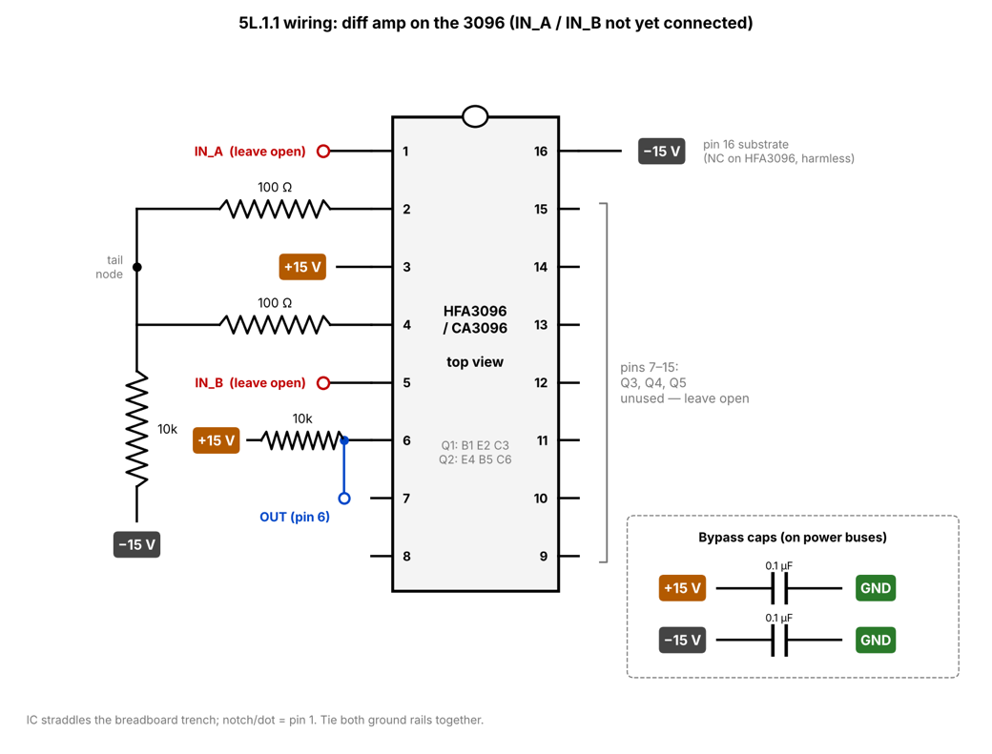
Pin | Transistor / terminal | Connect to
1 | Q1 base | IN_A — leave open for now
2 | Q1 emitter | 100 Ω → tail node
3 | Q1 collector | +15 V
4 | Q2 emitter | 100 Ω → tail node
5 | Q2 base | IN_B — leave open for now
6 | Q2 collector | 10k → +15 V (output tap)
tail node | both 100 Ω meet | 10k → −15 V
16 | substrate | −15 V (marked NC on HFA3096, harmless either way)
7–15 | Q3, Q4, Q5 | unused, leave open
— | bypass caps | 0.1 µF +15→GND, 0.1 µF −15→GND

Why careful placing IC? | Must straddle the trench, or pins on opposite sides get shorted through the same row. Also check notch/dot = pin 1, or every pin is mirrored.
Status | Built, not yet connected to IN_A/IN_B

5L.1.4 func gen that cant float
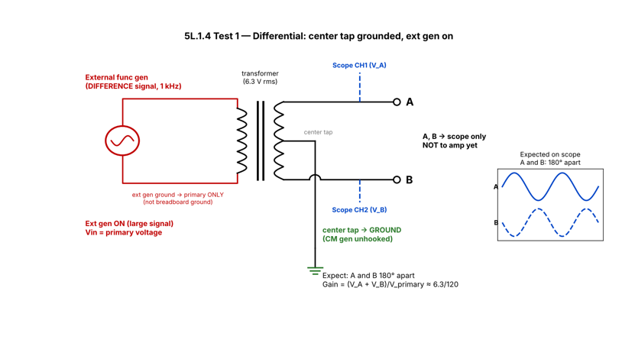
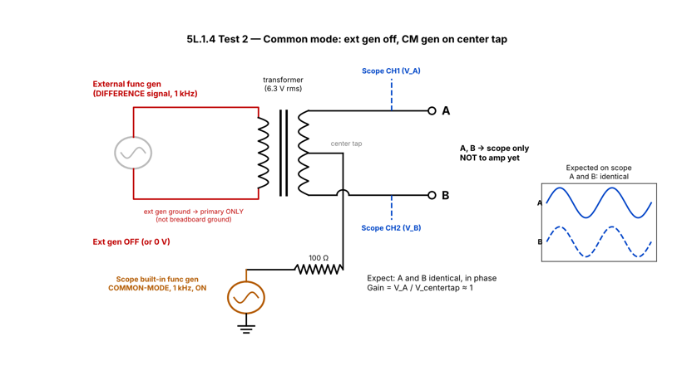
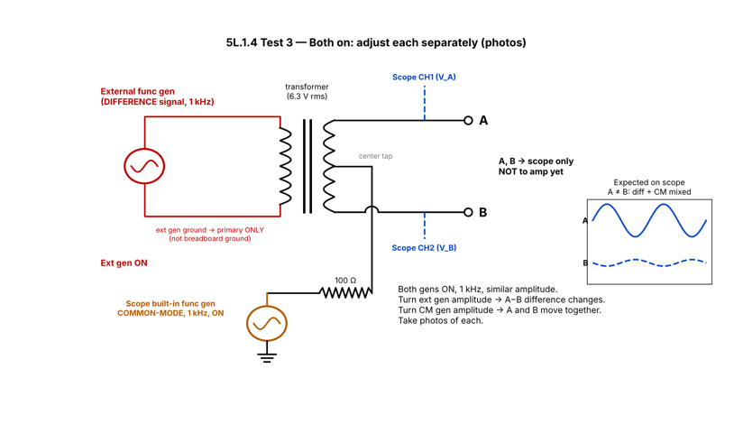
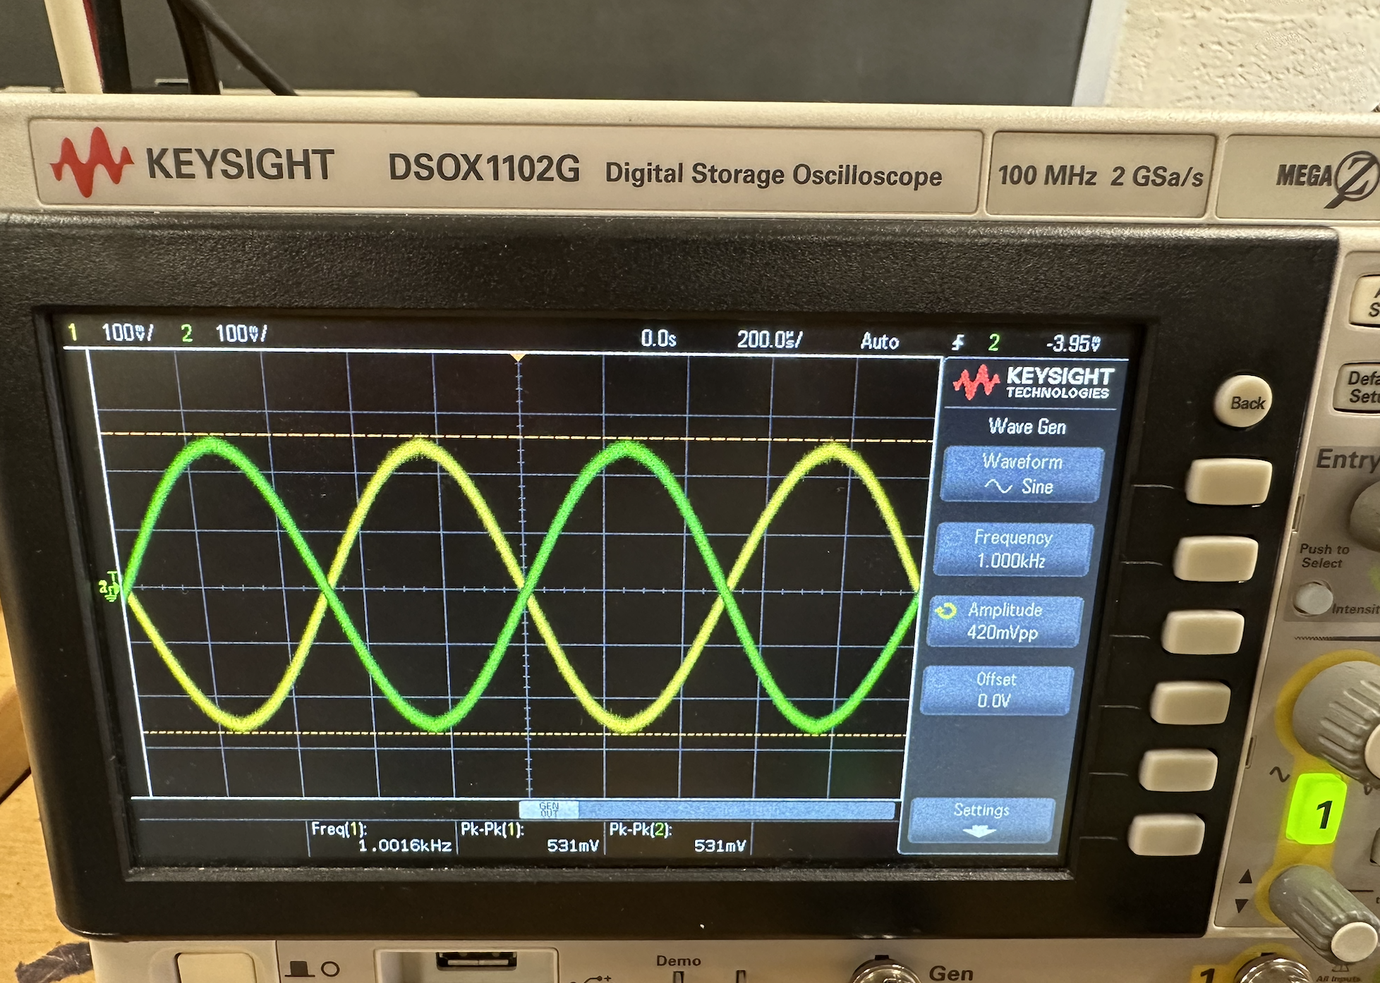
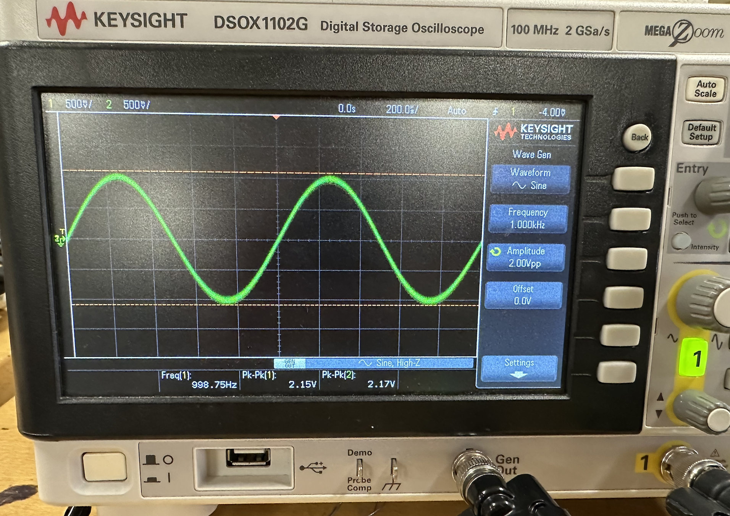
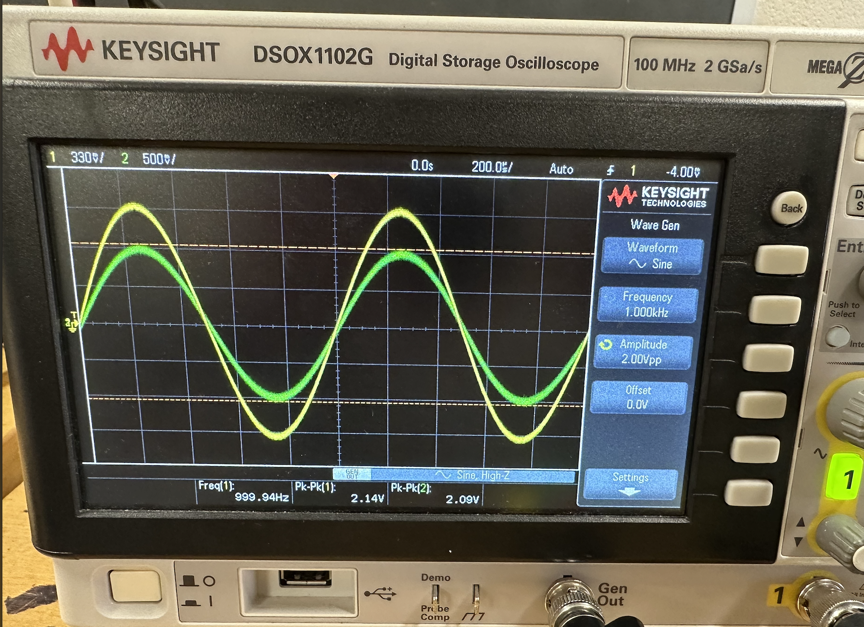
Test | Setup | Vin (p-p) | V_A (p-p) | V_B (p-p) | A vs B phase | Measured gain | Expected | Photo
Differential | Ext gen on primary; center tap grounded; CM gen off | 17.3 | 0.535 | 0.531 | 180° | 0.06161849711 | 0.0525 | like Fig 5L.8 left
Common mode | Ext gen off; scope gen → 100 Ω → center tap | 0.42 | 0.45 | 0.45 | 0° (in phase) | 1.0714285714 | 1 | like Fig 5L.8 right
Both on | Both gens 1 kHz, similar amplitude; adjust each separately | 2 | 2.03 | 2.15 |  | — |  | photo of each adjustment

5L.1.5 mediocre diff amp
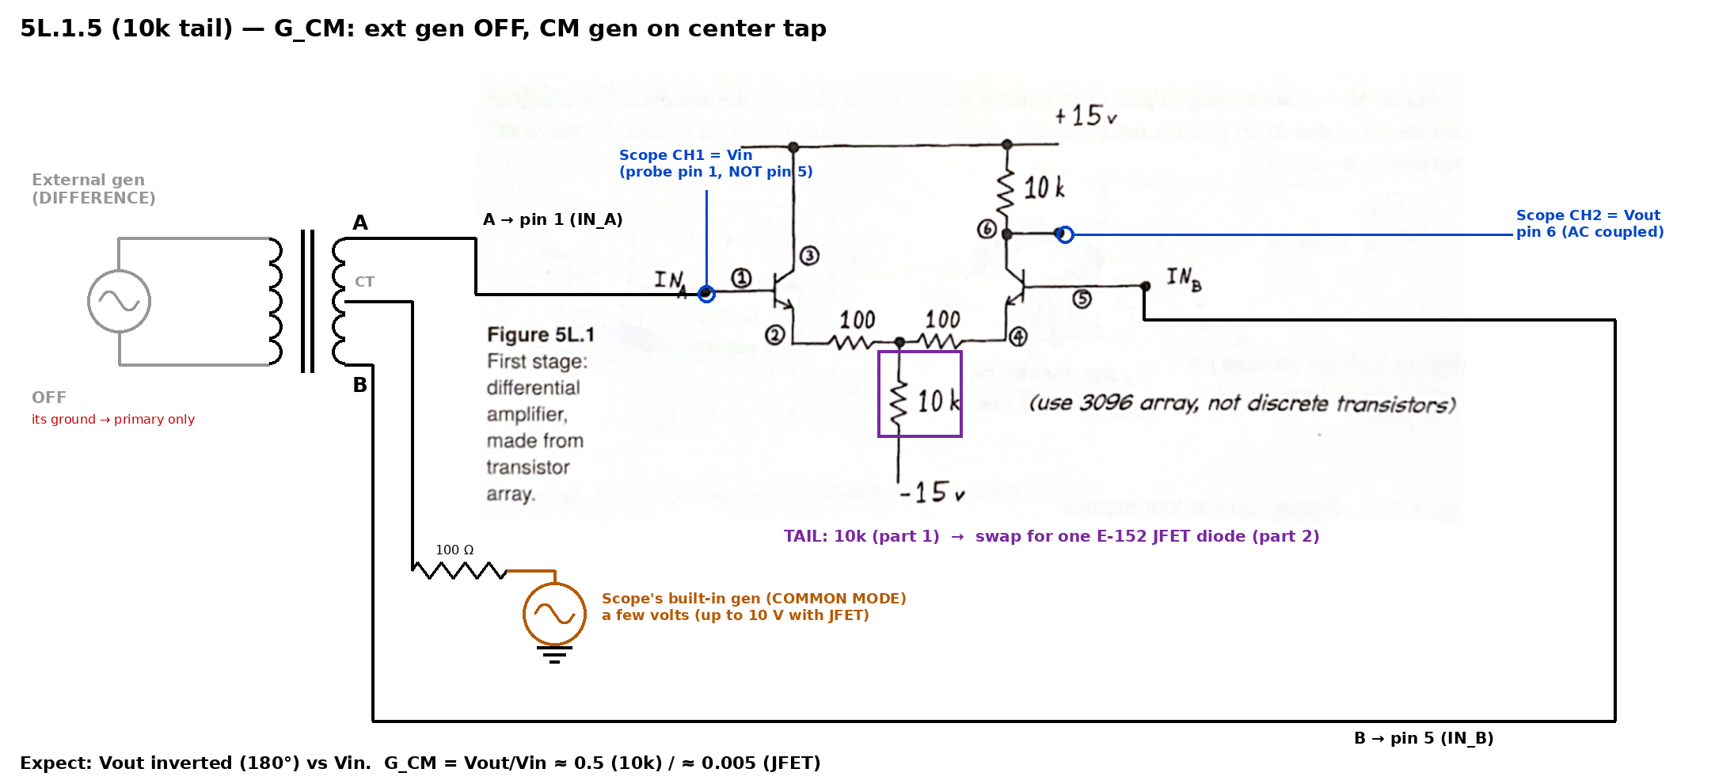
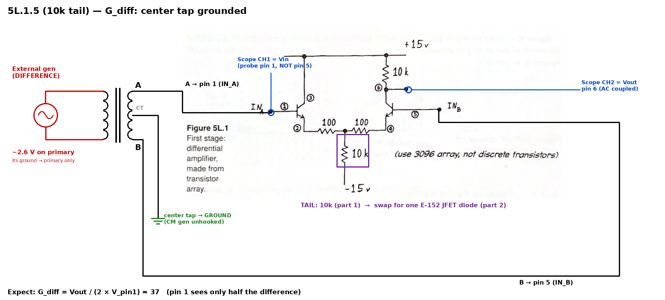
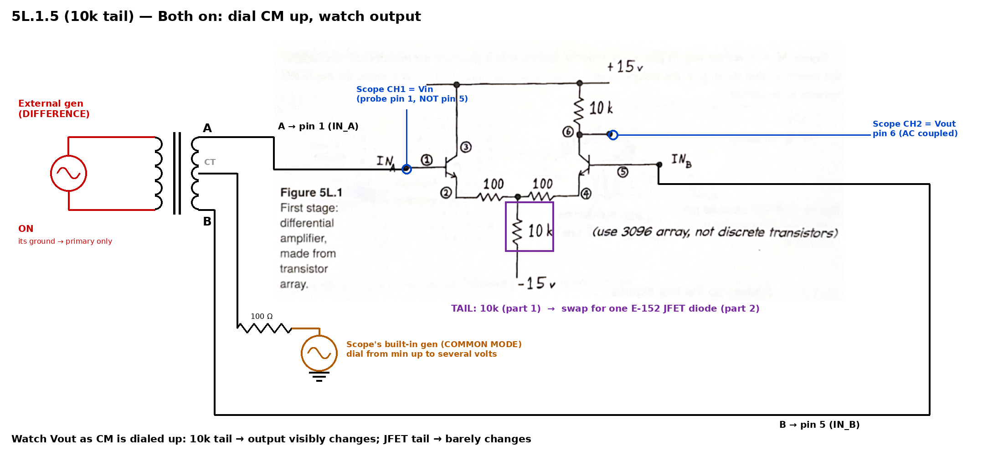
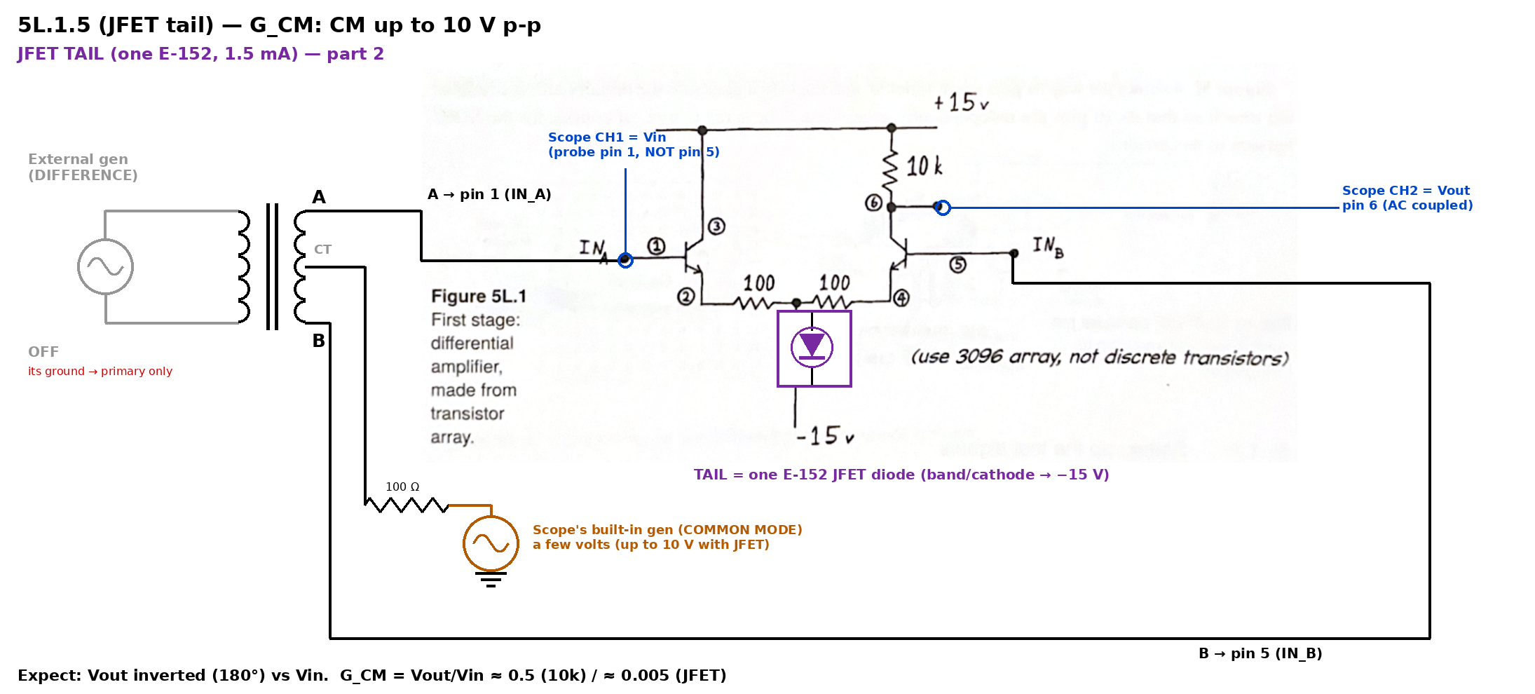
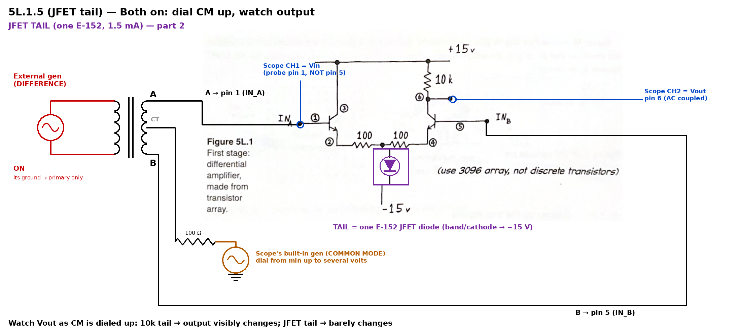
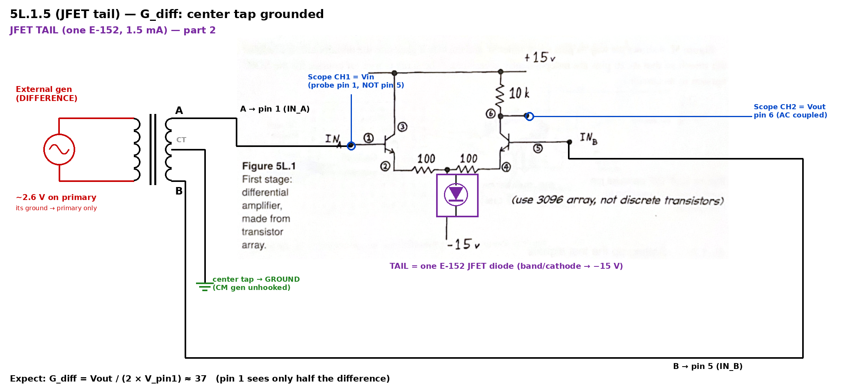
Tail | Test | Vin pin 1 (p-p) | Vout pin 6 (p-p) | Measured | Predicted | Notes
10k | G_CM (ext gen off) | 2.21 | 1.17 | -0.52941176471 | -0.5 | output 180° vs input
10k | G_diff (CT grounded) | 0.106 | 10 | 47.169811321 | 37 | pin 1 = half the difference
10k | CMRR |  |  | 89.098532495 | 74
JFET E-152 | G_CM (ext gen off, up to 10 V) | 2.05 | 0.009625 | -0.0046951219512 | -0.005
JFET E-152 | G_diff (CT grounded) | 0.205 | 13.9 | 33.902439024 | 37.5
JFET E-152 | CMRR |  |  | 7220.7792208 | 7500

Observations | Dialing CM up with both gens on (10k tail):
 | Dialing CM up with both gens on (JFET tail):
 | Swapping resistor ↔ diode:

