4L.1.1 transistor
4L.1.1 Transistor (ID and Test)
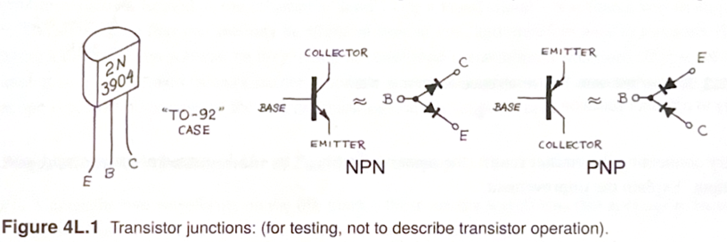
1. Put the transistor in the breadboard and set the DVM to diode-test mode. 2. Try different pairs of pins, reversing the red and black probes as needed. 3. Find the base: it is the pin that gives a diode reading to both other pins with the same probe polarity. 4. Determine the type: red probe on base → NPN; black probe on base → PNP. 5. Once you’ve identified the base/type, use the known pin layout to label collector and emitter. Your professor specifically says not to try distinguishing BC from BE based on their slightly different diode drops.

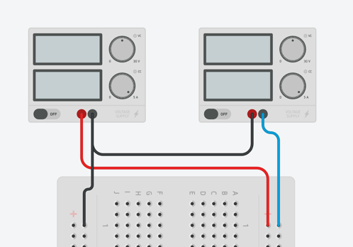

PNP should go from C/E(red) to B(black) with a 0.6-0.7V drop

NPN should go from B(red) to C/E(black) with a 0.6-0.7V drop

Observed drops
For NPN
B to C | 0.687
B to E | 0.687
For PNP
C to B | 0.741
E to B | 0.737

4L.2 emitter follower
4L.2 Emitter follower (Observations)

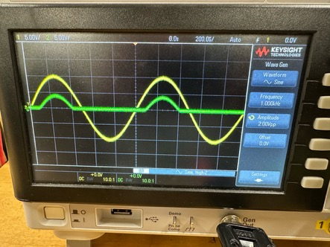
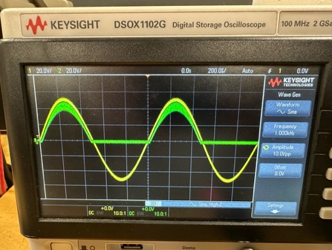
Wire up an npn transistor as an emitter follower, as shown in Fig. 4L.2. Drive the follower with a sine wave that is symmetric about zero volts (be sure the DC "offset" of the function generator is set to zero), and look with a scope at the poor replica that comes out. Why does this happen? If you turn up the waveform amplitude, you will begin to see bumps below ground. How do you explain these? Now try connecting the emitter return (the point marked Vee* to - 15 V instead of ground, and look at the output. Explain the improvement.

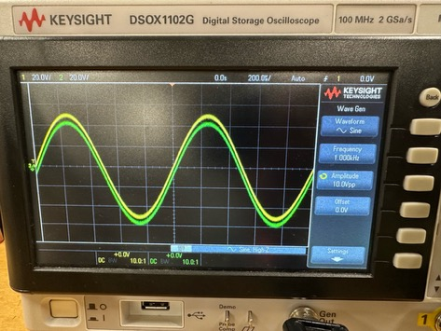
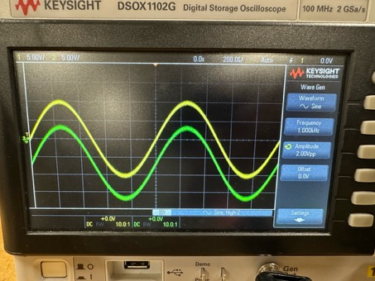

 | Note: I solved oscialtions for when emitter to -15V by two capatictors in parallel with the with +/- 15v and GND

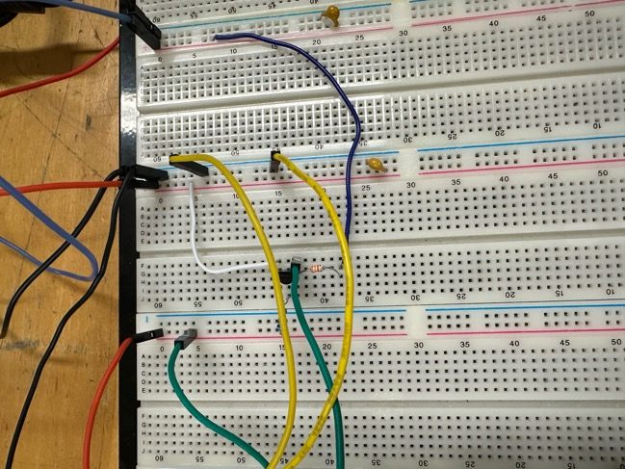

With the emitter resistor connected to ground, the NPN transistor conducts only when the input voltage is sufficiently positive to forward-bias the base-emitter junction. During the negative portion of the sine wave the transistor turns off, and the emitter is pulled toward ground through the 3.3 kΩ resistor, causing the output waveform to be clipped. |  | Connecting the emitter resistor to -15 V biases the transistor on even when the input is near 0 V. This allows the emitter voltage to swing both above and below ground while maintaining V_BE approx 0.7 V, so the output follows the input sine wave much more closely.

 |  | Caps used
 |  | at +15V | 3.25 | micro F
 |  | at -15V | 2.02 | micro F
 |  | at GND(+15V)
 |  | at GND(-15V)

Excersices
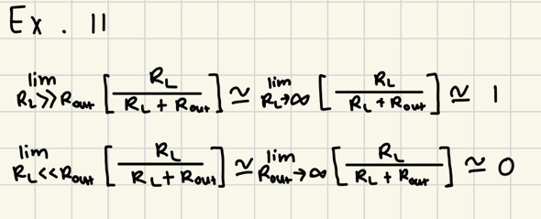
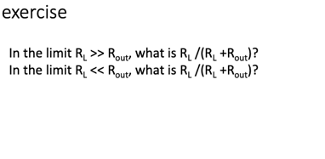

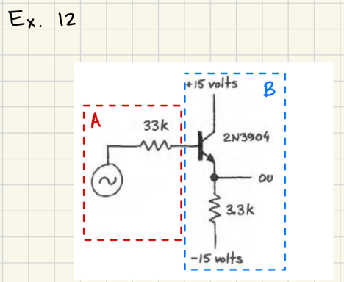
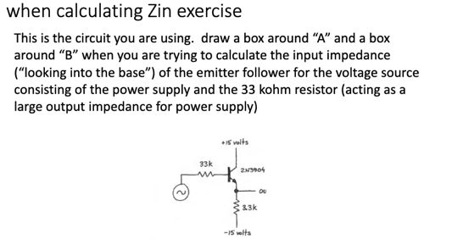

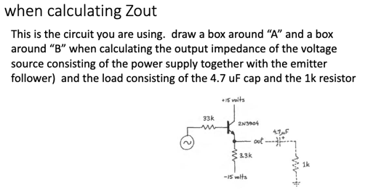
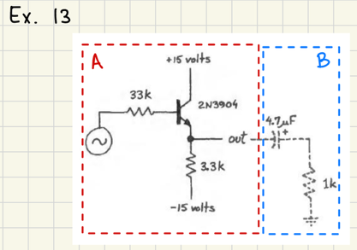

4L.2.1 emitter follower
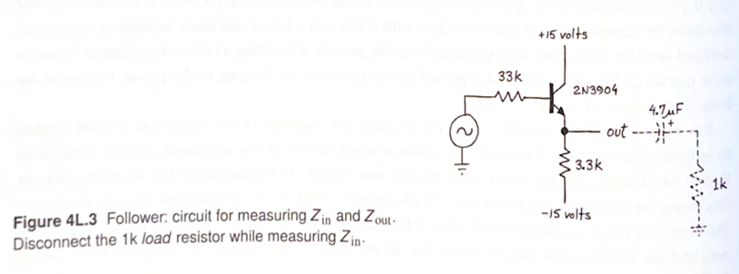
4L.2.1 emitter follower
Measure the input and output impedence for the circuit to the right
Z_in |  | Disconnect the 1k load resistor while measuring Z_in
Z_out

Steps and tips below

Measure Zin In the circuit of Fig. 4L.2 replace the small base resistor with progressively larger resistors, in order to simulate a signal source of moderately high impedance, i.e., low current capability. Start with 33k, as shown in Fig. 4L.3; you are likely to see attenuation of only 5% to 10%. With such small attenuation, it is possible but tedious to infer β. If you install larger resistors in place of this 33k, eventually you will see attenuation of about 50%, and then your observation (and your arithmetic) will become easy. You'll know, if you get to 50% attenuation, that your installed R is about equal to Rin. Use this data to make your inference of β. |  |  |  | Z_in(expected) | To the right
 |  |  |  | Z_out(expected)

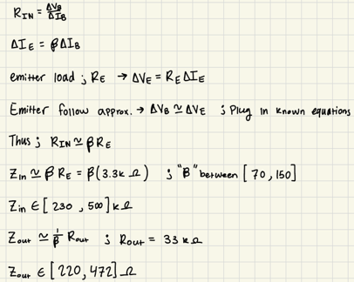
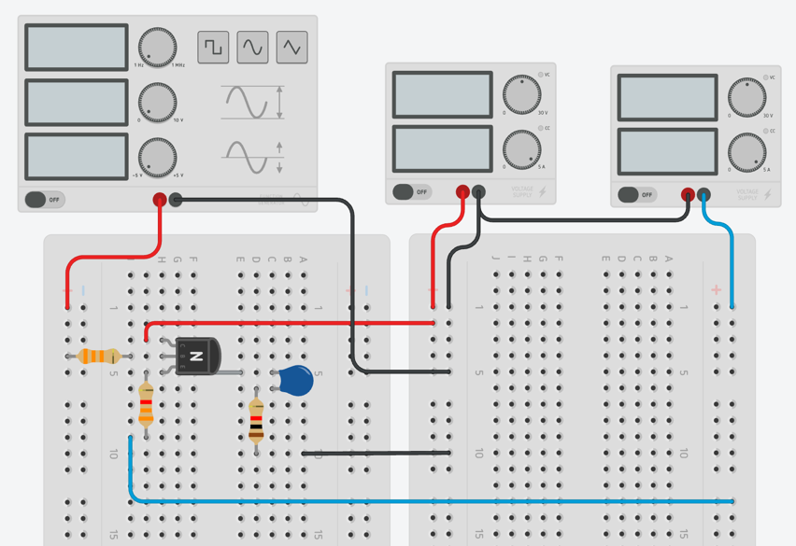

Z_in is the impedance seen by the function generator looking into the emitter follower, while Z_out is the impedance seen by a load looking back into the emitter follower’s output.

Input impedance
R_s [ohm] | 32140 | Pull the pot out of the circuit and measure it with the DMM (it reads wrong while in the circuit).
V_s [volt] | 2.15 | The generator side of R_s(CH1 pkpk reading) | beta | 138.57609541
V_b [volt] | 2.01 | The base, row 4(CH2 pkpk reading)
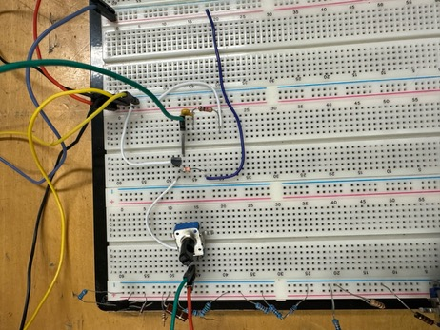
Z_in [ohm] | 461439 |  | 461 | k ohms

Output impedance
R_L [ohm] | 987 | The load resistor. For extra accuracy, measure it with the DMM out of the circuit.
V_0 [volt] | 2.01 | Emitter, no load(CH2 pkpk, jumper out)
V_L [volt] | 1.67 | Emitter, with the load connected(CH2, Jumper in) | R_s | 29030
Z_out [ohm] | 200.95 |  | beta | 138.58363003

4L.4 current source
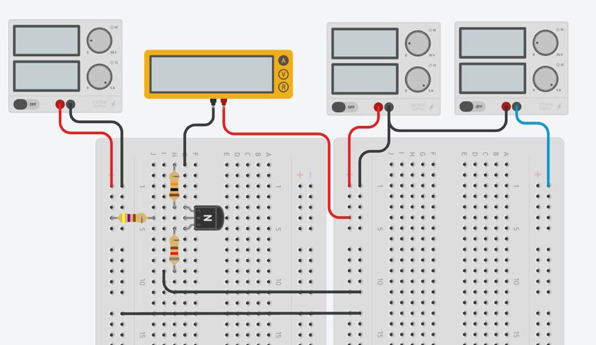
4L.4
4L.4 Predictions
V_B (V) | 5 |  | R_B [ohm] | 467.6 | From 4L.2
V_BE (V) | 0.6 |  | Beta | 138.57986272
R_E (ohm) | 826
V_E (V) | 4.3822267629
4L.4 Transistor current sink: collector current vs. load resistance
I_predicted (mA) | 5.3053592771
V_CE,sat (V) | 0.2
V_supply (V) | 15
R_max predicted (kohm) | 1.963631998

Measured knee R (kohm)
Knee % difference

V_pot (V) | I (mA) | R (kohm) | % change in I | I_predicted (mA)
0.056 | 5.24 | 0.010687022901 | 0 | 5.3053592771
0.824 | 5.25 | 0.15695238095 | 0.19083969466 | 5.3053592771
1.679 | 5.25 | 0.31980952381 | 0.19083969466 | 5.3053592771
2.616 | 5.25 | 0.49828571429 | 0.19083969466 | 5.3053592771
4.75 | 5.24 | 0.90648854962 | 0 | 5.3053592771
6.506 | 5.23 | 1.2439770554 | -0.19083969466 | 5.3053592771
7.43 | 5.24 | 1.4179389313 | 0 | 5.3053592771
8.37 | 5.23 | 1.6003824092 | -0.19083969466 | 5.3053592771
9.54 | 5.23 | 1.8240917782 | -0.19083969466 | 5.3053592771
10.66 | 5.11 | 2.0861056751 | -2.4809160305 | 5.3053592771
10.77 | 4.88 | 2.2069672131 | -6.8702290076 | 5.3053592771
10.97 | 4.38 | 2.50456621 | -16.41221374 | 5.3053592771
11.05 | 4.14 | 2.6690821256 | -20.992366412 | 5.3053592771
11.1 | 3.99 | 2.7819548872 | -23.854961832 | 5.3053592771
11.24 | 3.58 | 3.1396648045 | -31.679389313 | 5.3053592771
11.35 | 3.24 | 3.5030864198 | -38.167938931 | 5.3053592771
11.41 | 3.05 | 3.7409836066 | -41.79389313 | 5.3053592771
11.47 | 2.88 | 3.9826388889 | -45.038167939 | 5.3053592771
11.52 | 2.72 | 4.2352941176 | -48.091603053 | 5.3053592771
11.57 | 2.56 | 4.51953125 | -51.145038168 | 5.3053592771
11.67 | 2.25 | 5.1866666667 | -57.061068702 | 5.3053592771
11.73 | 2.06 | 5.6941747573 | -60.687022901 | 5.3053592771
11.79 | 1.87 | 6.3048128342 | -64.312977099 | 5.3053592771
11.82 | 1.75 | 6.7542857143 | -66.603053435 | 5.3053592771
11.98 | 1.25 | 9.584 | -76.145038168 | 5.3053592771
11.98 | 1.23 | 9.7398373984 | -76.526717557 | 5.3053592771

