Лист1
Bug Id | Status | Bug Title | Priority | Severity | Description | Steps To Rreproduce | Expected Results | Actual Results | Evidences
BUG_01 | New | Sort A-Z in the system table 'Users' in the field 'Status' doesn't work | Medium | Medium | Sort A-Z in the system table 'Users' in the field 'Status' doesn't work | 1) Type URL https://app.8base.com/developer-home/workspaces | Page is opened successfully | Ok, as expected | 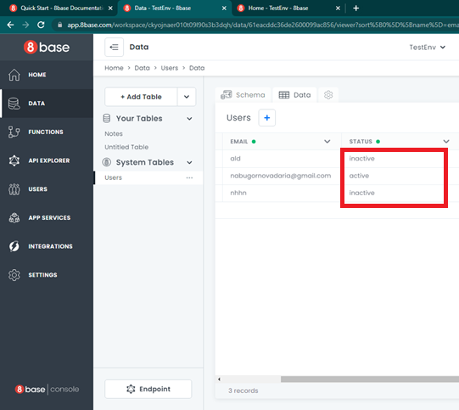
 |  |  |  |  |  | 2) Click on 'TestEnv' backend workspace | Home page with backend workspace is opened successfully | Ok, as expected
 |  |  |  |  |  | 3) Click on 'Data' | Page with tables is opened successfully | Ok, as expected
 |  |  |  |  |  | 4) Find the 'Users' table in the 'System Tables' and click on it | Table 'Users' with 'Shema' is displayed successfully | Ok, as expected
 |  |  |  |  |  | 5) Click on the 'Data' tab | Table 'Users' with 'Data' is displayed successfully | Ok, as expected
 |  |  |  |  |  | 6) Сlick on the arrow down in 'Status' and select 'Sort A-Z' in the drop-down | Sorting A-Z worked successfully | No, sorting didn't work and nothing changed
BUG_02 | New | Sort Z-A in the system table 'Users' in the field 'Status' doesn't work | Medium | Medium | Sort Z-A in the system table 'Users' in the field 'Status' doesn't work | 1) Type URL https://app.8base.com/developer-home/workspaces | Page is opened successfully | Ok, as expected
 |  |  |  |  |  | 2) Click on 'TestEnv' backend workspace | Home page with backend workspace is opened successfully | Ok, as expected
 |  |  |  |  |  | 3) Click on 'Data' | Page with tables is opened successfully | Ok, as expected
 |  |  |  |  |  | 4) Find the 'Users' table in the 'System Tables' and click on it | Table 'Users' with 'Shema' is displayed successfully | Ok, as expected
 |  |  |  |  |  | 5) Click on the 'Data' tab | Table 'Users' with 'Data' is displayed successfully | Ok, as expected
 |  |  |  |  |  | 6) Сlick on the arrow down in 'Status' and select 'Sort Z-A' in the drop-down | Sorting Z-A worked successfully | No, sorting didn't work and nothing changed
BUG_03 | New | Sort A-Z in the system table 'Users' in the field 'First Name' doesn't work | Medium | Medium | Sort A-Z in the system table 'Users' in the field 'First Name' doesn't work | 1) Type URL https://app.8base.com/developer-home/workspaces | Page is opened successfully | Ok, as expected | 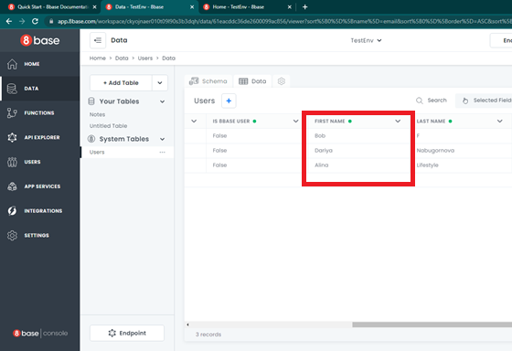
 |  |  |  |  |  | 2) Click on 'TestEnv' backend workspace | Home page with backend workspace is opened successfully | Ok, as expected
 |  |  |  |  |  | 3) Click on 'Data' | Page with tables is opened successfully | Ok, as expected
 |  |  |  |  |  | 4) Find the 'Users' table in the 'System Tables' and click on it | Table 'Users' with 'Shema' is displayed successfully | Ok, as expected
 |  |  |  |  |  | 5) Click on the 'Data' tab | Table 'Users' with 'Data' is displayed successfully | Ok, as expected
 |  |  |  |  |  | 6) Сlick on the arrow down in 'First Name' and select 'Sort A-Z' in the drop-down | Sorting A-Z worked successfully | No, sorting didn't work and nothing changed
BUG_04 | New | Sort Z-A in the system table 'Users' in the field 'First Name' doesn't work | Medium | Medium | Sort Z-A in the system table 'Users' in the field 'First Name' doesn't work | 1) Type URL https://app.8base.com/developer-home/workspaces | Page is opened successfully | Ok, as expected
 |  |  |  |  |  | 2) Click on 'TestEnv' backend workspace | Home page with backend workspace is opened successfully | Ok, as expected
 |  |  |  |  |  | 3) Click on 'Data' | Page with tables is opened successfully | Ok, as expected
 |  |  |  |  |  | 4) Find the 'Users' table in the 'System Tables' and click on it | Table 'Users' with 'Shema' is displayed successfully | Ok, as expected
 |  |  |  |  |  | 5) Click on the 'Data' tab | Table 'Users' with 'Data' is displayed successfully | Ok, as expected
 |  |  |  |  |  | 6) Сlick on the arrow down in 'First Name' and select 'Sort Z-A' in the drop-down | Sorting Z-A worked successfully | No, sorting didn't work and nothing changed
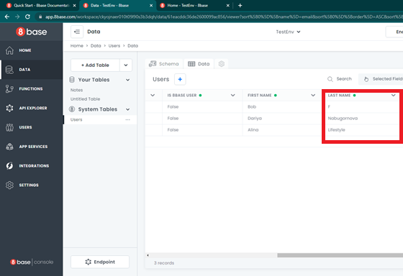
BUG_05 | New | Sort A-Z in the system table 'Users' in the field 'Last Name' doesn't work | Medium | Medium | Sort A-Z in the system table 'Users' in the field 'Last Name' doesn't work | 1) Type URL https://app.8base.com/developer-home/workspaces | Page is opened successfully | Ok, as expected
 |  |  |  |  |  | 2) Click on 'TestEnv' backend workspace | Home page with backend workspace is opened successfully | Ok, as expected
 |  |  |  |  |  | 3) Click on 'Data' | Page with tables is opened successfully | Ok, as expected
 |  |  |  |  |  | 4) Find the 'Users' table in the 'System Tables' and click on it | Table 'Users' with 'Shema' is displayed successfully | Ok, as expected
 |  |  |  |  |  | 5) Click on the 'Data' tab | Table 'Users' with 'Data' is displayed successfully | Ok, as expected
 |  |  |  |  |  | 6) Сlick on the arrow down in 'Last Name' and select 'Sort A-Z' in the drop-down | Sorting A-Z worked successfully | No, sorting didn't work and nothing changed
BUG_06 | New | Sort Z-A in the system table 'Users' in the field 'Last Name' doesn't work | Medium | Medium | Sort Z-A in the system table 'Users' in the field 'Last Name' doesn't work | 1) Type URL https://app.8base.com/developer-home/workspaces | Page is opened successfully | Ok, as expected
 |  |  |  |  |  | 2) Click on 'TestEnv' backend workspace | Home page with backend workspace is opened successfully | Ok, as expected
 |  |  |  |  |  | 3) Click on 'Data' | Page with tables is opened successfully | Ok, as expected
 |  |  |  |  |  | 4) Find the 'Users' table in the 'System Tables' and click on it | Table 'Users' with 'Shema' is displayed successfully | Ok, as expected
 |  |  |  |  |  | 5) Click on the 'Data' tab | Table 'Users' with 'Data' is displayed successfully | Ok, as expected
 |  |  |  |  |  | 6) Сlick on the arrow down in 'Last Name' and select 'Sort Z-A' in the drop-down | Sorting Z-A worked successfully | No, sorting didn't work and nothing changed
BUG_07 | New | Sort A-Z in the system table 'Users' in the field 'ID' doesn't work | Medium | Medium | Sort A-Z in the system table 'Users' in the field 'ID' doesn't work | 1) Type URL https://app.8base.com/developer-home/workspaces | Page is opened successfully | Ok, as expected | 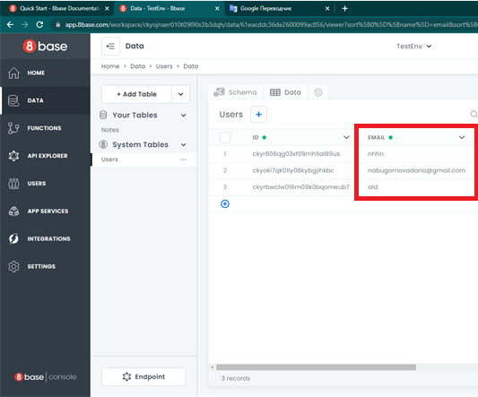
 |  |  |  |  |  | 2) Click on 'TestEnv' backend workspace | Home page with backend workspace is opened successfully | Ok, as expected
 |  |  |  |  |  | 3) Click on 'Data' | Page with tables is opened successfully | Ok, as expected
 |  |  |  |  |  | 4) Find the 'Users' table in the 'System Tables' and click on it | Table 'Users' with 'Shema' is displayed successfully | Ok, as expected
 |  |  |  |  |  | 5) Click on the 'Data' tab | Table 'Users' with 'Data' is displayed successfully | Ok, as expected
 |  |  |  |  |  | 6) Сlick on the arrow down in 'ID' and select 'Sort A-Z' in the drop-down | Sorting A-Z worked successfully | No, sorting didn't work and nothing changed
BUG_08 | New | Sort Z-A in the system table 'Users' in the field 'ID' doesn't work | Medium | Medium | Sort Z-A in the system table 'Users' in the field 'ID' doesn't work | 1) Type URL https://app.8base.com/developer-home/workspaces | Page is opened successfully | Ok, as expected
 |  |  |  |  |  | 2) Click on 'TestEnv' workspace | Home page with backend workspace opened is successfully | Ok, as expected
 |  |  |  |  |  | 3) Click on 'Data' | Page with tables is opened successfully | Ok, as expected
 |  |  |  |  |  | 4) Find the 'Users' table in the 'System Tables' and click on it | Table 'Users' with 'Shema' is displayed successfully | Ok, as expected
 |  |  |  |  |  | 5) Click on the 'Data' tab | Table 'Users' with 'Data' is displayed successfully | Ok, as expected
 |  |  |  |  |  | 6) Сlick on the arrow down in 'ID' and select 'Sort Z-A' in the drop-down | Sorting Z-A worked successfully | No, sorting didn't work and nothing changed
BUG_09 | New | Sort from ASC' button not working | Medium | Medium | No sorting by tables is performed when clicking the 'ASC' button | 1) Type URL https://app.8base.com/developer-home/workspaces | Page is opened successfully | Ok, as expected | 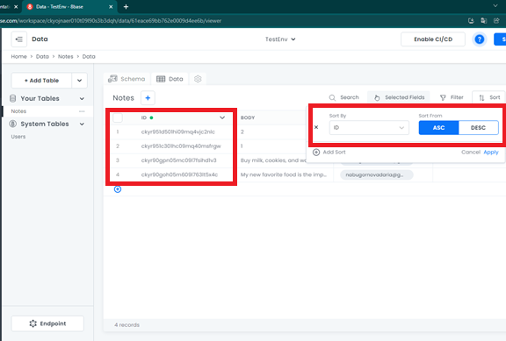
 |  |  |  |  |  | 2) Click on 'TestEnv' backend workspace | Home page with backend workspace is opened successfully | Ok, as expected
 |  |  |  |  |  | 3) Click on 'Data' | Page with tables is opened successfully | Ok, as expected
 |  |  |  |  |  | 4) Find the 'Notes' table in the 'Your Tables' and click on it | Table 'Notes' with 'Shema' is displayed successfully | Ok, as expected
 |  |  |  |  |  | 5) Click on the 'Data' tab | Table 'Notes' with 'Data' is displayed successfully | Ok, as expected
 |  |  |  |  |  | 6) Сlick on 'Sort' button and click on 'Add Sort' | Field with sort selection successfully rendered | Ok, as expected
 |  |  |  |  |  | 7) Select 'ID' in 'Sort by' and click on 'ASC' button | Sorting ASC worked successfully | No, sorting didn't work and nothing changed
BUG_10 | New | Sort from DESC' button not working | Medium | Medium | No sorting by tables is performed when clicking the 'DESC' button | 1) Type URL https://app.8base.com/developer-home/workspaces | Page is opened successfully | Ok, as expected | 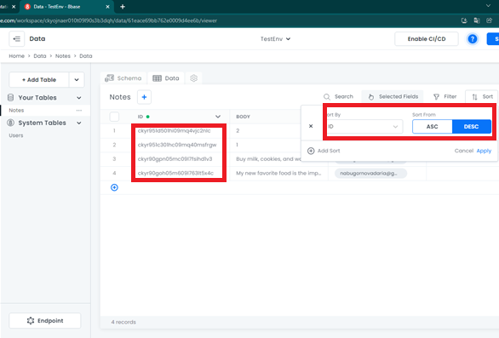
 |  |  |  |  |  | 2) Click on 'TestEnv' backend workspace | Home page with backend workspace is opened successfully | Ok, as expected
 |  |  |  |  |  | 3) Click on 'Data' | Page with tables is opened successfully | Ok, as expected
 |  |  |  |  |  | 4) Find the 'Notes' table in the 'Your Tables' and click on it | Table 'Notes' with 'Shema' is displayed successfully | Ok, as expected
 |  |  |  |  |  | 5) Click on the 'Data' tab | Table 'Notes' with 'Data' is displayed successfully | Ok, as expected
 |  |  |  |  |  | 6) Сlick on 'Sort' button and click on 'Add Sort' | Field with sort selection successfully rendered | Ok, as expected
 |  |  |  |  |  | 7) Select 'ID' in 'Sort by' and click on 'DESC' button | Sorting DESC worked successfully | No, sorting didn't work and nothing changed
BUG_11 | New | The inscription with the name of the workspace merges with the 'Enabled CI/CD' button when the browser window is reduced | Medium | Medium | When the resolution of the browser window 'Google Сhrome' is reduced, the inscription with the name of the workspace merges with the 'Enabled CI/CD' button | 1) Type URL https://app.8base.com/developer-home/workspaces | Page is opened successfully | Ok, as expected | 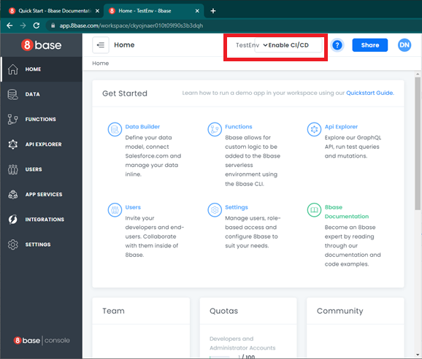
 |  |  |  |  |  | 2) Click on 'TestEnv' backend workspace | Home page with backend workspace is opened successfully | Ok, as expected
 |  |  |  |  |  | 3) Reduce the browser screen to 1005x779 | All page elements are in site | No, the inscription with the name of the workspace merges with the 'Enabled CI/CD' button
BUG_12 | New | Searching for "ID" doesn't work. | Medium | Medium | When entering an existing ID in the search field, it isn't found | 1) Type URL https://app.8base.com/developer-home/workspaces | Page is opened successfully | Ok, as expected | 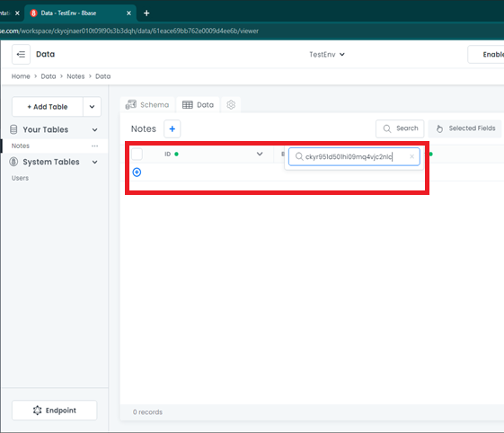
 |  |  |  |  |  | 2) Click on 'TestEnv' backend workspace | Home page with backend workspace is opened successfully | Ok, as expected
 |  |  |  |  |  | 3) Click on 'Data' | Page with tables is opened successfully | Ok, as expected
 |  |  |  |  |  | 4) Find the 'Notes' table in the 'Your Tables' and click on it | Table 'Notes' with 'Shema' is displayed successfully | Ok, as expected
 |  |  |  |  |  | 5) Click on the 'Data' tab | Table 'Notes' with 'Data' is displayed successfully | Ok, as expected
 |  |  |  |  |  | 6) Сlick on 'Search' button | The search field is displayed successfully | Ok, as expected
 |  |  |  |  |  | 7) Enter 'ckyr951d501hi09mq4vjc2nlc' and press the 'Enter' button | ID 'ckyr951d501hi09mq4vjc2nlc' successfully found | No, this ID wasn't found

