Лист1
Bug Id | Status | Bug Title | Priority | Severity | Description | Steps To Rreproduce | Expected Results | Actual Results | Evidences
BUG_1 | New | 2.1 Building a Data Model: Incorrect screenshot "Add user to Notes" | Low | Low | Instead of 'Allow multiple Notes per User=True; Allow multiple Users per Note=False', picture shows 'Allow multiple Notes per User=False; Allow multiple Users per Note=True' | 1) Type URL https://docs.8base.com/docs/getting-started/quick-start/ | Page is successfully opened | Ok, as expected | 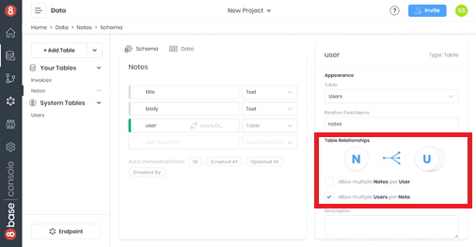
 |  |  |  |  |  | 2) Click on '2.1. Building a Data Model' submenu link | 2.1. Building a Data Model' is successfully displayed | Ok, as expected
 |  |  |  |  |  | 3) Find an image in a paragraph showing an example 'Allow multiple Notes per User=True; Allow multiple Users per Note=False' | The picture shows 'Allow multiple Notes per User=True; Allow multiple Users per Note=False' | NO, the picture shows 'Allow multiple Notes per User=False; Allow multiple Users per Note=True'

