candidates
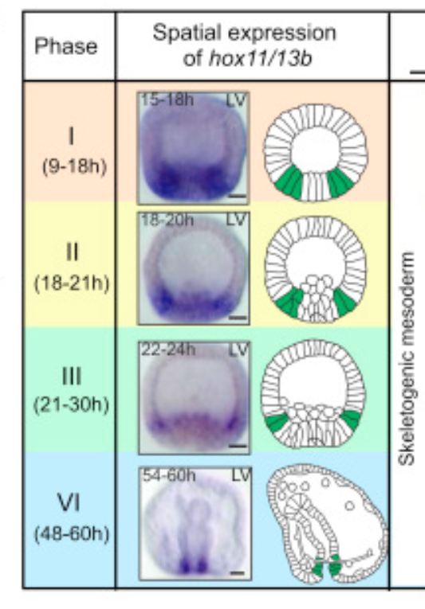
Protein | description | coexpressed with | name in the dataset | else
NP_999725.1 | homeobox protein HB1 (hox1) (syn:hox11/13b) | Wnt5, IrxA, suPaxB | hox1 | removed based on expression (hindgut domain?)
NP_999778.1, XP_030841140.1 | Msx | Wnt5, IrxA, suPaxB | Msx
XP_011666328.1, XP_782932.2, XP_030840660.1, XP_030840661.1, XP_030840662.1, | homeobox protein unc-4 homolog isoform X1 | Wnt5, IrxA, suPax | LOC577625, LOC115923659
XP_030841791.1 | homeobox protein Hmx | IrxA, suPax | LOC115924126 | maternal!
NP_001123283.1 | Nk2.2 | Wnt5, Irx | Nk2.2 | can overlap w foxa
NP_999816.1 | even-skipped-like protein | Wnt5, Nk1 | eve | can overlap w foxa
Nk1 |  |  | Nk1 | Zygotic
suPaxB |  |  | suPaxB | maternal
IrxA |  |  | IrxA | Zygotic

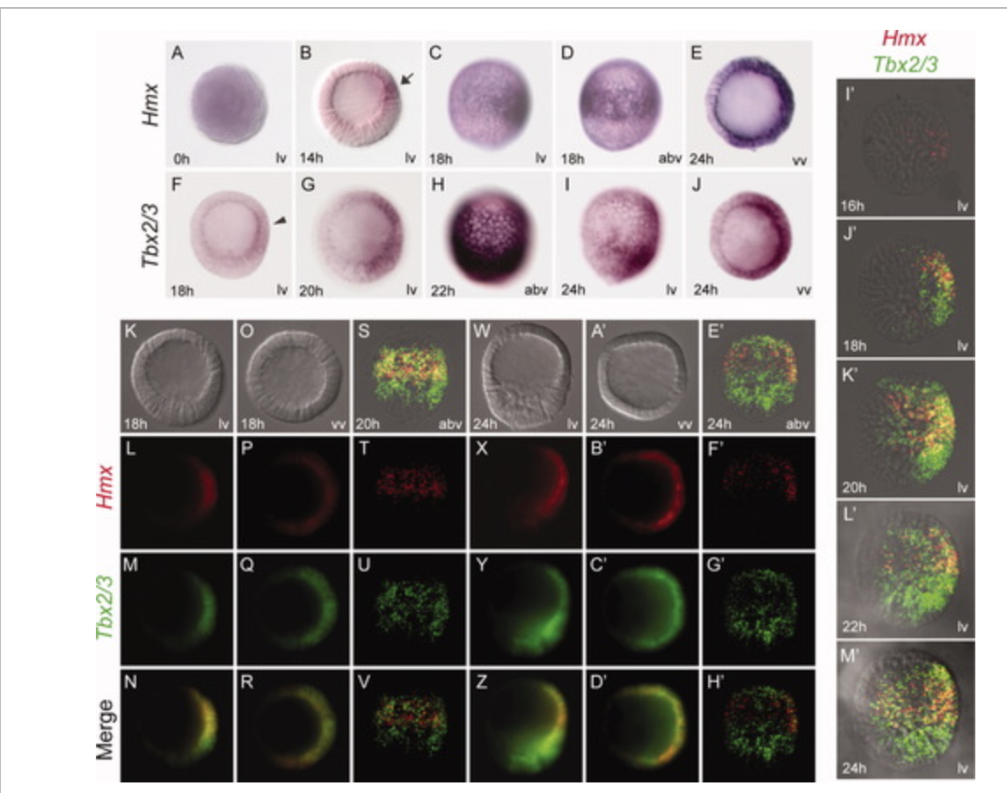
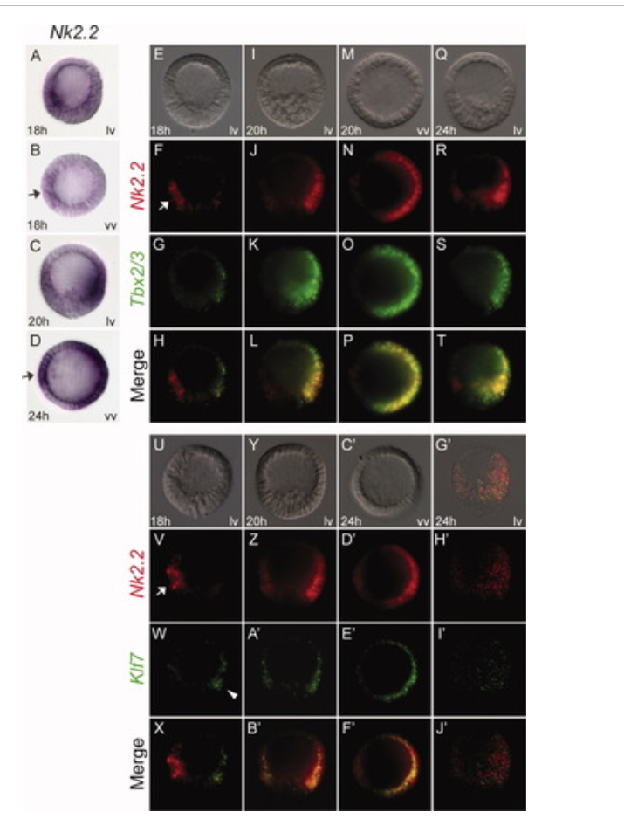

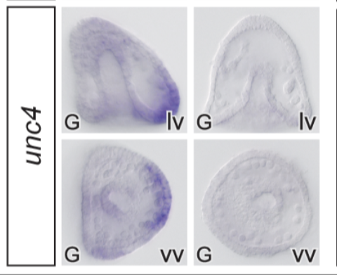
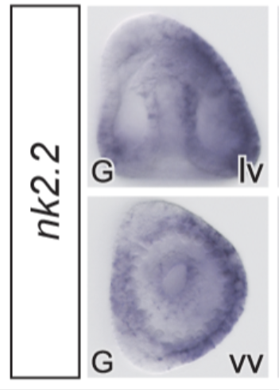

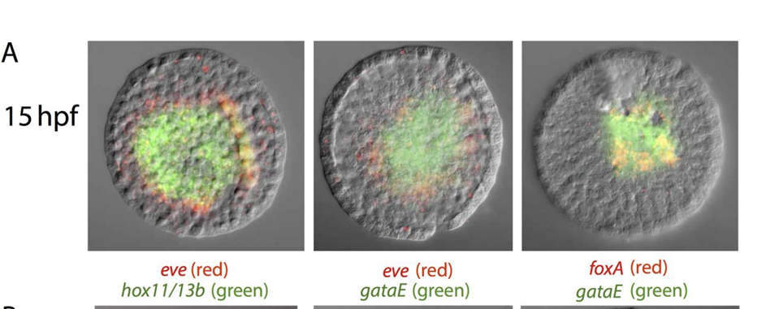

 |  |  |  | Eucidaris tribuloides
 |  |  |  | https://pmc-ncbi-nlm-nih-gov.uaccess.univie.ac.at/articles/PMC6307887

