Stats
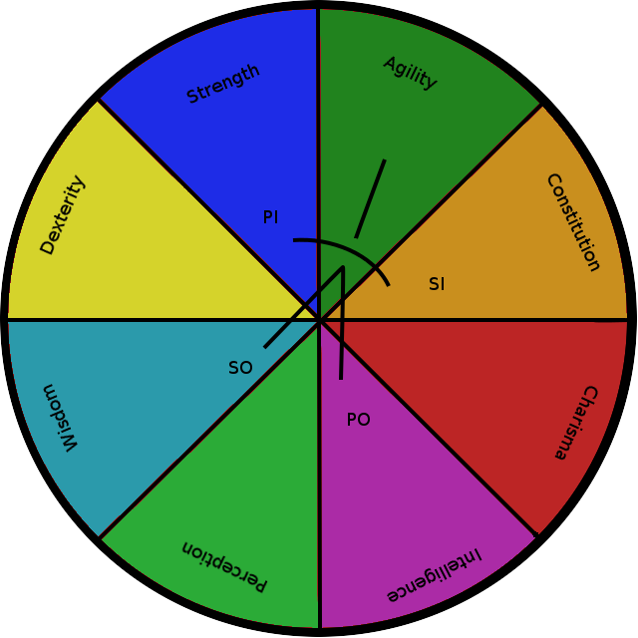
Name | Skill Lvl | MaxSkill | bAmp | bFreq | bPhase | pInfluence | sInfluence | pOpposite | sOpposite | bControl | bFocus | EnvInfluenc | EnvOpposite | Seconds | Amp | Freq | Phase | curControl | curFocus | curXP | XPToLvl | PerToLvl
Strength | 1 | 250 | 5 | 1245 | 0 | Dexterity | Agility | Charisma | Perception | 1 | 1 | TimeOfDay | TimeOfMonth | 1 | 4.95 | 1232.53 | 0 | 1 | 1 | 1 | 5000 | 0.02
Constitution | 1 | 250 | 5 | 1245 | 12.5 | Agility | Charisma | Perception | Dexterity | 1 | 1 | TimeOfDay | TimeOfMonth | 1 | 4.95 | 1232.53 | 12.5 | 1 | 1 | 1 | 5000 | 0.02
Dexterity | 1 | 250 | 5 | 1245 | 25 | Wisdom | Strength | Constitution | Intelligence | 1 | 1 | TimeOfDay | TimeOfMonth | 1 | 4.95 | 1232.53 | 25 | 1 | 1 | 1 | 5000 | 0.02
Agility | 1 | 250 | 5 | 1245 | 37.5 | Strength | Constitution | Intelligence | Wisdom | 1 | 1 | TimeOfDay | TimeOfMonth | 1 | 4.95 | 1232.53 | 37.5 | 1 | 1 | 1 | 5000 | 0.02
Intelligence | 1 | 250 | 5 | 1245 | 50 | Charisma | Perception | Dexterity | Agility | 1 | 1 | TimeOfDay | TimeOfMonth | 1 | 4.95 | 1232.53 | 50 | 1 | 1 | 1 | 5000 | 0.02
Wisdom | 1 | 250 | 5 | 1245 | 62.5 | Perception | Dexterity | Agility | Charisma | 1 | 1 | TimeOfDay | TimeOfMonth | 1 | 4.95 | 1232.53 | 62.5 | 1 | 1 | 1 | 5000 | 0.02
Charisma | 1 | 250 | 5 | 1245 | 75 | Constitution | Intelligence | Wisdom | Strength | 1 | 1 | TimeOfDay | TimeOfMonth | 1 | 4.95 | 1232.53 | 75 | 1 | 1 | 1 | 5000 | 0.02
Perception | 1 | 250 | 5 | 1245 | 87.5 | Intelligence | Wisdom | Strength | Constitution | 1 | 1 | TimeOfDay | TimeOfMonth | 1 | 4.95 | 1232.53 | 87.5 | 1 | 1 | 1 | 5000 | 0.02

