Survey
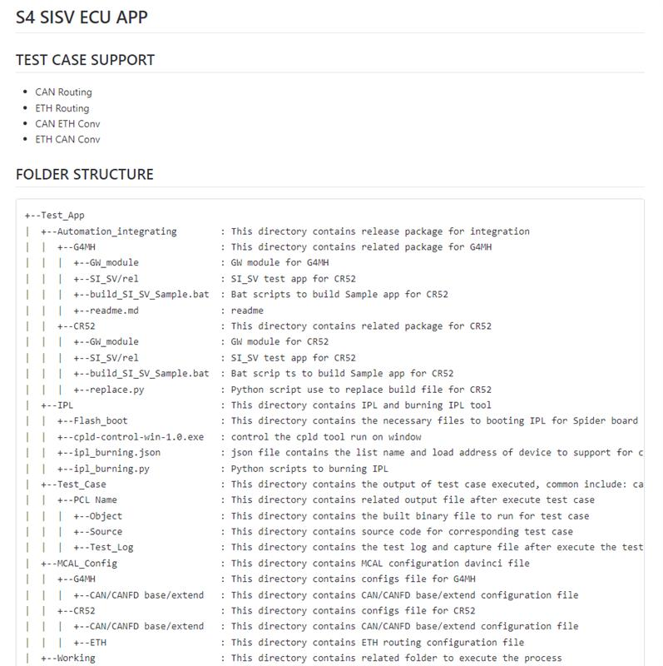
1
 | Name | input skills | Customer | interview questions | your suggests for intership training program
 | Huỳnh Thái Hưng | - C/C++, C# - V-Model, Agile - GIT, SVN, Jira | RVC, VINFAST | - Do you know V-model, Agile/Srum? - Do you know Autosar? - C basic/advanced ? - OOP ? - Protocal basic (UART, SPI, ..)? - CI/CD ? - Tool: Davinci, Cantata? - Canalyzer/Canoe ? - Testing ? | - V-model, Agile/Srum. - Autosar. Note: For the future - Should have on-job traning. - Shoud have common repository knowledge sharing/ meeting sharing for detail job Ex: Should have repository about Run Unit test with cantata (for member will join job related unit test)
 | Duy Trần | - Programming language: C, C++, Python,... - Automotive Domain knowledge: + Automotive protocol: CAN + Standard: ISO14229 + Body Control Module Development + AUTOSAR Application SW Development + In-vehicle Infotainment Development + Agile, V-Model | RVC | - Có kinh nghiệm gì về AUTOSAR? Đã làm qua các layer nào của AUTOSAR? - Có làm việc với CAN & Ethernet chưa? - Knowledge về ISO26262? - Familiar with C# programming language? - Có biết V-Model? Agile, Scrum? | Automotive Domain Overview session for internship

