Overview
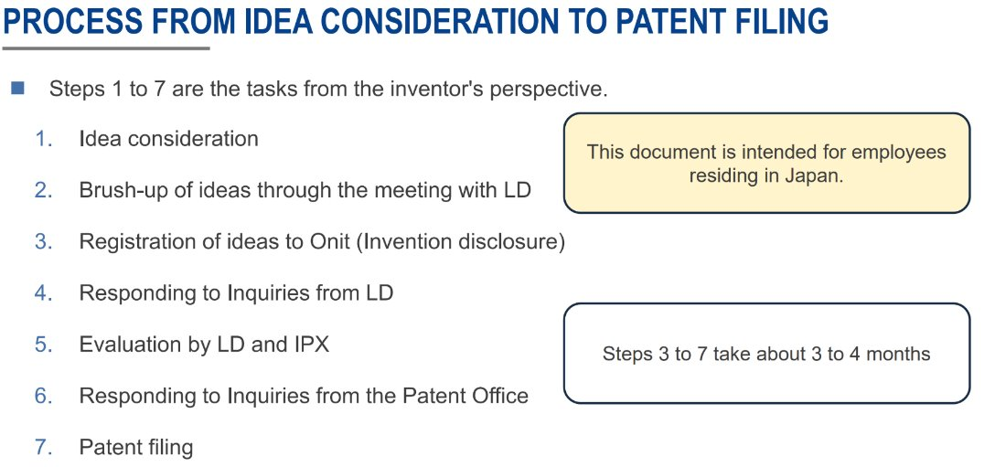

No.5
 |  | Example: https://172.29.44.209/automotive/autosar/svnASG_D008633/dev/hardware/trunk/R-Car/U5L/Documentation/User_Manual/1.02/SVD_File/
Input
ARXML Confiruation
EcuC container, parameters,..
HW specification, register list (.svd file)
MCAL Driver source code

ARXML Configuration Analyzer
ARXML Parser
Configuration Extractor
Parameter Range Analyzer
Dependency Graph Builder
Processing
ARXML param and register map
Test script generator

patent

 | There are several ARXML configuration tool
https://svn.autosar.org/repos/work/02_ProjectOrganization/07_CollaborationTools/08_ARXML_Editors/

MCAL test case for all config
Output

Idea for implementation:

