Main_OTP_Read
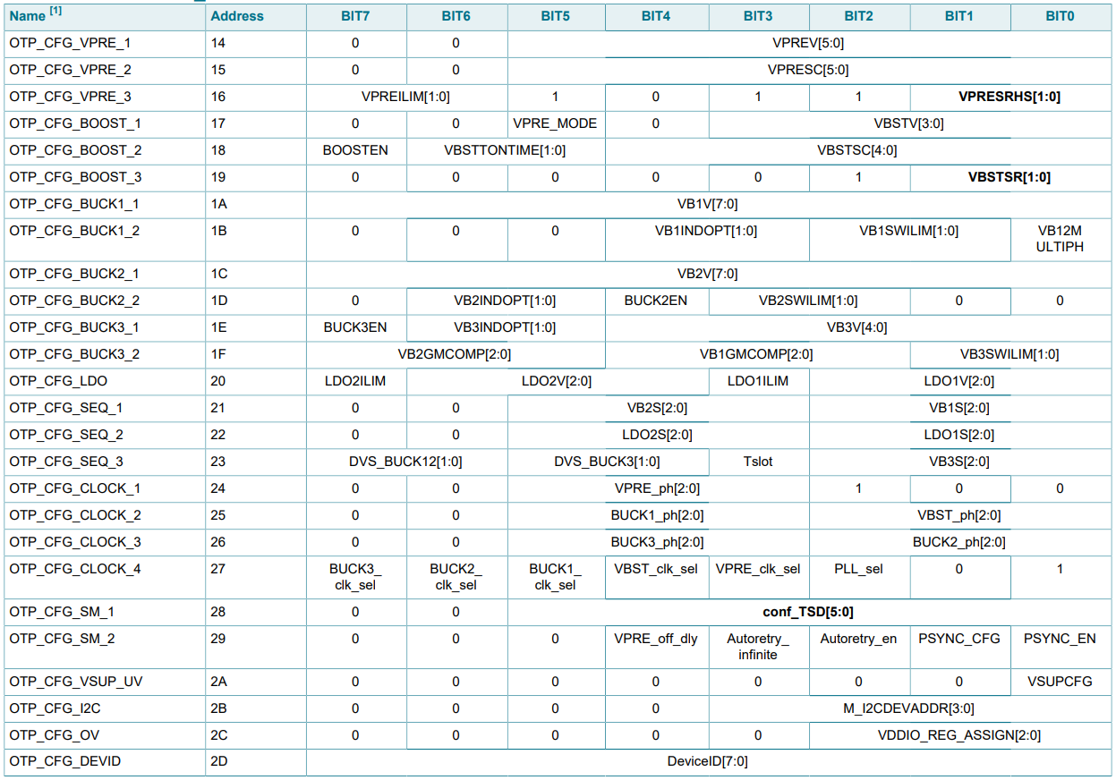
SEND | RECE | REG | B7 | B6 | B5 | B4 | B3 | B2 | B1 | B0
400c0014 | 0x0f | VPRE_1 | 0 | 0 | 0 | 0 | 1 | 1 | 1 | 1
400c0015 | 0x06 | VPRE_2 | 0 | 0 | 0 | 0 | 0 | 1 | 1 | 0
400c0016 | 0xaf | VPRE_3 | 1 | 0 | 1 | 0 | 1 | 1 | 1 | 1
400c0017 | 0x06 | B00ST_1 | 0 | 0 | 0 | 0 | 0 | 1 | 1 | 0
400c0018 | 0x86 | BOOST_2 | 1 | 0 | 0 | 0 | 0 | 1 | 1 | 0
400c0019 | 0x07 | B00ST_3 | 0 | 0 | 0 | 0 | 0 | 1 | 1 | 1
400c001a | 0x98 | BUCK1_1 | 1 | 0 | 0 | 1 | 1 | 0 | 0 | 0
400c001b | 0x12 | BUCK1_2 | 0 | 0 | 0 | 1 | 0 | 0 | 1 | 0
400c001c | 0xb1 | BUCK2_1 | 1 | 0 | 1 | 1 | 0 | 0 | 0 | 1
400c001d | 0x5c | BUCK2_2 | 0 | 1 | 0 | 1 | 1 | 1 | 0 | 0
400c001e | 0xc2 | BUCK3_1 | 1 | 1 | 0 | 0 | 0 | 0 | 1 | 0
400c001f | 0x91 | BUCK3_2 | 1 | 0 | 0 | 1 | 0 | 0 | 0 | 1
400c0020 | 0x64 | LDO | 0 | 1 | 1 | 0 | 0 | 1 | 0 | 0
400c0021 | 0x01 | SEQ_1 | 0 | 0 | 0 | 0 | 0 | 0 | 0 | 1
400c0022 | 0x15 | SEQ_2 | 0 | 0 | 0 | 1 | 0 | 1 | 0 | 1
400c0023 | 0x06 | SEQ_3 | 0 | 0 | 0 | 0 | 0 | 1 | 1 | 0
400c0024 | 0x04 | CLOCK_1 | 0 | 0 | 0 | 0 | 0 | 1 | 0 | 0
400c0025 | 0x19 | CLOCK_2 | 0 | 0 | 0 | 1 | 1 | 0 | 0 | 1
400c0026 | 0x3a | CLOCK_3 | 0 | 0 | 1 | 1 | 1 | 0 | 1 | 0
400c0027 | 0x0e | CLOCK_4 | 0 | 0 | 0 | 0 | 1 | 1 | 1 | 0
400c0028 | 0x3f | SM_1 | 0 | 0 | 1 | 1 | 1 | 1 | 1 | 1
400c0029 | 0x0c | SM_2 | 0 | 0 | 0 | 0 | 1 | 1 | 0 | 0
400c002a | 0x00 | VSUP_UV | 0 | 0 | 0 | 0 | 0 | 0 | 0 | 0
400c002b | 0x02 | I2C | 0 | 0 | 0 | 0 | 0 | 0 | 1 | 0
400c002c | 0x03 | OV | 0 | 0 | 0 | 0 | 0 | 0 | 1 | 1
400c002d | 0x01 | DEVID | 0 | 0 | 0 | 0 | 0 | 0 | 0 | 1

Read DATA:
410d0000

