FaultErrorCounter
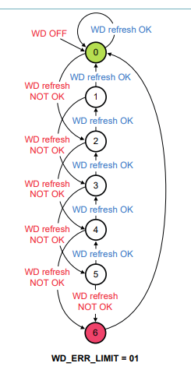
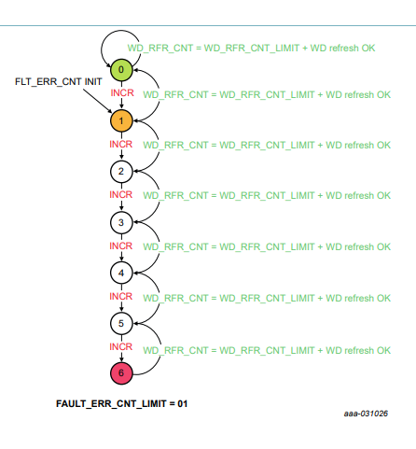
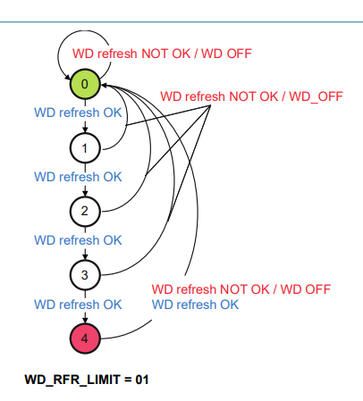
Fault Error Counter:
counting the number of faults, when FEC reaches maximum value, device transitions in DEEP-FS mode.

Watchdog Error Counter:
filter the incorrect watchdog refresh

Watchdog Refresh Counter:
decrement the fault error counter

