clock management
IP Interface description |  |  |  |  |  |  |  |  | Integration information |  |  |  |  |  |  |  |  |  |  |  |  | Hard Macro information |  |  | Additonal Information |  | Driver information
IP Pin Name | Direction | Type | Voltage Domain | Clock domain | IO | Size | Reset Value | Description | Integration comment | Core Interface | Register Interface | Register name | Bit position | Trim during production | DFT value | Level Shifter | Isolation cell | Connected to | Load | Drive | Destination supply | location | layer | Antenna | FreeText 1 | FreeText 2 | Function1 | Function2
clk20M | input |  | VVDDIOI2C |  |  | 1 | 0
fin | input |  |  |  |  |  |  | exteranl frequency(多少MHz) |  | fin_d
otp_pll_sel | input
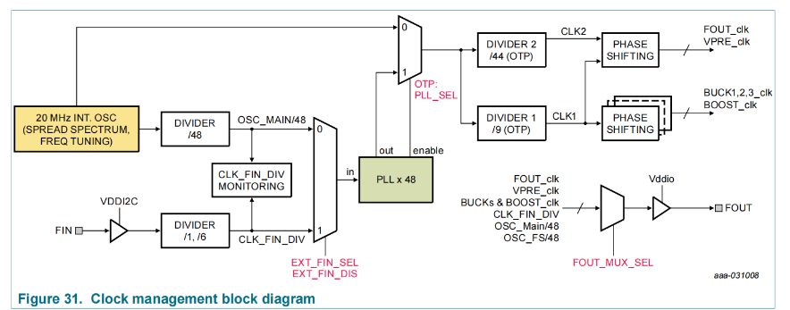
ext_fin_sel |  |  |  |  |  |  |  | 为什么要设计成write only
ext_fin_dis |  |  |  |  |  |  |  |  |  | 1

AMUX
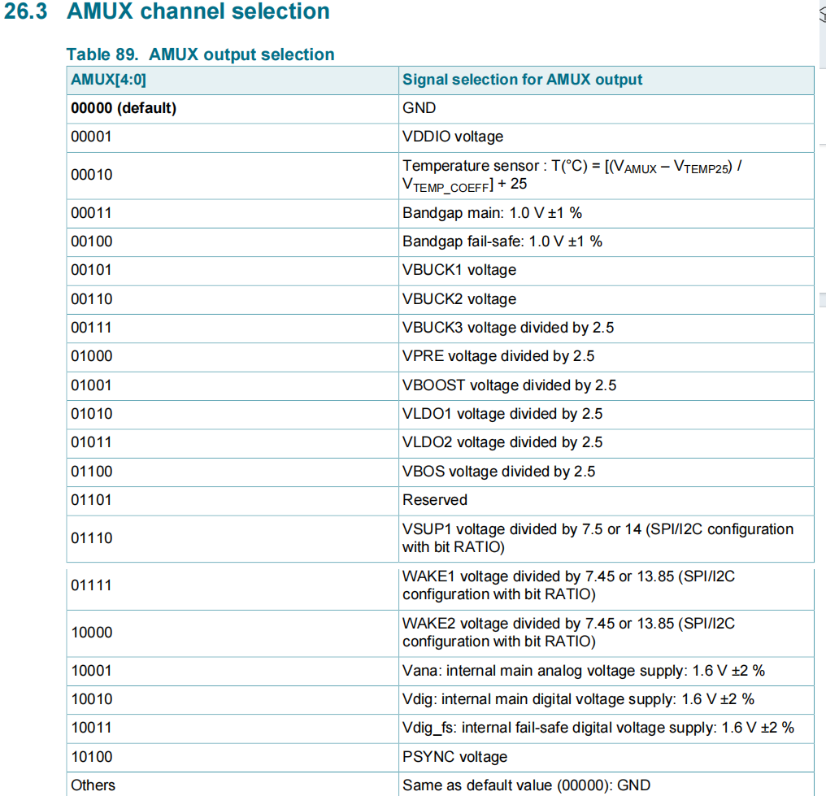
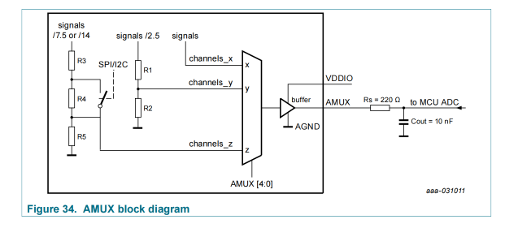
IP Interface description |  |  |  |  |  |  |  |  | Integration information |  |  |  |  |  |  |  |  |  |  |  |  | Hard Macro information |  |  | Additonal Information |  | Driver information
IP Pin Name | Direction | Type | Voltage Domain | Clock domain | IO | Size | Reset Value | Description | Integration comment | Core Interface | Register Interface | Register name | Bit position | Trim during production | DFT value | Level Shifter | Isolation cell | Connected to | Load | Drive | Destination supply | location | layer | Antenna | FreeText 1 | FreeText 2 | Function1 | Function2

AMUX | output | Digital | VDDIO | MAIN |  | 5 | 0 | AMUX pin delivers 32 analog voltage channels selection |  |  | AMUX | M_AMUX | [4:0]
 |  | Digital | VDDIO | MAIN |  | 1 | 0 | selection of voltage divider ratio for Vsup Wakw1/2 inputs

IO interface pins
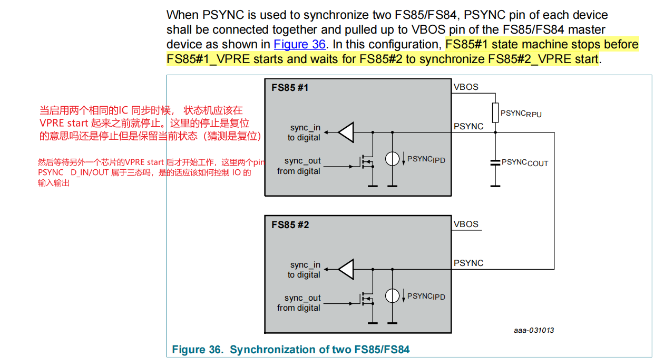
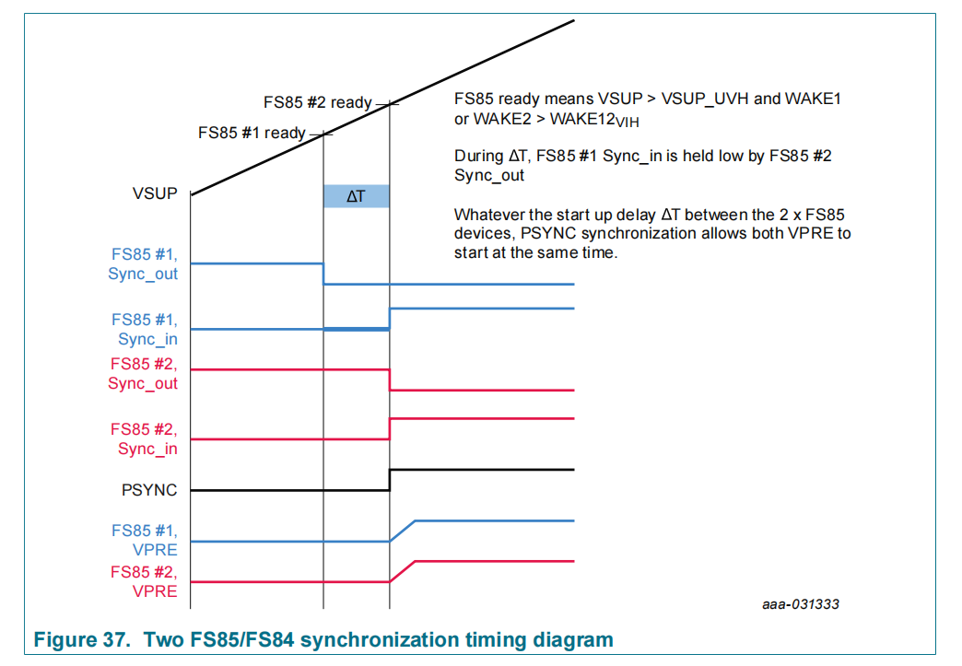
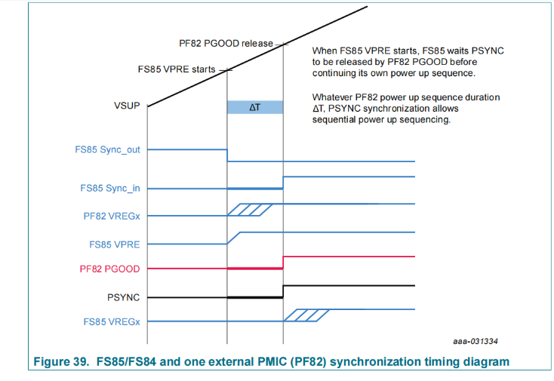
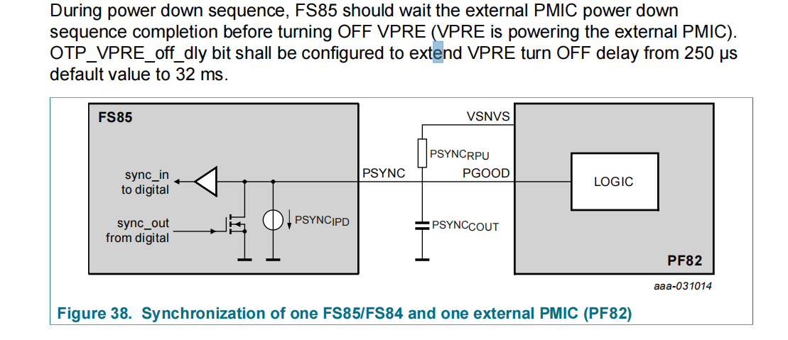
IP Interface description |  |  |  |  |  |  |  |  | Integration information |  |  |  |  |  |  |  |  |  |  |  |  | Hard Macro information |  |  | Additonal Information |  | Driver information
IP Pin Name | Direction | Type | Voltage Domain | Clock domain | IO | Size | Reset Value | Description | Integration comment | Core Interface | Register Interface | Register name | Bit position | Trim during production | DFT value | Level Shifter | Isolation cell | Connected to | Load | Drive | Destination supply | location | layer | Antenna | FreeText 1 | FreeText 2 | Function1 | Function2
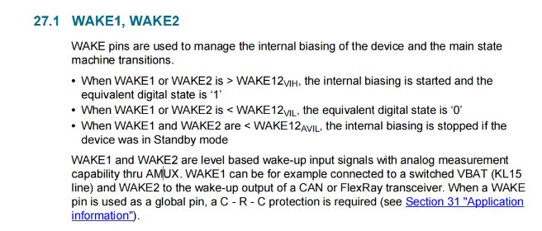

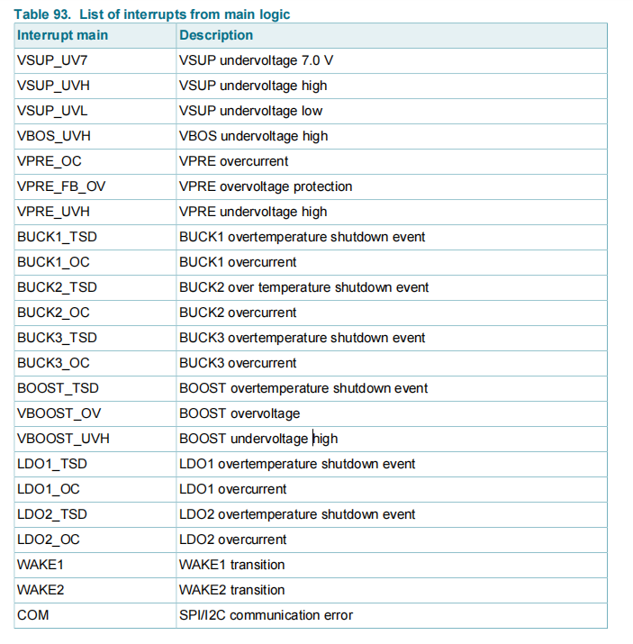

 |  |  |  |  |  |  |  |  |  |  | VSUPUV7_M | M_INT_MASK2 | 14 | 0
 |  |  |  |  |  |  |  |  |  |  | VSUPUVH_M | M_INT_MASK2 | 10 | 0
 |  |  |  |  |  |  |  |  |  |  | VSUPUVL_M | M_INT_MASK2 | 11 | 0
 |  |  |  |  |  |  |  |  |  |  | VBOSUVH_M | M_INT_MASK2 | 18 | 0
 |  |  |  |  |  |  |  |  |  |  | VPREOC_M | M_INT_MASK1 | 22 | 0
 |  |  |  |  |  |  |  |  |  |  | VPRE_FB_OV_M | M_INT_MASK2 | 16 | 0
 |  |  |  |  |  |  |  |  |  |  | VPREUVH_M | M_INT_MASK2 | 12 | 0
 |  |  |  |  |  |  |  |  |  |  | BUCK1TSD_M | M_INT_MASK1 | 12 | 0
 |  |  |  |  |  |  |  |  |  |  | BUCK1OC_M | M_INT_MASK1 | 20
 |  |  |  |  |  |  |  |  |  |  | BUCK2TSD_M | M_INT_MASK1 | 11
 |  |  |  |  |  |  |  |  |  |  | BUCK2OC_M | M_INT_MASK1 | 19
 |  |  |  |  |  |  |  |  |  |  | BUCK3TSD_M | M_INT_MASK1 | 10
 |  |  |  |  |  |  |  |  |  |  | BUCK3OC_M | M_INT_MASK1 | 18
 |  |  |  |  |  |  |  |  |  |  | BOOSTTSD_M | M_INT_MASK1 | 13
 |  |  |  |  |  |  |  |  |  |  | VBOOSTOV_M | M_INT_MASK2 | 19
 |  |  |  |  |  |  |  |  |  |  | VBOOSTUVH_M | M_INT_MASK2 | 15
 |  |  |  |  |  |  |  |  |  |  | LDO1TSD_M | M_INT_MASK1 | 9
 |  |  |  |  |  |  |  |  |  |  | LDO1OC_M | M_INT_MASK1 | 17
 |  |  |  |  |  |  |  |  |  |  | LDO2TSD_M | M_INT_MASK1 | 8
 |  |  |  |  |  |  |  |  |  |  | LDO2OC_M | M_INT_MASK1 | 16
 |  |  |  |  |  |  |  |  |  |  | WAKE1_M | M_INT_MASK2 | 9
 |  |  |  |  |  |  |  |  |  |  | WAKE2_M | M_INT_MASK2 | 8
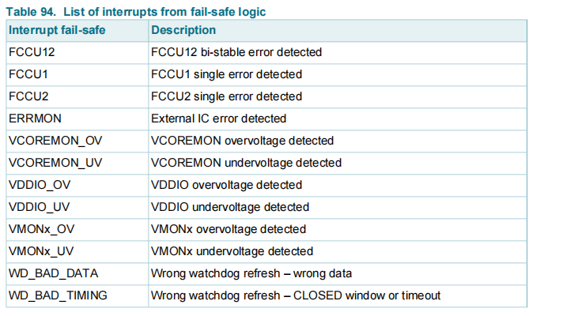
 |  |  |  |  |  |  |  |  |  |  | COM_M | M_INT_MASK2 | 17

 |  |  |  |  |  |  |  |  |  |  | INT_INH_FCCU2/1 | FS_INTB_MASK | 9,8
 |  |  |  |  |  |  |  |  |  |  | INT_INH_FCCU1 | FS_INTB_MASK | 8
 |  |  |  |  |  |  |  |  |  |  | INT_INH_FCCU2 | FS_INTB_MASK | 9
 |  |  |  |  |  |  |  |  |  |  | INT_INH_ERRMON | FS_INTB_MASK
 |  |  |  |  |  |  |  |  |  |  | INT_INH_VCOREMON_OV_UV | FS_INTB_MASK | 12
 |  |  |  |  |  |  |  |  |  |  | INT_INH_VCOREMON_OV_UV | FS_INTB_MASK | 12
 |  |  |  |  |  |  |  |  |  |  | INT_INH_VDDIO_OV_UV | FS_INTB_MASK | 13
 |  |  |  |  |  |  |  |  |  |  | INT_INH_VDDIO_OV_UV | FS_INTB_MASK | 13
 |  |  |  |  |  |  |  |  |  |  | INT_INH_VMONx_OV_UV | FS_INTB_MASK | [17:14]
 |  |  |  |  |  |  |  |  |  |  | INT_INH_VMONx_OV_UV | FS_INTB_MASK | [17:14]
 |  |  |  |  |  |  |  |  |  |  | INT_INH_BAD_WD_REFRESH | FS_INTB_MASK | 11
 |  |  |  |  |  |  |  |  |  |  | INT_INH_BAD_WD_REFRESH | FS_INTB_MASK | 11

 |  |  |  |  |  |  |  | power synchronization with two device enable |  |  | PSYNC_CFG | OTP_CFG_SM_2 | 1
 |  |  |  |  |  |  |  | power up synchronization |  |  | PYSYNC_EN | OTP_CFG_SM_2 | 0
 |  |  |  |  |  |  |  | Delay to trun OFF VPRE at device power down |  |  | VPRE_off_dly | OTP_CFG_SM_2 | 4

INTF
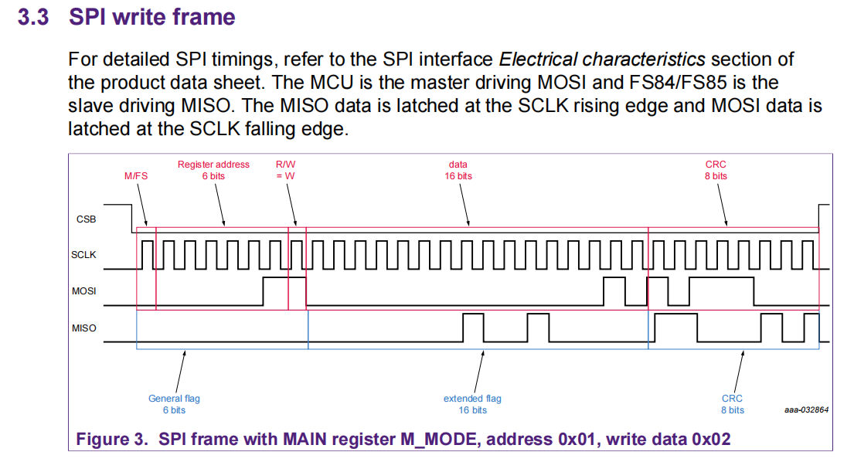
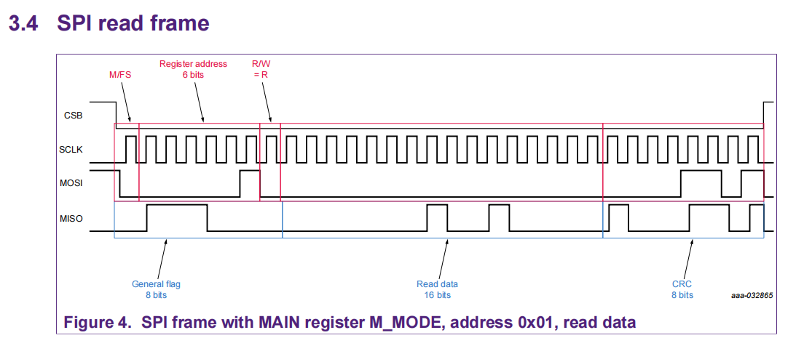
1 | miso 和mosi 是全双工吗，在写模式，miso 也是需要 返回状态的
 | 在读模式，mosi crc 也是由mcu 提供
2 | dig_top 共有几套intf，main 和fs 是否有一个是always on 的电源域，这样在fs 的spi/i2c接口是不是有很多信号需要level shift 到 fs

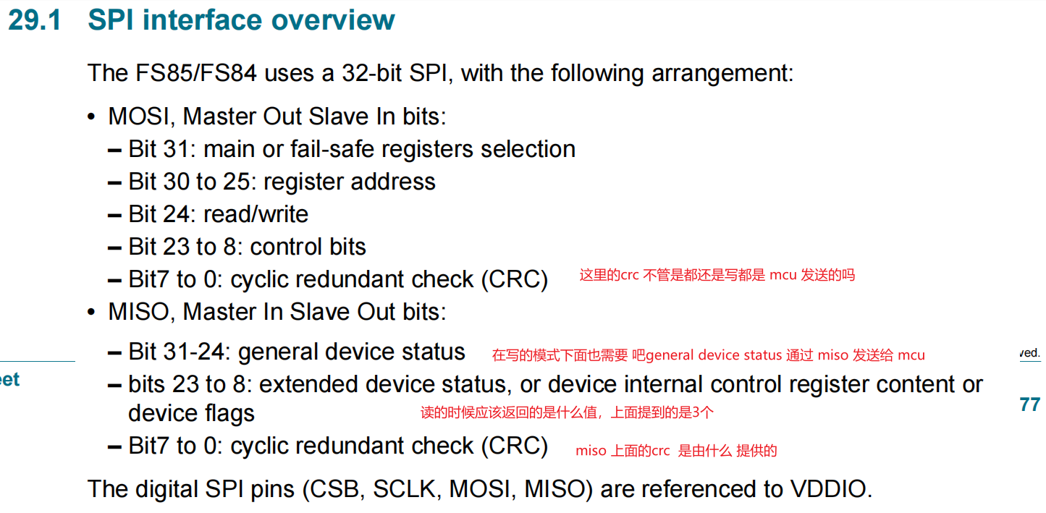

 |  | The MCU is the master driving MOSI and FS85/FS84 is the slave driving MISO. The
 |  | MISO data is latched at the SCLK rising edge and MOSI data is latched at the SCLK
 |  | falling edge. In write command, MISO [23:8] bits are the previous register bits and MISO
 |  | [7:0] is the CRC of the message sent by the FS85/FS84. In read command, MOSI [23:8]
 |  | bits are all 0 and MOSI [7:0] is the CRC of the message sent by the MCU. Refer to
 |  | AN12333 for more details.

VMONx
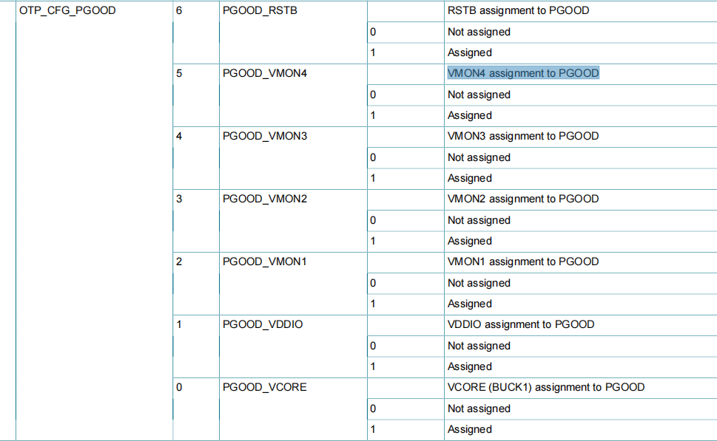
vmon 开启是由otp 决定

这个赋值应该如何做，模拟做数字做
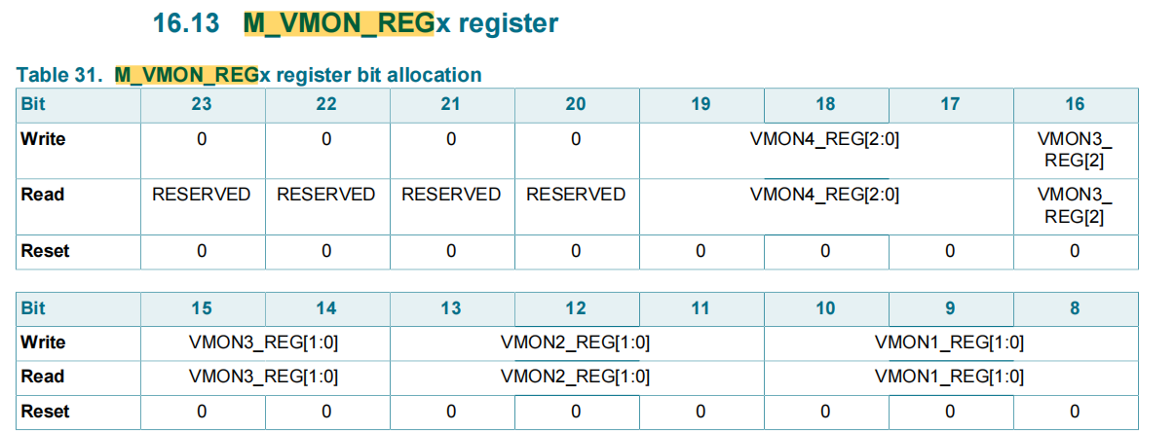

上面的assignment 和这里的assignment 是同一个意思吗，就是复用出去

