RAPPORT
oprationnel | Operationnel |  | oprationnel | Operationnel |  | oprationnel | Operationnel

Row Labels | Sum of NUR DU 26/04/2026 |  | Row Labels | Sum of NUR DU 26/04/2026 |  | Row Labels | Sum of NUR DU 26/04/2026
ACCESS-ISSUE | 19 |  | ACCESS-ISSUE | 19 |  | ACCESS-ISSUE | 19
ACTIVE | 396 |  | ENVTECH | 12 |  | AKTIVCO | 217
no impacts | 46 |  | no impacts | 46 |  | AKTIVCO GRID ONLY | 362
No root cause | 226 |  | No root cause | 226 |  | BSS | 208
PASSIVE | 1303 |  | POWER ISSUE | 1291 |  | ENVTECH | 12
PLANNED WORKS | 6 |  | RAN ISSUE | 208 |  | Fiber AOF | 40
SPARE-ISSUE | 134 |  | SPARE-ISSUE | 134 |  | IHS | 568
Grand Total | 2130 |  | TRAVAUX OCM | 5 |  | IHS GRID ONLY | 89
 |  |  | TRAVAUX-HUAWEI | 1 |  | no impacts | 46
 |  |  | TX ISSUE | 188 |  | No root cause | 226
 |  |  | Grand Total | 2130 |  | Partners | 55
 |  |  |  |  |  | PDH | 148
 |  |  |  |  |  | SPARE-ISSUE | 134
 |  |  |  |  |  | TRAVAUX OCM | 5
 |  |  |  |  |  | TRAVAUX-HUAWEI | 1
 |  |  |  |  |  | Grand Total | 2130

 |  | NUR DAILY RECAP - NUR 2130
RCA | NUR | RCA | NUR |  | RCA | NUR
ACCESS-ISSUE | 19 | ACCESS-ISSUE | 19 |  | ACCESS-ISSUE | 19
ACTIVE | 396 | ENV TCH OCM | 12 |  | AKTIVCO With Backup | 217
No root cause | 226 | No root cause | 226 |  | AKTIVCO GRID ONLY | 362
PASSIVE | 1303 | POWER ISSUE | 1291 |  | Hardware issue | 208
PLANNED WORKS | 6 | RAN ISSUE | 208 |  | ENVTECH | 12
SPARE-ISSUE | 134 | SPARE-ISSUE | 134 |  | Fiber AOF | 40
Grand Total | 2130 | PLANNED WORKS | 6 |  | IHS | 568
 |  | TX ISSUE | 188 |  | IHS GRID ONLY | 89
 |  | Grand Total | 2130 |  | No root cause | 226
 |  |  |  |  | Power MTN | 55
 |  |  |  |  | TX issue MPR / ODU -- | 148
 |  |  |  |  | SPARE-ISSUE | 134
 |  |  |  |  | PLANNED WORKS | 6
 |  |  |  |  | Grand Total | 2130

 | CTR_211

INCIDENT-04-26-2026
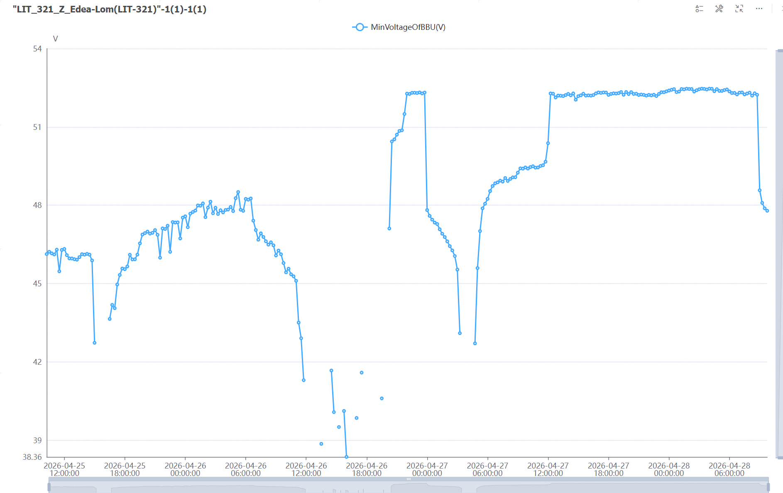
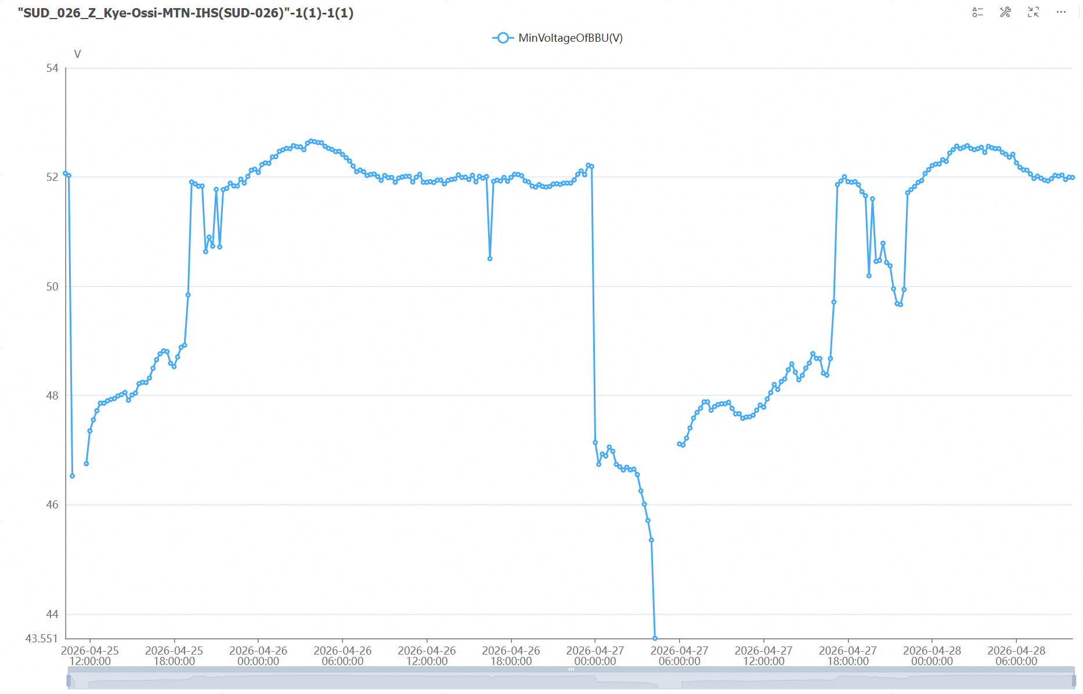
prioriete | site impactant | Numero de ticket | Nom de site impacte | Code site | root cause
 | NRO_100_H_Bambalang | INC-20260426-00002767//2604C76728 | NRO_090_H_Bangourain | NRO_090 | (04/26/2026 incident ) : NRO_100_H_Bambalang, Hello @IHS_CAM_NOC , Bien vouloirstabiliserle site de BAMBALANG svp nous avons un des instabilite powersn sur ce site , @carineIHS sipa pour support stp || Acces issue due do insecurity || @carinesipa , besion de ton support pour workaround de stabilisation des sites en attendant de trouver une solution definitive stp cdlt

